Sheet1
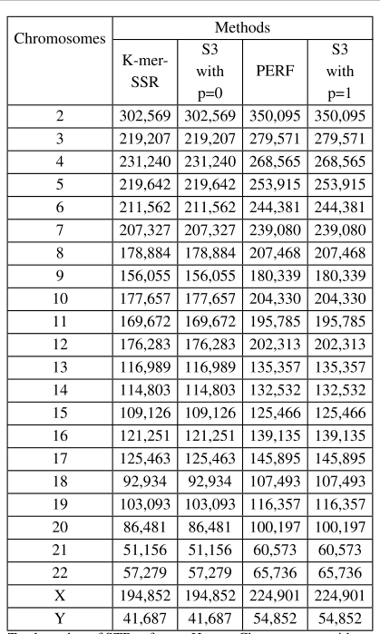

Supplementary table S4

 | Supplementary table S5

