PopulationReport
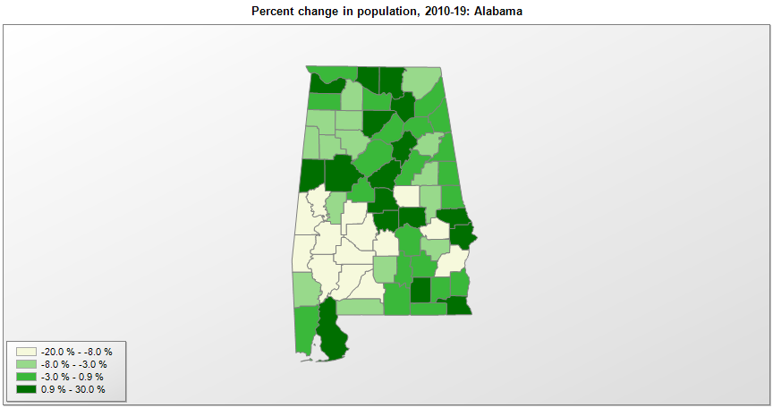

FIPS* | County name | RUC code | Pop. 1990 | Pop. 2000 | Pop. 2010 | Pop. 2019 | Change 2010-19
01000 | Alabama |  | 4,040,389 | 4,447,207 | 4,780,125 | 4,903,185 | 2.6%
01001 | Autauga County | 2 | 34,222 | 43,751 | 54,597 | 55,869 | 2.3%
01003 | Baldwin County | 3 | 98,280 | 140,416 | 182,265 | 223,234 | 22.5%
01005 | Barbour County | 6 | 25,417 | 29,042 | 27,455 | 24,686 | -10.1%
01007 | Bibb County | 1 | 16,598 | 19,856 | 22,915 | 22,394 | -2.3%
01009 | Blount County | 1 | 39,248 | 50,982 | 57,322 | 57,826 | 0.9%
01011 | Bullock County | 6 | 11,042 | 11,603 | 10,911 | 10,101 | -7.4%
01013 | Butler County | 6 | 21,892 | 21,394 | 20,940 | 19,448 | -7.1%
01015 | Calhoun County | 3 | 116,032 | 111,882 | 118,526 | 113,605 | -4.2%
01017 | Chambers County | 6 | 36,876 | 36,600 | 34,169 | 33,254 | -2.7%
01019 | Cherokee County | 6 | 19,543 | 23,909 | 25,979 | 26,196 | 0.8%
01021 | Chilton County | 1 | 32,458 | 39,604 | 43,632 | 44,428 | 1.8%
01023 | Choctaw County | 9 | 16,018 | 15,953 | 13,858 | 12,589 | -9.2%
01025 | Clarke County | 7 | 27,240 | 27,870 | 25,833 | 23,622 | -8.6%
01027 | Clay County | 9 | 13,252 | 14,240 | 13,930 | 13,235 | -5.0%
01029 | Cleburne County | 8 | 12,730 | 14,141 | 14,972 | 14,910 | -0.4%
01031 | Coffee County | 4 | 40,240 | 43,639 | 49,955 | 52,342 | 4.8%
01033 | Colbert County | 3 | 51,666 | 54,979 | 54,428 | 55,241 | 1.5%
01035 | Conecuh County | 7 | 14,054 | 14,077 | 13,236 | 12,067 | -8.8%
01037 | Coosa County | 8 | 11,063 | 11,842 | 11,756 | 10,663 | -9.3%
01039 | Covington County | 6 | 36,478 | 37,640 | 37,762 | 37,049 | -1.9%
01041 | Crenshaw County | 8 | 13,635 | 13,657 | 13,893 | 13,772 | -0.9%
01043 | Cullman County | 4 | 67,613 | 77,426 | 80,406 | 83,768 | 4.2%
01045 | Dale County | 4 | 49,633 | 49,120 | 50,251 | 49,172 | -2.1%
01047 | Dallas County | 4 | 48,130 | 46,361 | 43,813 | 37,196 | -15.1%
01049 | DeKalb County | 6 | 54,651 | 64,436 | 71,120 | 71,513 | 0.6%
01051 | Elmore County | 2 | 49,210 | 65,819 | 79,272 | 81,209 | 2.4%
01053 | Escambia County | 6 | 35,518 | 38,452 | 38,320 | 36,633 | -4.4%
01055 | Etowah County | 3 | 99,840 | 103,448 | 104,429 | 102,268 | -2.1%
01057 | Fayette County | 6 | 17,962 | 18,522 | 17,235 | 16,302 | -5.4%
01059 | Franklin County | 6 | 27,814 | 31,257 | 31,709 | 31,362 | -1.1%
01061 | Geneva County | 3 | 23,647 | 25,700 | 26,781 | 26,271 | -1.9%
01063 | Greene County | 8 | 10,153 | 9,923 | 9,039 | 8,111 | -10.3%
01065 | Hale County | 3 | 15,498 | 18,270 | 15,762 | 14,651 | -7.0%
01067 | Henry County | 3 | 15,374 | 16,297 | 17,299 | 17,205 | -0.5%
01069 | Houston County | 3 | 81,331 | 88,831 | 101,560 | 105,882 | 4.3%
01071 | Jackson County | 6 | 47,796 | 53,871 | 53,223 | 51,626 | -3.0%
01073 | Jefferson County | 1 | 651,520 | 662,041 | 658,567 | 658,573 | 0.0%
01075 | Lamar County | 8 | 15,715 | 15,902 | 14,564 | 13,805 | -5.2%
01077 | Lauderdale County | 3 | 79,661 | 87,952 | 92,709 | 92,729 | 0.0%
01079 | Lawrence County | 3 | 31,513 | 34,834 | 34,337 | 32,924 | -4.1%
01081 | Lee County | 3 | 87,146 | 115,014 | 140,287 | 164,542 | 17.3%
01083 | Limestone County | 2 | 54,135 | 65,668 | 82,786 | 98,915 | 19.5%
01085 | Lowndes County | 2 | 12,658 | 13,483 | 11,296 | 9,726 | -13.9%
01087 | Macon County | 6 | 24,928 | 24,086 | 21,448 | 18,068 | -15.8%
01089 | Madison County | 2 | 238,912 | 276,998 | 334,807 | 372,909 | 11.4%
01091 | Marengo County | 7 | 23,084 | 22,533 | 21,048 | 18,863 | -10.4%
01093 | Marion County | 7 | 29,830 | 31,162 | 30,776 | 29,709 | -3.5%
01095 | Marshall County | 4 | 70,832 | 82,303 | 93,019 | 96,774 | 4.0%
01097 | Mobile County | 2 | 378,643 | 399,887 | 413,139 | 413,210 | 0.0%
01099 | Monroe County | 7 | 23,968 | 24,320 | 23,067 | 20,733 | -10.1%
01101 | Montgomery County | 2 | 209,085 | 223,518 | 229,375 | 226,486 | -1.3%
01103 | Morgan County | 3 | 100,043 | 111,076 | 119,490 | 119,679 | 0.2%
01105 | Perry County | 8 | 12,759 | 11,876 | 10,575 | 8,923 | -15.6%
01107 | Pickens County | 3 | 20,699 | 20,914 | 19,746 | 19,930 | 0.9%
01109 | Pike County | 6 | 27,595 | 29,688 | 32,901 | 33,114 | 0.6%
01111 | Randolph County | 6 | 19,881 | 22,344 | 22,916 | 22,722 | -0.8%
01113 | Russell County | 2 | 46,860 | 49,854 | 52,963 | 57,961 | 9.4%
01115 | St. Clair County | 1 | 49,811 | 64,740 | 83,350 | 89,512 | 7.4%
01117 | Shelby County | 1 | 99,363 | 143,429 | 195,253 | 217,702 | 11.5%
01119 | Sumter County | 8 | 16,174 | 14,772 | 13,763 | 12,427 | -9.7%
01121 | Talladega County | 4 | 74,109 | 80,734 | 82,353 | 79,978 | -2.9%
01123 | Tallapoosa County | 6 | 38,826 | 41,771 | 41,618 | 40,367 | -3.0%
01125 | Tuscaloosa County | 3 | 150,500 | 164,932 | 194,667 | 209,355 | 7.5%
01127 | Walker County | 1 | 67,670 | 70,688 | 67,020 | 63,521 | -5.2%
01129 | Washington County | 8 | 16,694 | 18,077 | 17,580 | 16,326 | -7.1%
01131 | Wilcox County | 9 | 13,568 | 12,995 | 11,664 | 10,373 | -11.1%
01133 | Winston County | 6 | 22,053 | 24,806 | 24,488 | 23,629 | -3.5%

Source: U.S. Census Bureau, 1990, 2000, and 2010 Censuses of Population (corrected), and 2019 County Total Population Estimates. 1) The FIPS codes uniquely identify each county and are part of the Federal Information Processing Standards (FIPS) developed by the National Institute of Standards and Technology (NIST), U.S. Department of Commerce. For more information, see the NIST FIPS publication page. 2) The 2013 rural-urban continuum codes classify metropolitan counties (codes 1 through 3) by size of the Metropolitan Statistical Area (MSA), and nonmetropolitan counties (codes 4 through 9) by degree of urbanization and proximity to metro areas. See rural-urban continuum codes for precise definitions of each code.

