Quick Response
QUICK RESPONSE PDCA
VIM Data |  |  |  |  |  |  |  |  |  |  |  |  |  |  |  |  |  | 1
 |  | Valeo Contact name [1] |  |  |  |  | INCIDENT CATEGORY [3] |  |  |  |  |  | Which LLC was already issued on similar problem? [21]
 |  | Elżbieta Odrzywolska elzbieta.odrzywolska@valeo.com |  |  |  |  |  | C1 |  |  | CP1 |  | 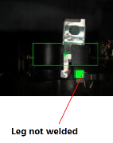 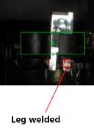 Put in place the camera to detect the conformity of the electrical welding of the thermal switch in the ground contact
 |  |  |  |  |  |  |  | C1WR |  |  | CP2
 |  |  |  |  |  |  | x | C2 |  |  | CA
 |  | PRODUCT (Designation + Ref) [2]
 |  |  |  |  |  |  | SUPPLIER INCIDENT DETAILS
 |  | Brush Plate W000051919 |  |  |  |  | Valeo SRM Incident Number |  |  | VWS-W21SKA1-2509-006
 |  |  |  |  |  |  | Date and Time of Valeo Notification |  |  | Date and Time of Customer Notification |  | 2025-09-10

 | WHAT IS THE PROBLEM ? > Use 5W + 2H to know what is the Current Situation ? |  |  |  |  |  |  |  |  |  |  |  | First findings after incident notification [22]
 | 5W2H |  |  |  |  |  | CHARACTERIZATION |  |  |  |  |  |  | Real data ? ( please identify the involved standards ) |  | Factor(s) to include in FTA Occ or FTA Non Det
 | WHAT happened? [4] | Lack of welding between thermal switch and ground contact Standard: Part has a weld between the thermal switch and the ground contact. Part NOK: Lack of welding between thermal switch and ground contact. Part OK: Part has a weld between the thermal switch and the ground contact. |  |  |  |  | What is the difference between good and bad parts? [11] |  | Standard: The thermal switch leg is welded in the ground contact leg with the presence of the eletrode trace Welding strength >= 50N. Good part: The thermal switch leg is welded in the ground contact leg with the presence of the eletrode trace Welding strength = 175N. measured part on 10/09/2025 & 183N measured on 21/08/2025 during the serial production Bad part: according to the photo, there is a lack of electrical welding between the thermal switch leg in the ground contact leg Welding strength >= 0N. |  |  |  | 1/ ... in the MACHINE SETTINGS [23], e.g. parameters list and values, setup records
 | WHY is it a problem? [5] | part not complaiant with specification, risk of customer claim |  |  |  |  | Was part produced in the standard process? [12] |  | Yes, the part is produced in the standard process |  |  |  | 2/ ... in the OPERATIONS [24], e.g. QRAP, OK start, shift, operator, maintenance, breakdowns, cavities, tools, 5S,
 | WHEN detected [6] | 09.09.2025 |  |  |  |  | When was it manufactured at Supplier? [13] |  | 21/08/2025 Aftenoon shift, electrical test marking 17:11 mn
 |  |  |  |  |  |  |  |  |  |  |  |  | 3/ ... in the QUALITY CONTROLS [25], e.g. inspection records, control means, line rejects
 | WHO detected? [7] | Quality Technician |  |  |  |  | Who manufactured? [14] |  | Supervisor : Nabiha Ben salah Quality Technicien: Naffeti Fouzia Operator of the electrical welding: Mlik Mounira,matricule 3539: Level B Final control: Amri Najeh, matricule 593 Level B / Zidani Najwa, matricule 2006 Level B / Ncir Ismahene, matricule 1902 Level B Level B: right level requested
 | (name of operator)
 | WHERE detected? [8] | M1 line |  |  |  |  | In which other application or processes product is used? [15] |  | Only the part number W000051919 prodiced on 21/08/2025 is impacted |  |  |  | 4/ ... in the RAW MATERIAL [26], e.g. component lots, suppliers, tools, cavities
 | HOW detected? [9] | motor rejected on the line during accentric bush adjustment |  |  |  |  | Are we capturing the defect when reinjecting product in normal process? [16] |  | The master part ( without electrical welding between the thermal switch & the ground) was detected by the final control but is not was not detected by the electrical test, we will injecte the bad part after reception Reinjection of the bad part - Electrical test: part is not detected as bad because the leg of the thermal switch touch the leg of the ground contact - Final control: part is detected as bad during the visual control by the final contol
 |  |  |  |  |  |  |  |  |  |  |  |  | 5/ ...in the PROJECT ACTIVITY [27], e.g. DV/PV records
 | HOW MANY bad parts? [10] | 1 |  |  |  |  | Did a similar problem happen previously at customer or internally? [17] |  | VWS-W21SKA1-2402-001
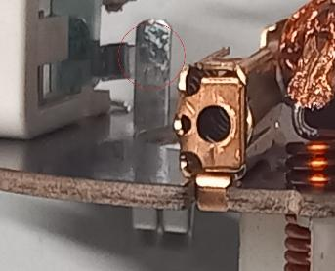
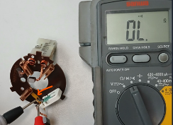
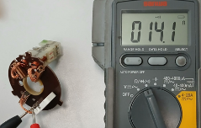
 | BAD PART [18] |  |  |  |  |  | 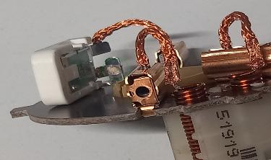 GOOD PART [19] |  |  |  |  |  | WHAT ARE THE IMMEDIATE COUNTERMEASURES (24 hours)?
 |  | 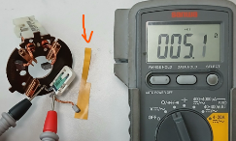

 |  |  |  |  |  |  |  |  |  |  |  |  | 1. IMMEDIATE COUNTERMEASURES IN SUPPLIER PERIMETER ? [31] |  | WHO | DATE | WHERE

 |  |  |  |  |  |  |  |  |  |  |  |  | current outage "power shut down" on 21/08/2025 at 16:35 mn, due to the short circuit in the electrical test "botrollage operation", information of all VALEO sites of the suspected batch delivered to VALEO Skawina ( Minimum 1 bad part & Maximum 6 bad parts linked to the electrical welding |  | Lassaad Charaabi | 2025-09-10 | VM4 line

 |  |  |  |  |  |  |  |  |  |  |  |  | Flash quality displayed |  | Sana Dhkil | 2025-09-10 | VM4 line
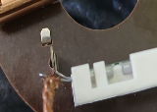
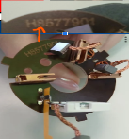
 |  |  |  |  |  |  |  |  |  |  |  |  | Sorting operation of the quantity in AVO plant |  | Sana Dhkil | 2025-09-10 | VM4 line
 |  |  |  |  |  |  |  |  | Origin of the part

 | SORTING ACTIVITY to protect customer [20]

 |  |  | Nb. NG Parts | Nb. Sorted |  | PPM |  | Sorting date | WHO |  | Identification OK parts |  | 2. IMMEDIATE COUNTERMEASURES IN VALEO LINE ? [32] |  | WHO | DATE | WHERE
 | -Results of sorting in Valeo's Customer plant |  |  |  | = | '----' | PPM
 | -Results of sorting in Valeo Plant |  | 0 | 13871 | = | 0 | PPM |  |  |  |  |  | Check the quantity produced on 21/08/2025 between 16:35mn & 20:00 mn |  | Lassaad Charaabi | 11/09/2025 | By email
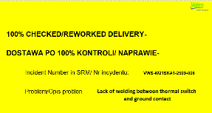
 | -Results of sorting in Other Valeo Plants |  |  |  |  | '----' | PPM
 | -Results of sorting in Transport |  |  |  | = | '----' | PPM
 | -Results of sorting in Valeo's Logistics platform |  |  |  |  | '----' | PPM
 | -Results of sorting in Supplier's Logistics platform |  |  |  | = | '----' | PPM
 | -Results of sorting in Supplier plant |  | 0 | 9450 |  | 0 | PPM | 2025-09-10 | Sana Dkhil
 | -Results of sorting in after-sales stocks |  |  |  | = | '----' | PPM
 | TOTAL SORTING |  | 0 | 23321 | = | 0 | PPM

 | Production dates of sorted parts | From | To |  |  |  |  | First certified good shipment: |  | Label's Number |  | Date
 |  | 2025-08-21 | 2025-08-21 |  |  |  |  |  |  | 20250908 |  | 2025-09-11
 | Period of NG parts | Earliest NG part Date | Latest NG part Date |  |  |  |  |  |  | Identification OK parts / OK pallets
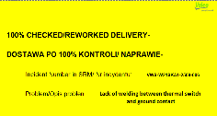
 |  | 21/08/2025 from 16:00h to 20:00h | 21/08/2025 from 16:00h to 20:00h

 | VALEO CAN DETECT THE DEFECT ON THE PRODUCTION LINE AT 100% (YES/NO) ? |  |  |  |  |  |  |  |  | If not, Supplier must set up a control at 100% on the Valeo line

Assign
ASSIGNMENT / BREAKDOWN
N° | ASSIGNMENT [1] | RESULTS [2] | WHO [3] | Due date [4] | Done date [5]
1 | Put in place the control by the camera in EOL | study ongoing, the actual camera is not able to detect this kind of the defect, the test with keyence will be done on 15/09/2025 ( take 5 good parts & 5 bad parts for the test) --> Action will be implemented on 24/10/2025 | David Dez | 2025-09-16 | 2025-09-23
2 | Request the bad part by DHL | 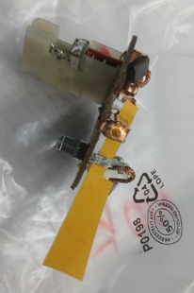 Tracking number = 8948777014, reception of the DHL on 12/09/2025 at 15:20mn | Lassaad Charaabi | 2025-09-10 | 2025-09-10
3 | Check the traceability of the electrical test | Part produced on 21/08/2025 at 17:11 mn | Lassaad Charaabi | 2025-09-10 | 2025-09-10
4 | Check the traceability of the force test | Bad part is good in the force test | Lassaad Charaabi | 2025-09-10 | 2025-09-10
5 | Check the quantity rejected "scrap" on 21/08/2025 | 0 bad part linked to the electrical welding, 1 bad part linked to the soldering tin | Sana Dkhil | 2025-09-10 | 2025-09-10
6 | Check the traceability of the QRAP on 21/08/2025 | No QRAP linked to the electrical welding on 21/08/2025 | Sana Dkhil | 2025-09-10 | 2025-09-10
7 | Check the maintenance intervention | 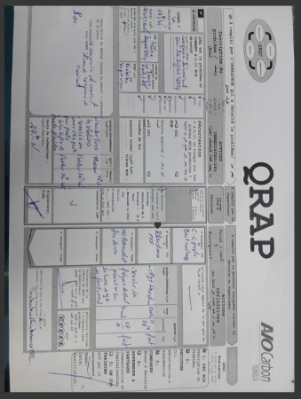 Power outage on 21/08/2025 at 16:35 mn due to the short circuit in the botrollage operation in the electrical test, the quantity produced = 1128 on 21/08/2025 from 16:35 to 20:00h was delivered to Valeo Skawina site, | Kamel Massoudi | 2025-09-10 | 2025-09-11
9 | Check the pull out test of the electrical welding of the thermal switch on the ground during the week 34/2025 | 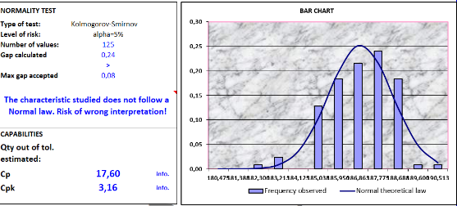 Cpk = 3,16 | Sana Dkhil | 2025-09-10 | 2025-09-10
10 | Check the electrical welding parameters | 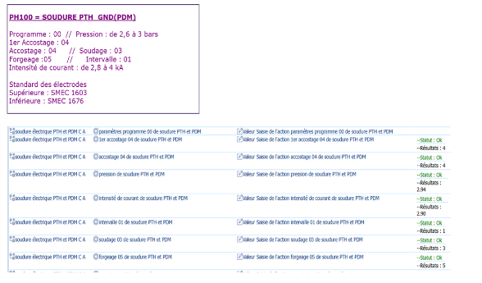 Electrical welding parameters according to the standard | Sana Dkhil | 2025-09-10 | 2025-09-10
11 | Check the traceability in the automate of the electrical test | No traceability of the bad parts saved in the electrical test | Mohamed Ben Ismail | 2025-09-11 | 2025-09-11
12 | Reproduce the similar defect & check the reaction of the electrical test | Same defect was not detected by the electrical test, the part was identified as good | Anis Othmani | 2025-09-10 | 2025-09-10
13 | Check the poka yoke of Gen2C in case of current shut down | 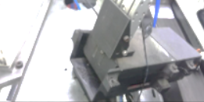 in case of the current shut down the part cannot pass to the next step because the poka yoke is locked, No risk | Lassaad Charaabi | 2025-09-11 | 2025-09-11
14 | Update the work instruction base on the good part & bad part |  | Sana Dkhil | 2025-09-12 | 2025-09-12
15 | Check the maintenance of the heating resistor origin of the power shut down |  | Kamel Massoudi | 2025-09-12 | 2025-09-12
16
17
18
19
20
21
22
23
24
25
26
27
28
29
30

Timeline
TIMELINE [1]

RISKY WINDOW

Week / Date
Qty produced
Qty NOK detected [2]
Defect rate (ppm)*
* If you have ppm chart available, it can be pasted below

 | Report date and events which may have generated the occurrence or lack of detection. | Report date and events which may have generated the occurrence or lack of detection. | Report date and events which may have generated the occurrence or lack of detection. | Report date of notification of the First Defect detected @ Valeo / Customer | Report date and Immediate Countermeasure | Report date and Immediate Countermeasure | Report date and Final Countermeasure after Check Act

DEFECT RATE (PPM)

Process Flow
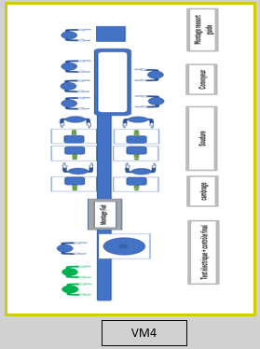
PROCESS FLOW [1]

FTA Non Det & 5 Whys
FACTOR TREE ANALYSIS FOR NON DETECTION - Why the problem was not detected ? [14]

PROBLEM DESCRIPTION (Supplier view) [1] |  | Standard: The thermal switch leg is welded in the ground contact leg with the presence of the eletrode trace Welding strength >= 50N. Good part: The thermal switch leg is welded in the ground contact leg with the presence of the eletrode trace Welding strength = 175N. measured part on 10/09/2025 & 183N measured on 21/08/2025 during the serial production Bad part: according to the photo, there is a lack of electrical welding between the thermal switch leg in the ground contact leg Welding strength >= 0N.

4M [2] | FACTORS [3] | STANDARD [5] |  | Factor VALUE on OK PARTS [6] | Factor VALUE on BAD PARTS [7] | JUDGMENT |  |  | Potential Root Causes | 1) Ask WHY until you arrive at the real root cause. 2) For each WHY level, decide if a countermeasure (corrective or preventive action) is to be defined and put a 'Y'.
 |  |  |  | Good Part / Situation taken as reference [8] ............................. | Bad Part / Situation taken as reference [9] ............................. | Std OK [10] | Meet std [11] | Direct link [12] |  | 5 WHYs |  | Countermeasure?
METHOD | Visual inspection in end of line : Work instruction | What was the standard value and tolerance? | Check the conformity of the electrical welding by the presence of the electrode trace only on the thermal switch leg | 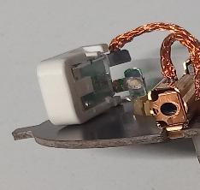 Presence of the electrode trace with reddish aspect on the thermal switch leg |  Presence of the electrode trace only on the thermal switch leg | N | D | Y | Lack of welding not visually detected | 1st WHY | The final control Operator didn't detect the defect
 |  | Where was the standard value defined (name, number and index of the document) ? | Final control instruction // PS12-M9 ind,6 |  |  |  |  |  |  | 2nd WHY | The final control opertaor checked that the trace of the electrode exist on the thermal switch leg & accept it
 |  |  |  |  |  |  |  |  |  | 3rd WHY | The control instruction don't precize the obligation of the presence of the electrode trace in both side | YES
 |  | How was the standard value measured or verified? | visual control |  |  |  |  |  |  | 4th WHY | The control criteria is not fully defined regarding welding trace presence
 |  | What was the frequency of measurement or verification? | 100% |  |  |  |  |  |  | 5th WHY | There is no guideline for welding aspect control in the documentation | YES
MAN | LLC managment transversalisation of the camera in the electrical test for welding control | What was the standard value and tolerance? | After validation of the actions with the customer, transversalise the actions in the similar process | Automatic detection by camera in the electrical test in Gen2C line | No camera in VM4 line | Y | N | Y | No transversalisation of the camera in VM4 line | 1st WHY | Incomplete transvalisation of all actions in all Valeo lines | YES
 |  | Where was the standard value defined (name, number and index of the document) ? | Customer claim: corrective action & transversalisation procédure P3.Pr.S1.04 |  |  |  |  |  |  | 2nd WHY | Priorize the critical lines ( Gen2C,Gen2R & MNG2)
 |  |  |  |  |  |  |  |  |  | 3rd WHY | Line with hight risk level
 |  | How was the standard value measured or verified? |  |  |  |  |  |  |  | 4th WHY
 |  | What was the frequency of measurement or verification? |  |  |  |  |  |  |  | 5th WHY
MAN | Managment of the parts under process in case of power shut down | What was the standard value and tolerance? | In case of power shut doun, revalidate the entire process ( process parameters, pull out test, master part) | In case of power shut down the operators isolate the suspect parts in the red box & escalate to the midle managment | In case of power shut down the operators pass the part to the next step as good part without escalation to the midle managment | Y | D | Y | Insufficient awarness operators and management developed bad habits suspect parts not isolated after power shut down. | 1st WHY | Operators did not isolate and escalate parts affected by power shut down.
 |  | Where was the standard value defined (name, number and index of the document) ? | start of production// C6.Fo.S3.16 Ind2 |  |  |  |  |  |  | 2nd WHY | They did not clearly understand the importance of isolation and escalation in special events.
 |  |  |  |  |  |  |  |  |  | 3rd WHY | Operators and middle management developed bad habits (consider power shut dow not special events with high risk)
 |  | How was the standard value measured or verified? | Start of production check-list |  |  |  |  |  |  | 4th WHY | There is not enough awareness of the risks associated with special events | YES
 |  | What was the frequency of measurement or verification? | Current shut down |  |  |  |  |  |  | 5th WHY
METHOD | Managment of the parts under process in case of power shut down | What was the standard value and tolerance? | In case of power shut doun, revalidate the entire process ( process parameters, pull out test, master part) | Revalidatation of the entire process ( process parameters, pull out test, master part) | Revalidatation of the entire process ( process parameters, pull out test, master part) | N | D | Y | Standard of management of the parts under process in case of power shut down | 1st WHY | Standard of managment of parts under process in case of shut down doesn’t specify the disposition (scrap/use) of the parts.
 |  | Where was the standard value defined (name, number and index of the document) ? | start of production// C6.Fo.S3.16 Ind2 |  |  |  |  |  |  | 2nd WHY | Start of Production Check-list does not include clear criteria or steps for inspecting and segregating WIP parts after a shutdown.
 |  |  |  |  |  |  |  |  |  | 3rd WHY | The risk of part quality issues after a power shut down was not fully considered during the creation or update of the check-list. | YES
 |  | How was the standard value measured or verified? | Start of production check-list |  |  |  |  |  |  | 4th WHY | there was no structured failure mode analysis (FMEA or similar) linked to power interruptions influencing the checklist requirements.
 |  | What was the frequency of measurement or verification? | Current shut down |  |  |  |  |  |  | 5th WHY | There is no issue ( internal/customer) linked to power shut down

Action plan & Genba review
ANALYSIS PDCA

REPRODUCE THE DEFECT
WHAT WAS DONE TO REPRODUCE THE CONCERN? [1] |  | Put the part on the lower electrode, launch the cycle & cut the power
HOW WAS IT DONE? [2] |  | manually
WHEN WAS IT DONE? [3] |  | 2025-09-18
WHAT WAS THE RESULT? [4] |  | part with lack of electrical welding between the thermal switch leg & the the ground leg with the presence of the samll trace on the leg
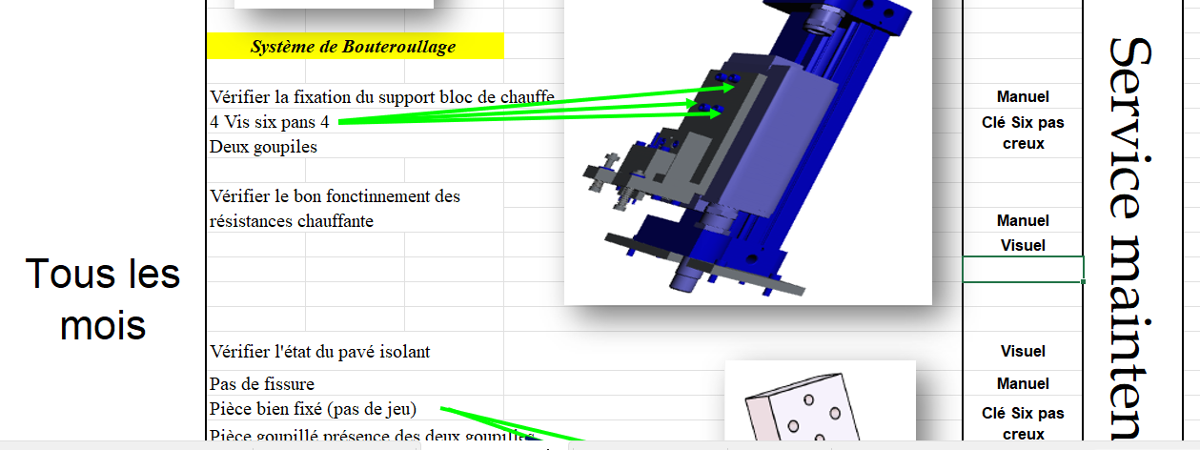
Before
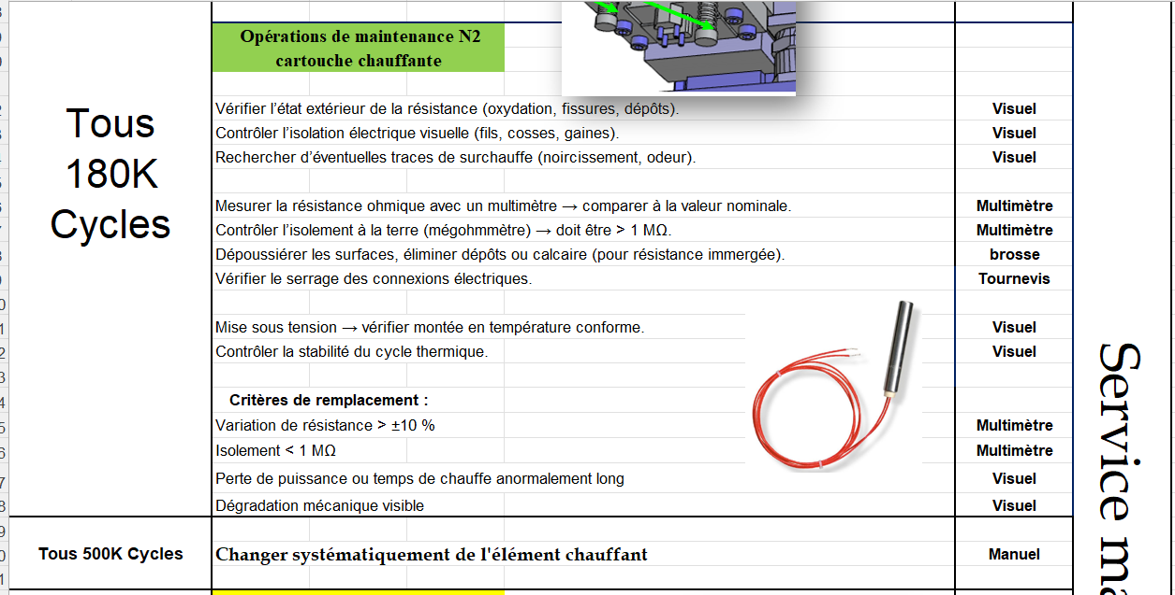
After
ACTION PLAN FOR PERMANENT COUNTERMEASURES - OCCURRENCE |  |  |  |  |  |  | CHECK |  |  | ACT
ROOT-CAUSE [5] select the Root Cause among the list proposed | TYPE OF COUNTERMEASURE [6] | COUNTERMEASURE [7] | STANDARD NUMBER REVISION LEVEL [8] | WHO [9] | Due date [10] | Done date [11] | Are ALL users including their Direct Manager trained to use this STANDARD? [12] | Is there an ENFORCEMENT plan for the Direct manager to ensure the respect of this STANDARD? [13] | Genba Check Done and OK (Date) [14] | Document updated? |  |  | Date when all relevant FMEAs and Control Plans were updated [18] | Generalization to other lines / products / site(s) [19] | LLC Done? YES /NO [20]
 |  |  |  |  |  |  |  |  |  | Design FMEA [15] | Process FMEA [16] | Control Plan [17]
Frequency of heating resistor change not defined | Update an existing standard | Define new frequency of the heating resistor change ( replace the frequency per date "monthly control & replace after failure" to the frequency per cycle "control after 180K cycle & systematic replace after 500K cycle") | Maintenace level2 instruction // PS3.1-M2 Ind 3 | Kamel Massoudi | 2025-08-27 | 2025-08-27
The risk of part quality issues after a power shut down was not fully considered during the creation or update of the check-list. | Update an existing standard | Update the start of production (precize the obligation to scrap all parts under process in case of power shut down) | start of production// C6.Fo.S3.16 Ind2 | Anis Othmani | 2025-09-15 | 2025-09-15
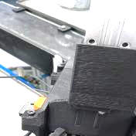
No automatic system to lock bad part | Create a new standard | Implement a gate "trappe" for the good part that open every welding operation to ensure that it was done, this trape is close when the power is shut down |  | Kamel Massoudi | 2025-11-07
No automatic system to lock bad part | Create a new standard | Implement the automatic to lock the part under the machine during the power shut down |  | Kamel Massoudi | 2025-11-07
No automatic system to lock bad part | Create a new standard | The machine is blocked in case of incomplete cycle or power shut down, to unlock the part, the part must be put in the jail of the bad part |  | Kamel Massoudi | 2025-11-07
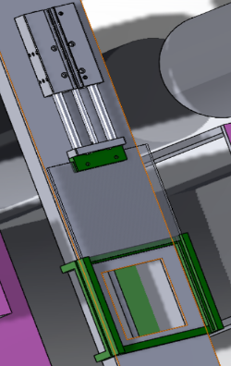
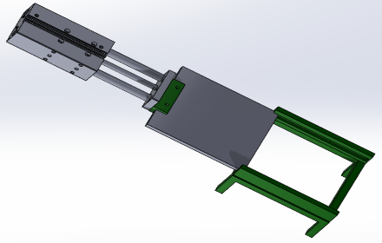
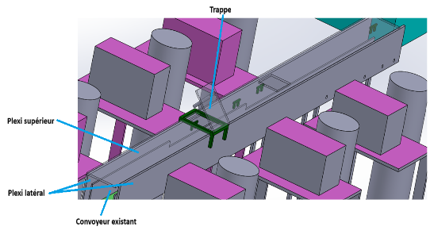
No transverzalisation of the LLC | Deploy an existing standard | Reinforce the transversalisation between similar process & line |  | Lassaad Charaabi | 2025-09-30
No transverzalisation of the LLC | Deploy an existing standard | Define LLC matrix base on critical incident ( WR, C1) |  | Anis Othmani | 2025-09-30

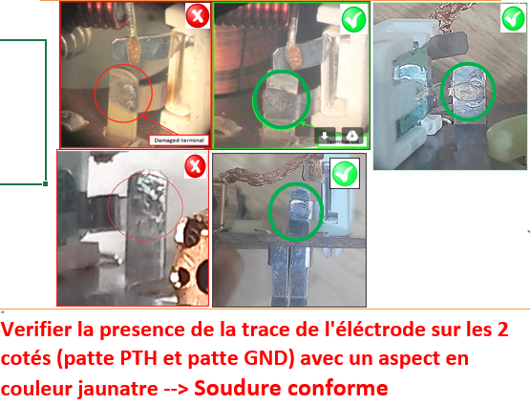

ACTION PLAN FOR PERMANENT COUNTERMEASURES - NON DETECTION |  |  |  |  |  |  | CHECK |  |  | ACT
ROOT-CAUSE [5] select the Root Cause among the list proposed | TYPE OF COUNTERMEASURE [6] | COUNTERMEASURE [7] | STANDARD NUMBER REVISION LEVEL [8] | WHO [9] | Due date [10] | Done date [11] | Are ALL users including their Direct Manager trained to use this STANDARD? [12] | Is there an ENFORCEMENT plan for the Direct manager to ensure the respect of this STANDARD? [13] | Genba Check Done and OK (Date) [14] | Document updated? |  |  | Date when all relevant FMEAs and Control Plans were updated [18] | Generalization to other lines / products / site(s) [19] | LLC Done? YES /NO [20]
 |  |  |  |  |  |  |  |  |  | Design FMEA [15] | Process FMEA [16] | Control Plan [17]
There is no guideline for welding aspect control in the documentation | Create a new standard | Create the guide line of the electrical welding contrôle |  | Bilel T | 2025-09-30
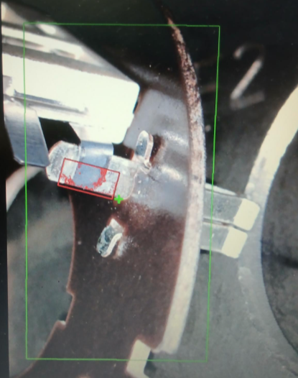
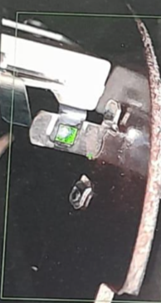
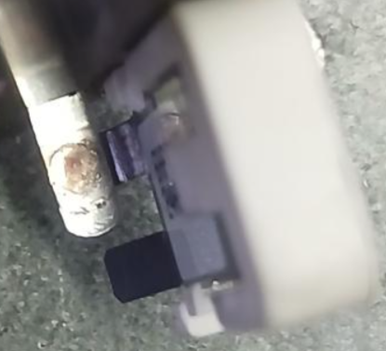
Internal side
Dectection by the automatic camera in the electricaltest
Incomplete transvalisation of all actions in all Valeo lines | Update an existing standard | Define LLC matrix base on critical incident ( WR, C1) |  | Anis O | 2025-09-30
the instruction did not cover the complete scenario of power shut down method | Update an existing standard | Update the start of production (precize the obligation to scrap all parts under process in case of power shut down) | C6.Fo.S3.16 Ind3 | Anis O | 2025-09-15 | 2025-09-15
Incomplete transvalisation of all actions in all Valeo lines | Update an existing standard | Put in place the camera in VM4 line to control the welding of the thermal switch leg |  | David D | 2025-10-24 | 2025-09-25
The control instruction don't precize the obligation of the presence of the electrode trace in both side | Update an existing standard | Update the control instruction to precize the obligation of the electrod trace in both side | PS12-M9 ind,6 | Lassaad Charaabi | 2025-09-19 | 2025-09-19
There is not enough awareness of the risks associated with special events | Update an existing standard | Organize specific training session per line ( operators & midle managment) on the risk of special events & the importance of the escalation |  | Adel Latrous | 2025-09-30
There is not enough awareness of the risks associated with special events | Update an existing standard | Organize strong communication to improve the mindset "reminder that product safety comes before productivity." (QRAP for each events) |  | Adel Latrous | 2025-09-30
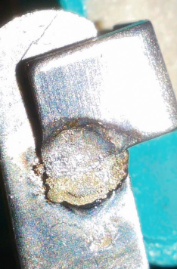
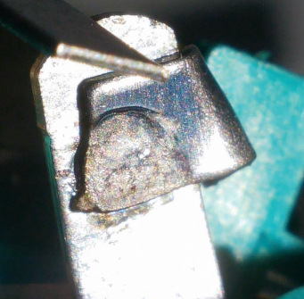
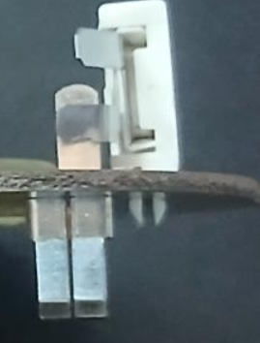
Master part with poor & lack of the electrical welding

SQA Genba Check
 |  | Genba Check StEDE PDCA Genba Check Efficiency control - StEDE3 workstation assesment

 | Supplier Name |  |  | StEDE PDCA Genba Check |  |  |  |  |  |  |  | EFFICIENCY CONTROL |  | StEDE3 Workstation assesment result
 | Supplier Location
 | Audit date
 | Auditor name |  |  |  |  |  |  |  |  |  |  | Number of parts since actions are in place
 | Incident number | Root cause | Nb | Action: TECHNICAL / SYSTEMIC CORRECTIVE ACTION | Existence: STANDARD NUMBER REVISION LEVEL | Deployment: Are ALL users including their N+1 (Direct Manager) trained to use this STANDARD ? Yes / No | Enforcement: Is there an ENFORCEMENT plan for the N+1 ( Direct manager ) to ensure the respect of this STANDARD ? Yes / No | Action | Existence | Deployment | Enforcement | Produced | Bad parts | StEDE 3 Workstation assesment result
TECHNICAL / SYSTEMIC CORRECTIVE ACTION - OCCURRENCE | VWS-W21SKA1-2509-006 | Frequency of heating resistor change not defined | 1 | Define new frequency of the heating resistor change ( replace the frequency per date "monthly control & replace after failure" to the frequency per cycle "control after 180K cycle & systematic replace after 500K cycle") | Maintenace level2 instruction // PS3.1-M2 Ind 3
 | Confirmed on Genba: Supplier / Valeo SQA: Y/N
 | VWS-W21SKA1-2509-006 | The risk of part quality issues after a power shut down was not fully considered during the creation or update of the check-list. | 2 | Update the start of production (precize the obligation to scrap all parts under process in case of power shut down) | start of production// C6.Fo.S3.16 Ind2
 | Confirmed on Genba: Supplier / Valeo SQA: Y/N
 | VWS-W21SKA1-2509-006 | No automatic system to lock bad part | 3 | The machine is blocked in case of incomplete cycle or power shut down, to unlock the part, the part must be put in the jail of the bad part
 | Confirmed on Genba: Supplier / Valeo SQA: Y/N
 | VWS-W21SKA1-2509-006 | No transverzalisation of the LLC | 4 | Reinforce the transversalisation between similar process & line
 | Confirmed on Genba: Supplier / Valeo SQA: Y/N
 | VWS-W21SKA1-2509-006 | No transverzalisation of the LLC | 5 | Define LLC matrix base on critical incident ( WR, C1)
 | Confirmed on Genba: Supplier / Valeo SQA: Y/N
 | VWS-W21SKA1-2509-006 |  | 6
 | Confirmed on Genba: Supplier / Valeo SQA: Y/N
 | VWS-W21SKA1-2509-006 |  | 7
 | Confirmed on Genba: Supplier / Valeo SQA: Y/N
 | VWS-W21SKA1-2509-006 |  | 8
 | Confirmed on Genba: Supplier / Valeo SQA: Y/N
 | VWS-W21SKA1-2509-006 |  | 9
 | Confirmed on Genba: Supplier / Valeo SQA: Y/N
 | VWS-W21SKA1-2509-006 |  | 10
 | Confirmed on Genba: Supplier / Valeo SQA: Y/N

TECHNICAL / SYSTEMIC CORRECTIVE ACTION - NON DETECTION | VWS-W21SKA1-2509-006 | There is no guideline for welding aspect control in the documentation | 11 | Create the guide line of the electrical welding contrôle
 | Confirmed on Genba: Supplier / Valeo SQA: Y/N |  |  |  |  |  |  |  |  |  |  |  |  |  | ok | ok
 | VWS-W21SKA1-2509-006 | Incomplete transvalisation of all actions in all Valeo lines | 12 | Define LLC matrix base on critical incident ( WR, C1) |  |  |  |  |  |  |  |  |  |  | nok | nok
 | Confirmed on Genba: Supplier / Valeo SQA: Y/N |  |  |  |  |  |  |  |  |  |  |  |  |  | conditional ok | conditional ok
 | VWS-W21SKA1-2509-006 | the instruction did not cover the complete scenario of power shut down method | 13 | Update the start of production (precize the obligation to scrap all parts under process in case of power shut down) | C6.Fo.S3.16 Ind3
 | Confirmed on Genba: Supplier / Valeo SQA: Y/N
 | VWS-W21SKA1-2509-006 | Incomplete transvalisation of all actions in all Valeo lines | 14 | Put in place the camera in VM4 line to control the welding of the thermal switch leg
 | Confirmed on Genba: Supplier / Valeo SQA: Y/N
 | VWS-W21SKA1-2509-006 | The control instruction don't precize the obligation of the presence of the electrode trace in both side | 15 | Update the control instruction to precize the obligation of the electrod trace in both side | PS12-M9 ind,6
 | Confirmed on Genba: Supplier / Valeo SQA: Y/N
 | VWS-W21SKA1-2509-006 | There is not enough awareness of the risks associated with special events | 16 | Organize specific training session per line ( operators & midle managment) on the risk of special events & the importance of the escalation
 | Confirmed on Genba: Supplier / Valeo SQA: Y/N
 | VWS-W21SKA1-2509-006 | There is not enough awareness of the risks associated with special events | 17 | Organize strong communication to improve the mindset "reminder that product safety comes before productivity." (QRAP for each events)
 | Confirmed on Genba: Supplier / Valeo SQA: Y/N
 | VWS-W21SKA1-2509-006 |  | 18
 | Confirmed on Genba: Supplier / Valeo SQA: Y/N
 | VWS-W21SKA1-2509-006 |  | 19
 | Confirmed on Genba: Supplier / Valeo SQA: Y/N
 | VWS-W21SKA1-2509-006 |  | 20
 | Confirmed on Genba: Supplier / Valeo SQA: Y/N

 |  |  |  |  |  |  |  | Actions to be defined for "NOK" cells (above) |  |  |  | StEDE3 result (lowest score of cells above) |  | 0

 |  |  |  |  |  |  |  | Genba Check rate

 |  |  |  | Actions plan for "No" answer to StEDE PDCA Genba check
 |  |  | Nb | Action | Action | Action | Action | Who | When | Done date
 |  | TECHNICAL / SYSTEMIC CORRECTIVE ACTION - OCCURRENCE | 1

 |  |  | 2

 |  |  | 3

 |  |  | 4

 |  |  | 5

 |  |  | 6

 |  |  | 7

 |  |  | 8

 |  |  | 9

 |  |  | 10

 |  | TECHNICAL / SYSTEMIC CORRECTIVE ACTION - NON DETECTION | 11

 |  |  | 12

 |  |  | 13

 |  |  | 14

 |  |  | 15

 |  |  | 16

 |  |  | 17

 |  |  | 18

 |  |  | 19

 |  |  | 20

StEDE3 Matrix
 | StEDE3 Workstation Assessment v2.5
 |  |  |  |  |  |  | 0

Supplier :
Plant location :
Assessment date : |  |  | StEDE3 ASSESSMENT RESULT : |  |  |  | 0/ 9
Workstation assessed :
Assessor / Company
Setter :
Operator : |  |  |  |  |  |  | For supplier self assesment activity, column to be assessed by:
Step 1 : 360° Variability Hunting |  |  | Step 2 : StEDE3 Matrix |  |  |  | Direct Manager of the user |  | Manager from an other APU/Department
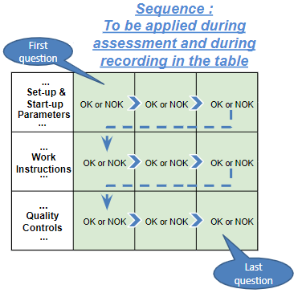
Silent Workstation observation for 10/15 min, to detect any potential Variability related to : - machine settings - operator activities - quality controls |  |  | StEDE3 Matrix Excellence Through Standards |  |  |  | EXISTING ? | DEPLOYED ? How were the users trained to apply this STANDARD ? ( including their Direct Manager if not the trainer ) | ENFORCED ? What is the Direct Manager of the users doing to ensure the strict and continuous EXECUTION of this STANDARD ?
 |  |  |  |  |  |  | Clear, Visible, Quantified, Doable. | Respected by users. Can be explained by users. | The Direct Manager checks on genba the respect of the standards and in case a gap is found an action is defined
 |  |  | For a given Process / Workstation : Are StANDARDS for… | … Set-up Parameters … |  | Parameters list, values and limits and necessary work instructions to set the machine/workstation up for production of the selected part number (to be compared with those used during the FDPR / IS) |  |  |  | 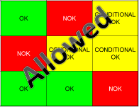
 |  |  |  | ... Work Instructions … |  | Instructions defining how to operate the station safely, to produce parts, and how to maintain the equipment. |  |  |  | 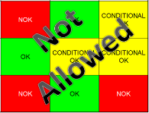
 |  |  |  | … Quality Controls … |  | Activities to control the quality of the operation or of the product after transformation to ensure only good parts are transferred to the next station |  |  |  | 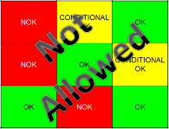

 | Conclusion :

Step 3 : Findings
StEDE3 Matrix Excellence Through Standards |  | EXISTING ? | DEPLOYED ? | ENFORCED ? |  | "Reduction of the variability in our processes, being production or administrative, is key to ensure the sustainability of any continuous improvement"
0 / 9 |  | Clear, Visible, Quantified, Doable. | Respected by users. Can be explained by users. | Audited by direct manager on Genba at a frequency defined based on frequency of usage of standard. | Category (Ex / Dep / Enf) | Findings and next steps |  |  | Owner | Date | Status | Is FMEA update required ? Yes / No | If "Yes", done date
For a given Process / Workstation : Are StANDARDS for… | ...Set-up Parameters … | 0 | 0 | #REF! |  | Finding #1 : Next step :

 |  |  |  |  |  | Finding #2 : Next step :

 |  |  |  |  |  | Finding #3 : Next step :

 | ... Work Instructions … | 0 | 0 | 0 |  | Finding #1 : Next step :

 |  |  |  |  |  | Finding #2 : Next step :

 |  |  |  |  |  | Finding #3 : Next step :

 | ...Quality Controls … | 0 | 0 | 0 |  | Finding #1 : Next step :

 |  |  |  |  |  | Finding #2 : Next step :

 |  |  |  |  |  | Finding #3 : Next step :

 | VALEO signature |  |  |  |  |  | SUPPLIER signature

