Quick Response
 |  |  |  |  |  |  | Customer 8D report

Customer plant |  |  | SIIX Hungary Kft |  |  |  |  | Supplier |  | AVO CARBON/SAME TUNISIA |  |  |  |  |  | Date of claim : | 2024-06-07
Customer contact |  |  | nikolett.racz@siix-global.com |  |  |  |  | SAP no. |  | 0 |  |  |  |  |  | Date of QR : | 2024-06-07
Claim reference |  |  | N° of Alert:QA-045 |  |  |  |  | Author |  | Mohamed Naili |  |  |  |  |  | Update of QR : | 2024-07-23
 |  |  |  |  |  |  |  |  |  |  |  |  |  |  |  |  |  |  | S2.Fo.S1.8
QUICK RESPONSE
- This document must be validated by Sceet within 24 hours after claim notification / Blue fields filled out by Sceet -

D 1. Description of the problem
 | 1.a What is the problem ? Use 5W+2H to describe what is the current situation.
 | Problem description |  |  | Tinning length on the coil is out of specification. Allowed size is 4-9 mm |  |  |  |  |  |  | What happened? |  |  |  | Detection of defected parts with tinning length out of specifications

 |  |  |  |  |  |  |  |  |  |  | Why is it a problem? |  |  |  | The tinning length is out of specifications

 | Part number |  |  | V02106995 |  |  |  |  |  |  | When did it happen? |  |  |  | 2024-06-07
 | Part description |  |  | IND HI CU RAD 6.8 uH 25A R26.5 D16.8x36 |  |  |  |  |  |  | Who detected it? |  |  |  | Costumer
 | Traceability of nok parts |  |  |  |  |  |  |  |  |  | Where was it detected? |  |  |  | SIIX Hungary plant
 | Recurrence |  |  | No |  |  |  |  |  |  | How was it detected? |  |  |  | Dimensional Measurement
 | Defect S/R |  |  | NA |  |  |  |  |  |  | How many parts ? |  |  |  | 4 parts

 | 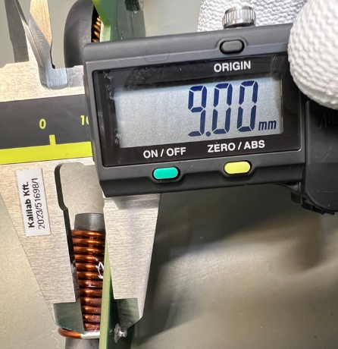 nok part picture / sketch |  | Bad Part : tinning lengt is out of drawing specification ( Allowed size is 4-9 mm) |  |  |  |  |  |  |  | ok part picture / sketch |  | Good Part : tinning lengt is compliant with the drawing specification ( Allowed size is 4-9 mm)
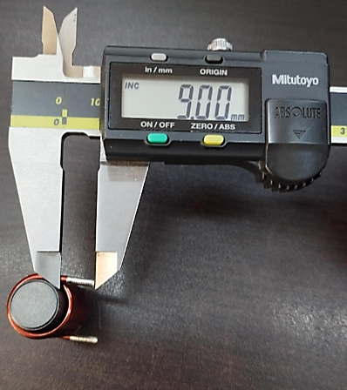

 |  |  |  |  | 

 | 1.b Problem solving team
 | Name |  |  |  | Position |  |  |  | Location |  |  | Telephone |  |  |  | Email
 | Slah S. |  |  |  | Quality engineer |  |  |  | Same Tunisia |  |  | 21658588814 |  |  |  | slah.saoudi@avocarbon.com
 | Nabil Z. |  |  |  | Production supervisor |  |  |  | Same Tunisia |  |  | 21658024950 |  |  |  | prod.same@avocarbon.com
 | Ibrahim A. |  |  |  | Quality process technician |  |  |  | Same Tunisia |  |  |  |  |  |  | qualite.same@avocarbon.com
 | Mortadha T. |  |  |  | Method engineer |  |  |  | Same Tunisia |  |  | 21655092279 |  |  |  | mortadha.touhemi@avocarbon.com
 | Mohamed BO. |  |  |  | Winding Area supervisor |  |  |  | Same Tunisia |  |  |  |  |  |  | bobinage.same@avocarbon.com
 | Wael Ch. |  |  |  | Chokes PLM |  |  |  | Same Tunisia |  |  | 21658049078 |  |  |  | wael.charaabi@avocarbon.com
 | Mohamed N. |  |  |  | Quality M |  |  |  | Same Tunisia |  |  | 21628373744 |  |  |  | mohamed.naili@avocarbon.com

 | 1.c Tool to use (defined by SAME)
 |  | X | Ishikawa | X | FTA | X | 5why's |  |  | Audit |  |  | Other
 | 1.d Problem description from customer / first analyse of problem / potential root causes
 | Variability on winding process

 | Samples of nok parts required at customer location |  |  |  |  |  |  |  |  |  |  |  |  | Express shipping customer account

D 2. Risk on similar products and processes |  |  |  |  |  |  |  |  | No
 | Can this defect happen on similar parts ? |  |  |  |  |  |  |  |  |  |  |  |  | Comments (compulsory if yes)
 | Other family product |  |  | No
 | Other machine |  |  | No
 | Other tooling |  |  | No
 | Other |  |  | NA

D 3. Containment |  |  |  |  |  |  |  |  |  |  |  |  | see sorting approval
 | What are the actions to detect all non-conforming parts in the process flow ?
 | Location in the process flow |  |  |  |  | Nb to be sorted |  |  | Nb parts sorted |  |  | Nb nok parts |  |  | ppm |  | Date |  | Resp.
 | Sorted parts in customer plant -SIIX |  |  |  |  | 17,332 |  |  | 17,332 |  |  | 582 |  |  | 33,580 |  | 2024-06-26 |  | Mohamed N.
 | Sorted parts in SAME plant |  |  |  |  | 5760 |  |  | 5760 |  |  | 48 |  |  | 8,333 |  | 2024-06-07 |  | Slah S.
 | Sorted parts in customer logistics platform- Trigo |  |  |  |  | 15120 |  |  | 8640 |  |  | 148 |  |  | 17,130 |  | 2024-07-23 |  | Mohamed N. (Trigo)
 | Sorted parts in customer logistics platform
 | Sorted parts after sales stocks
 | Sorted parts in transport
 | Parts at supplier / supplier platform
 | Parts at sub-supplier

 | How are the ok parts identified ? |  |  |  |  | -Special identification :
 | How are the ok paletts identified ? |  |  |  |  | 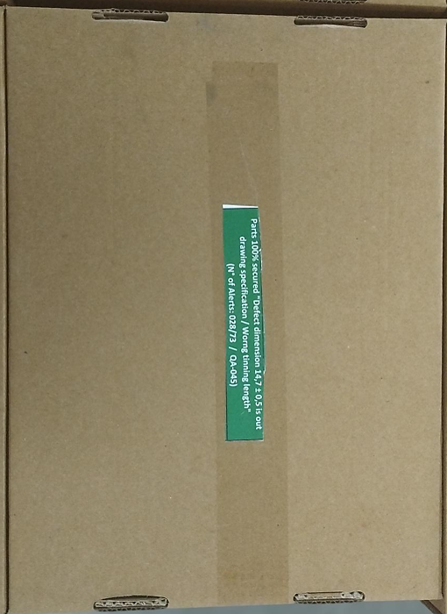 Special pallet identification:
 | First contained shipment information

 | What are the immediate actions to prevent production/delivery of nok parts ?
 | Actions |  |  |  |  |  |  |  |  |  |  |  | Who |  |  | Date |  | Where
 | Internal sorting for all quantity of ROD CHOKES located on FG warehouse |  |  |  |  |  |  |  |  |  |  |  | Slah S. |  |  | 2024-06-07 |  | SAME
 | QRQC meeting |  |  |  |  |  |  |  |  |  |  |  | Mohamed.N |  |  | 2024-06-07 |  | SAME
 | Quality alert at work area |  |  |  |  |  |  |  |  |  |  |  | Slah S. |  |  | 2024-06-07 |  | SAME
 | Prepare work instruction for tinning length inspection |  |  |  |  |  |  |  |  |  |  |  | Mortadha T. |  |  | 2024-06-07 |  | SAME

FTA
 |  |  |  | Factor Tree Analysis |  |  |  |  | SUPPLIER LOGO |  |  |  |  | Yes
Customer plant |  |  |  | Supplier | AVO CARBON/SAME TUNISIA |  |  | Date of claim | 2024-06-07 |  |  |  |  | No
Customer contact |  |  |  | SAP no. | 0 |  |  | Date of FTA | 2024-06-20
Claim reference |  |  |  | Author | Mohamed Naili |  |  | Update of FTA | 2024-07-23 |  |  |  |  | Doubt

Problem description: |  | Tinning length on the coil is out of specification. Allowed size is 4-9 mm
Factor Nb | Factors | Control point | Standard | OK parts | NOK parts | Std meet | Std OK | Action to reproduce the defect | Resp. | Date | Def. rep. | Direct link ?
OCCURENCE |  |  |  |  |  |  |  |  |  |  |  |  | Assignement
1 | Stripping process | Check conformity of stripping depth at SOP / EOP Check conformity of stripping length at SOP /EOP | Stripping depth = [1,87 to 1,94] (mm) Stripping length = [14 to 16] (mm) No stripping aspect issues (Varnish) | no stripping aspect issues (varnish) Stripping length (the sum of the two legs tinning area) < 18 mm | no stripping aspect issues (varnish) Stripping length (the sum of the two legs tinning area) < 18 mm | Yes | Yes | Evauate variability on stripping length | Slah S. | 2024-06-10 | No | No | No variability was detected in stripping process : stripping length still always in the fixed limits
2 | Slide of the wire during coil winding steps | wire holding system maintain wire steady during coil winding steps | wire do not slide when maintained by the cylinder and the beak of the spindle during coil winding steps | Tinning length of each leg < 9mm , the sum of tinning length of two legs <= 18mm |  Maxiumum tinning length measured fro each leg up to 9mm The sum of two leg tinning length <=18mm | No | No | Evaluate variability of tinning length variaility when bad holding of the wire durin coil winding steps | Wael CH. | 2024-06-25 | Yes | Yes | Tinning length issue occurs when bad holding - maintaining of the wire during coil winding steps
3
4
5
6

8
NON DETECTION
1 | Tinning length inspection at Final control work station | Check tinninng length of each leg at EOL WS | Check 100% with gauge the tinning length for each coil leg Tinning area must be from 4 to 9mm (operation #7) | 100% of coils with tinning length out oif specification are captured by gauge at EOL WS |  not all coils with tinning length out of specification are captured at EOL WS (bad parts with tinning length > 9mm are captured at customer plant) | No | Yes | Evaluate detection of bad parts at EOL WS | Slah S. | 2024-07-10 | Yes | Yes | 2 parts from 12 parts with tinning length up to 9mm was not captured at EOL WS
2 | Detection with measurement devices | Check conformity of tinning length with gauge | Tinning length is checked by gauge at coil winding process step | Coils with tinning length out of specification are 100% captured by gauge | Coils with tinning length out of specifications are 100% captured by gauge | Yes | Yes
3 | Bad SOP validation | Check tinning length conformity at SOP validation | Tinning length <= 9mm Tinning length is Checked by gauge | Tinning length measured on SOP validation parts < 9mm | Tinning length measured on SOP validation parts < 9mm | Yes | Yes
4 | Tinning length monnitoring process | check the conformity of parts at SOP - EOP Check stability of the proocess Each 4 hours process is always under control | Tinning length is checked at SOP - EOP Each 4 hours by SPC Process capability Cp/Cpk > 1.67 / 2 When deviation accors, process is stopped before producing bad parts | 100% of parts produced are with Tinning length is under specification when deviation of tinning length process occur. production is stopped and adjustement is done | 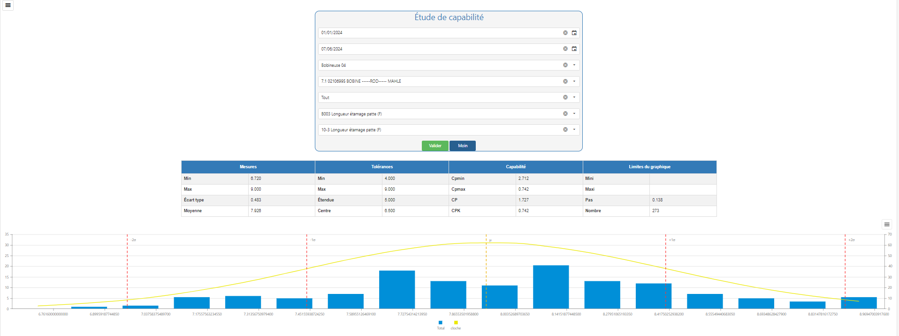 tinning length Process deviation is not captured when applying monitoring process Cp =1,727 Cpk = 0,742 | Yes | No | check 100% of tinning length variability during 2 hours of prouction | Slah S. | 03/07/204 | Yes | Yes | 15 parts from 960 pcs with tinning length out of specification was detected during production of 2 hours

 |  |  |  |  |  |  |  |  |  |  |  | All validated causes (direct link or doubt) must lead to a 5 Why's analysis

Winding SOP validation update
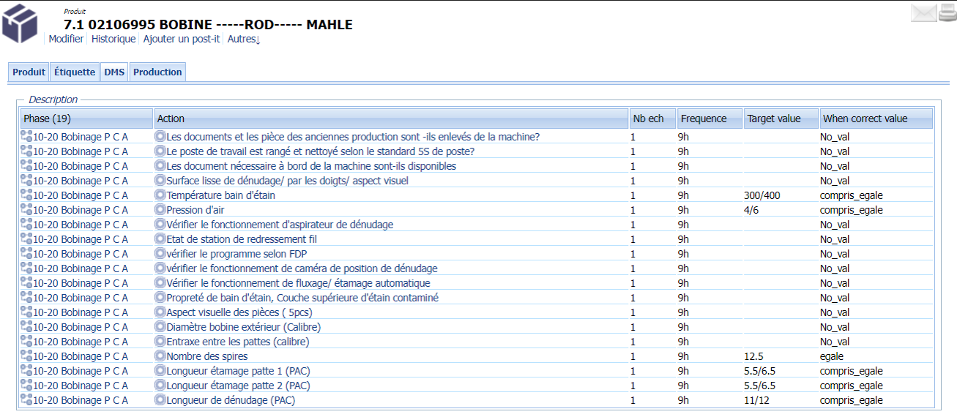
Tinning length and stripping length update on internal ERP

LLC
 |  |  | Lesson Learned Card |  |  |  |  |  | SUPPLIER LOGO

Customer plant |  | #REF! |  | Supplier |  | #REF! |  | LLC Type | Detection | Logistics
Claim reference |  | #REF! |  | Author |  |  |  |  | Occurrence | Process
Date of incident |  | #REF! |  | Date of LLC |  |  |  |  | Management | Product

1. WHAT WAS THE PROBLEM? (5W + 2H) |  |  |  |  |  | 2. WHAT IS THE CAUSE?
What happened ?
#REF!
Why it is a problem ?
#REF!
When did it happen ?
#REF!
Who has detected it ?
#REF!
Where has been detected ?
#REF!
How has it been detected ?
#REF!
How many ?
#REF!

3. DESCRIPTION OF THE APPLIED MODIFICATION
BEFORE |  |  |  |  |  | AFTER
Add a picture or a descriptive graph which explains the conditions that led to the problem |  |  |  |  |  | Add a picture or a descriptive graph which explains the countermeasure on the part/process IMPORTANT : "AFTER" picture or graph should be SIMILAR (same point of view, same size) to "BEFORE" picture
Bad part
Good part
4) WHAT WE LEARNED?
ERADICATION What is the countermeasure that was put in place to avoid recurrence ? |  |  |  | CHECKING What is the method (who, what, how) for the countermeasures? |  |  |  | SIGNALING What is the countermeasure supposed to do or make or hightlight when detecting a non conformity ?

5. WHAT HAS BEEN MODIFIED ?
a. Proces is modified according to Before/ After sheet | b. All documents have been updated and has been validated with the operators | c. Procedures and work instructions | d. Control Plan and PFMEA | e. Maintenance instructions | f. Records (start-up checklists, reaction sheets, preventive maintenance...) | g. Visual aids are posted | h. Operators and other functions are trained | i. Proof of training is avalaible (records,5 ' meeting) | j. Operators can correctly describe what they must do | k. Other: | l. Other:

6. POTENTIAL APPLICABILITY
Product :
Line / process :
Plant :

