Quick Response
QUICK RESPONSE PDCA
VIM Data |  |  |  |  |  |  |  |  |  |  |  |  |  |  |  |  |  | 2
 |  | Valeo Contact name [1] |  |  |  |  | INCIDENT CATEGORY [3] |  |  |  |  |  | Which LLC was already issued on similar problem? [21]
 |  | Richard Fernandes Site SQA Engineer Technician - VWS E-mail: richard.fernandes@valeo.com Office Number: +55 19 3322-3441 |  |  |  |  |  | C1 |  |  | CP1 |  | Occurrence 1) Update the setting instruction to use only the brush and the brush box (without backilte )for all electrode change setting & running-in 2) Create a new standard of new electrod running-in and require the using of the component ( braid and brushbox) (without backilite) 3) Implement a Poka Yoké to stop the welding machine when welding time is out of spec( welding time>5 period) 4) Setting up a temporisator relay to lock the double tap 5) Train the operator on the respect of the standard and product Non detection 1) Update the setting instruction to validate the electrod change by Quality agent 2) Define an acceptance creteria's for authorized cutted wire during welding by DOE (30A during 06min) with min max parameters and pull off test 3) Weekly Audit the respect of the standrad with specific checklist connect to the procedure N°S8.In.S1.04 Motivation
 |  |  |  |  |  |  |  | C1WR |  |  | CP2
 |  |  |  |  |  |  |  | C2 |  |  | CA
 |  | PRODUCT (Designation + Ref) [2]
 |  |  |  |  |  |  | SUPPLIER INCIDENT DETAILS
 |  | PN: W000035923 / Description: BRUSH CARD MNG2 e MNG2E 2L+2C / Supplier: AVO CARBON FRANCE / Project: Fiat 2810 (Mobi) |  |  |  |  | Valeo SRM Incident Number |  |  | VWS-W10CAM1-2509-007
 |  |  |  |  |  |  | Date and Time of Valeo Notification |  | 30/09/2025 - 12:00pm | Date and Time of Customer Notification |  | 25/08/2025 - 10:30 am

 | WHAT IS THE PROBLEM ? > Use 5W + 2H to know what is the Current Situation ? |  |  |  |  |  |  |  |  |  |  |  | First findings after incident notification [22]
 | 5W2H |  |  |  |  |  | CHARACTERIZATION |  |  |  |  |  |  | Real data ? ( please identify the involved standards ) |  | Factor(s) to include in FTA Occ or FTA Non Det
 | WHAT happened? [4] | Inoperative front wiper Linkage Vehicle/Engine: 341 - FIAT Mobi/VIN: 9BD341ACSSY998980 Customer View: Front wiper linkage doesn't work in both speeds (low and high) Valeo View: Front wiper linkage doesn't work in both speeds (low and high). During the tear down, one of the negative brush cage lead wires was found broken/oxidized, and a failure of the brush advance was also identified upon removing the armature, which could indicate a possible internal spring defect. Analyzing specifically this point, our understanding of the failure mechanism is that, due to the breakage of the brushbox braid, overheating (visible when comparing the negative brush with the others) occurred in the area, causing the spring to lose its elastic properties, thus preventing the brush from advancing during motor disassembly. Aditional Information: Date of Start Warranty: Dez 27th, 2024 / (Service order date): May 12nd, 2025 / Vehicle mileage:10,874Km |  |  |  |  | What is the difference between good and bad parts? [11] |  | Standdard : Braids of the MNG2 brushcard not cutted Goodpart: Braid of the GND brushbox not cutted near to the welding point Bad part: Braid of the GND brushbox is cutted near to the welding point Waiting for the bad part reception to confirm |  |  |  | 1/ ... in the MACHINE SETTINGS [23], e.g. parameters list and values, setup records
 | WHY is it a problem? [5] | It isn't possible to wipe the windshield |  |  |  |  | Was part produced in the standard process? [12] |  | The part was produced in the normal process No deviation found vs the standard |  |  |  | 2/ ... in the OPERATIONS [24], e.g. QRAP, OK start, shift, operator, maintenance, breakdowns, cavities, tools, 5S,
 | WHEN detected [6] | May 12nd, 2025 |  |  |  |  | When was it manufactured at Supplier? [13] |  | 22/07/2024, monring shift
 |  |  |  |  |  |  |  |  |  |  |  |  | 3/ ... in the QUALITY CONTROLS [25], e.g. inspection records, control means, line rejects
 | WHO detected? [7] | End user |  |  |  |  | Who manufactured? [14] |  | Supervisor: Chouedhi Nizar Quality technicien: Ben Amor Zohra Welding operator1: 2256 ARFAOUI HEDIA --> level B Welding operator2: 4196 IBRAHIM SIWAR --> level B Final control: 1542 BOUDGUIGUA MADIHA --> level B Level B is the level requested
 | (name of operator)
 | WHERE detected? [8] | Dealer company (City: Santos, SP - Brazil) |  |  |  |  | In which other application or processes product is used? [15] |  | Only Mng2: W151616/W000083732/W00005880/W000037335/W000035924 |  |  |  | 4/ ... in the RAW MATERIAL [26], e.g. component lots, suppliers, tools, cavities
 | HOW detected? [9] | It was detected in the field by final customer and confirmed by the FIAT Dealer. Vehicle data: Warranty Start date: 27 December 2024 / Repair date: 12 May 2025 / KM: 10.874 / 5 MIS / VIN: 9BD341ACSSY998980. |  |  |  |  | Are we capturing the defect when reinjecting product in normal process? [16] |  | Waiting for reception of the bad part by the similar defect of the claim VWS-W11CHA1-2502-007 the part is detected in the line, if the brains is cut we detect but if not is not detected by the electrical test 1- Electrical test => detected 2- Final visual control and CSL1 => Detected
 |  |  |  |  |  |  |  |  |  |  |  |  | 5/ ...in the PROJECT ACTIVITY [27], e.g. DV/PV records
 | HOW MANY bad parts? [10] | 1 |  |  |  |  | Did a similar problem happen previously at customer or internally? [17] |  | 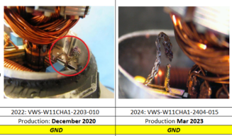 Yes, VWS-W11CHA1-2502-007 VWS-W11CHA1-2404-015 VWS-W11CHA1-2203-010

 | BAD PART [18] |  |  |  |  |  | GOOD PART [19] |  |  |  |  |  | WHAT ARE THE IMMEDIATE COUNTERMEASURES (24 hours)?
 |  | 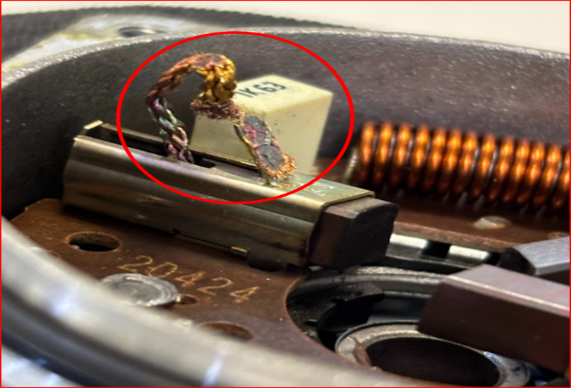 |  |  |  |  |  |  | 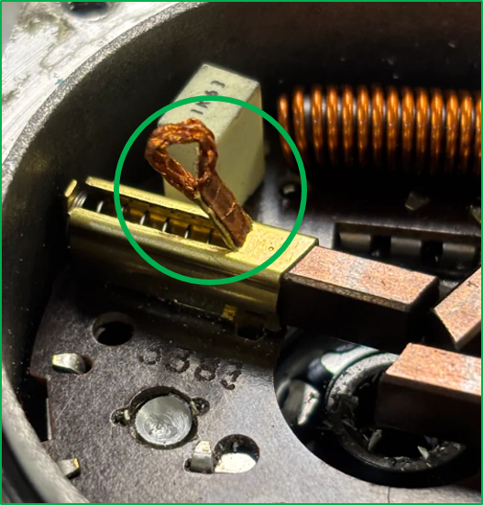

 |  |  |  |  |  |  |  |  |  |  |  |  | 1. IMMEDIATE COUNTERMEASURES IN SUPPLIER PERIMETER ? [31] |  | WHO | DATE | WHERE

 |  |  |  |  |  |  |  |  |  |  |  |  | Display the quality alert in the production line |  | Abir C | 2025-09-04 | MNG2 line

 |  |  |  |  |  |  |  |  |  |  |  |  | Check the corrective action of the last claim |  | Lassaad C | 2025-09-04 | MNG2 line

 |  |  |  |  |  |  |  |  | Origin of the part | The origin of the Good Part is from: ASN: 0182643105 / Invoice: 20672

 | SORTING ACTIVITY to protect customer [20]

 |  |  | Nb. NG Parts | Nb. Sorted |  | PPM |  | Sorting date | WHO |  | Identification OK parts |  | 2. IMMEDIATE COUNTERMEASURES IN VALEO LINE ? [32] |  | WHO | DATE | WHERE
 | -Results of sorting in Valeo's Customer plant |  | 0 | 0 | = | '----' | PPM | - | - |  | No sorting activity launched
 | -Results of sorting in Valeo Plant |  | 0 | 0 | = | '----' | PPM | - | - |  | No sorting activity launched |  | Requested the claimed part to Fiat for analysis |  | Gabriel Pego | 25/08/2025 | INFO
 | -Results of sorting in Other Valeo Plants |  | 0 | 0 |  | '----' | PPM
 | -Results of sorting in Transport |  | 0 | 0 | = | '----' | PPM |  |  |  |  |  | Made the analysis in the claimed part |  | Gabriel Pego | 04/09/2025 | Valeo Campinas
 | -Results of sorting in Valeo's Logistics platform |  | 0 | 0 |  | '----' | PPM
 | -Results of sorting in Supplier's Logistics platform |  |  |  | = | '----' | PPM |  |  |  |  |  | Notified supplier AVO Carbon about the issue |  | Richard Fernandes | 2025-09-04 | INFO
 | -Results of sorting in Supplier plant |  |  |  |  | '----' | PPM
 | -Results of sorting in after-sales stocks |  |  |  | = | '----' | PPM
 | TOTAL SORTING |  | 0 | 0 | = | '----' | PPM |  |  |  |  |  | Sent the claimed part to AVO Carbon in order to help them with the root cause analysis - DHL Waybill number - 7571973743 |  | Bruna Tukada | 2025-09-26 | INFO

 | Production dates of sorted parts | From | To |  |  |  |  | First certified good shipment: |  | Label's Number |  | Date | Claimed part were delivered to AVO |  | DHL | 2025-09-29 | INFO
 |  | - | - |  |  |  |  |  |  | 20250327 |  | 2025-03-27
 | Period of NG parts | Earliest NG part Date | Latest NG part Date |  |  |  |  |  |  | Identification OK parts / OK pallets
 |  |  | 2025-03-26 |  |  |  |  |  |  | the corrective actions were implemented on 27/03/2025

 | VALEO CAN DETECT THE DEFECT ON THE PRODUCTION LINE AT 100% (YES/NO) ? |  |  |  |  |  |  |  |  | If not, Supplier must set up a control at 100% on the Valeo line

Assign
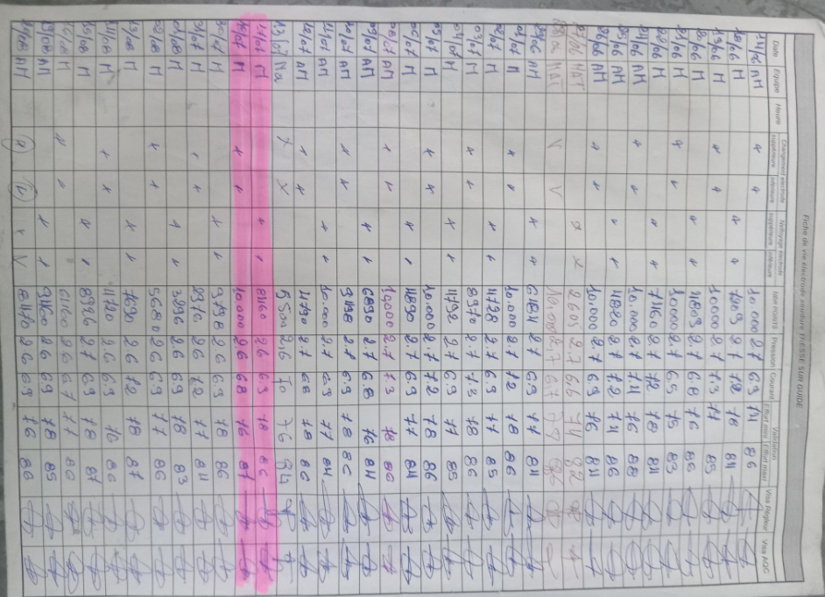
ASSIGNMENT / BREAKDOWN
N° | ASSIGNMENT [1] | RESULTS [2] | WHO [3] | Due date [4] | Done date [5]
1 | Request the bad part | Bad part in transit, will arrive on next Tuesday 07/10/2025 | Nihed N | 2025-09-30 | 2025-09-30
2 | Check the tracebility of the production date, special events | part produced on No special events | Lassaad C | 2025-09-04 | 2025-09-04
3 | Check the traceability of the electrode change | No electrode change on 22/07/2025, but the follow up is validated only by the quality technicien instead of the supervisor | Lassaad C | 2025-09-30 | 2025-09-30
4 | Create the timeline of this defect & the corrective action |  | Lassaad C | 2025-10-01 | 2025-10-01
5 | Check the quantity produced before 27/03/2025 |  | Lassaad C | 2025-10-01
6
7
8
9
10
11
12
13
14
15
16
17
18
19
20
21
22
23
24
25
26
27
28
29
30

Timeline
TIMELINE [1]

RISKY WINDOW

Week / Date |  | 2024-07-18 |  | 2024-07-22 |  | 2025-02-26 |  | 2025-03-27 |  | 2025-03-28 |  | 2025-09-30
Qty produced |  | 4,412 |  | 4,779
Qty NOK detected [2] |  | 1 |  | 1 |  | 1 |  |  |  |  |  | 1
Defect rate (ppm)* |  | 227 |  | 209
* If you have ppm chart available, it can be pasted below

 | Production date Customer claim VWS-W11CHA1-2502-007 |  | Production date Customer claim VWS-W10CAM1-2509-007 |  | Notification date Customer claim VWS-W11CHA1-2502-007 |  | Corrective action Update the setting instruction to use only the brush and the brush box (without backilte )for all electrode change setting & running-in |  | Corrective action Create a new standard of new electrod running-in and require the using of the component ( braid and brushbox) (without backilite) |  | Production date Customer claim VWS-W10CAM1-2509-007

DEFECT RATE (PPM)

SQA Genba Check
 |  | Genba Check StEDE PDCA Genba Check Efficiency control - StEDE3 workstation assesment

 | Supplier Name |  |  | StEDE PDCA Genba Check |  |  |  |  |  |  |  | EFFICIENCY CONTROL |  | StEDE3 Workstation assesment result
 | Supplier Location
 | Audit date
 | Auditor name |  |  |  |  |  |  |  |  |  |  | Number of parts since actions are in place
 | Incident number | Root cause | Nb | Action: TECHNICAL / SYSTEMIC CORRECTIVE ACTION | Existence: STANDARD NUMBER REVISION LEVEL | Deployment: Are ALL users including their N+1 (Direct Manager) trained to use this STANDARD ? Yes / No | Enforcement: Is there an ENFORCEMENT plan for the N+1 ( Direct manager ) to ensure the respect of this STANDARD ? Yes / No | Action | Existence | Deployment | Enforcement | Produced | Bad parts | StEDE 3 Workstation assesment result
TECHNICAL / SYSTEMIC CORRECTIVE ACTION - OCCURRENCE | VWS-W10CAM1-2509-007 |  | 1
 | Confirmed on Genba: Supplier / Valeo SQA: Y/N
 | VWS-W10CAM1-2509-007 |  | 2
 | Confirmed on Genba: Supplier / Valeo SQA: Y/N
 | VWS-W10CAM1-2509-007 |  | 3
 | Confirmed on Genba: Supplier / Valeo SQA: Y/N
 | VWS-W10CAM1-2509-007 |  | 4
 | Confirmed on Genba: Supplier / Valeo SQA: Y/N
 | VWS-W10CAM1-2509-007 |  | 5
 | Confirmed on Genba: Supplier / Valeo SQA: Y/N
 | VWS-W10CAM1-2509-007 |  | 6
 | Confirmed on Genba: Supplier / Valeo SQA: Y/N
 | VWS-W10CAM1-2509-007 |  | 7
 | Confirmed on Genba: Supplier / Valeo SQA: Y/N
 | VWS-W10CAM1-2509-007 |  | 8
 | Confirmed on Genba: Supplier / Valeo SQA: Y/N
 | VWS-W10CAM1-2509-007 |  | 9
 | Confirmed on Genba: Supplier / Valeo SQA: Y/N
 | VWS-W10CAM1-2509-007 |  | 10
 | Confirmed on Genba: Supplier / Valeo SQA: Y/N

TECHNICAL / SYSTEMIC CORRECTIVE ACTION - NON DETECTION | VWS-W10CAM1-2509-007 |  | 11
 | Confirmed on Genba: Supplier / Valeo SQA: Y/N |  |  |  |  |  |  |  |  |  |  |  |  |  | ok | ok
 | VWS-W10CAM1-2509-007 |  | 12 |  |  |  |  |  |  |  |  |  |  |  | nok | nok
 | Confirmed on Genba: Supplier / Valeo SQA: Y/N |  |  |  |  |  |  |  |  |  |  |  |  |  | conditional ok | conditional ok
 | VWS-W10CAM1-2509-007 |  | 13
 | Confirmed on Genba: Supplier / Valeo SQA: Y/N
 | VWS-W10CAM1-2509-007 |  | 14
 | Confirmed on Genba: Supplier / Valeo SQA: Y/N
 | VWS-W10CAM1-2509-007 |  | 15
 | Confirmed on Genba: Supplier / Valeo SQA: Y/N
 | VWS-W10CAM1-2509-007 |  | 16
 | Confirmed on Genba: Supplier / Valeo SQA: Y/N
 | VWS-W10CAM1-2509-007 |  | 17
 | Confirmed on Genba: Supplier / Valeo SQA: Y/N
 | VWS-W10CAM1-2509-007 |  | 18
 | Confirmed on Genba: Supplier / Valeo SQA: Y/N
 | VWS-W10CAM1-2509-007 |  | 19
 | Confirmed on Genba: Supplier / Valeo SQA: Y/N
 | VWS-W10CAM1-2509-007 |  | 20
 | Confirmed on Genba: Supplier / Valeo SQA: Y/N

 |  |  |  |  |  |  |  | Actions to be defined for "NOK" cells (above) |  |  |  | StEDE3 result (lowest score of cells above) |  | 0

 |  |  |  |  |  |  |  | Genba Check rate

 |  |  |  | Actions plan for "No" answer to StEDE PDCA Genba check
 |  |  | Nb | Action | Action | Action | Action | Who | When | Done date
 |  | TECHNICAL / SYSTEMIC CORRECTIVE ACTION - OCCURRENCE | 1

 |  |  | 2

 |  |  | 3

 |  |  | 4

 |  |  | 5

 |  |  | 6

 |  |  | 7

 |  |  | 8

 |  |  | 9

 |  |  | 10

 |  | TECHNICAL / SYSTEMIC CORRECTIVE ACTION - NON DETECTION | 11

 |  |  | 12

 |  |  | 13

 |  |  | 14

 |  |  | 15

 |  |  | 16

 |  |  | 17

 |  |  | 18

 |  |  | 19

 |  |  | 20

StEDE3 Matrix
 | StEDE3 Workstation Assessment v2.5
 |  |  |  |  |  |  | 0

Supplier :
Plant location :
Assessment date : |  |  | StEDE3 ASSESSMENT RESULT : |  |  |  | 0/ 9
Workstation assessed :
Assessor / Company
Setter :
Operator : |  |  |  |  |  |  | For supplier self assesment activity, column to be assessed by:
Step 1 : 360° Variability Hunting |  |  | Step 2 : StEDE3 Matrix |  |  |  | Direct Manager of the user |  | Manager from an other APU/Department

Silent Workstation observation for 10/15 min, to detect any potential Variability related to : - machine settings - operator activities - quality controls |  |  | StEDE3 Matrix Excellence Through Standards |  |  |  | EXISTING ? | DEPLOYED ? How were the users trained to apply this STANDARD ? ( including their Direct Manager if not the trainer ) | ENFORCED ? What is the Direct Manager of the users doing to ensure the strict and continuous EXECUTION of this STANDARD ?
 |  |  |  |  |  |  | Clear, Visible, Quantified, Doable. | Respected by users. Can be explained by users. | The Direct Manager checks on genba the respect of the standards and in case a gap is found an action is defined
 |  |  | For a given Process / Workstation : Are StANDARDS for… | … Set-up Parameters … |  | Parameters list, values and limits and necessary work instructions to set the machine/workstation up for production of the selected part number (to be compared with those used during the FDPR / IS) |  |  |  | 
 |  |  |  | ... Work Instructions … |  | Instructions defining how to operate the station safely, to produce parts, and how to maintain the equipment. |  |  |  | 
 |  |  |  | … Quality Controls … |  | Activities to control the quality of the operation or of the product after transformation to ensure only good parts are transferred to the next station |  |  |  | 

 | Conclusion :

Step 3 : Findings
StEDE3 Matrix Excellence Through Standards |  | EXISTING ? | DEPLOYED ? | ENFORCED ? |  | "Reduction of the variability in our processes, being production or administrative, is key to ensure the sustainability of any continuous improvement"
0 / 9 |  | Clear, Visible, Quantified, Doable. | Respected by users. Can be explained by users. | Audited by direct manager on Genba at a frequency defined based on frequency of usage of standard. | Category (Ex / Dep / Enf) | Findings and next steps |  |  | Owner | Date | Status | Is FMEA update required ? Yes / No | If "Yes", done date
For a given Process / Workstation : Are StANDARDS for… | ...Set-up Parameters … | 0 | 0 | #REF! |  | Finding #1 : Next step :

 |  |  |  |  |  | Finding #2 : Next step :

 |  |  |  |  |  | Finding #3 : Next step :

 | ... Work Instructions … | 0 | 0 | 0 |  | Finding #1 : Next step :

 |  |  |  |  |  | Finding #2 : Next step :

 |  |  |  |  |  | Finding #3 : Next step :

 | ...Quality Controls … | 0 | 0 | 0 |  | Finding #1 : Next step :

 |  |  |  |  |  | Finding #2 : Next step :

 |  |  |  |  |  | Finding #3 : Next step :

 | VALEO signature |  |  |  |  |  | SUPPLIER signature

