QCR
 |  |  |  |  |  |  |  |  |  |  | Assymex Monterrey S.A. de C.V.

QUALITY CONTROL REPORT (10D)

QCR |  | 18763 |  |  |  |  |  | Date: |  |  |  |  | 2024-07-18
AssyMex Contact / Title: |  | Daniel Morales |  |  |  |  |  | Supplier Contact / Title: |  |  |  |  | Martín Sosa / SQE
Contact Phone: |  | 8128607691 |  |  |  |  |  | Contact Phone: |  |  |  |  | N/A
Email: |  | daniel.morales@avcarbon.com |  |  |  |  |  | Contact Email: |  |  |  |  | martin_sosa@tricoplastic.com

ONLY FILL THIS SECTION FOR INTERNAL SITUATIONS DETECTED AT ASSYMEX PLANT

 |  | INTERNAL PPM |  |  |  |  |  |  | INTERNAL AUDIT BY IATF

 |  | EXTERNAL AUDIT BY CUSTOMER |  |  |  |  |  |  | INTERNAL METRIC:

 |  | EXTERNAL AUDIT BY IATF |  |  |  |  |  |  | OTHER:

ONLY FILL THIS SECTION FOR QUALITY PROBLEMS DETECTED WITH CUSTOMER

 |  | Level 1 - Customer Return - Immediate containment actions are required for all In House and Incoming stock
 |  | within 24 hrs. Product Return Approval (RMA) may be necessary.
 |  | Description of Root Cause & Corrective Action Plan are mandatory within 5 days.

 |  | Level 2 - Quality Rejection - Immediate containment actions are required for all In House and Incoming stock
 |  | within 24 hrs. Product Return Approval (RMA) may be necessary.
 |  | Description of Root Cause & Corrective Action Plan are mandatory within 5 days.

 |  | Level 3 - Quality Concern - Description of Root Cause & Corrective Action Plan are mandatory within 5 days.
 |  | All Incoming stock 100% certified.

 |  | Level 4 - Notification - All Incoming stock 100% certified.

WHAT IS THE PROBLEM ? > Use 4W + 2H to know what is the Current Situation ? Customer View and AssyMex View

- What happened? Description of the Problem |  | Innoperative motor caused for short circuit between housing and low speed |  |  |  |  |  |  |  | - Why is it a problem? |  | Low performance of motor with final customer

Solder burr in tower over plastic tower
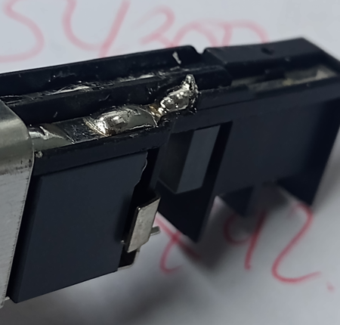
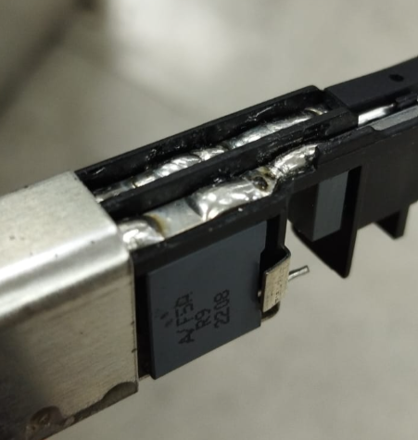
Soldering in tower without burrs
BAD PART |  |  |  |  |  |  |  |  |  | GOOD PART

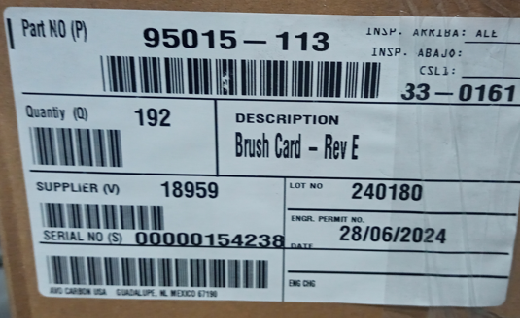

- When it happened? Date: dd-mm-yyyy |  | 2024-07-17 |  |  |  |  |  |  | - Where detected? Incoming, Production Line, Customer, Warranty, etc. |  |  | Customer production line

- How detected? |  | Energizing the motor |  |  |  |  |  |  | - How many bad parts? |  |  | 4

Additional Information for Customer

Customer Part Number: |  | 95015-113 |  |  |  |  |  |  |  | AssyMex Part Number: |  |  | 33-0161
Customer Lot Number: |  | 2024-06-28 |  |  |  |  |  |  |  | AssyMex Lot Number: |  |  | 180 (28/07/24)
 |  |  |  |  |  |  |  |  |  | Additional Information:

Customer Inventory: |  | 3,000 |  |  |  |  |  |  |  | AssyMex Inventory: |  |  | 1344
In Transit Inventory: |  | 0 |  |  |  |  |  | Logistic Platform Inventory:

Material Disposition

 |  | Return to Supplier. |  |  |  |  |  | Sort by Supplier. |  |  |  |  |  | Sort / Rework by External Company
 |  | RMA # |  |  |  |  |  |  |  |  |  |  |  | WO #

 |  | Scrap. Supplier's expense. |  |  |  |  |  | Use as received |  |  |  |  |  | Sort / Rework by AssyMex
 |  |  |  |  |  |  |  |  |  |  |  |  |  | WO #

CORRECTIVE ACTION REPORT - 10D REPORT

1.- | Problem Solving Team Members

 | Leader: | Daniel Morales |  |  |  |  |  | Title: | Quality Engineer |  |  |  |  | Phone:

 | Email: | daniel.morales@avocarbon.com |  |  |  |  |  | Fax: | N/A |  |  |  |  | Mobile:

 | Group: | Orlando Salaza, Ramses Rendon

2.- | Describe the Problem

 | Innoperative motor caused for short circuit between housing and low speed

 | - Was part reworked by supplier ? |  |  | NO |  |  |  |  |  | - When was it manufactured ? |  |  |  | Jun-24

 | - Are we capturing the defect when reinjecting product in normal process ? If YES, explain how ? |  |  | Yes, in electrical tester |  |  |  |  |  | - Did a similar problem happen previously at AssyMex or internally ? If YES, when ? |  |  |  | Yes, 2022

3.- | Immediate Countermeasures / Problem Containment ? (24 hours)

IMMEDIATE COUNTERMEASURES IN SUPPLIER PERIMETER |  |  |  |  |  |  |  |  | RESPONSIBLE |  |  | DATE |  |  | WHERE?

Verify visually than soldering in tower has not solder burrs over the plastic tower |  |  |  |  |  |  |  |  | Sortech |  |  | 2024-07-18 |  |  | Sortetch

IMMEDIATE COUNTERMEASURES IN AssyMex PERIMETER |  |  |  |  |  |  |  |  | RESPONSIBLE |  |  | DATE |  |  | WHERE?

Verify visually than soldering in tower has not solder burrs over the plastic tower |  |  |  |  |  |  |  |  | Sughey Rangel |  |  | 2024-07-18 |  |  | AssyMex plant

Sorting Activity >> by Supplier

Certification label per box
 |  |  | Total Sorted |  | Total Bad Parts |  | PPM |  |  | Sorting Date | Responsible |  | Identification of OK Parts
- Suspect Inventory in Customer plant : |  |  | 3000 |  | 3 | = | 1000
- Suspect Inventory in AssyMex plant : |  |  | 1344 |  | 0 | = | '----'
- Suspect Inventory in Transit : |  |  | NA |  |  | = | '----'
- Suspect Inventory in Logistic platform : |  |  | NA |  |  | = | '----'
- Suspect Inventory in Supplier plant : |  |  | 0 |  | 0 | = | '----'

- Production dates of sorted parts: |  |  | From: |  |  | To: |  |  |  |  |  | First Certified Good Shipment |  |  | Lot Number:
 |  |  | 2024-07-10 |  |  | 2024-07-17 |  |  |  |  |  |  |  |  | 170724
- Production dates of bad parts: |  |  | Oldest part: |  |  | Most recent part: |  |  |  |  |  |  |  |  | Date:
 |  |  | 2024-06-28 |  |  | 2024-06-28 |  |  |  |  |  |  |  |  | 1707/24

4,1.- | Analysis and Root Cause - Ocurrence

Method
Man power
Enviromental

Low skills to solder for operator
Variation in the method of applying soldering for operators (Double cycle)
Lack of lighting

Operators without training

Solder burr over the plastic tower

Worn soldering iron tip
Incorrect soldering tin
Low temperature of soldering iron
Contaminated soldering tin

Contaminated tower (leadframe)
Incorrect soldering iron tip

Machine
Material
Measurements

5 x Why Analysis Form - Ocurrences Why did it happen?

LOW TEMPERATURE OF SOLDERING IRON

1st Why? |  | Question: Why was the soldering iron operating at low soldering temperature?
 |  | Answer: Because the resistor was not heating the soldering iron tip correctly.
2nd Why? |  | Question: Why was the resistor not heating the soldering iron tip correctly?
 |  | Answer: Because the tip does not make correct contact with the heating element to heat up
3rd Why? |  | Question : Why the tip does not make proper contact with the heating element to heat up?
 |  | Answer: Because there is a GAP between the soldering iron tip and the resistor.
4th Why? |  | Question: Why is there a GAP between the soldering iron tip and the resistor?
 |  | Answer: Because the thread connecting the soldering iron tip to the resistor has worn down during use.
5th Why? |  | Question: Why did the thread that connects the soldering iron tip to the resistor became worn down during use?
 |  | Answer: Because it was worn down
Specific root cause |  | Question:Why it was worn down?
 |  | Answer: The soldering iron worked more than its shelf time because it was not set in the daily Set-Up.

4,2 .- | Analysis and Root Cause - Non Detection

Method
Man power
Enviromental

Insuficcient lighting in final inspection
Low skills to inspect material for final inspector
Condition is not verified during the final inspection

Part was not detected during the assymex process

Tester not judge a part with burr over the plastic

The fixture doesn't work correclty

Machine
Material
Measurements

5 x Why Analysis Form - Non-Detection Why did the non-conformity escape?

Condition is not verified during the final inspection

1st Why? |  | Question: Why the condition was not verified at the final inspection? |  |  | 1st Why?
 |  | Answer: The operator is unknown about the condition to be inspected.
2nd Why? |  | Question: Because in the work instruction the defect was not mentioned. |  |  | 2nd Why?
 |  | Answer: Why was the defect not mentioned in their work instruction?
3rd Why? |  | Question: Because this type of failure is not considered in the PFMEA. |  |  | 3rd Why?

4th Why? |  |  |  |  | 4th Why? |  | Question:
 |  |  |  |  |  |  | Answer:
5th Why? |  |  |  |  | 5th Why? |  | Question:
 |  | Answer: |  |  |  |  | Answer:

5.- | Corrective Action

 | To Eliminate Occurrence of the Problem:
 | Corrective Action |  |  |  |  | Expected result efficiency |  |  |  |  |  |  | Who | Due Date | Done Date
 | Change damage soldering iron |  |  |  |  | Eliminate conditon of burr |  |  |  |  |  |  | Orlando Salazar | 18-Jul-24 | 18-Jul-24
 | Update set up register sheet (Add verification of soldering iron) |  |  |  |  | Defect does not return |  |  |  |  |  |  | Ramsés Rendón | 2-Aug-24 | 2-Aug-24
 | Update work instruction (Verification of soldering iron during the operation) |  |  |  |  | Defect does not return |  |  |  |  |  |  | Sughey Rangel | 2-Aug-24 | 2-Aug-24

 | To Improve Detection of the Problem:
 | Corrective Action |  |  |  |  | Expected result efficiency |  |  |  |  |  |  | Who | Due Date | Done Date
 | Update inspection instruction to verify the soldering burrs is not over the plastic tower |  |  |  |  | Avoid scapes to customer |  |  |  |  |  |  | Sughey Rangel | 2-Aug-24 | 2-Aug-24
 | Create gage to verify that soldering in tower has not burr |  |  |  |  | Avoid scapes to customer |  |  |  |  |  |  | Alicio flores | 9-Aug-24 | 9-Aug-24

6,1.- | Implement and Verify Corrective Action - Occurences

Checks | CONFIRMATION CHECKS |  |  |  |  |  |  |  |  | CHECK QUALITY PER SHIFT

 |  |  |  |  |  |  |  |  |  | 1st |  | 2nd |  |  | 3rd

Confirmation of Influent Factors |  |  |  |  |  |  |  |  |  | Y
 | 1- HAVE PARAMETERS BEEN CORRECTED IN SAFETY / WORKING INSTRUCTIONS?
 |  |  |  |  |  |  |  |  |  | Y
 | 2- DO WORKING INSTRUCTIONS MATCH WITH QUALITY CONTROL PLAN?
 |  |  |  |  |  |  |  |  |  | Y
 | 3- IS ALL DOCUMENTATION COHERENT?
 |  |  |  |  |  |  |  |  |  | Y
 | 4- ARE THE INSTRUCTIONS CLEAR?
 |  |  |  |  |  |  |  |  |  | Y
 | 5- ARE CRITICAL POINTS CLEARLY DESCRIBED?
Physical Check of Operation |  |  |  |  |  |  |  |  |  | Y
 | 6- DOES ACTUAL PROCESS MATCH WITH THE OPERATING INSTRUCTIONS?
 |  |  |  |  |  |  |  |  |  | Y
 | 7- DOES ACTUAL PROCESS MATCH WITH EXPECTED CORRECTIVE ACTION?
 |  |  |  |  |  |  |  |  |  | Y
 | 8- ARE OPERATORS AWARE OF THE DEFECT?
 |  |  |  |  |  |  |  |  |  | Y
 | 9- ARE OPERATORS AWARE OF THE EXPECTED CORRECTIVE ACTION?
 |  |  |  |  |  |  |  |  |  | Y
 | 10- HAS THE SOLUTION BEEN PROPERLY VALIDATED ON THE FLOOR?
Visual Aid |  |  |  |  |  |  |  |  |  | Y
 | 11- IS THERE A VISUAL AID?
 |  |  |  |  |  |  |  |  |  | Y
 | 12- IS IT POSTED ON A VISIBLE SPOT?
 |  |  |  |  |  |  |  |  |  | Y
 | 13- IS THE CONTENT CLEAR?
Equipment |  |  |  |  |  |  |  |  |  | Y
 | 14- IS IT COHERENT WITH THE CONTENT OF THE CORRECTIVE ACTION?
 |  |  |  |  |  |  |  |  |  | Y
 | 15- HAS IT BEEN MODIFIED? IS PREVENTIVE MAINTENANCE RECORD MODIFIED?
 |  |  |  |  |  |  |  |  |  | Y
 | 16- IS SET UP INSTRUCTION UPDATED? MATCHES WITH CONTROL PLAN?
AUDITOR'S NAME |  |  |  |  |  |  | DATE OF THE AUDITS

Comments |  |  |  |  |  |  | DECISION |  |  | Y |  | Y |  |  | Y
 |  |  |  |  |  |  |  |  |  | N |  | N |  |  | N

6,1.- | Implement and Verify Corrective Action - Non - Detection

Checks | CONFIRMATION CHECKS |  |  |  |  |  |  |  |  | CHECK QUALITY PER SHIFT

 |  |  |  |  |  |  |  |  |  | 1st |  | 2nd |  |  | 3rd

Confirmation of Influential Factors |  |  |  |  |  |  |  |  |  | Y
 | 1- HAVE PARAMETERS BEEN CORRECTED IN SAFETY / WORKING INSTRUCTIONS?
 |  |  |  |  |  |  |  |  |  | Y
 | 2- DO WORKING INSTRUCTIONS MATCH WITH QUALITY CONTROL PLAN?
 |  |  |  |  |  |  |  |  |  | Y
 | 3- IS ALL DOCUMENTATION COHERENT?
 |  |  |  |  |  |  |  |  |  | Y
 | 4- ARE THE INSTRUCTIONS CLEAR?
 |  |  |  |  |  |  |  |  |  | Y
 | 5- ARE CRITICAL POINTS CLEARLY DESCRIBED?
Physical Check of Operation |  |  |  |  |  |  |  |  |  | Y
 | 6- DOES ACTUAL PROCESS MATCH WITH THE OPERATING INSTRUCTIONS?
 |  |  |  |  |  |  |  |  |  | Y
 | 7- DOES ACTUAL PROCESS MATCH WITH EXPECTED CORRECTIVE ACTION?
 |  |  |  |  |  |  |  |  |  | Y
 | 8- ARE OPERATORS AWARE OF THE DEFECT?
 |  |  |  |  |  |  |  |  |  | Y
 | 9- ARE OPERATORS AWARE OF THE EXPECTED CORRECTIVE ACTION?
 |  |  |  |  |  |  |  |  |  | Y
 | 10- HAS THE SOLUTION BEEN PROPERLY VALIDATED ON THE FLOOR?
Visual Aid |  |  |  |  |  |  |  |  |  | Y
 | 11- IS THERE A VISUAL AID?
 |  |  |  |  |  |  |  |  |  | Y
 | 12- IS IT POSTED ON A VISIBLE SPOT?
 |  |  |  |  |  |  |  |  |  | Y
 | 13- IS THE CONTENT CLEAR?
Equipment |  |  |  |  |  |  |  |  |  | Y
 | 14- IS IT COHERENT WITH THE CONTENT OF THE CORRECTIVE ACTION?
 |  |  |  |  |  |  |  |  |  | Y
 | 15- HAS IT BEEN MODIFIED? IS PREVENTIVE MAINTENANCE RECORD MODIFIED?
 |  |  |  |  |  |  |  |  |  | Y
 | 16- IS SET UP INSTRUCTION UPDATED? MATCHES WITH CONTROL PLAN?
Quality Control Documentation |  |  |  |  |  |  |  |  |  | Y
 | 17- WAS THE PLAN CONTROL WITH THE CORRECTIVE ACTIONS UPDATED?
 |  |  |  |  |  |  |  |  |  | Y
 | 18.- WAS THE PROCESS FMEA UPDATED WITH THE CORRECTIVE ACTIONS?
 |  |  |  |  |  |  |  |  |  | Y
 | 19.- WAS THE WORK INSTRUCTION UPDATED WITH THE CORRECTIVE ACTIONS?
 |  |  |  |  |  |  |  |  |  | Y
 | 20.- WAS THE QUALITY REGISTER UPDATED WITH THE CORRECTIVE ACTIONS?
AUDITOR'S NAME |  |  |  |  |  |  | DATE OF THE AUDITS

Comments |  |  |  |  |  |  | DECISION |  |  | Y |  | Y |  |  | Y
 |  |  |  |  |  |  |  |  |  | N |  | N |  |  | N

7.- | Preventive Action

 | Preventive Action |  |  |  |  | Expected result efficiency |  |  |  |  |  |  | Who | Due Date | Done Date
 | Update PFMEA to add failure type |  |  |  |  | Defect does not return |  |  |  |  |  |  | Sughey Rangel | 9-Aug-24 | 9-Aug-24
 | Update preventive maintenance |  |  |  |  | Defect does not return |  |  |  |  |  |  | Ramses Rendon | 9-Aug-24 | 9-Aug-24

8.- | Standardize / Potential Applicability

 | 1.- Potential Applicability of Corrective / Preventive Action to similar lines / products. |  |  |  |  |  |  |  |  |  |  |  |  | Comments

 | To whom? | Production Line: |  | Melco |  |  |  |  | When? |  | 19/08/2024
 |  | Operation: |  | OP 170 |  |  |  |  | When? |  | 19/08/2024
 |  | Product: |  | 33-0130 |  |  |  |  | When? |  | 19/08/2024

9.1.- | Evidence your Efforts - Ocurrences

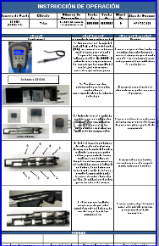
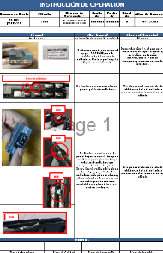
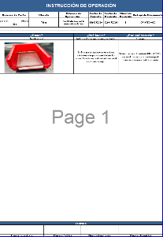
Before Corrective Action |  |  |  |  |  |  |  |  |  | After Corrective Action

Picture / Description of Process Before Corrective Action
Update work instruction (Verification of soldering iron and using gage during the operation 20)

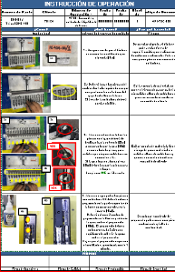
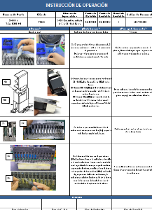
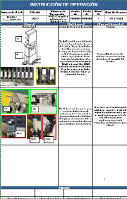
Before Corrective Action |  |  |  |  |  |  |  |  |  | After Corrective Action

Picture / Description of Process Before Corrective Action

Update work instruction (Verification of soldering ironand using fixture during the operation 30)

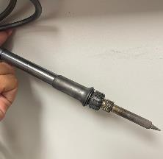
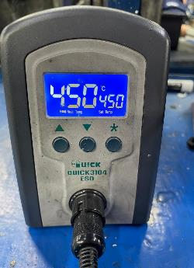
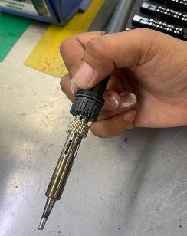
Before Corrective Action |  |  |  |  |  |  |  |  |  | After Corrective Action
 | 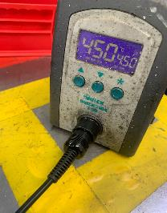

Replace with a soldering iron with a good thread condition

Damaged and worn out soldering iron with defective thread (did not allow a correct adjustment)

9.2.- | Evidence your Efforts - Non Detection

Before Corrective Action |  |  |  |  |  |  |  |  |  | After Corrective Action | 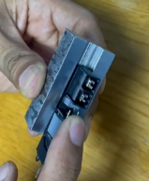 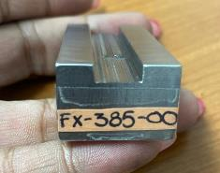

Gage to verify that soldering in tower has not burr

No gage for verification of solder burr in operation.

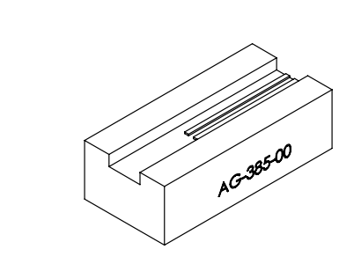
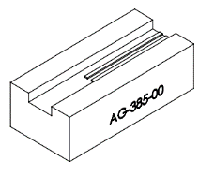
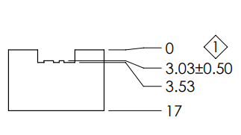
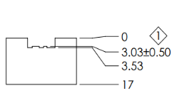

Before Corrective Action | 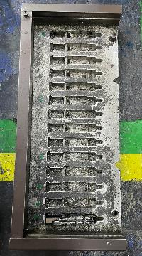 |  |  |  |  |  |  |  |  | After Corrective Action | 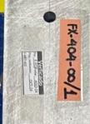

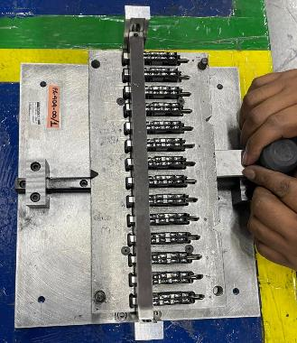

Fixture without metrology control and no engineering drawing

Improvement of fixture to detect solder burr, drawing elaboration, control and validation.

10.- | Congratulate the Team

Add - Visual Aid
Visual Aid

Describe the defect

Bad part
Good part

WHEN I FIND A BAD PART, WHAT SHOULD I DO?
Adhere to Quality Alert visual
Follow Reaction Plan
Process with Internal NNC

PROHIBITED OPERATIONS:
non-inspection

PERMITTED TOOLS:
Quality Alert

LEVEL | A | B | C | D | E | F | G
DATE LEVEL
WHO CREATE

LLC Occ
 |  | LESSON LEARNED CARD

Site: | Assymex Monterrey |  | Type: | Occurrence | CIN: | 18763
Production Line: | assemblies |  | Department: | Quality | SIN: | 18763
Product: | Scania |  | LLC Author: | Daniel Morales | Date: | 2024-08-16
WHAT WAS THE PROBLEM? (5W + 2H) |  |  | WHAT IS THE SYMPTOM?
What happened? |  |  |  |  | 
Innoperative motor caused for short circuit between housing and low speed
Why is it a problem?
Low performance of motor with final customer
When did it happen?
2024-07-17
Who detected it?
Operator of customer production line
Where was detected?
Customer production line
How was detected?
Energizing the motor
How many?
4
BEFORE |  |  |  | AFTER
 |  |  |  | 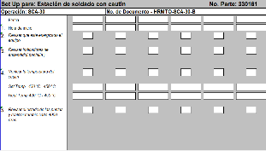

No exist
No exist

Define life time of tip soldering in the set up register sheet

WHAT WE LEARNED?
ITEM (Control Factor) |  | METHOD (Control Point) |  |  | STANDARD
Set up register sheet |  | What? | Life time of soldering iron tip |  | What is Conform?
 |  |  |  |  | Due be change the soldering iron tip each 4000 pcs, respecting the set up register sheet
 |  | Where? | Set up register sheet

 |  | When? | 2024-08-02

 |  | Who? | Maitenance technician |  | What is Non-Conform?
 |  |  |  |  | not respecting the set up register sheet and not change the soldering iron tip each 4000 pcs,
 |  | How? | Change the soldering iron tip before each 4000 pcs

 |  | How Many? | Each 4000 pcs

LLC NON-DET
 |  | LESSON LEARNED CARD

Site: | Assymex Monterrey |  | Type: | Detection | CIN: | 18763
Production Line: | assemblies |  | Department: | Quality | SIN: | 18763
Product: | Scania |  | LLC Author: | Daniel Morales | Date: | 2024-08-16
WHAT WAS THE PROBLEM? (5W + 2H) |  |  | WHAT IS THE SYMPTOM?
What happened? |  |  |  |  | 
Innoperative motor caused for short circuit between housing and low speed
Why is it a problem?
Low performance of motor with final customer
When did it happen?
2024-07-17
Who detected it?
Operator of customer production line
Where was detected?
Customer production line
How was detected?
Energizing the motor
How many?
4
BEFORE |  |  |  | AFTER
Gage to verify that soldering in tower has not burr
 |  |  |  |  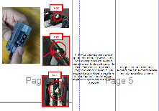

No exist
Work instruction

WHAT WE LEARNED?
ITEM (Control Factor) |  | METHOD (Control Point) |  |  | STANDARD
Gage to verify soldering burr |  | What? | Verify the soldering burrs in the tower |  | What is Conform?
 |  |  |  |  | The parts due reviewed with the gage to verify the soldering burrs in the area of tower, according the work instruction
 |  | Where? | Work instruction of scania production line

 |  | When? | 2024-08-02

 |  | Who? | Operator |  | What is Non-Conform?
 |  |  |  |  | The parts does not reviewed with the gage to verify the soldering burrs in the area of tower
 |  | How? | Review with the gage that the part has not soldering burr in the area of tower

 |  | How Many? | 100% parts produced

Evidence Control Plan and PFMEA
CONTROL PLAN
INSERT HERE SCREENSHOT
OF CONTROL PLAN UPDATED

PFMEA
INSERT HERE SCREENSHOT
OF PFMEA UPDATED

