QCR
 |  |  |  |  |  |  |  |  |  |  | AVO CARBON ________________

PROBLEM SOLVING REPORT (10D)

QCR |  | AVOT-2025-Q-01 |  |  |  |  |  | Date: |  |  |  |  | 2025-08-01
AvoCarbon Contact / Title: |  | Weijiang Peng / Quality manager |  |  |  |  |  | Supplier Contact / Title: |  |  |  |  | Weijiang Peng / Quality manager
Contact Phone: |  | 022 58816013 |  |  |  |  |  | Contact Phone: |  |  |  |  | 022 58816013
Email: |  | weijiang.peng@avocarbon.com |  |  |  |  |  | Contact Email: |  |  |  |  | weijiang.peng@avocarbon.com

ONLY FILL THIS SECTION FOR INTERNAL SITUATIONS DETECTED AT AVO CARBON PLANT

 |  | INTERNAL PPM |  |  |  |  |  |  | INTERNAL AUDIT BY IATF

 |  | EXTERNAL AUDIT BY CUSTOMER |  |  |  |  |  |  | INTERNAL METRIC: |  |  |  | Process inspection

 |  | EXTERNAL AUDIT BY IATF |  |  |  |  |  |  | OTHER:

ONLY FILL THIS SECTION FOR QUALITY PROBLEMS DETECTED WITH CUSTOMER

 |  | Level 1 - Customer Return - Immediate containment actions are required for all In House and Incoming stock
 |  | within 24 hrs. Product Return Approval (RMA) may be necessary.
 |  | Description of Root Cause & Corrective Action Plan are mandatory within 5 days.

 |  | Level 2 - Quality Rejection - Immediate containment actions are required for all In House and Incoming stock
 |  | within 24 hrs. Product Return Approval (RMA) may be necessary.
 |  | Description of Root Cause & Corrective Action Plan are mandatory within 5 days.

 |  | Level 3 - Quality Concern - Description of Root Cause & Corrective Action Plan are mandatory within 5 days.
 |  | All Incoming stock 100% certified.

 |  | Level 4 - Notification - All Incoming stock 100% certified.

WHAT IS THE PROBLEM ? > Use 4W + 2H to know what is the Current Situation ? AssyMex View and Supplier view

- What happened? Description of the Problem |  | Brush block width is out of specification. Spec. 3.95 mm to 4.03 mm Result. 4.052 mm |  |  |  |  |  |  |  | - Why is it a problem? |  | The brush doesn't activate. The dimension doesn't meet the specification of a critical feature.

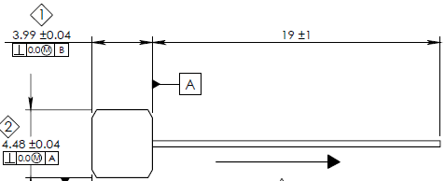
BAD PART |  |  |  |  |  |  |  |  |  | GOOD PART

- When it happened? Date: dd-mm-yyyy |  | 2025-08-01 |  |  |  |  |  |  | - Where detected? Incoming, Production Line, Customer, Warranty, etc. |  |  | Grinding line

- How detected? |  | Visual |  |  |  |  |  |  | - How many bad parts? |  |  | 1pcs

Additional Information for Customer

Customer Part Number: |  | 50-0688 |  |  |  |  |  |  |  | Avo Carbon Part Number: |  |  | 50-0688
Customer Lot Number: |  | 20250627-00120 |  |  |  |  |  |  |  | Avo Carbon Lot Number: |  |  | 20250627-00120
 |  |  |  |  |  |  |  |  |  | Additional Information:

Customer Inventory: |  | 0 |  |  |  |  |  |  |  | Avo Carbon Inventory: |  |  | 200
In Transit Inventory: |  | 0 |  |  |  |  |  | Logistic Platform Inventory: |  |  |  |  | 0

Material Disposition

 |  | Return to Supplier. |  |  |  |  |  | Sort by Supplier. |  |  |  |  |  | Sort / Rework by External Company
 |  | RMA # |  |  |  |  |  |  |  |  |  |  |  | WO #

 |  | Scrap. Supplier's expense. |  |  |  |  |  | Use as received |  |  |  |  |  | Sort / Rework by AssyMex
 |  |  |  |  |  |  |  |  |  |  |  |  |  | WO #

CORRECTIVE ACTION REPORT - 10D REPORT

1.- | Problem Solving Team Members

 | Leader: | Peng weijiang |  |  |  |  |  | Title: | Quality Manager |  |  |  |  | Phone: | (86)022 58816000

 | Email: | weijiang.peng@avocarbon.com |  |  |  |  |  | Fax: | (86)022 58816010 |  |  |  |  | Mobile: | 15822069076

 | Group: | QA |  |  | Production |  |  | R&D |  | Purchase | IQC | Engineering
 |  | Peng weijiang |  |  | He wenyuan |  |  | Zhang yongchun |  | Lili Dong | Bingren Yuan | Li Hongyan

2.- | Describe the Problem

 | Brush block width is out of specification. Spec. 3.95 mm to 4.03 mm Result. 4.052 mm

 | - Was part reworked by supplier ? |  |  | No |  |  |  |  |  | - When was it manufactured ? |  |  |  | 27-Jun-25

 | - Are we capturing the defect when reinjecting product in normal process ? If YES, explain how ? |  |  | Yes First part inspection |  |  |  |  |  | - Did a similar problem happen previously at AssyMex or internally ? If YES, when ? |  |  |  | No

3.- | Immediate Countermeasures / Problem Containment ? (24 hours)

IMMEDIATE COUNTERMEASURES IN SUPPLIER PERIMETER |  |  |  |  |  |  |  |  | RESPONSIBLE |  |  | DATE |  |  | WHERE?

To isolated all NG parts and re-sort the appearance before next shipment |  |  |  |  |  |  |  |  | Peng weijiang |  |  | 2025-08-01 |  |  | Tianjin

IMMEDIATE COUNTERMEASURES IN AssyMex PERIMETER |  |  |  |  |  |  |  |  | RESPONSIBLE |  |  | DATE |  |  | WHERE?

No inventory in customer plant
 |  |  |  |  |  |  |  |  |  |  |  |  |  |  | Tianjin
 |  |  |  |  |  |  |  |  |  | Weijiang Peng |  |  | 2025-08-01

Sorting Activity >> by Supplier

 |  |  | Total Sorted |  | Total Bad Parts |  | PPM |  |  | Sorting Date | Responsible |  | Identification of OK Parts
- Suspect Inventory in Customer plant : |  |  | 0 |  | 0 | = | '----' |  |  |  |  |  | 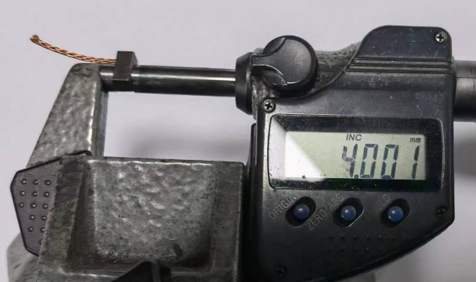
- Suspect Inventory in Avo Carbon Plant : |  |  | 200 |  | 0 | = | '----' |  |  | 2025-08-01 | YBR
- Suspect Inventory in Transit : |  |  | 0 |  | 0 | = | '----'
- Suspect Inventory in Logistic Platform : |  |  | 0 |  | 0 | = | '----'
- Suspect Inventory in Supplier Plant : |  |  | 0 |  | 0 | = | '----'

- Production dates of sorted parts: |  |  | From: |  |  | To: |  |  |  |  |  | First Certified Good Shipment |  |  | Lot Number:

- Production dates of bad parts: |  |  | Oldest part: |  |  | Most recent part: |  |  |  |  |  |  |  |  | Date:

4,1.- | Analysis and Root Cause - Ocurrence

Method
Method
Man power
Man power
Enviromental
Enviromental
The operator adjusted the equipment by the upper limit
- This is failure risk

Operators change and skills valuation
- Confirm result is no change and skills valuated is qualified
The temperature is below 40 degrees and the humidity is below 65%
- Confirm result is acceptable

Brush block width is out of specification.
Spec. 3.95 mm to 4.03 mm
Result. 4.052 mm

Check whether the equipment is recorded by fault maintenance
- Confirm result there wasn't fault records
Check the properties measurement results whether meet the DATASHEET
- Confirm result is acceptable

The operator did not adjust the equipment by the middle limit.
- This is failure risk

Machine
Material
Measurements

5 x Why Analysis Form - Ocurrences Why did it happen?

1st Why? | Question: | why the width dimension out of spec?

 | Answer: | The operator adjust the equipment by the upper limit.

2nd Why? | Question: | Why the operator adjust the equipment by the upper limit?

 | Answer: | There is no requirement for width to be adjusted by the middle limit on WI.

3rd Why? | Question:

 | Answer: | Traning the relevent operator to adjust equipment by the middle limit. Tighten length dimension tolerance requirements on WI.

4th Why? | Question:

 | Answer:

5th Why? | Question:

 | Answer:

4,2 .- | Analysis and Root Cause - Non Detection

Method
Method
Man power
Man power
Enviromental
Enviromental
Sample size of spot check is too small to detect the NG brush.
Process capability was not effectively assessed
-This is failure risk

Operators change and skills valuation
- Confirm result is no change and skills valuated is qualified
The temperature is below 40 degrees and the humidity is below 65%
- Confirm result is acceptable

Brush block width is out of specification.
Spec. 3.95 mm to 4.03 mm
Result. 4.052 mm

Check whether the equipment is recorded by fault maintenance
- Confirm result there wasn't fault records
Check the properties measurement results whether meet the DATASHEET
- Confirm result is acceptable

Poor layer audit: the shift leader or supervisor does not confirm the self-inspection record and product quality daily.
-This is failure risk

Machine
Machine
Material
Material
Measurements
Measurements

5 x Why Analysis Form - Non-Detection Why did the non-conformity escape?

1st Why? | Question: | Why did the non-conformity escape?

 | Answer: | First & Last inspection didn't detected the NG parts.

2nd Why? | Question: | why didn't detectd the NG parts in first & last inspection?

 | Answer: | Sample size of spot check is too small to detect the NG brush. Poor layer audit: the shift leader or supervisor does not confirm the self-inspection record and product quality daily. Process capability was not effectively assessed

3rd Why? | Question:

 | Answer: | Increase the sample size of spot check. After operator adjust machine, the shift leader needs to confirm the check results of the first piece Revaluate the process capacity of brush length. Form the self-check records. The shift leader needs to confirm it daily.

4th Why? | Question:

 | Answer:

5th Why? | Question:

 | Answer:

5.- | Corrective Action

 | To Eliminate Occurrence of the Problem:
 | Corrective Action |  |  |  |  | Expected result efficiency |  |  |  |  |  |  | Who | Due Date | Done Date
 | Traning the relevent operator to adjust equipment by the middle limit. |  |  |  |  | The length brush processing by the middle limit. |  |  |  |  |  |  | Wenyuan | 2-Aug-25 | 2-Aug-25
 | Tighten length dimension tolerance requirements on WI. |  |  |  |  | Updated the WI |  |  |  |  |  |  | Yongchun | 2-Aug-25 | 2-Aug-25

 | To Improve Detection of the Problem:
 | Corrective Action |  |  |  |  | Expected result efficiency |  |  |  |  |  |  | Who | Due Date | Done Date
 | Increase the sample size of spot check. |  |  |  |  | The defective parts can be found in the process and in outgoing inspection. |  |  |  |  |  |  | Weijiang | 2-Aug-25 | 2-Aug-25
 | After operator adjust machine, the shift leader needs to confirm the check results of the first piece |  |  |  |  | The width brush processing by the middle limit. |  |  |  |  |  |  | Wenyuan | 2-Aug-25 | 2-Aug-25
 | Revaluate the process capacity of brush length. |  |  |  |  | To ensure the brush length within the spec. |  |  |  |  |  |  | Yongchun | 2-Aug-25 | 2-Aug-25
 | Form the self-check records. The shift leader needs to confirm it daily. |  |  |  |  | To ensure the brush length within the spec. |  |  |  |  |  |  | Weijiang | 2-Aug-25 | 2-Aug-25

6,1.- | Implement and Verify Corrective Action - Occurences

Checks | CONFIRMATION CHECKS |  |  |  |  |  |  |  |  | CHECK QUALITY PER SHIFT

 |  |  |  |  |  |  |  |  |  | 1st |  | 2nd |  |  | 3rd

Confirmation of Influent Factors |  |  |  |  |  |  |  |  |  | ok |  | ok |  |  | ok
 | 1- HAVE PARAMETERS BEEN CORRECTED IN SAFETY / WORKING INSTRUCTIONS?
 |  |  |  |  |  |  |  |  |  | ok |  | ok |  |  | ok
 | 2- DO WORKING INSTRUCTIONS MATCH WITH QUALITY CONTROL PLAN?
 |  |  |  |  |  |  |  |  |  | ok |  | ok |  |  | ok
 | 3- IS ALL DOCUMENTATION COHERENT?
 |  |  |  |  |  |  |  |  |  | ok |  | ok |  |  | ok
 | 4- ARE THE INSTRUCTIONS CLEAR?
 |  |  |  |  |  |  |  |  |  | ok |  | ok |  |  | ok
 | 5- ARE CRITICAL POINTS CLEARLY DESCRIBED?
Physical Check of Operation |  |  |  |  |  |  |  |  |  | ok |  | ok |  |  | ok
 | 6- DOES ACTUAL PROCESS MATCH WITH THE OPERATING INSTRUCTIONS?
 |  |  |  |  |  |  |  |  |  | ok |  | ok |  |  | ok
 | 7- DOES ACTUAL PROCESS MATCH WITH EXPECTED CORRECTIVE ACTION?
 |  |  |  |  |  |  |  |  |  | ok |  | ok |  |  | ok
 | 8- ARE OPERATORS AWARE OF THE DEFECT?
 |  |  |  |  |  |  |  |  |  | ok |  | ok |  |  | ok
 | 9- ARE OPERATORS AWARE OF THE EXPECTED CORRECTIVE ACTION?
 |  |  |  |  |  |  |  |  |  | ok |  | ok |  |  | ok
 | 10- HAS THE SOLUTION BEEN PROPERLY VALIDATED ON THE FLOOR?
Visual Aid |  |  |  |  |  |  |  |  |  | ok |  | ok |  |  | ok
 | 11- IS THERE A VISUAL AID?
 |  |  |  |  |  |  |  |  |  | ok |  | ok |  |  | ok
 | 12- IS IT POSTED ON A VISIBLE SPOT?
 |  |  |  |  |  |  |  |  |  | ok |  | ok |  |  | ok
 | 13- IS THE CONTENT CLEAR?
Equipment |  |  |  |  |  |  |  |  |  | ok |  | ok |  |  | ok
 | 14- IS IT COHERENT WITH THE CONTENT OF THE CORRECTIVE ACTION?
 |  |  |  |  |  |  |  |  |  | ok |  | ok |  |  | ok
 | 15- HAS IT BEEN MODIFIED? IS PREVENTIVE MAINTENANCE RECORD MODIFIED?
 |  |  |  |  |  |  |  |  |  | ok |  | ok |  |  | ok
 | 16- IS SET UP INSTRUCTION UPDATED? MATCHES WITH CONTROL PLAN?
AUDITOR'S NAME |  | Weijiang Peng/ Wenyuan He |  |  |  |  | DATE OF THE AUDITS |  |  | 2025/8/1 night shift |  | 2025/8/2 day shift |  |  | 2025/8/2 night shift

Comments |  | Effective |  |  |  |  | DECISION |  |  | Y | Y | Y |  | Y | Y | Y
 |  |  |  |  |  |  |  |  |  | N |  | N |  |  | N

6,1.- | Implement and Verify Corrective Action - Non - Detection

Checks | CONFIRMATION CHECKS |  |  |  |  |  |  |  |  | CHECK QUALITY PER SHIFT

 |  |  |  |  |  |  |  |  |  | 1st |  | 2nd |  |  | 3rd

Confirmation of Influential Factors |  |  |  |  |  |  |  |  |  | ok |  | ok |  |  | ok
 | 1- HAVE PARAMETERS BEEN CORRECTED IN SAFETY / WORKING INSTRUCTIONS?
 |  |  |  |  |  |  |  |  |  | ok |  | ok |  |  | ok
 | 2- DO WORKING INSTRUCTIONS MATCH WITH QUALITY CONTROL PLAN?
 |  |  |  |  |  |  |  |  |  | ok |  | ok |  |  | ok
 | 3- IS ALL DOCUMENTATION COHERENT?
 |  |  |  |  |  |  |  |  |  | ok |  | ok |  |  | ok
 | 4- ARE THE INSTRUCTIONS CLEAR?
 |  |  |  |  |  |  |  |  |  | ok |  | ok |  |  | ok
 | 5- ARE CRITICAL POINTS CLEARLY DESCRIBED?
Physical Check of Operation |  |  |  |  |  |  |  |  |  | ok |  | ok |  |  | ok
 | 6- DOES ACTUAL PROCESS MATCH WITH THE OPERATING INSTRUCTIONS?
 |  |  |  |  |  |  |  |  |  | ok |  | ok |  |  | ok
 | 7- DOES ACTUAL PROCESS MATCH WITH EXPECTED CORRECTIVE ACTION?
 |  |  |  |  |  |  |  |  |  | ok |  | ok |  |  | ok
 | 8- ARE OPERATORS AWARE OF THE DEFECT?
 |  |  |  |  |  |  |  |  |  | ok |  | ok |  |  | ok
 | 9- ARE OPERATORS AWARE OF THE EXPECTED CORRECTIVE ACTION?
 |  |  |  |  |  |  |  |  |  | ok |  | ok |  |  | ok
 | 10- HAS THE SOLUTION BEEN PROPERLY VALIDATED ON THE FLOOR?
Visual Aid |  |  |  |  |  |  |  |  |  | ok |  | ok |  |  | ok
 | 11- IS THERE A VISUAL AID?
 |  |  |  |  |  |  |  |  |  | ok |  | ok |  |  | ok
 | 12- IS IT POSTED ON A VISIBLE SPOT?
 |  |  |  |  |  |  |  |  |  | ok |  | ok |  |  | ok
 | 13- IS THE CONTENT CLEAR?
Equipment |  |  |  |  |  |  |  |  |  | ok |  | ok |  |  | ok
 | 14- IS IT COHERENT WITH THE CONTENT OF THE CORRECTIVE ACTION?
 |  |  |  |  |  |  |  |  |  | ok |  | ok |  |  | ok
 | 15- HAS IT BEEN MODIFIED? IS PREVENTIVE MAINTENANCE RECORD MODIFIED?
 |  |  |  |  |  |  |  |  |  | ok |  | ok |  |  | ok
 | 16- IS SET UP INSTRUCTION UPDATED? MATCHES WITH CONTROL PLAN?
Quality Control Documentation |  |  |  |  |  |  |  |  |  | ok |  | ok |  |  | ok
 | 17- WAS THE PLAN CONTROL WITH THE CORRECTIVE ACTIONS UPDATED?
 |  |  |  |  |  |  |  |  |  | ok |  | ok |  |  | ok
 | 18.- WAS THE PROCESS FMEA UPDATED WITH THE CORRECTIVE ACTIONS?
 |  |  |  |  |  |  |  |  |  | ok |  | ok |  |  | ok
 | 19.- WAS THE WORK INSTRUCTION UPDATED WITH THE CORRECTIVE ACTIONS?
 |  |  |  |  |  |  |  |  |  | ok |  | ok |  |  | ok
 | 20.- WAS THE QUALITY REGISTER UPDATED WITH THE CORRECTIVE ACTIONS?
AUDITOR'S NAME |  | Weijiang Peng/ Wenyuan He |  |  |  |  | DATE OF THE AUDITS |  |  | 2025/8/1 night shift |  | 2025/8/2 day shift |  |  | 2025/8/2 night shift

Comments |  | Effective |  |  |  |  | DECISION |  |  | Y | Y | Y |  | Y | Y | Y
 |  |  |  |  |  |  |  |  |  | N |  | N |  |  | N

7.- | Preventive Action

 | Preventive Action |  |  |  |  | Expected result efficiency |  |  |  |  |  |  | Who | Due Date | Done Date
 | Tighten length dimension tolerance requirements on WI. |  |  |  |  | No length out of spec brush will be produced |  |  |  |  |  |  | Yongchun | 3-Aug-25 | 3-Aug-25

8.- | Standardize / Potential Applicability

 | 1.- Potential Applicability of Corrective / Preventive Action to similar lines / products. |  |  |  |  |  |  |  |  |  |  |  |  | Comments

 | To whom? | Production Line: |  | NA |  |  |  |  | When? |  | NA
 |  | Operation: |  | NA |  |  |  |  | When? |  | NA
 |  | Product: |  | NA |  |  |  |  | When? |  | NA

9.1.- | Evidence your Efforts - Ocurrences

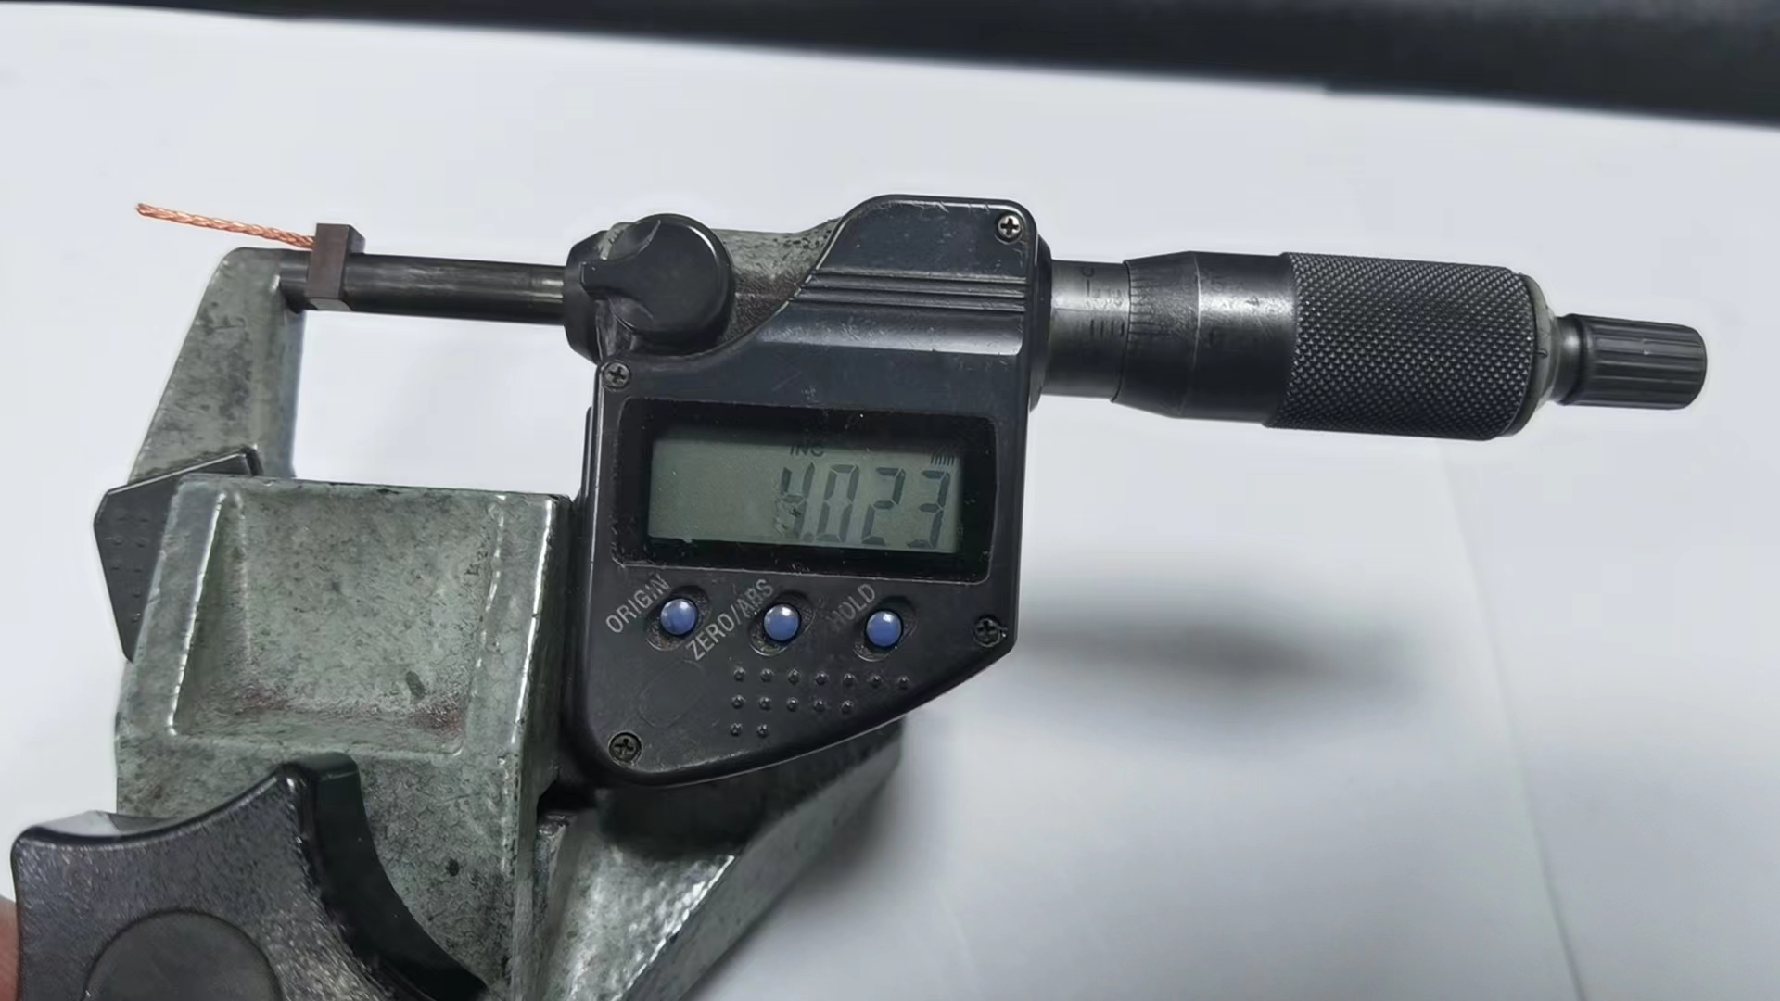
Before Corrective Action |  |  |  |  |  |  |  |  |  | After Corrective Action
The operator adjusted the equipment by the upper limit
Traning the relevent operator to adjust equipment by the middle limit.

9.2.- | Evidence your Efforts - Non Detection

Sample size of spot check is too small to detect the NG brush.
Process capability was not effectively assessed
Poor layer audit: the shift leader or supervisor does not confirm the self-inspection record and product quality daily.
Increase the sample size of spot check.
After operator adjust machine, the shift leader needs to confirm the check results of the first piece
Revaluate the process capacity of brush length.
Form the self-check records. The shift leader needs to confirm it daily.
Before Corrective Action |  |  |  |  |  |  |  |  |  | After Corrective Action

10.- | Congratulate the Team

Add - Visual Aid
Visual Aid

Describe the defect

Bad part
Good part

WHEN I FIND A BAD PART, WHAT SHOULD I DO?
Adhere to Quality Alert visual
Follow Reaction Plan
Process with Internal NNC

PROHIBITED OPERATIONS:
non-inspection

PERMITTED TOOLS:
Quality Alert

LEVEL | A | B | C | D | E | F | G
DATE LEVEL | 2025-08-01
WHO CREATE | YBR

