LLC non detection
Put mouse on cells with red corner to see details on content expectation. LLC's to be submitted only in ENGLISH
 | LESSON LEARNED CARD
 |  |  |  | Template version |  |  | 1.7
Product Group: | VM4 |  |  | Incident Ref.: | VWS-W21SKA1-2412-004
Site: | AVOCARBON Tunisie |  |  | LLC Ref.: | supplier
APU/Line: | VM4 |  |  | LLC Type: | Non detection
Tech. Product Line: | VM4 |  |  | Category: | C1
Author: | Aymen Ghribi |  |  | Responsibility: | supplier | Supplier name: | AVOCARBON

INCIDENT
What was the problem? (5W+2H)
What happened? |  |  | 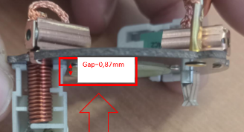 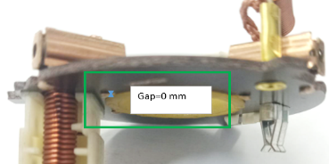 Part found during sorting at SKAWINA Bad part: Gap between external surface of the retainer and backilite LS brushbox side =0,87mm Good part : Gap between external surface of the retainer and backilite LS brushbox side =0 mm Standard :No standard defined by Valeo ( drawing DRW W000074561-C (25.09.2015))
Why is it a problem? |  |  | OEM Customer view: lack of function - brush card is not in tough with comutator Valeo view: During sorting found parts with not well fitted retainer
When detected? |  |  | OEM Customer: 07.11.2024 Valeo sampling date: 29.11.2024
Who detected? |  |  | Detected by Laboratory Engineer during Customer claim analysis by x-ray. Confirmed by Valeo Skawina Quality dep.
Where detected? |  |  | Customer view: 0 km Valeo View: Valeo Skawina Metrology Laboratory
How were the NC parts detected? |  |  | Customer view: Lost function of motor Valeo view: Laboratory measurements
How many NC parts reported by Valeo? |  |  | Customer view 0 km: One part, produciton date 31.05.2024 Valeo view: 4 parts randomly checked. 26.10.2024
How many NC parts sent to Valeo? |  |  | Customer view 0 km: One part, produciton date 31.05.2024 Valeo view: 4 parts randomly checked. 26.10.2024
What is the symptom? |  |  |  | What is the root cause?
Insert here the BAD part or BAD factor image |  | 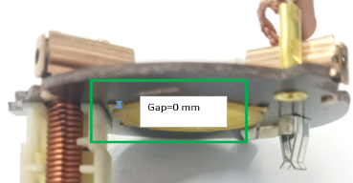 Insert here the GOOD part or GOOD factor image |  | Insert here the 5 Why analysis, with a highlight on the 'Why' addressed in this LLC.
BAD Part |  | GOOD Part

WHAT WE LEARNED
BEFORE |  |  |  | AFTER
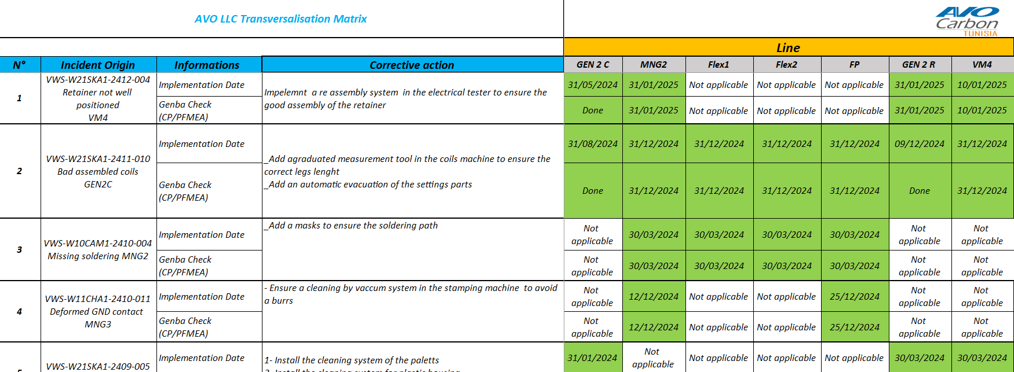 Non detection: No tracking system was in place for LLC management: LLC are tracked with excel file |  |  |  | 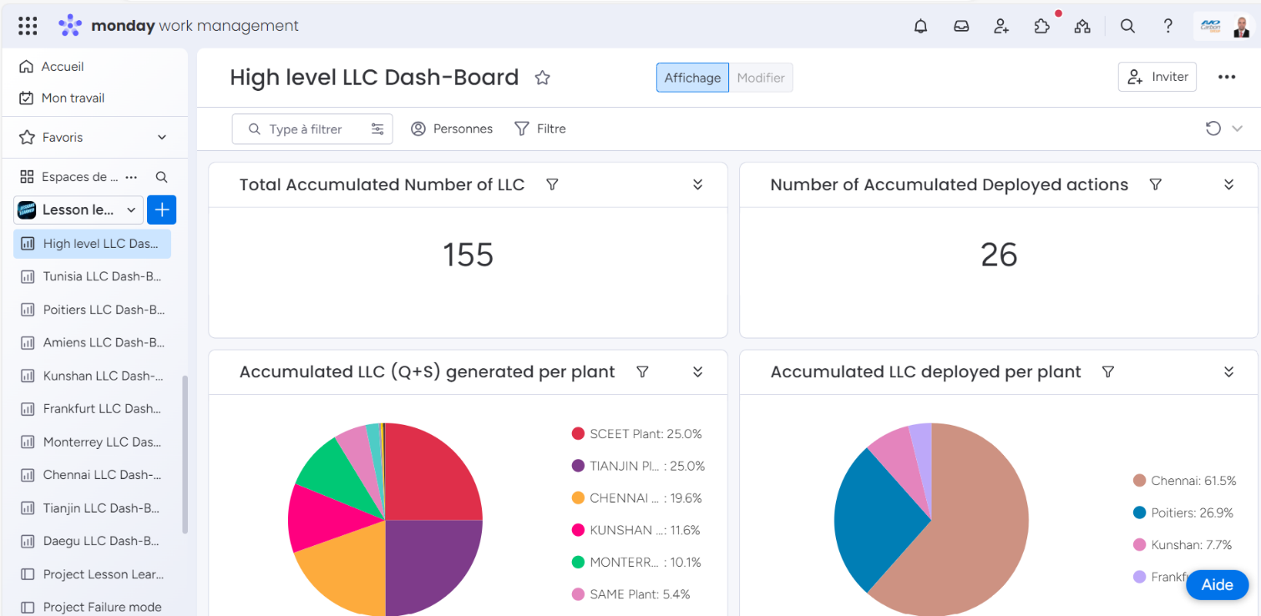 Description: 1-Create an LLC data base and update it to ensure the LLC tracking and transversalization between lines and AVO plants 2-Create Check list for the critical systems fixation and sensor
CONTROL FACTOR |  |  |  | METHOD
LLC deployment |  |  |  | What | Transverzalisation of the LLC on the similar prodcut/process/lines/plants
CRITERIA |  |  |  | How | Through the LLC data base Group
What is conform? | LLC must be deployed and escalation have be done |  |  | Who | Quality responsible
What is non-conform? | LLC not deployed and no escalation |  |  | Where | AVO plants /lines
 |  |  |  | When | After LLC validation

STANDARD
Highest level of standard |  |  |  |  |  | FMEA Type
AVO standard Group |  |  |  |  |  | process
Description of Standard(s) |  |  | Reference / Rev. N° of Standard(s) |  |  | RPN Before | RPN After
LLC Data base/Equipement/Process Validation Check list |  |  | Na/C4.Fo.S1.31 Ind 5 |  |  | 168 | 24
POTENTIAL APPLICABILITY: |  |  | Create a LLC ToDo to record / create transversalization.

Consequences if the corrective actions are not respected? (cost, product failure, line stoppage, ...) |  |  |  | Risk of garantee issue with motor

