QCR
 |  |  |  |  |  |  |  |  |  |  | Assymex Monterrey S.A. de C.V.

QUALITY CONTROL REPORT (10D)

QCR |  | 18943 |  |  |  |  |  | Date: |  |  |  |  | May 22, 2025
AssyMex Contact / Title: |  | Daniel Morales |  |  |  |  |  | Supplier Contact / Title: |  |  |  |  | Martin Sosa
Contact Phone: |  | 8128607691 |  |  |  |  |  | Contact Phone: |  |  |  |  | N/A
Email: |  | daniel.morales@avocarbon.com |  |  |  |  |  | Contact Email: |  |  |  |  | N/A

ONLY FILL THIS SECTION FOR QUALITY PROBLEMS DETECTED WITH CUSTOMER

 |  | Level 1 - Customer Return - Immediate containment actions are required for all In House and Incoming stock
 |  | within 24 hrs. Product Return Approval (RMA) may be necessary.
 |  | Description of Root Cause & Corrective Action Plan are mandatory within 5 days.

 |  | Level 2 - Quality Rejection - Immediate containment actions are required for all In House and Incoming stock
 |  | within 24 hrs. Product Return Approval (RMA) may be necessary.
 |  | Description of Root Cause & Corrective Action Plan are mandatory within 5 days.

 |  | Level 3 - Quality Concern - Description of Root Cause & Corrective Action Plan are mandatory within 5 days.
 |  | All Incoming stock 100% certified.

 |  | Level 4 - Notification - All Incoming stock 100% certified.

WHAT IS THE PROBLEM ? > Use 4W + 2H to know what is the Current Situation ? Customer View and AssyMex View

- What happened? Description of the Problem |  | Brush plate 95015-107 with short circuit between ground and low speed |  |  |  |  |  |  |  | - Why is it a problem? |  | Innoperative motor due a short circuit

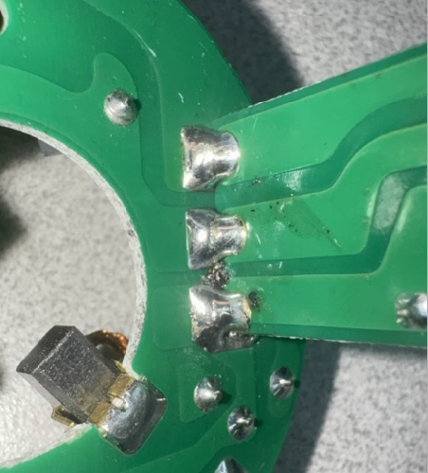
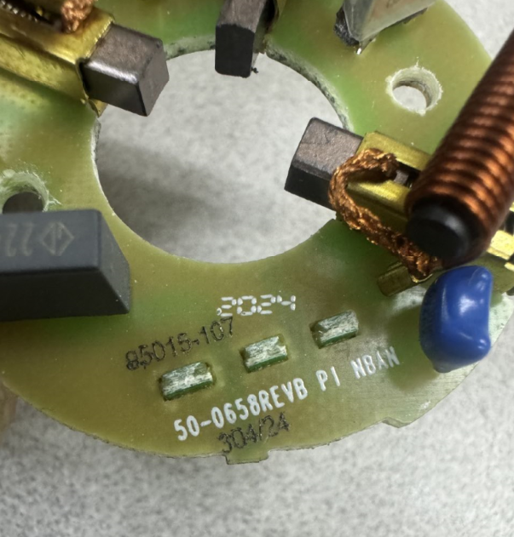
Bad Part picture, drawing or description must clearly show what the problem is.
Good Part picture, drawing or description must be from the same size and same angle.
Show Good Part condition.
BAD PART |  |  |  |  |  |  |  |  |  | GOOD PART

Bad Part Picture, drawing
or description
Good Part picture, drawing or description

- When it happened? Date: dd-mm-yyyy |  | May 22, 2025 |  |  |  |  |  |  | - Where detected? Incoming, Production Line, Customer, Warranty, etc. |  |  | Trico production line

- How detected? |  | Electrical test |  |  |  |  |  |  | - How many bad parts? |  |  | 1

Additional Information for Customer

Customer Part Number: |  | 95015-1017 |  |  |  |  |  |  |  | AssyMex Part Number: |  |  | 33-0157
Customer Lot Number: |  | 304/24 |  |  |  |  |  |  |  | AssyMex Lot Number: |  |  | 304/24
 |  |  |  |  |  |  |  |  |  | Additional Information:

Customer Inventory: |  | 19,428 |  |  |  |  |  |  |  | AssyMex Inventory: |  |  | 2880
In Transit Inventory: |  | 0 |  |  |  |  |  | Logistic Platform Inventory: |  |  |  |  | 0

Material Disposition

 |  | Return to Supplier. |  |  |  |  |  | Sort by Supplier. |  |  |  |  |  | Sort / Rework by External Company
 |  | RMA # |  |  |  |  |  |  |  |  |  |  |  | WO #

 |  | Scrap. Supplier's expense. |  |  |  |  |  | Use as received |  |  |  |  |  | Sort / Rework by AssyMex
 |  |  |  |  |  |  |  |  |  |  |  |  |  | WO #

CORRECTIVE ACTION REPORT - 10D REPORT

1.- | Problem Solving Team Members

 | Leader: | Daniel Morales |  |  |  |  |  | Title: | Quality Manager |  |  |  |  | Phone: | N/A

 | Email: | daniel.morales@avocarbon.com |  |  |  |  |  | Fax: | N/A |  |  |  |  | Mobile: | 8128607691

 | Group: | Ramses Rendon, Armando Herrera, Alicio Flores, Hector Olivares

2.- | Describe the Problem

 | Brush plate 95015-107 with short circuit between ground and low speed

 | - Was part reworked by supplier ? |  |  | NO |  |  |  |  |  | - When was it manufactured ? |  |  |  | Oct 30, 2024

 | - Are we capturing the defect when reinjecting product in normal process ? If YES, explain how ? |  |  | YES in the electrical tester |  |  |  |  |  | - Did a similar problem happen previously at AssyMex or internally ? If YES, when ? |  |  |  | YES

3.- | Immediate Countermeasures / Problem Containment ? (24 hours)

IMMEDIATE COUNTERMEASURES IN Customer PERIMETER |  |  |  |  |  |  |  |  | RESPONSIBLE |  |  | DATE |  |  | WHERE?

Put in hold material in assymex plant to verify visually no soldering bridge between phases |  |  |  |  |  |  |  |  | Daniel Morales |  |  | May 22, 2025 |  |  | Trico plant

IMMEDIATE COUNTERMEASURES IN AssyMex PERIMETER |  |  |  |  |  |  |  |  | RESPONSIBLE |  |  | DATE |  |  | WHERE?

Put in hold material in assymex plant to verify visually no soldering bridge between phases |  |  |  |  |  |  |  |  | Daniel Morales |  |  | May 22, 2025 |  |  | Assymex plant

Sorting Activity >> by Supplier

 |  |  | Total Sorted |  | Total Bad Parts |  | PPM |  |  | Sorting Date | Responsible |  | Identification of OK Parts
- Suspect Inventory in Customer plant : |  |  | 19428 |  | 1 | = | 51.472102121 |  |  | May 5 , 2025 | Daniel Morales
- Suspect Inventory in AssyMex plant : |  |  | 2880 |  | 0 | = | '----' |  |  | May 5 , 2025 | Daniel Morales
- Suspect Inventory in Transit : |  |  | 0 |  |  | = | '----'
- Suspect Inventory in Logistic platform : |  |  | 0 |  |  | = | '----'
- Suspect Inventory in Supplier plant : |  |  | 0 |  |  | = | '----'

- Production dates of sorted parts: |  |  | From: |  |  | To: |  |  |  |  |  | First Certified Good Shipment |  |  | Lot Number:
 |  |  | 2025-05-20 |  |  | 2025-05-22 |  |  |  |  |  |  |  |  | 223/25
- Production dates of bad parts: |  |  | Oldest part: |  |  | Most recent part: |  |  |  |  |  |  |  |  | Date:
 |  |  | 2024-10-30 |  |  | 2025-04-22 |  |  |  |  |  |  |  |  | 2025-05-22

4,1.- | Analysis and Root Cause - Ocurrence

Method
Man power
Enviromental
- Poor operator technique to apply soldering

- Lack of training to operator

- Assembly fixture

Machine
Material
Measurements

5 x Why Analysis Form - Ocurrences Why did it happen?

1st Why? | Question: | why there is a soldering bridge between low speed and ground?

 | Answer: | the soldering is spreads and joins both phases during the manual process.

2nd Why? | Question: | why the soldering is spreads and joins both phases during the manual process?

 | Answer: | the terminals are too close together or misaligned during the soldering operation.

3rd Why? | Question: | Why the terminals are too close together or misaligned during the soldering operation.

 | Answer: | Assembly fixture does not posicioned correctly the tower PCB to brushcard

4th Why? | Question: | Why the Assembly fixture does not posicioned correctly the tower PCB to brushcard

 | Answer: | The fixture is bad adjustment

5th Why? | Question: | Why the fixture is bad adjustment

 | Answer: | there is no routine inspection or preventive maintenance of the fixture before use.

4,2 .- | Analysis and Root Cause - Non Detection

Method
Man power
Enviromental
-Work instruction not include a verification of this connection between tower and PCB

Machine
Material
Measurements

5 x Why Analysis Form - Non-Detection Why did the non-conformity escape?

1st Why? | Question: | Why is not detected the soldering bridge in connection between tower and PCB

 | Answer: | There is not a specific revision of this critical point in the process

2nd Why? | Question: | Why There is not a specific revision of this critical point in the process

 | Answer: | Work instruction not include a verification of this connection between tower and PCB

3rd Why? | Question: | Why work instruction not include a verification of this connection between towe and PCB

 | Answer: | Was not considered as risk point and was not documented in prevous cases

4th Why? | Question: | Why Was not considered as risk point and was not documented in prevous cases

 | Answer: | there was no review of previous failures and no updated failure mode analysis (PFMEA).

5th Why? | Question: | Why there was no review of previous failures and no updated failure mode analysis (PFMEA).

 | Answer: | there is no formal process for reviewing and adjusting the PFMEA when new actual defects appear.

5.- | Corrective Action

 | To Eliminate Occurrence of the Problem:
 | Corrective Action |  |  |  |  | Expected result efficiency |  |  |  |  |  |  | Who | Due Date | Done Date
 | Update OPI with fixture verification before start production |  |  |  |  | Not work with worn fixture |  |  |  |  |  |  | Daniel Morales | 20-Jun-25 | 20-Jun-25
 | Update OPI with confirmation of hold connection between tower and PCB before start production |  |  |  |  | Not work with worn fixture |  |  |  |  |  |  | Daniel Morales | 20-Jun-25 | 20-Jun-25
 | Place a visual sign in the fixture area: “Fixture validated - check alignment before welding”. |  |  |  |  | Not work with worn fixture |  |  |  |  |  |  | Daniel Morales | 20-Jun-25 | 20-Jun-25

 | To Improve Detection of the Problem:
 | Corrective Action |  |  |  |  | Expected result efficiency |  |  |  |  |  |  | Who | Due Date | Done Date
 | Update final inspection instruction mentioned the defect |  |  |  |  | Best issue detection |  |  |  |  |  |  | Daniel Morales | 20-Jun-25 | 20-Jun-25
 | Update set up adding verification of not movement of fixture per worn |  |  |  |  | not work with worn fixture |  |  |  |  |  |  | Daniel Morales | 20-Jun-25 | 20-Jun-25

6,1.- | Implement and Verify Corrective Action - Occurences

Checks | CONFIRMATION CHECKS |  |  |  |  |  |  |  |  | CHECK QUALITY PER SHIFT

 |  |  |  |  |  |  |  |  |  | 1st |  | 2nd |  |  | 3rd

Confirmation of Influent Factors |  |  |  |  |  |  |  |  |  | YES
 | 1- HAVE PARAMETERS BEEN CORRECTED IN SAFETY / WORKING INSTRUCTIONS?
 |  |  |  |  |  |  |  |  |  | YES
 | 2- DO WORKING INSTRUCTIONS MATCH WITH QUALITY CONTROL PLAN?
 |  |  |  |  |  |  |  |  |  | YES
 | 3- IS ALL DOCUMENTATION COHERENT?
 |  |  |  |  |  |  |  |  |  | YES
 | 4- ARE THE INSTRUCTIONS CLEAR?
 |  |  |  |  |  |  |  |  |  | YES
 | 5- ARE CRITICAL POINTS CLEARLY DESCRIBED?
Physical Check of Operation |  |  |  |  |  |  |  |  |  | YES
 | 6- DOES ACTUAL PROCESS MATCH WITH THE OPERATING INSTRUCTIONS?
 |  |  |  |  |  |  |  |  |  | YES
 | 7- DOES ACTUAL PROCESS MATCH WITH EXPECTED CORRECTIVE ACTION?
 |  |  |  |  |  |  |  |  |  | YES
 | 8- ARE OPERATORS AWARE OF THE DEFECT?
 |  |  |  |  |  |  |  |  |  | YES
 | 9- ARE OPERATORS AWARE OF THE EXPECTED CORRECTIVE ACTION?
 |  |  |  |  |  |  |  |  |  | YES
 | 10- HAS THE SOLUTION BEEN PROPERLY VALIDATED ON THE FLOOR?
Visual Aid |  |  |  |  |  |  |  |  |  | YES
 | 11- IS THERE A VISUAL AID?
 |  |  |  |  |  |  |  |  |  | YES
 | 12- IS IT POSTED ON A VISIBLE SPOT?
 |  |  |  |  |  |  |  |  |  | YES
 | 13- IS THE CONTENT CLEAR?
Equipment |  |  |  |  |  |  |  |  |  | YES
 | 14- IS IT COHERENT WITH THE CONTENT OF THE CORRECTIVE ACTION?
 |  |  |  |  |  |  |  |  |  | YES
 | 15- HAS IT BEEN MODIFIED? IS PREVENTIVE MAINTENANCE RECORD MODIFIED?
 |  |  |  |  |  |  |  |  |  | YES
 | 16- IS SET UP INSTRUCTION UPDATED? MATCHES WITH CONTROL PLAN?
AUDITOR'S NAME |  | Daniel Morales |  |  |  |  | DATE OF THE AUDITS |  |  | 2025-06-26

Comments |  |  |  |  |  |  | DECISION |  |  | Y |  | Y |  |  | Y
 |  |  |  |  |  |  |  |  |  | N |  | N |  |  | N

6,1.- | Implement and Verify Corrective Action - Non - Detection

Checks | CONFIRMATION CHECKS |  |  |  |  |  |  |  |  | CHECK QUALITY PER SHIFT

 |  |  |  |  |  |  |  |  |  | 1st |  | 2nd |  |  | 3rd

Confirmation of Influential Factors |  |  |  |  |  |  |  |  |  | YES
 | 1- HAVE PARAMETERS BEEN CORRECTED IN SAFETY / WORKING INSTRUCTIONS?
 |  |  |  |  |  |  |  |  |  | YES
 | 2- DO WORKING INSTRUCTIONS MATCH WITH QUALITY CONTROL PLAN?
 |  |  |  |  |  |  |  |  |  | YES
 | 3- IS ALL DOCUMENTATION COHERENT?
 |  |  |  |  |  |  |  |  |  | YES
 | 4- ARE THE INSTRUCTIONS CLEAR?
 |  |  |  |  |  |  |  |  |  | YES
 | 5- ARE CRITICAL POINTS CLEARLY DESCRIBED?
Physical Check of Operation |  |  |  |  |  |  |  |  |  | YES
 | 6- DOES ACTUAL PROCESS MATCH WITH THE OPERATING INSTRUCTIONS?
 |  |  |  |  |  |  |  |  |  | YES
 | 7- DOES ACTUAL PROCESS MATCH WITH EXPECTED CORRECTIVE ACTION?
 |  |  |  |  |  |  |  |  |  | YES
 | 8- ARE OPERATORS AWARE OF THE DEFECT?
 |  |  |  |  |  |  |  |  |  | YES
 | 9- ARE OPERATORS AWARE OF THE EXPECTED CORRECTIVE ACTION?
 |  |  |  |  |  |  |  |  |  | YES
 | 10- HAS THE SOLUTION BEEN PROPERLY VALIDATED ON THE FLOOR?
Visual Aid |  |  |  |  |  |  |  |  |  | YES
 | 11- IS THERE A VISUAL AID?
 |  |  |  |  |  |  |  |  |  | YES
 | 12- IS IT POSTED ON A VISIBLE SPOT?
 |  |  |  |  |  |  |  |  |  | YES
 | 13- IS THE CONTENT CLEAR?
Equipment |  |  |  |  |  |  |  |  |  | YES
 | 14- IS IT COHERENT WITH THE CONTENT OF THE CORRECTIVE ACTION?
 |  |  |  |  |  |  |  |  |  | YES
 | 15- HAS IT BEEN MODIFIED? IS PREVENTIVE MAINTENANCE RECORD MODIFIED?
 |  |  |  |  |  |  |  |  |  | YES
 | 16- IS SET UP INSTRUCTION UPDATED? MATCHES WITH CONTROL PLAN?
Quality Control Documentation |  |  |  |  |  |  |  |  |  | YES
 | 17- WAS THE PLAN CONTROL WITH THE CORRECTIVE ACTIONS UPDATED?
 |  |  |  |  |  |  |  |  |  | YES
 | 18.- WAS THE PROCESS FMEA UPDATED WITH THE CORRECTIVE ACTIONS?
 |  |  |  |  |  |  |  |  |  | YES
 | 19.- WAS THE WORK INSTRUCTION UPDATED WITH THE CORRECTIVE ACTIONS?
 |  |  |  |  |  |  |  |  |  | YES
 | 20.- WAS THE QUALITY REGISTER UPDATED WITH THE CORRECTIVE ACTIONS?
AUDITOR'S NAME |  | Daniel Morales |  |  |  |  | DATE OF THE AUDITS |  |  | 2025-06-26

Comments |  |  |  |  |  |  | DECISION |  |  | Y |  | Y |  |  | Y
 |  |  |  |  |  |  |  |  |  | N |  | N |  |  | N

7.- | Preventive Action

 | Preventive Action |  |  |  |  | Expected result efficiency |  |  |  |  |  |  | Who | Due Date | Done Date
 | Update preventive maintenance with fixture verificacion in area where hold tower with PCB |  |  |  |  | Not work with worn fixture |  |  |  |  |  |  | Ramses Rendon | 20-Jun-25 | 20-Jun-25
 | Update PFMEA |  |  |  |  | Declared failure mode |  |  |  |  |  |  | Daniel Morales | 20-Jun-25 | 20-Jun-25
 | Update audit check list process audit to include review of last update caused by customer complaint |  |  |  |  | Prevent recurrence of issue |  |  |  |  |  |  | Daniel Morales | 26-Jun-25 | 26-Jun-25

8.- | Standardize / Potential Applicability

 | 1.- Potential Applicability of Corrective / Preventive Action to similar lines / products. |  |  |  |  |  |  |  |  |  |  |  |  | Comments

 | To whom? | Production Line: |  |  |  |  |  |  | When?
 |  | Operation: |  |  |  |  |  |  | When?
 |  | Product: |  |  |  |  |  |  | When?

9.1.- | Evidence your Efforts - Ocurrences

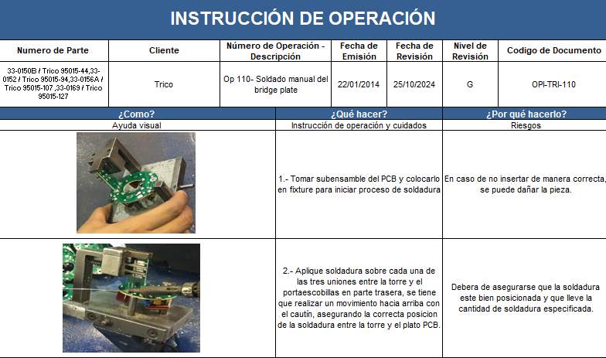
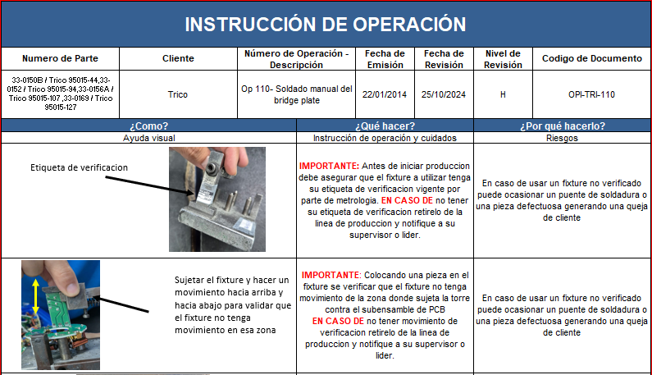
Before Corrective Action |  |  |  |  |  |  |  |  |  | After Corrective Action
Picture / Description of Process Before Corrective Action
Picture / Description of Process After Corrective Action.
Process Before CA
Process After CA

9.2.- | Evidence your Efforts - Non Detection

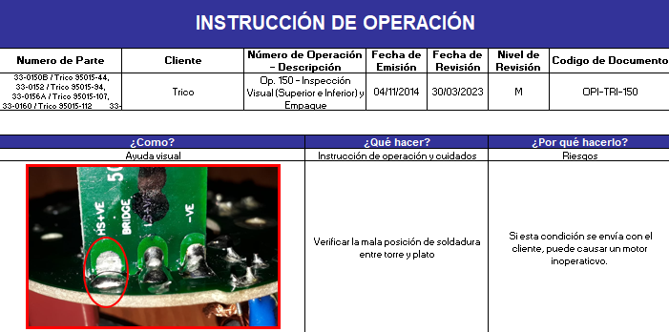
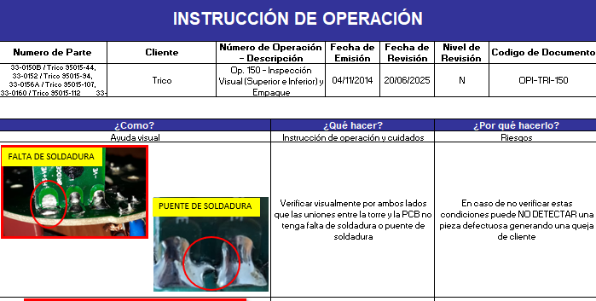
Picture / Description of Process After Corrective Action.
Before Corrective Action |  |  |  |  |  |  |  |  |  | After Corrective Action
Picture / Description of Process Before Corrective Action
Process Before CA
Process After CA

10.- | Congratulate the Team

