Quick Response
 |  |  |  |  |  |  | Supplier 8D report |  |  |  |  |  |  |  | supplier logo |  |  |  |  |  |  | NAMS China Pinghu
 |  |  |  |  |  |  |  |  |  |  |  |  |  |  |  |  |  |  |  |  |  | NCDA China Dalian
 |  |  |  |  |  |  |  |  |  |  |  |  |  |  |  |  |  |  |  |  |  | NAMA Mexico
Customer plant |  |  |  | NMA Santa Perpetua |  |  |  | Supplier |  | AVOCarbon Tunisia |  |  |  |  |  | Date of claim |  | 2026-02-20 |  |  |  | NIND India
Customer contact |  |  |  | Dudek Dominik |  |  |  | SAP no. |  |  |  |  |  |  |  | Date of QR |  | 2026-02-23 |  |  |  | NMA Bietigheim
Claim reference |  |  |  | 2026/2/20/0055 |  |  |  | Author |  |  |  |  |  |  |  | Update of QR |  |  |  |  |  | NMA Santa Perpetua
 |  |  |  |  |  |  |  |  |  |  |  |  |  |  |  |  |  |  |  |  |  | NMA Niepolomice
QUICK RESPONSE |  |  |  |  |  |  |  |  |  |  |  |  |  |  |  |  |  |  |  |  |  | NMA Juarez
- This document must be validated by Nidec within 24 hours after claim notification / Blue fields filled out by Nidec -

D 1. Description of the problem
 | 1.a What is the problem ? Use 5W+2H to describe what is the current situation. |  |  |  |  |  |  |  |  |  |  |  |  |  |  |  |  |  |  |  |  | C1 : Customer claim
 | Problem description |  |  | not proper welded thermos |  |  |  |  |  |  | What happened? |  |  |  | not proper welded thermos |  |  |  |  |  |  | C2 : Production claim
 |  |  |  |  |  |  |  |  |  |  |  |  |  |  |  |  |  |  |  |  |  | C3 : Incoming inspection claim
 |  |  |  |  |  |  |  |  |  |  | Why is it a problem? |  |  |  | No electrical connection |  |  |  |  |  |  | WR : Warranty
 | Incident level |  |  | C2 : Production claim
 | Part number |  |  | 503-773-99-99 |  |  |  |  |  |  | When did it happen? |  |  |  | 2026-02-19 |  |  |  |  |  |  | recurrent defect
 | Part description |  |  | Brush plate |  |  |  |  |  |  | Who detected it? |  |  |  | Operator |  |  |  |  |  |  | no reccurent defect
 | Traceability of nok parts |  |  | 260214 |  |  |  |  |  |  | Where was it detected? |  |  |  | CM4
 | Recurrence |  |  | recurrent defect |  |  |  |  |  |  | How was it detected? |  |  |  | Visualy |  |  |  |  |  |  | yes (S/security)
 | Defect S/R |  |  | no |  |  |  |  |  |  | How many parts ? |  |  |  | 1 |  |  |  |  |  |  | yes (R/reglementation)
 |  |  |  |  |  |  |  |  |  |  |  |  |  |  |  |  |  |  |  |  |  | no
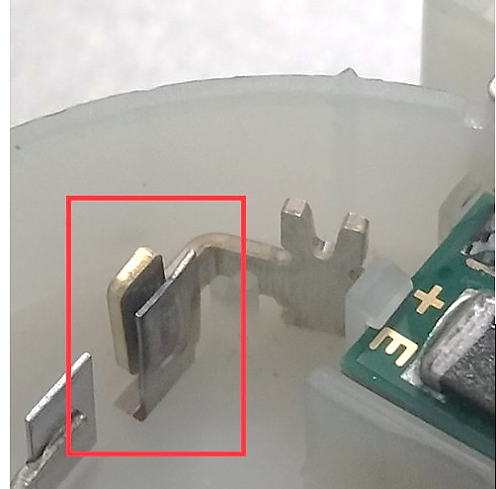
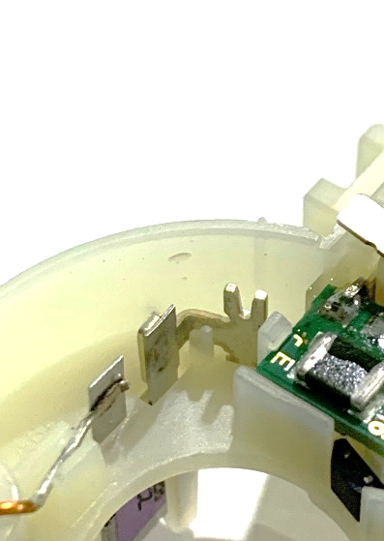
 | nok part picture / sketch |  |  |  |  |  |  |  |  |  | ok part picture / sketch
 |  |  |  |  |  |  |  |  |  |  |  |  |  |  |  |  |  |  |  |  |  | yes
 |  |  |  |  |  |  |  |  |  |  |  |  |  |  |  |  |  |  |  |  |  | no

 | 1.b Supplier problem solving team
 | Name |  |  |  | Position |  |  |  | Location |  |  | Telephone |  |  |  | Email
 | Lasaad Charaabi |  |  |  | Plant Quality Manager |  |  |  | AVO |  |  |  |  |  |  | lassaad.charaabi@avocarbon.com
 | Riadh NEFZI |  |  |  | Production leader |  |  |  | AVO |  |  |  |  |  |  | riadh.nefzi@avocarbon.com
 | Montassar BEN HADJ MOHAMED |  |  |  | Quality Engineer |  |  |  | AVO |  |  |  |  |  |  | montassar.benhadjmohamed@avocarbon.com
 | Hajer JAAFRI |  |  |  | Methode Technicien |  |  |  | AVO |  |  |  |  |  |  | hajer.jaafri@avocarbon.com
 | Sana Dkhil |  |  |  | Quality Technicien |  |  |  | AVO |  |  |  |  |  |  | sana.dhkil@avocarbon.com

 | 1.c Tool to use (defined by Nidec)
 |  | x | Ishikawa | x | FTA | x | 5why's |  | x | LLC |  |  | Audit |  |  | Other
 |  |  |  |  |  |  |  |  |  |  |  |  |  |  |  |  |  |  |  |  | x
 | 1.d Problem description from supplier / first analyse of problem / potential root causes
 | PTH leg is not proper welded with contact causes unfonctionning of motor. The issue was caused by contamination present at the welding interface.

 | Samples of nok parts required at supplier location |  |  |  |  |  | yes |  |  |  |  |  |  | Express shipping supplier account | by regular truck

D 2. Risk on similar products and processes
 | Can this defect happen on similar parts ? |  |  |  |  |  |  | Comments (compulsory if yes)
 | Other family product |  |  |  | yes |  |  | All CM4 references with PTH are considered : 503.773 - 503.772 - 503.774 - 503.852
 | Other machine |  |  |  | no
 | Other tooling |  |  |  | no
 | Other Nidec plants |  |  |  | no
 | Other |  |  |  | no

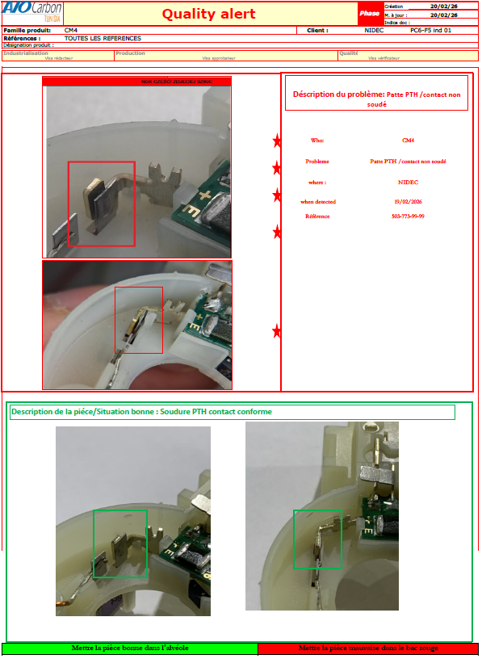
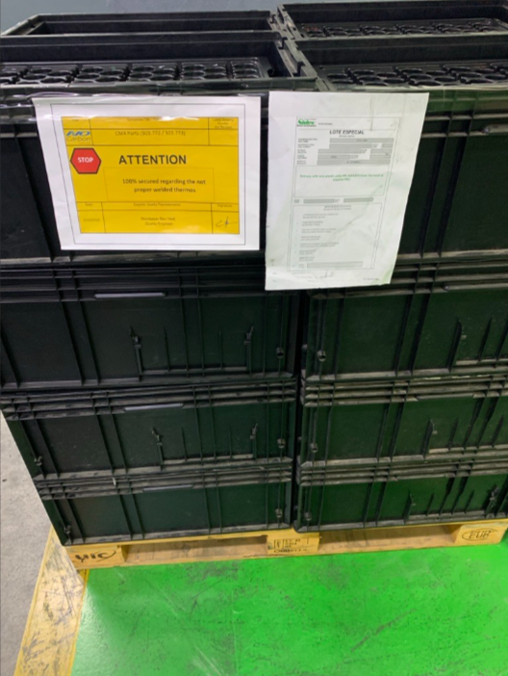
D 3. Containment |  |  |  |  |  |  |  |  |  |  |  |  | see sorting approval
 | What are the actions to detect all non-conforming parts in the process flow ?
 | Location in the process flow |  |  |  |  | Nb to be sorted |  |  | Nb parts sorted |  |  | Nb nok parts |  |  | ppm |  | Date |  | Resp.
 | Parts at Nidec plant |  |  |  |  | To be shared by Nidec |  |  |  |  |  |  |  |  |  |  |  |  | NMAS
 | Parts at Nidec logistics platform |  |  |  |  | To be shared by Nidec |  |  |  |  |  |  |  |  |  |  |  |  | NMAS
 | Parts at Nidec's customer (C1 claim) |  |  |  |  | To be shared by Nidec |  |  |  |  |  |  |  |  |  |  |  |  | NMAS
 | Parts in transport
 | Parts at supplier / supplier platform |  |  |  |  | 28430 |  |  | 28430 |  |  | 0 |  |  | 0 |  | 2026-02-20 |  | AVO
 | Parts at sub-supplier
 | Other Nidec plant/s …(Plant Name)….

 | How are the ok parts identified ? |  |  |  |  | no identification in the parts
 | How are the ok paletts identified ? |  |  |  |  | paletts identified by special identification (100% checked not proper welded thermos
 | First contained shipment information |  |  |  |  | 2026-02-21

 | What are the immediate actions to prevent production/delivery of nok parts ?
 | Actions |  |  |  |  |  |  |  | Nidec decision |  |  |  | Resp. |  |  | Date plan. |  | Date clos.
 | Nidec suspect stocks to be sent to supplier |  |  |  |  |  |  |  | not required |  |  |  |  |  |  |  |  |  |  | REQUIRED
 | Express delivery to Nidec to avoid production stop |  |  |  |  |  |  |  | not required |  |  |  |  |  |  |  |  |  |  | not required
 | ex: Quality alert at working area |  |  |  |  |  |  |  |  |  |  |  | Montassar |  |  | 2026-02-20 |  | 2026-02-20
 | ex: Information to all related employees |  |  |  |  |  |  |  |  |  |  |  | Montassar |  |  | 2026-02-20 |  | 2026-02-20

