QCR
 |  |  |  |  |  |  |  |  |  |  | AVO CARBON ________________

PROBLEM SOLVING REPORT (10D)

QCR |  | AVOT-2024-Q-03 |  |  |  |  |  | Date: |  |  |  |  | 2025-01-03
AvoCarbon Contact / Title: |  | Weijiang Peng / Quality manager |  |  |  |  |  | Supplier Contact / Title: |  |  |  |  | Weijiang Peng / Quality manager
Contact Phone: |  | 022 58816013 |  |  |  |  |  | Contact Phone: |  |  |  |  | 022 58816013
Email: |  | weijiang.peng@avocarbon.com |  |  |  |  |  | Contact Email: |  |  |  |  | weijiang.peng@avocarbon.com

ONLY FILL THIS SECTION FOR INTERNAL SITUATIONS DETECTED AT AVO CARBON PLANT

 |  | INTERNAL PPM |  |  |  |  |  |  | INTERNAL AUDIT BY IATF

 |  | EXTERNAL AUDIT BY CUSTOMER |  |  |  |  |  |  | INTERNAL METRIC: |  |  |  | Process inspection

 |  | EXTERNAL AUDIT BY IATF |  |  |  |  |  |  | OTHER:

ONLY FILL THIS SECTION FOR QUALITY PROBLEMS DETECTED WITH CUSTOMER

 |  | Level 1 - Customer Return - Immediate containment actions are required for all In House and Incoming stock
 |  | within 24 hrs. Product Return Approval (RMA) may be necessary.
 |  | Description of Root Cause & Corrective Action Plan are mandatory within 5 days.

 |  | Level 2 - Quality Rejection - Immediate containment actions are required for all In House and Incoming stock
 |  | within 24 hrs. Product Return Approval (RMA) may be necessary.
 |  | Description of Root Cause & Corrective Action Plan are mandatory within 5 days.

 |  | Level 3 - Quality Concern - Description of Root Cause & Corrective Action Plan are mandatory within 5 days.
 |  | All Incoming stock 100% certified.

 |  | Level 4 - Notification - All Incoming stock 100% certified.

WHAT IS THE PROBLEM ? > Use 4W + 2H to know what is the Current Situation ? Customer View and AssyMex View

- What happened? Description of the Problem |  | Contaminated piece |  |  |  |  |  |  |  | - Why is it a problem? |  | Potential functional problems in the final assembly

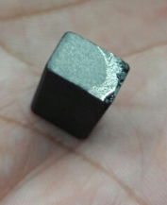
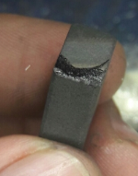
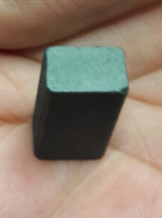
BAD PART |  |  |  |  |  |  |  |  |  | GOOD PART

- When it happened? Date: dd-mm-yyyy |  | 2025-01-03 |  |  |  |  |  |  | - Where detected? Incoming, Production Line, Customer, Warranty, etc. |  |  | Baking room

- How detected? |  | Visual |  |  |  |  |  |  | - How many bad parts? |  |  | 1pcs

Additional Information for Customer

Customer Part Number: |  | 12-0007 |  |  |  |  |  |  |  | Avo Carbon Part Number: |  |  | 12-0007
Customer Lot Number: |  | 20241215-00627 |  |  |  |  |  |  |  | Avo Carbon Lot Number: |  |  | 20241215-00627
 |  |  |  |  |  |  |  |  |  | Additional Information:

Customer Inventory: |  | 0 |  |  |  |  |  |  |  | Avo Carbon Inventory: |  |  | 3000
In Transit Inventory: |  | 0 |  |  |  |  |  | Logistic Platform Inventory: |  |  |  |  | 0

Material Disposition

 |  | Return to Supplier. |  |  |  |  |  | Sort by Supplier. |  |  |  |  |  | Sort / Rework by External Company
 |  | RMA # |  |  |  |  |  |  |  |  |  |  |  | WO #

 |  | Scrap. Supplier's expense. |  |  |  |  |  | Use as received |  |  |  |  |  | Sort / Rework by AssyMex
 |  |  |  |  |  |  |  |  |  |  |  |  |  | WO #

CORRECTIVE ACTION REPORT - 10D REPORT

1.- | Problem Solving Team Members

 | Leader: | Peng weijiang |  |  |  |  |  | Title: | Quality Manager |  |  |  |  | Phone: | (86)022 58816000

 | Email: | weijiang.peng@avocarbon.com |  |  |  |  |  | Fax: | (86)022 58816010 |  |  |  |  | Mobile: | 15822069076

 | Group: | QA |  |  | Production |  |  | R&D |  | Purchase | IQC | Engineering
 |  | Peng weijiang |  |  | He wenyuan |  |  | Zhang yongchun |  | Lili Dong | Bingren Yuan | Li Hongyan

2.- | Describe the Problem

 | Contaminated piece

 | - Was part reworked by supplier ? |  |  | No |  |  |  |  |  | - When was it manufactured ?

 | - Are we capturing the defect when reinjecting product in normal process ? If YES, explain how ? |  |  | No |  |  |  |  |  | - Did a similar problem happen previously at AssyMex or internally ? If YES, when ? |  |  |  | No

3.- | Immediate Countermeasures / Problem Containment ? (24 hours)

IMMEDIATE COUNTERMEASURES IN SUPPLIER PERIMETER |  |  |  |  |  |  |  |  | RESPONSIBLE |  |  | DATE |  |  | WHERE?

To be isolated WIP & finished products and QC should be re-inspection for the defect immediately. |  |  |  |  |  |  |  |  | Peng weijiang |  |  | 2024-12-04 |  |  | Tianjin

IMMEDIATE COUNTERMEASURES IN AssyMex PERIMETER |  |  |  |  |  |  |  |  | RESPONSIBLE |  |  | DATE |  |  | WHERE?

No inventory in customer plant
 |  |  |  |  |  |  |  |  |  |  |  |  |  |  | Tianjin
 |  |  |  |  |  |  |  |  |  | Weijiang Peng |  |  | 2024-12-04

Sorting Activity >> by Supplier

 |  |  | Total Sorted |  | Total Bad Parts |  | PPM |  |  | Sorting Date | Responsible |  | Identification of OK Parts
- Suspect Inventory in Customer plant : |  |  | 0 |  | 0 | = | '----'
- Suspect Inventory in Avo Carbon Plant : |  |  | 3000 |  | 0 | = | '----' |  |  | YBR | 2025-01-04
- Suspect Inventory in Transit : |  |  | 0 |  | 0 | = | '----'
- Suspect Inventory in Logistic Platform : |  |  | 0 |  | 0 | = | '----'
- Suspect Inventory in Supplier Plant : |  |  | 0 |  | 0 | = | '----'

- Production dates of sorted parts: |  |  | From: |  |  | To: |  |  |  |  |  | First Certified Good Shipment |  |  | Lot Number:
 |  |  | 2024-12-15 |  |  | 2025-01-02 |  |  |  |  |  |  |  |  | N/A
- Production dates of bad parts: |  |  | Oldest part: |  |  | Most recent part: |  |  |  |  |  |  |  |  | Date:
 |  |  | 2024-12-25 |  |  | 2024-12-25 |  |  |  |  |  |  |  |  | N/A

4,1.- | Analysis and Root Cause - Ocurrence

Method
Man power
Enviromental

Tooling management
-Regular cleaning
-Baking quantity
- Heigth of brush in the baking box
Not found change and abnormal
Temperature and humidity control
T<40°C H<65%
Equipment is clean and there is not contamination

Contaminated piece

The current baking oven have specical POKA-YOKE.
Followup the group mterial Datasheet
There is no any change

All measurement device rus normally
Measutement & test procdure are meet the specification

Machine
Material
Measurements

5 x Why Analysis Form - Ocurrences Why did it happen?

1st Why? | Question: | Brush contaminated

 | Answer: | baking box dirty

2nd Why? | Question: | Why baking box is dirty?

 | Answer: | Lack of regular cleaning

3rd Why? | Question: | Why lack of regular cleaning?

 | Answer: | No requirements in WI

4th Why? | Question: | Why are there no requirement in WI

 | Answer: | Need update WI

5th Why? | Question:

 | Answer:

4,2 .- | Analysis and Root Cause - Non Detection

Method
Man power
Enviromental
No this type defect in defect book
Temperature and humidity control
T<40°C H<65%
Equipment is clean and there is not contamination
Not found change and abnormal

Contaminated piece

The current baking oven have specical POKA-YOKE.
Followup the group mterial Datasheet
There is no any change

All measurement device rus normally
Measutement & test procdure are meet the specification

Machine
Material
Measurements

5 x Why Analysis Form - Non-Detection Why did the non-conformity escape?

1st Why? | Question: | Brush contaminated

 | Answer: | This NG brush didn't detected by inspector.

2nd Why? | Question: | Why didn't detected this NG brush

 | Answer: | Lack of work experience of inspector No this type defect in our defect book

3rd Why? | Question:

 | Answer: | Update the defect book Training relevant inspector

4th Why? | Question:

 | Answer:

5th Why? | Question:

 | Answer:

5.- | Corrective Action

 | To Eliminate Occurrence of the Problem:
 | Corrective Action |  |  |  |  | Expected result efficiency |  |  |  |  |  |  | Who | Due Date | Done Date
 | Updated WI, add the requirement of regular cleaning |  |  |  |  | Regular cleaning |  |  |  |  |  |  | Fengjiu Lu | 4-Jan-25 | 4-Jan-25

 | To Improve Detection of the Problem:
 | Corrective Action |  |  |  |  | Expected result efficiency |  |  |  |  |  |  | Who | Due Date | Done Date
 | Updated WI, add this type defect in defect book |  |  |  |  | Sorting according to defect book |  |  |  |  |  |  | Bingren Yuan | 4-Jan-25 | 4-Jan-25
 | Training inspector according to defect book |  |  |  |  | This type of defect can be found |  |  |  |  |  |  | Bingren Yuan | 4-Jan-25 | 4-Jan-25

6,1.- | Implement and Verify Corrective Action - Occurences

Checks | CONFIRMATION CHECKS |  |  |  |  |  |  |  |  | CHECK QUALITY PER SHIFT

 |  |  |  |  |  |  |  |  |  | 1st |  | 2nd |  |  | 3rd

Confirmation of Influent Factors |  |  |  |  |  |  |  |  |  | ok |  | ok |  |  | ok
 | 1- HAVE PARAMETERS BEEN CORRECTED IN SAFETY / WORKING INSTRUCTIONS?
 |  |  |  |  |  |  |  |  |  | ok |  | ok |  |  | ok
 | 2- DO WORKING INSTRUCTIONS MATCH WITH QUALITY CONTROL PLAN?
 |  |  |  |  |  |  |  |  |  | ok |  | ok |  |  | ok
 | 3- IS ALL DOCUMENTATION COHERENT?
 |  |  |  |  |  |  |  |  |  | ok |  | ok |  |  | ok
 | 4- ARE THE INSTRUCTIONS CLEAR?
 |  |  |  |  |  |  |  |  |  | ok |  | ok |  |  | ok
 | 5- ARE CRITICAL POINTS CLEARLY DESCRIBED?
Physical Check of Operation |  |  |  |  |  |  |  |  |  | ok |  | ok |  |  | ok
 | 6- DOES ACTUAL PROCESS MATCH WITH THE OPERATING INSTRUCTIONS?
 |  |  |  |  |  |  |  |  |  | ok |  | ok |  |  | ok
 | 7- DOES ACTUAL PROCESS MATCH WITH EXPECTED CORRECTIVE ACTION?
 |  |  |  |  |  |  |  |  |  | ok |  | ok |  |  | ok
 | 8- ARE OPERATORS AWARE OF THE DEFECT?
 |  |  |  |  |  |  |  |  |  | ok |  | ok |  |  | ok
 | 9- ARE OPERATORS AWARE OF THE EXPECTED CORRECTIVE ACTION?
 |  |  |  |  |  |  |  |  |  | ok |  | ok |  |  | ok
 | 10- HAS THE SOLUTION BEEN PROPERLY VALIDATED ON THE FLOOR?
Visual Aid |  |  |  |  |  |  |  |  |  | ok |  | ok |  |  | ok
 | 11- IS THERE A VISUAL AID?
 |  |  |  |  |  |  |  |  |  | ok |  | ok |  |  | ok
 | 12- IS IT POSTED ON A VISIBLE SPOT?
 |  |  |  |  |  |  |  |  |  | ok |  | ok |  |  | ok
 | 13- IS THE CONTENT CLEAR?
Equipment |  |  |  |  |  |  |  |  |  | ok |  | ok |  |  | ok
 | 14- IS IT COHERENT WITH THE CONTENT OF THE CORRECTIVE ACTION?
 |  |  |  |  |  |  |  |  |  | ok |  | ok |  |  | ok
 | 15- HAS IT BEEN MODIFIED? IS PREVENTIVE MAINTENANCE RECORD MODIFIED?
 |  |  |  |  |  |  |  |  |  | ok |  | ok |  |  | ok
 | 16- IS SET UP INSTRUCTION UPDATED? MATCHES WITH CONTROL PLAN?
AUDITOR'S NAME |  | Weijiang Peng/ Wenyuan He |  |  |  |  | DATE OF THE AUDITS |  |  | 2025/1/4 night shift |  | 2025/1/5 day shift |  |  | 2025/1/5 night shift

Comments |  | Effective |  |  |  |  | DECISION |  |  | Y | Y | Y |  | Y | Y | Y
 |  |  |  |  |  |  |  |  |  | N |  | N |  |  | N

6,1.- | Implement and Verify Corrective Action - Non - Detection

Checks | CONFIRMATION CHECKS |  |  |  |  |  |  |  |  | CHECK QUALITY PER SHIFT

 |  |  |  |  |  |  |  |  |  | 1st |  | 2nd |  |  | 3rd

Confirmation of Influential Factors |  |  |  |  |  |  |  |  |  | ok |  | ok |  |  | ok
 | 1- HAVE PARAMETERS BEEN CORRECTED IN SAFETY / WORKING INSTRUCTIONS?
 |  |  |  |  |  |  |  |  |  | ok |  | ok |  |  | ok
 | 2- DO WORKING INSTRUCTIONS MATCH WITH QUALITY CONTROL PLAN?
 |  |  |  |  |  |  |  |  |  | ok |  | ok |  |  | ok
 | 3- IS ALL DOCUMENTATION COHERENT?
 |  |  |  |  |  |  |  |  |  | ok |  | ok |  |  | ok
 | 4- ARE THE INSTRUCTIONS CLEAR?
 |  |  |  |  |  |  |  |  |  | ok |  | ok |  |  | ok
 | 5- ARE CRITICAL POINTS CLEARLY DESCRIBED?
Physical Check of Operation |  |  |  |  |  |  |  |  |  | ok |  | ok |  |  | ok
 | 6- DOES ACTUAL PROCESS MATCH WITH THE OPERATING INSTRUCTIONS?
 |  |  |  |  |  |  |  |  |  | ok |  | ok |  |  | ok
 | 7- DOES ACTUAL PROCESS MATCH WITH EXPECTED CORRECTIVE ACTION?
 |  |  |  |  |  |  |  |  |  | ok |  | ok |  |  | ok
 | 8- ARE OPERATORS AWARE OF THE DEFECT?
 |  |  |  |  |  |  |  |  |  | ok |  | ok |  |  | ok
 | 9- ARE OPERATORS AWARE OF THE EXPECTED CORRECTIVE ACTION?
 |  |  |  |  |  |  |  |  |  | ok |  | ok |  |  | ok
 | 10- HAS THE SOLUTION BEEN PROPERLY VALIDATED ON THE FLOOR?
Visual Aid |  |  |  |  |  |  |  |  |  | ok |  | ok |  |  | ok
 | 11- IS THERE A VISUAL AID?
 |  |  |  |  |  |  |  |  |  | ok |  | ok |  |  | ok
 | 12- IS IT POSTED ON A VISIBLE SPOT?
 |  |  |  |  |  |  |  |  |  | ok |  | ok |  |  | ok
 | 13- IS THE CONTENT CLEAR?
Equipment |  |  |  |  |  |  |  |  |  | ok |  | ok |  |  | ok
 | 14- IS IT COHERENT WITH THE CONTENT OF THE CORRECTIVE ACTION?
 |  |  |  |  |  |  |  |  |  | ok |  | ok |  |  | ok
 | 15- HAS IT BEEN MODIFIED? IS PREVENTIVE MAINTENANCE RECORD MODIFIED?
 |  |  |  |  |  |  |  |  |  | ok |  | ok |  |  | ok
 | 16- IS SET UP INSTRUCTION UPDATED? MATCHES WITH CONTROL PLAN?
Quality Control Documentation |  |  |  |  |  |  |  |  |  | ok |  | ok |  |  | ok
 | 17- WAS THE PLAN CONTROL WITH THE CORRECTIVE ACTIONS UPDATED?
 |  |  |  |  |  |  |  |  |  | ok |  | ok |  |  | ok
 | 18.- WAS THE PROCESS FMEA UPDATED WITH THE CORRECTIVE ACTIONS?
 |  |  |  |  |  |  |  |  |  | ok |  | ok |  |  | ok
 | 19.- WAS THE WORK INSTRUCTION UPDATED WITH THE CORRECTIVE ACTIONS?
 |  |  |  |  |  |  |  |  |  | ok |  | ok |  |  | ok
 | 20.- WAS THE QUALITY REGISTER UPDATED WITH THE CORRECTIVE ACTIONS?
AUDITOR'S NAME |  | Weijiang Peng/ Wenyuan He |  |  |  |  | DATE OF THE AUDITS |  |  | 2024/12/6 night shift |  | 2024/12/7 day shift |  |  | 2024/12/7 night shift

Comments |  | Effective |  |  |  |  | DECISION |  |  | Y | Y | Y |  | Y | Y | Y
 |  |  |  |  |  |  |  |  |  | N |  | N |  |  | N

7.- | Preventive Action

 | Preventive Action |  |  |  |  | Expected result efficiency |  |  |  |  |  |  | Who | Due Date | Done Date
 | Update FMEA, add the failure mode into FMEA |  |  |  |  | Prevention of re-occurrence |  |  |  |  |  |  | Yongchun Zhang | 4-Jan-24

8.- | Standardize / Potential Applicability

 | 1.- Potential Applicability of Corrective / Preventive Action to similar lines / products. |  |  |  |  |  |  |  |  |  |  |  |  | Comments

 | To whom? | Production Line: |  | NA |  |  |  |  | When? |  | NA
 |  | Operation: |  | NA |  |  |  |  | When? |  | NA
 |  | Product: |  | NA |  |  |  |  | When? |  | NA

9.1.- | Evidence your Efforts - Ocurrences

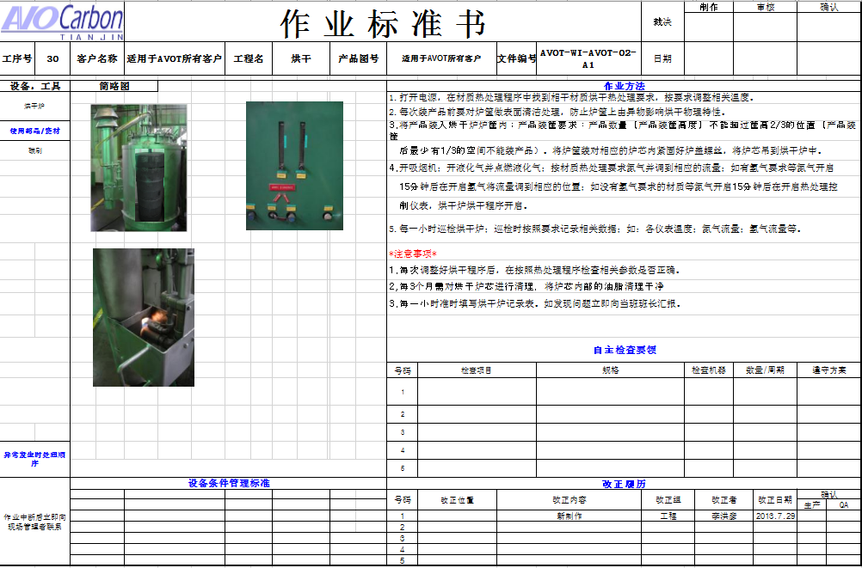
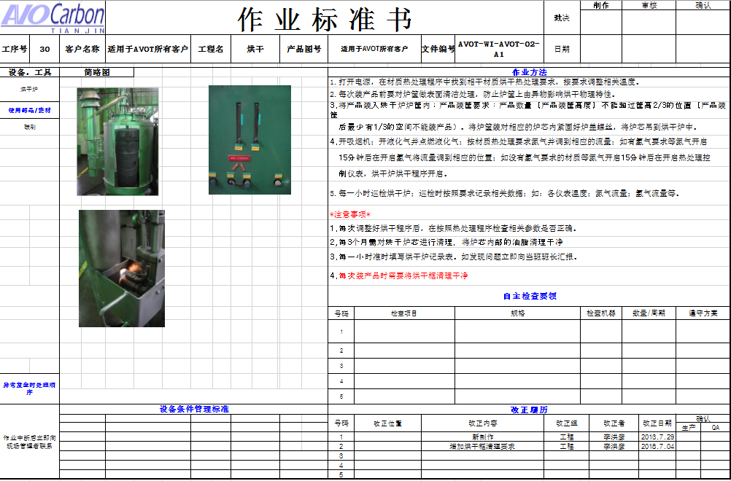
Before Corrective Action |  |  |  |  |  |  |  |  |  | After Corrective Action

9.2.- | Evidence your Efforts - Non Detection

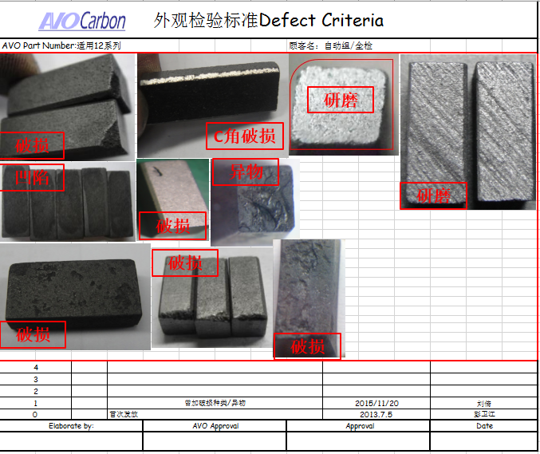
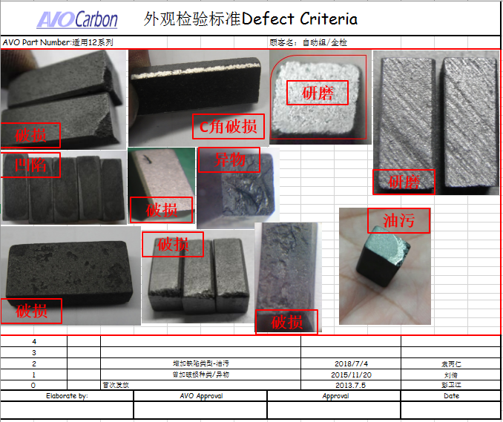
Before Corrective Action |  |  |  |  |  |  |  |  |  | After Corrective Action

10.- | Congratulate the Team

Add - Visual Aid
Visual Aid

Describe the defect

Bad part
Good part

WHEN I FIND A BAD PART, WHAT SHOULD I DO?
Adhere to Quality Alert visual
Follow Reaction Plan
Process with Internal NNC

PROHIBITED OPERATIONS:
non-inspection

PERMITTED TOOLS:
Quality Alert

LEVEL | A | B | C | D | E | F | G
DATE LEVEL | 2025-01-03
WHO CREATE | YBR

