LLC Non det VMI
Put mouse on cells with red corner to see details on content expectation. LLC's to be submitted only in ENGLISH
 | LESSON LEARNED CARD
 |  |  |  | Template version |  |  | 1.7
Product Group: | GEN 2 C |  |  | Incident Ref.: | VWS-W21SKA1-2401-008
Site: | AVOCARBON Tunisie |  |  | LLC Ref.: | VWS-W21SKA1-2401-008 LLC 02
APU/Line: | GEN 2 C |  |  | LLC Type: | NON detection
Tech. Product Line: | GEN 2 C |  |  | Category: | WR
Author: | Aymen Ghribi |  |  | Responsibility: | Subsupplier | Supplier name: | VMI

INCIDENT
What was the problem? (5W+2H)
What happened? |  |  | Radius of brushbox NOK : Standard of height=[7,35mm-7,45mm] Height is not conform : ajouter les valeurs : Bad part: Height= 7,24 mm / 7,179mm Good part :7,407 mm
Why is it a problem? |  |  | Lazy brush on the PPC
When detected? |  |  | 13/11/2023 (1st notification by Valeo on the issue)
Who detected? |  |  | Final Customer
Where detected? |  |  | Warranty return from batch DEC001674
How were the NC parts detected? |  |  | Control by gauge and dimensionnal measure
How many NC parts reported by Valeo? |  |  | 122 WR (at the date of 18-01/2024)
How many NC parts sent to Valeo? |  |  | 122 WR (at the date of 18-01/2024)
7,24mm
/7,179mm
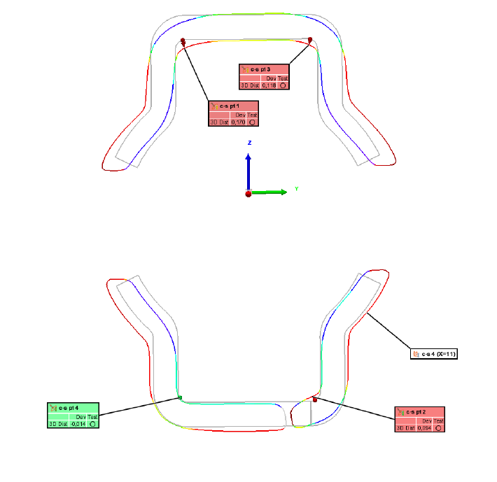
7,407mm
What is the symptom? |  |  |  | What is the root cause?
Insert here the BAD part or BAD factor image |  | Insert here the GOOD part or GOOD factor image |  | Insert here the 5 Why analysis, with a highlight on the 'Why' addressed in this LLC.
BAD Part |  | GOOD Part

WHAT WE LEARNED
BEFORE |  |  |  | AFTER
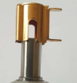 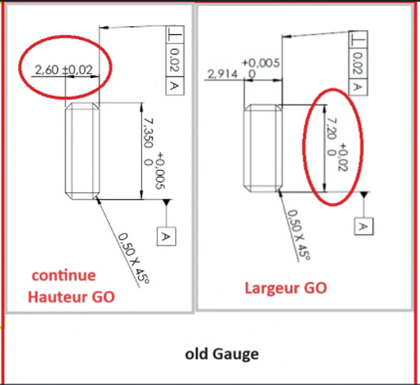 Non detection :Use 2 Gauges First Gauge to check the height of brush box Second gauge to check only width of brush box no detection the conformity of the brushbox on the side |  |  |  | 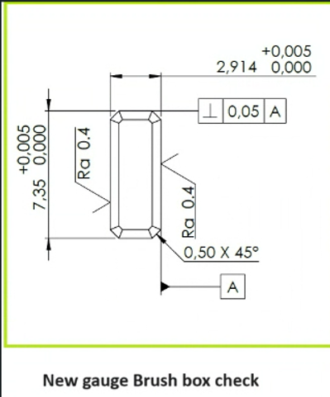 Description : Use only one combinated Gauge to check Height and width and Chamfer
CONTROL FACTOR |  |  |  | METHOD
Control of brushbox |  |  |  | What | Check the brush box with combinated gauge (Height_Width and Chamfer)
CRITERIA |  |  |  | How | Manually
What is conform? | The combinate gauge check both the height and the width |  |  | Who | VMI
What is non-conform? | Used gauge will be used only for the height check |  |  | Where | VMI plant
 |  |  |  | When | 100%

STANDARD
Highest level of standard |  |  |  |  |  | FMEA Type
Gauge drawing |  |  |  |  |  | process
Description of Standard(s) |  |  | Reference / Rev. N° of Standard(s) |  |  | RPN Before | RPN After
Gauge drawing |  |  | 76,141,011,931 |  |  | 72 | 36
POTENTIAL APPLICABILITY: |  |  | Create a LLC ToDo to record / create transversalization.

Consequences if the corrective actions are not respected? (cost, product failure, line stoppage, ...) |  |  |  | line stopped

LLC Non det SAME
Put mouse on cells with red corner to see details on content expectation. LLC's to be submitted only in ENGLISH
 | LESSON LEARNED CARD
 |  |  |  | Template version |  |  | 1.7
Product Group: | GEN 2 C |  |  | Incident Ref.: | VWS-W21SKA1-2401-008
Site: | AVO Carbon Tunisia SAME |  |  | LLC Ref.: | VWS-W21SKA1-2401-008
APU/Line: | Grinding SAME |  |  | LLC Type: | Non Detection
Tech. Product Line: | Salah Ben Achour |  |  | Category: | WR
Author: | Mohamed Naili |  |  | Responsibility: | SUBSUPPLIER | Supplier name: | AVOCarbon SAME

INCIDENT
What was the problem? (5W+2H)
What happened? |  |  | 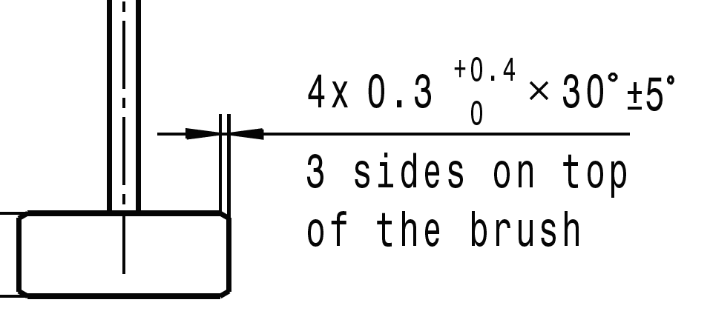 Blocked brush at 2 mm due to the Brush dimensions (Chamfer) standard: Standard chamfer: [0,3mm+0,4] Bad part: 0,218 mm (WR23-224) Good part: 0,397mm
Why is it a problem? |  |  | Customer view: Loss of function of the wiper motor Valeo View: # Motor 1: Motor not functionnal at low speed and high speed at -30°C # Motor 2: Motor not functionnal at low speed at -30°C
When detected? |  |  | Warranty return part. #1 Motor: Defect detected on vehicle (VIN: SJNFAAF16U1272980) on 23/09/2023 after 400 Km. #2 Motor: Defect detected on vehicle (VIN: SJNFAAF16U1270785) on 18/09/2023 after 113 Km. Confirmed by Valeo during analysis carried on the 09/11/2023
Who detected? |  |  | Dealer and confirmed by Valeo Warranty lab.
Where detected? |  |  | At the final customer and at Valeo Châtellerault
How were the NC parts detected? |  |  | During the vehicle life, and during the analysis at Valeo.
How many NC parts reported by Valeo? |  |  | 24
How many NC parts sent to Valeo? |  |  | 185
What is the symptom? |  |  |  | What is the root cause?
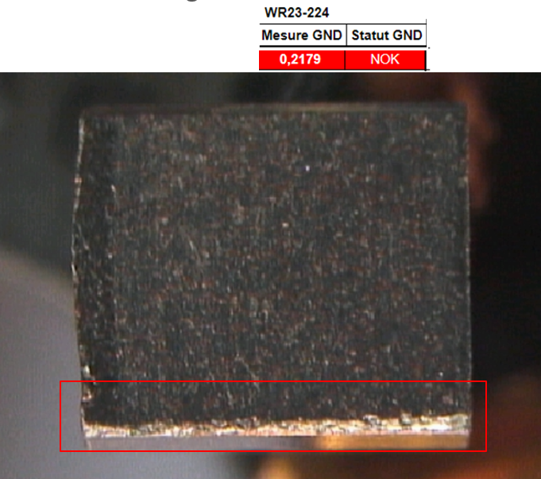 Lack of brushes chamfer dimension inspection during the process 100% of bad parts are captured |  | 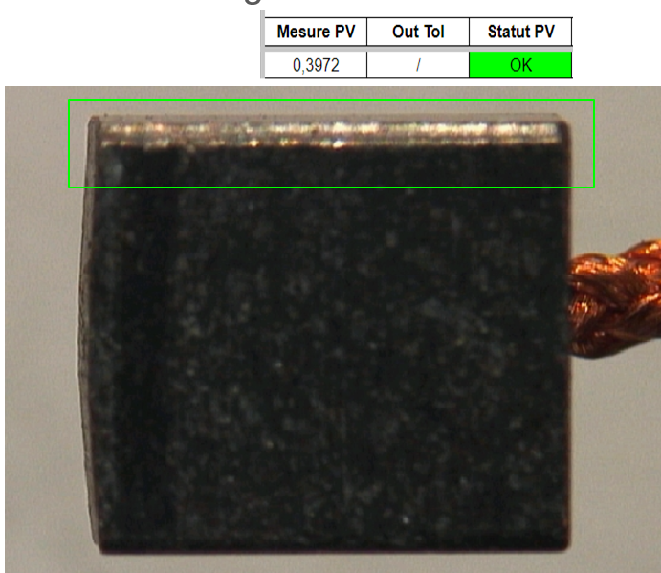 Brushes chamfer dimensions are checked 100% |  |  Parts with bad chanfer pass OK at EOL work station
BAD Part |  | GOOD Part

WHAT WE LEARNED
BEFORE |  |  |  | AFTER
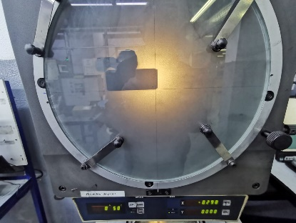 Chamfer not checked by camera Parts with bad chamfer dimensions are not detected on the grinding machine Chamfer dimension check by sampling using the profile projector by smpling at SOP (03parts) |  |  |  | 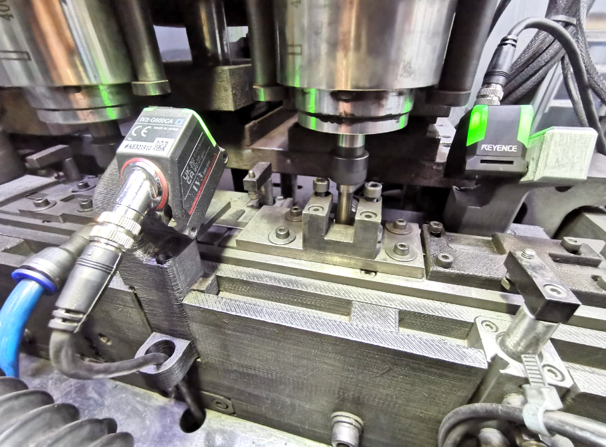 100% chamfer dimensions checked using camera
CONTROL FACTOR |  |  |  | METHOD
Chamfer dimensions inspection |  |  |  | What | Check the chamfer dimensions ''Camera of grinding machine''
CRITERIA |  |  |  | How | Automatically
What is conform? | Chamfer dimension= [0,3mm ; 0,5mm ] |  |  | Who | By camera
What is non-conform? | Chamfer dimsnion <0,3 mm |  |  | Where | On grinding machine
 |  |  |  | When | 100% during production

STANDARD
Highest level of standard |  |  |  |  |  | FMEA Type
Grinding Machine design |  |  |  |  |  | Process
Description of Standard(s) |  |  | Reference / Rev. N° of Standard(s) |  |  | RPN Before | RPN After
PFMEA |  |  | PS3.1-M2 ind. 1 / Update 22/04/2024 |  |  | 210 | 84
POTENTIAL APPLICABILITY: |  |  | Create a LLC ToDo to record / create transversalization.

Consequences if the corrective actions are not respected? (cost, product failure, line stoppage, ...) |  |  |  | Risk of delivering brushes with bad dimensions, Risk of blokced brush on motor

