LLC Occ
 |  | LESSON LEARNED CARD

Site: | AVOT |  | Type: | Supplier | CIN: | NA
Production Line: | Baking process |  | Department: | Quality | SIN: | NA
Product: | Brush 12-0007 |  | LLC Author: | Weijaing Peng | Date: | 2025-01-03
WHAT WAS THE PROBLEM? (5W + 2H) |  |  | WHAT IS THE SYMPTOM?
What happened? |  |  | 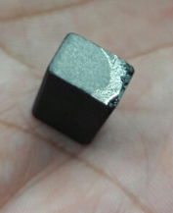 |  | 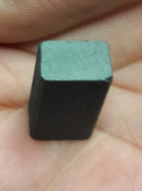
Brush contaminated
Why is it a problem?
Apperance defect
When did it happen?
2025-01-03
Who detected it?
PQC
Where was detected?
Baking room
How was detected?
Visual
How many?
1PCS
BEFORE |  |  |  | AFTER
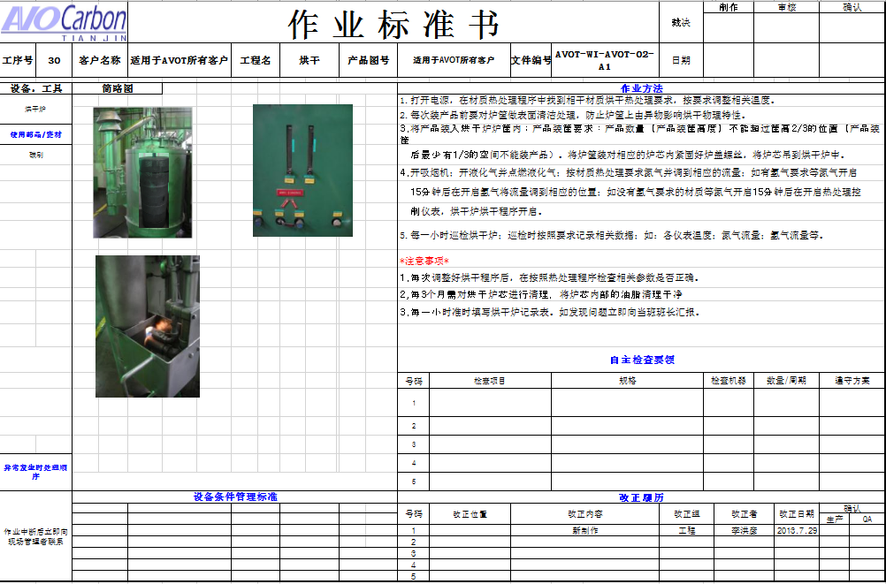 |  |  |  | 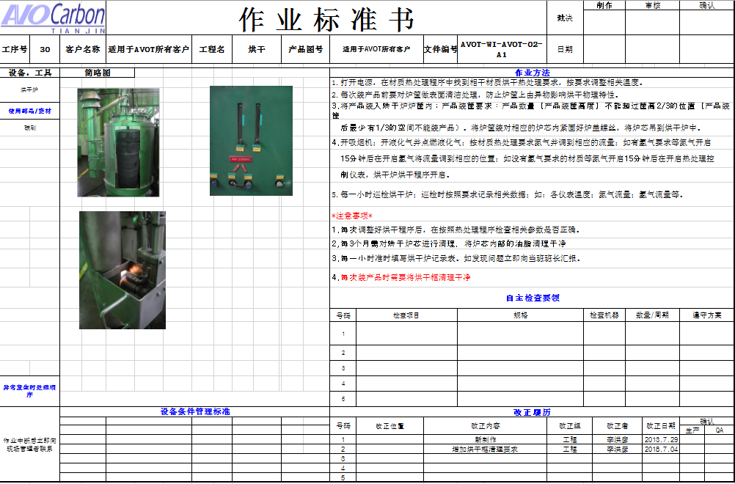

WHAT WE LEARNED?
ITEM (Control Factor) |  | METHOD (Control Point) |  |  | STANDARD
Regular cleaning of baking box |  | What? | Regular cleaning of baking box |  | What is Conform?

 |  | Where? | Baking process

 |  | When? | Before baking

 |  | Who? | Operator |  | What is Non-Conform?

 |  | How? | According to requirements of WI

 |  | How Many? | 7 baking boxes

LLC NON-DET
 |  | LESSON LEARNED CARD

Site: | AVOT |  | Type: | Supplier | CIN: | NA
Production Line: | 100% Sorting |  | Department: | Quality | SIN: | NA
Product: | Bursh 12-0007 |  | LLC Author: | Weijiang Peng | Date: | 2025-01-03
WHAT WAS THE PROBLEM? (5W + 2H) |  |  | WHAT IS THE SYMPTOM?
What happened?
Brush contaminated
Why is it a problem?
Apperance defect
When did it happen?
2025-01-03
Who detected it?
PQC
Where was detected?
Baking room
How was detected?
Visual
How many?
1PCS
BEFORE |  |  |  | AFTER
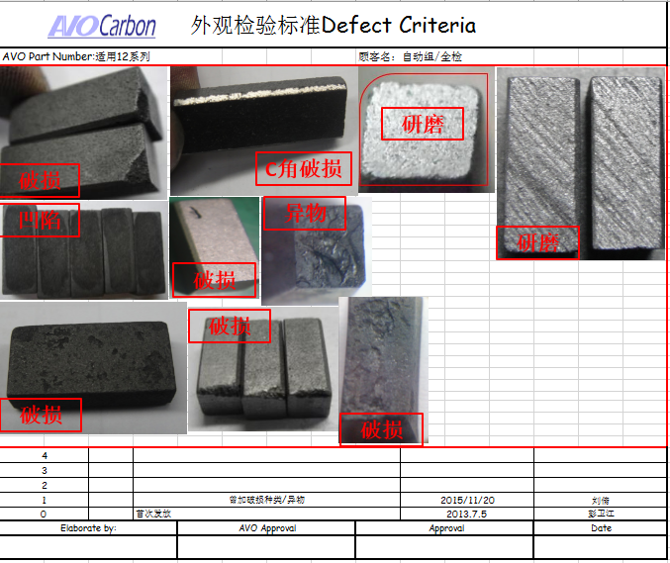 |  |  |  | 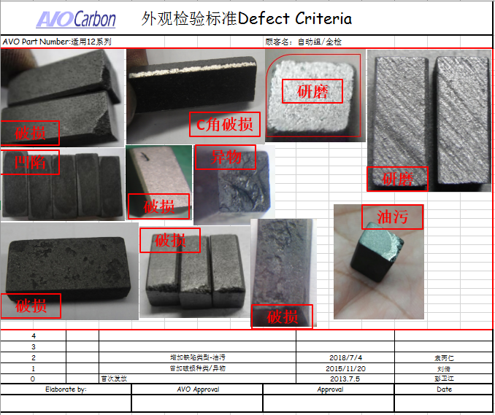

WHAT WE LEARNED?
ITEM (Control Factor) |  | METHOD (Control Point) |  |  | STANDARD
Updated WI, add this type defect in defect book. Training inspector according to defect book. |  | What? | 100% Sorting |  | What is Conform?

 |  | Where? | Sorting process

 |  | When? | Do sorting

 |  | Who? | Inspector |  | What is Non-Conform?

 |  | How? | According to defect book

 |  | How Many? | Each batch

