D4-D8
 |  |  |  |  |  | Supplier 8D report |  |  |  |  |  | supplier logo

Customer plant |  |  | AVO/SCEET Fahs |  |  |  | Supplier |  | VMI |  |  |  | Date of claim |  |  | 2024-07-18
Customer contact |  |  | Lassaad.charaabi@avocarbon.com |  |  |  | SAP no. |  | 0 |  |  |  | Date of D4-D8
Claim reference |  |  | 2024-July-020 |  |  |  | Author |  | Arfaoui Amira |  |  |  | Update of D4-D8

ANALYSE AND COUNTERMEASURES (D4-D8)
 |  |  |  |  |  |  |  |  |  |  |  |  | Commitment date from the supplier to send D4-D5-D6 (to be filled in with the quick response) : | 2024-08-06

D 4. Root cause of occurrence |  |  |  |  |  |  |  |  | Ishikawa |  | FTA |  |  |  | 5 why's
 | Work out the root causes using first Ishikawa, then FTA and finally 5 why's (Tools to use chosen by Sceet).

 | Root cause of occurrence :
 | Broken punch during serial production, the change frequency of the punch is defined by period (each week), the production per week is variable according the logistic needs

 | How was the defect reproduced ?
 | Broken punch after 180000 cycles

D 5. Root cause of non detection |  |  |  |  |  |  |  |  | Ishikawa |  | FTA |  |  |  | 5 why's
 | Work out the root causes using first Ishikawa, then FTA and finally 5 why's (Tools to use chosen by Sceet).

 | Root cause of non detection :
 | the sampling control id done is end of the shift, in case of detection of Nok part the control of the batch is done by sampling and not 100%

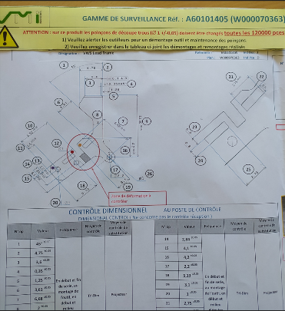
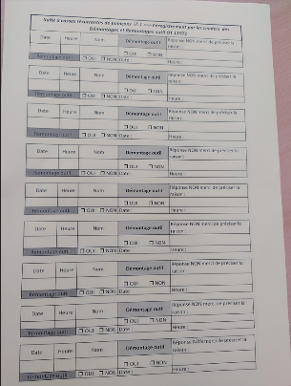
D 6. Countermeasure to non detection and occurrence
 | Actions |  |  |  |  |  |  |  |  | Resp. |  |  | Date plan. |  |  | Date clos.
 | Change the length of the punch head 11+-0,5 mm instead of 11+-0,5 mm |  |  |  |  |  |  |  |  | R.Remaud |  |  | 2024-02-27 |  |  | 2024-02-27
 | Change the frequency of punch replacment by cycle instead of period ( each 120000 cycles) |  |  |  |  |  |  |  |  | T.Hervé |  |  | 2024-08-05 |  |  | 2024-08-05
 | Improve the size of the sampling control 100/10000, & the frequency ( each package (10000 pcs) instead of end of the shift (70000)) |  |  |  |  |  |  |  |  | A.Thillaye |  |  | 2024-07-22 |  |  | 2024-07-22
 | Put in place the reaction mode during detection of NOK part ( isolation, information of the customer) |  |  |  |  |  |  |  |  | R.Remaud |  |  | 2024-08-26 |  |  | 2024-08-26
 | create guide line basing on suppliers instruction & internal experience to define the frequancy of the tool change |  |  |  |  |  |  |  |  | R.Remaud |  |  | 2024-09-06 |  |  | 2024-09-06
 | Sort all part 100% instead of scraping the suspected batchs or scrap them |  |  |  |  |  |  |  |  | R.Remaud |  |  | 2024-09-10 |  |  | 2024-09-10
 | Create an instruction to well calculate the resources need for each sorting activity to cover all the suspeted batch |  |  |  |  |  |  |  |  | R.Remaud |  |  | 2024-09-11 |  |  | 2024-09-11

D 7. Effectiveness of action plan
 | Actions to check effectiveness (to plan with part D6) |  |  |  |  |  |  |  |  | Resp. |  |  | Date plan. |  |  | Date clos.
 | Process Audit |  |  |  |  |  |  |  |  | R.Remaud |  |  | 2024-08-22 |  |  | 2024-08-26

D 8. Lessons learned
 | 8.1 Do following documents require an update ? |  |  |  |  |  |  |  | 8.2 Generalization of countermeasures to similar lines/ products
 |  |  | Resp. |  | Date plan. | Date clos.
 | PFMEA |  | R.Remaud |  | 2024-08-26
 | Control Plan |  | R.Remaud |  | 2024-08-26
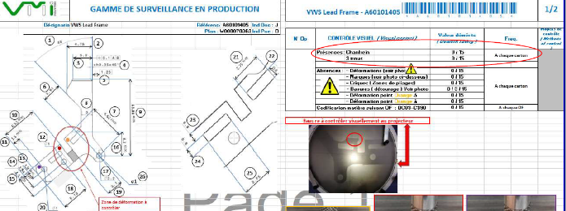
 | Work instruction |  | R.Remaud |  | 2024-08-26 | 2024-08-26 |  |  | 8.3 Audit done by supplier (if required)
 | Control instruction |  |  |  |  |  |  |  | Date |  |  | Results
 | Procedure |  |  |  |  |  |  |  | Comments
 | Control gage
 | Maintenance instruction
 | Lesson Learned Card
 | Other | Maintenance stock
 | Other |  |  |  |  |  |  |  | 8.4 Validation of 8D closure from supplier management
 | Other |  |  |  |  |  |  |  | Name / Position |  |  |  |  |  |  | Date

CLOSURE OF 8D FROM AVO/SCEET

 | open | Chargeback | open | Efficiency of 8D proven |  |  |  | open | Nok stocks at zero |  | Name | Lassaad.charaabi@avocarbon.com |  |  |  | Date

 | Validation from SCEET management (if required) |  |  |  |  |  |  | Decision |  |  | Name |  |  |  |  | Date

