Quick Response D1-D3
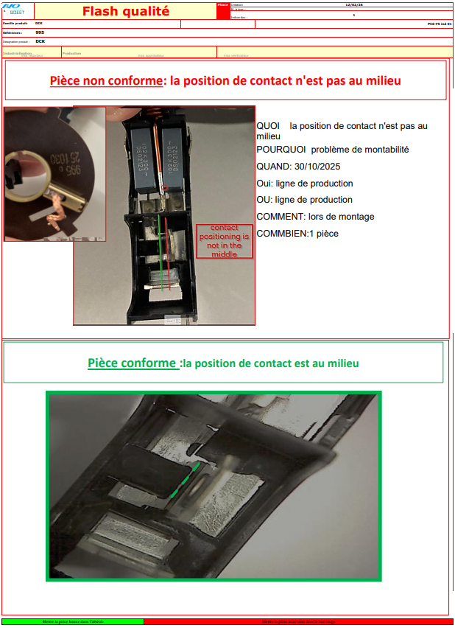
 |  |  |  |  | Template |  |  |  |  |  |  |  |  |  | HQ-F-S1-01
 |  |  |  |  | Claim Management
 |  |  |  |  | 8D report QR D1-D3 |  |  |  |  |  |  |  |  |  | 1st issued |  |  | edited |  |  | Version
 |  |  |  |  |  |  |  |  |  |  |  |  |  |  | 2018-12-03 |  |  | 2025-11-22 |  |  | 7

Nidec Data |  |  |  |  |  |  |  | Customer Data |  |  |  |  |  |  |  |  | Supplier Data
Site |  |  |  | NMAG |  |  |  |  | Name & Site |  | n.a |  |  |  |  |  |  | Name & Site |  | AVO Carbon Tunisia
Contact / Author |  |  |  | Olga Domröse |  |  |  |  | Contact |  | n.a |  |  |  |  |  |  | Contact |  | montassar.benhadjmohamed@avocarbon.com
Claim Reference |  |  |  | 2026-11 |  |  |  |  | Claim Reference |  | n.a
Nidec Part Number |  |  |  | 503-995 |  |  |  |  | Part Number |  | n.a
Nidec Part Description |  |  |  | brushcard |  |  |  |  | Part Description |  | n.a

Date of claim |  |  |  | 2026-02-16 |  |  |  | Date of Notification |  |  | 2026-02-15 |  |  | Date of QR |  | 2026-02-17 |  | update of QR |  | 2026-02-18

QUICK RESPONSE
- This document must be validated by Nidec within 24 hours after claim notification / Blue fields filled out by Nidec -

D 1. Description of the problem

1a What is the problem ? Use 5W+2H to describe what is the current situation.

 | Problem description |  |  | bent contact |  |  |  |  |  |  | What happened? |  |  |  | parts are with bent contact

 |  |  |  |  |  |  |  |  |  |  | Why is it a problem? |  |  |  | plug cannot be inserted
 | Incident level |  |  | C2:Production Claim
 | Part number |  |  | 503-995 |  |  |  |  |  |  | When did it happen? |  |  |  | 15.02.2026
 | Part description |  |  | brush card |  |  |  |  |  |  | Who detected it? |  |  |  | production line worker
Traceability of nok parts |  |  |  | see pictures |  |  |  |  |  |  | Where was it detected? |  |  |  | production line
 | Recurrence |  |  | YES recurrent defect |  |  |  |  |  |  | How was it detected? |  |  |  | visually
 | Defect S/R |  |  | NO |  |  |  |  |  |  | How many parts ? |  |  |  | 1

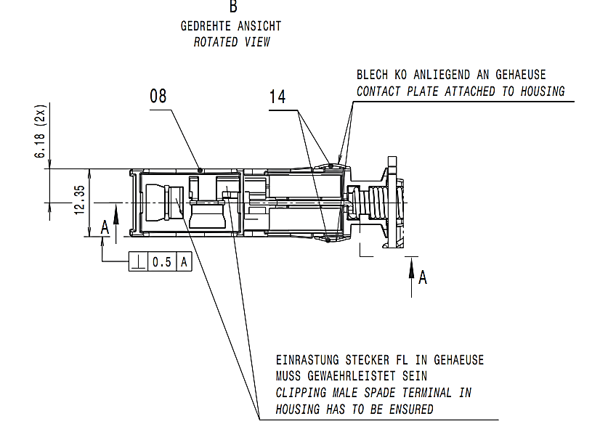
 | 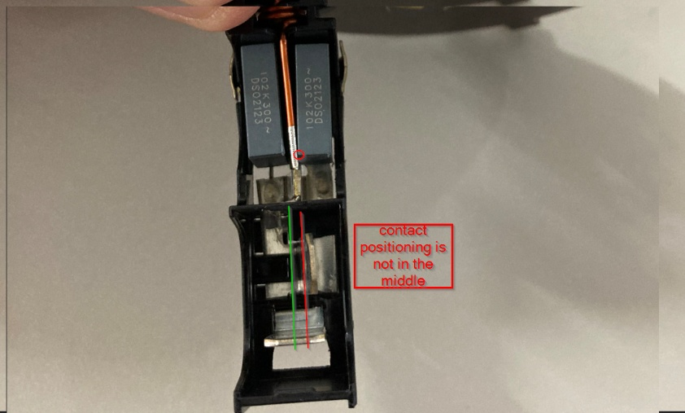 nok part picture / sketch |  |  |  |  |  |  |  |  |  | ok part picture / sketch |  | 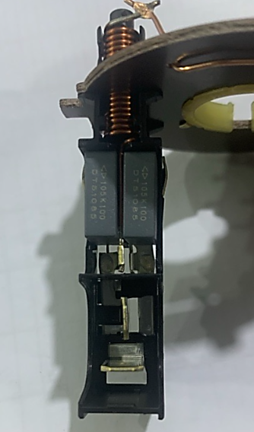

 | 1b Problem Solving Team

 | Name |  |  |  | Position |  |  |  | Location |  |  | Telephone |  |  |  | Email
 | Lasaad Charaabi |  |  |  | Plant Quality Manager |  |  |  | AVO |  |  |  |  |  |  | lassaad.charaabi@avocarbon.com
 | Riadh NEFZI |  |  |  | Production leader |  |  |  | AVO |  |  |  |  |  |  | riadh.nefzi@avocarbon.com
 | Montassar BEN HADJ MOHAMED |  |  |  | Quality Engineer |  |  |  | AVO |  |  |  |  |  |  | montassar.benhadjmohamed@avocarbon.com
 | Hajer JAAFRI |  |  |  | Methode Technicien |  |  |  | AVO |  |  |  |  |  |  | hajer.jaafri@avocarbon.com
 | Sana Dkhil |  |  |  | Quality Technicien |  |  |  | AVO |  |  |  |  |  |  | sana.dhkil@avocarbon.com

 | 1c Tool to use (defined by Nidec)

 |  | x | Ishikawa | x | FTA | x | 5why's |  |  | LLC |  |  | Audit |  |  | Other

 | 1d Problem description / first analysis of problem / potential root causes

 | The contact is deformed during the process of the serial production due to gap between the contact and the tour during the assembly operation

 | Samples of nok parts required at supplier location |  |  |  |  |  | YES |  | Express shipping supplier account |  |  |  |  |  | By DHL

D 2. Risk on similar products and processes

 | Can this defect happen on similar parts ? |  |  |  |  |  |  | Comments (compulsory if yes)
 | Other family product |  |  |  | YES |  | All DCK Reference
 | Other machine |  |  |  | NO
 | Other tooling |  |  |  | NO
 | Other Nidec plants |  |  |  | NO
 | Other

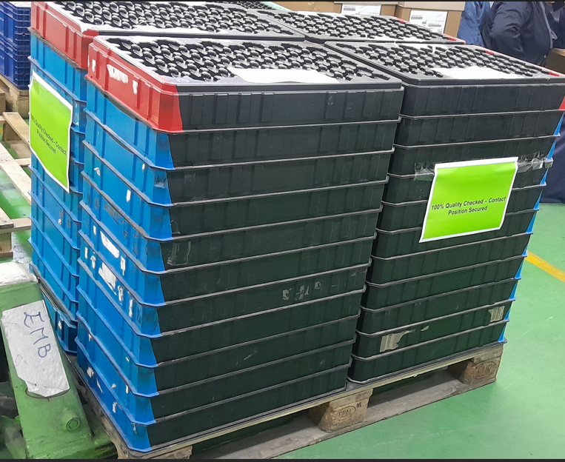

D 3. Containment

 | What are the actions to detect all non-conforming parts in the process flow ?

 | Location in the process flow |  |  |  |  | Nb to be sorted |  |  | Nb parts sorted |  |  | Nb nok parts |  |  | ppm |  |  | Date |  | Resp.
 | OEM
 | in transit to customer |  |  |  |  | 4444 |  |  | 4444 |  |  | 0 |  |  | 0 |  |  | 14-Feb-26 |  | Sana Dkhil
 | Parts at Nidec plant |  |  |  |  | 32500 |  |  | 26579 |  |  | 195 |  |  | 7337 |  |  | 20-Feb-26 |  | Sandra Riedel
 | Nidec logistics platform
 | Nidec's customer (C1 claim)
 | in transport to Nidec
 | Parts at supplier / supplier platform
 | Parts at sub-supplier
 | Nidec Consignation
 | Other Nidec plant/s …(Plant Name)….

 | How are the ok parts identified ? |  |  |  |  | No identification and special marking on the parts
 | How are the ok paletts identified ? |  |  |  |  | Paletts secured by special identification (100% quality checked , contact position secured)
 | First contained shipment information |  |  |  |  | 2026-02-14

What are the immediate actions to prevent production/delivery of nok parts ?

 | Actions |  |  |  |  |  |  |  | Nidec decision |  |  |  | Resp. |  |  | Date plan. |  |  | Date clos.
 | Nidec suspect stocks to be sent to supplier |  |  |  |  |  |  |  | not required
 | Express delivery to Nidec to avoid production stop |  |  |  |  |  |  |  | not required
 | Quality alert at working area |  |  |  |  |  |  |  |  |  |  |  | Montassar |  |  | 12-Feb-26 |  |  | 12-Feb-26
 | Information to all related employees |  |  |  |  |  |  |  |  |  |  |  | Montassar |  |  | 12-Feb-26 |  |  | 12-Feb-26

