Quick Response
QUICK RESPONSE PDCA
VIM Data |  |  |  |  |  |  |  |  |  |  |  |  |  |  |  |  |  | 1
 |  | Valeo Contact name [1] |  |  |  |  | INCIDENT CATEGORY [3] |  |  |  |  |  | Which LLC was already issued on similar problem? [21]
 |  | Elżbieta Odrzywolska elzbieta.odrzywolska@valeo.com |  |  |  |  |  | C1 |  |  | CP1 |  | 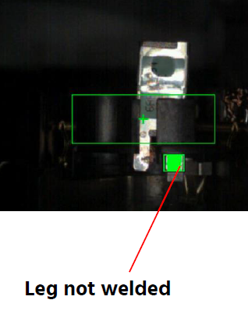 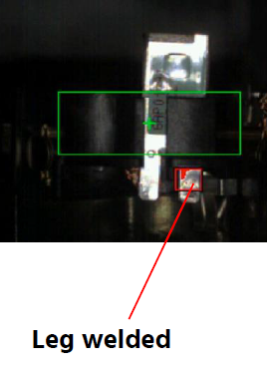 Put in place the camera to detect the conformity of the electrical welding of the thermal switch in the ground contact
 |  |  |  |  |  |  |  | C1WR |  |  | CP2
 |  |  |  |  |  |  | x | C2 |  |  | CA
 |  | PRODUCT (Designation + Ref) [2]
 |  |  |  |  |  |  | SUPPLIER INCIDENT DETAILS
 |  | Brush Plate W000051919 |  |  |  |  | Valeo SRM Incident Number |  |  | VWS-W21SKA1-2509-006
 |  |  |  |  |  |  | Date and Time of Valeo Notification |  |  | Date and Time of Customer Notification |  | 2025-09-10

 | WHAT IS THE PROBLEM ? > Use 5W + 2H to know what is the Current Situation ? |  |  |  |  |  |  |  |  |  |  |  | First findings after incident notification [22]
 | 5W2H |  |  |  |  |  | CHARACTERIZATION |  |  |  |  |  |  | Real data ? ( please identify the involved standards ) |  | Factor(s) to include in FTA Occ or FTA Non Det
 | WHAT happened? [4] | Lack of welding between thermal switch and ground contact Standard: Part has a weld between the thermal switch and the ground contact. Part NOK: Lack of welding between thermal switch and ground contact. Part OK: Part has a weld between the thermal switch and the ground contact. |  |  |  |  | What is the difference between good and bad parts? [11] |  | Standard: The thermal switch leg is welded in the ground contact leg with the presence of the eletrode trace Welding strength >= 50N. Good part: The thermal switch leg is welded in the ground contact leg with the presence of the eletrode trace Welding strength = 175N. measured part on 10/09/2025 & 183N measured on 21/08/2025 during the serial production Bad part: according to the photo, there is a lack of electrical welding between the thermal switch leg in the ground contact leg ( waiting for reception of the bad part DHL number = 8948777014 |  |  |  | 1/ ... in the MACHINE SETTINGS [23], e.g. parameters list and values, setup records
 | WHY is it a problem? [5] | part not complaiant with specification, risk of customer claim |  |  |  |  | Was part produced in the standard process? [12] |  | Yes, the part is produced in the standard process |  |  |  | 2/ ... in the OPERATIONS [24], e.g. QRAP, OK start, shift, operator, maintenance, breakdowns, cavities, tools, 5S,
 | WHEN detected [6] | 09.09.2025 |  |  |  |  | When was it manufactured at Supplier? [13] |  | 21/08/2025 Aftenoon shift, electrical test marking 17:11 mn
 |  |  |  |  |  |  |  |  |  |  |  |  | 3/ ... in the QUALITY CONTROLS [25], e.g. inspection records, control means, line rejects
 | WHO detected? [7] | Quality Technician |  |  |  |  | Who manufactured? [14] |  | Supervisor : Nabiha Ben salah Quality Technicien: Naffeti Fouzia Operator of the electrical welding: Mlik Mounira,matricule 3539: Level B Final control: Amri Najeh, matricule 593 Level B / Zidani Najwa, matricule 2006 Level B / Ncir Ismahene, matricule 1902 Level B Level B: right level requested
 | (name of operator)
 | WHERE detected? [8] | M1 line |  |  |  |  | In which other application or processes product is used? [15] |  | Only the part number W000051919 prodiced on 21/08/2025 is impacted |  |  |  | 4/ ... in the RAW MATERIAL [26], e.g. component lots, suppliers, tools, cavities
 | HOW detected? [9] | motor rejected on the line during accentric bush adjustment |  |  |  |  | Are we capturing the defect when reinjecting product in normal process? [16] |  | The master part ( without electrical welding between the thermal switch & the ground) was detected by the final control but is not was not detected by the electrical test, we will injecte the bad part after reception
 |  |  |  |  |  |  |  |  |  |  |  |  | 5/ ...in the PROJECT ACTIVITY [27], e.g. DV/PV records
 | HOW MANY bad parts? [10] | 1 |  |  |  |  | Did a similar problem happen previously at customer or internally? [17] |  | VWS-W21SKA1-2402-001
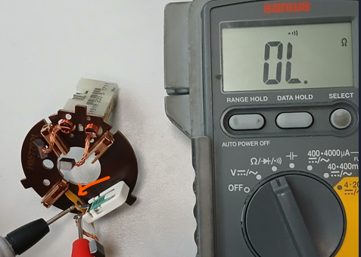
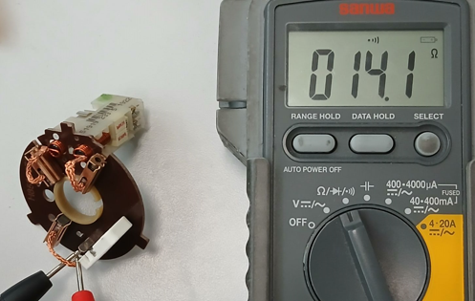
 | 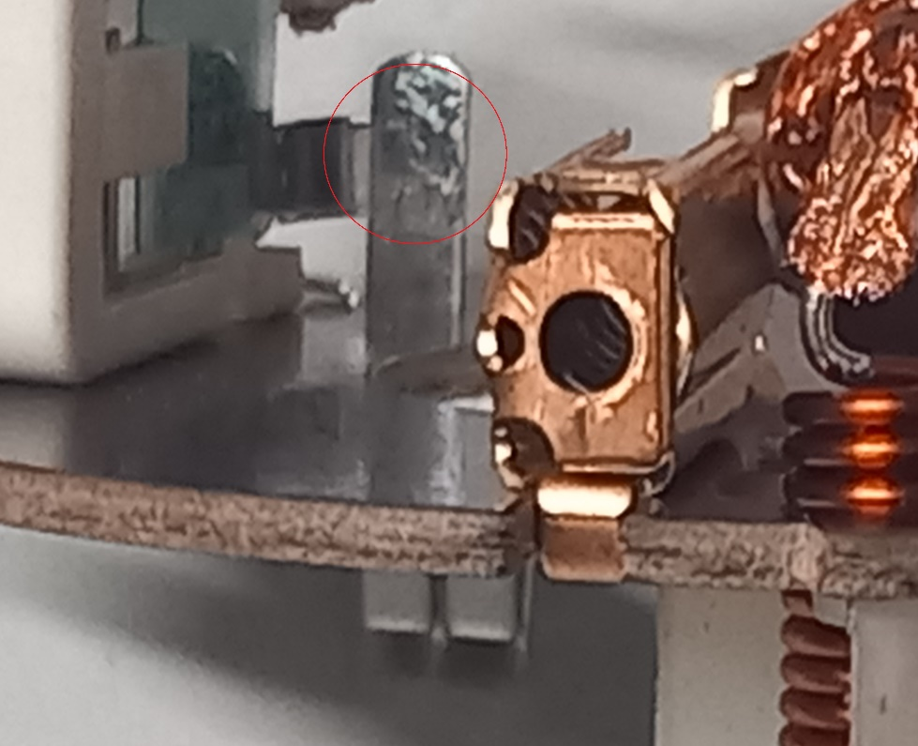 BAD PART [18] |  |  |  |  |  | 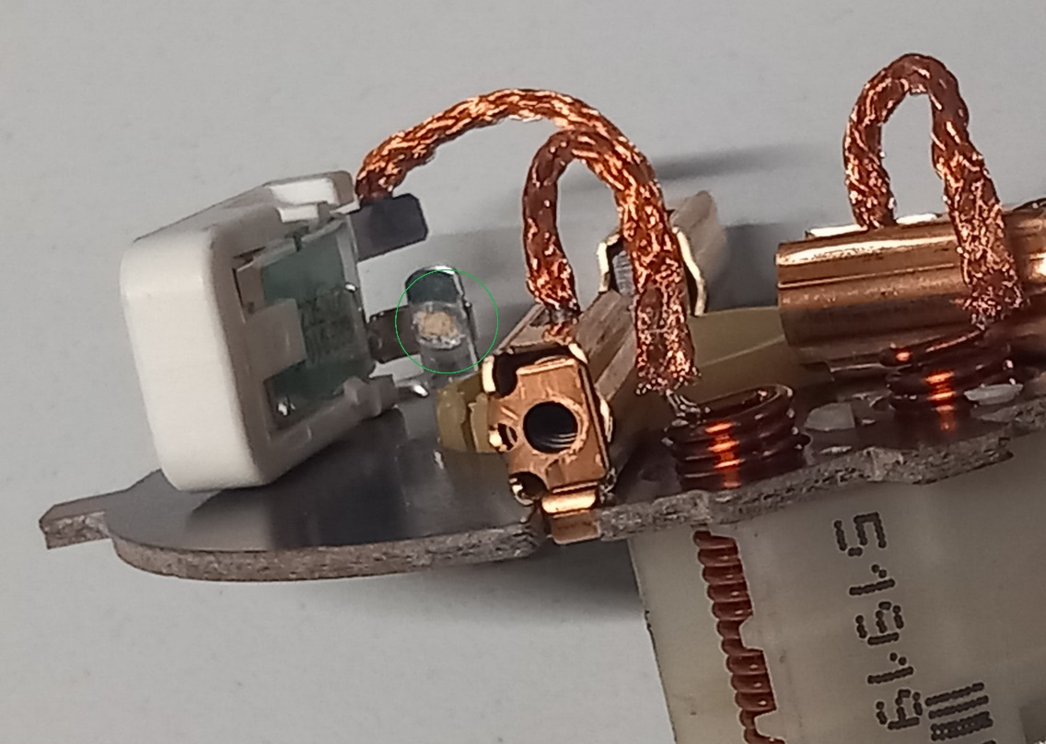 GOOD PART [19] |  |  |  |  |  | WHAT ARE THE IMMEDIATE COUNTERMEASURES (24 hours)?
 |  | 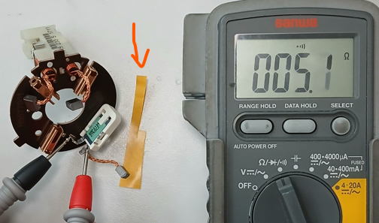

 |  |  |  |  |  |  |  |  |  |  |  |  | 1. IMMEDIATE COUNTERMEASURES IN SUPPLIER PERIMETER ? [31] |  | WHO | DATE | WHERE

 |  |  |  |  |  |  |  |  |  |  |  |  | current outage "power shut down" on 21/08/2025 at 16:35 mn, due to the short circuit in the electrical test "botrollage operation", information of all VALEO sites of the suspected batch delivered to VALEO Skawina ( Minimum 1 bad part & Maximum 6 bad parts linked to the electrical welding |  | Lassaad Charaabi | 2025-09-10 | VM4 line

 |  |  |  |  |  |  |  |  |  |  |  |  | Flash quality displayed |  | Sana Dhkil | 2025-09-10 | VM4 line
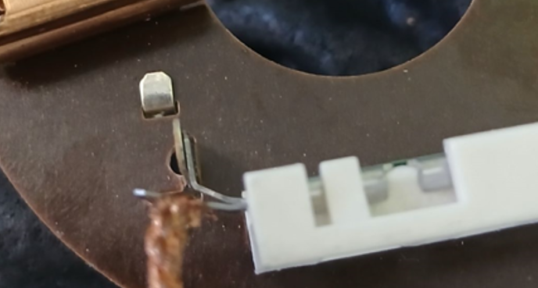
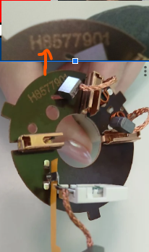
 |  |  |  |  |  |  |  |  |  |  |  |  | Sorting operation of the quantity in AVO plant |  | Sana Dhkil | 2025-09-10 | VM4 line
 |  |  |  |  |  |  |  |  | Origin of the part

 | SORTING ACTIVITY to protect customer [20]

 |  |  | Nb. NG Parts | Nb. Sorted |  | PPM |  | Sorting date | WHO |  | Identification OK parts |  | 2. IMMEDIATE COUNTERMEASURES IN VALEO LINE ? [32] |  | WHO | DATE | WHERE
 | -Results of sorting in Valeo's Customer plant |  |  |  | = | '----' | PPM
 | -Results of sorting in Valeo Plant |  |  | 7431 | = | 0 | PPM |  |  |  |  |  | Check the quantity produced on 21/08/2025 between 16:35mn & 20:00 mn |  | Lassaad Charaabi | 11/09/2025 | By email
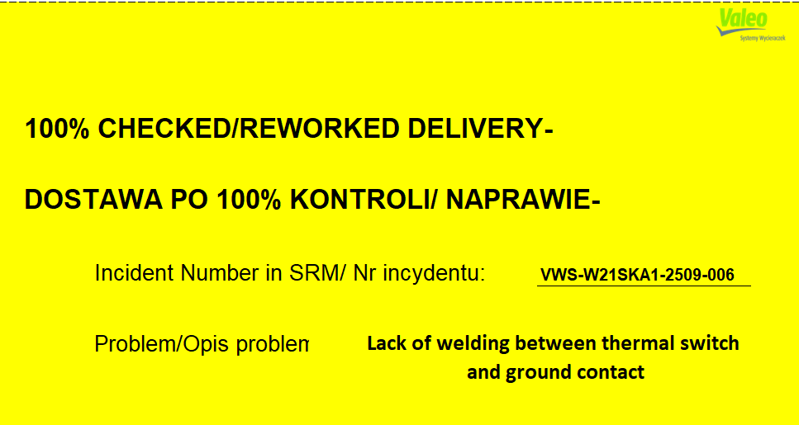
 | -Results of sorting in Other Valeo Plants |  |  |  |  | '----' | PPM
 | -Results of sorting in Transport |  |  |  | = | '----' | PPM
 | -Results of sorting in Valeo's Logistics platform |  |  |  |  | '----' | PPM
 | -Results of sorting in Supplier's Logistics platform |  |  |  | = | '----' | PPM
 | -Results of sorting in Supplier plant |  | 0 | 9450 |  | 0 | PPM | 2025-09-10 | Sana Dkhil
 | -Results of sorting in after-sales stocks |  |  |  | = | '----' | PPM
 | TOTAL SORTING |  | 0 | 16881 | = | 0 | PPM

 | Production dates of sorted parts | From | To |  |  |  |  | First certified good shipment: |  | Label's Number |  | Date
 |  | 2025-08-21 | 2025-08-21 |  |  |  |  |  |  | 20250908 |  | 2025-09-11
 | Period of NG parts | Earliest NG part Date | Latest NG part Date |  |  |  |  |  |  | Identification OK parts / OK pallets
 |  | 21/08/2025 from 16:00h to 20:00h | 21/08/2025 from 16:00h to 20:00h

 | VALEO CAN DETECT THE DEFECT ON THE PRODUCTION LINE AT 100% (YES/NO) ? |  |  |  |  |  |  |  |  | If not, Supplier must set up a control at 100% on the Valeo line

Assign
ASSIGNMENT / BREAKDOWN
N° | ASSIGNMENT [1] | RESULTS [2] | WHO [3] | Due date [4] | Done date [5]
1 | Put in place the control by the camera in EOL |  | David Dez
2 | Request the bad part by DHL | Tracking number = 8948777014, DHL in transit | Lassaad Charaabi | 2025-09-10 | 2025-09-10
3 | Check the traceability of the electrical test | Part produced on 21/08/2025 at 17:11 mn | Lassaad Charaabi | 2025-09-10 | 2025-09-10
4 | Check the traceability of the force test | Bad part is good in the force test | Lassaad Charaabi | 2025-09-10 | 2025-09-10
5 | Check the quantity rejected "scrap" on 21/08/2025 | 0 bad part linked to the electrical welding, 1 bad part linked to the soldering tin | Sana Dkhil | 2025-09-10 | 2025-09-10
6 | Check the traceability of the QRAP on 21/08/2025 | No QRAP linked to the electrical welding on 21/08/2025 | Sana Dkhil | 2025-09-10 | 2025-09-10
7 | Check the maintenance intervention | Power outage on 21/08/2025 at 16:35 mn due to the short circuit in the botrollage operation in the electrical test, the quantity produced = 1128 on 21/08/2025 from 16:35 to 20:00h was delivered to Valeo Skawina site, | Kamel Massoudi | 2025-09-10 | 2025-09-11
9 | Check the pull out test of the electrical welding of the thermal switch on the ground during the week 34/2025 | 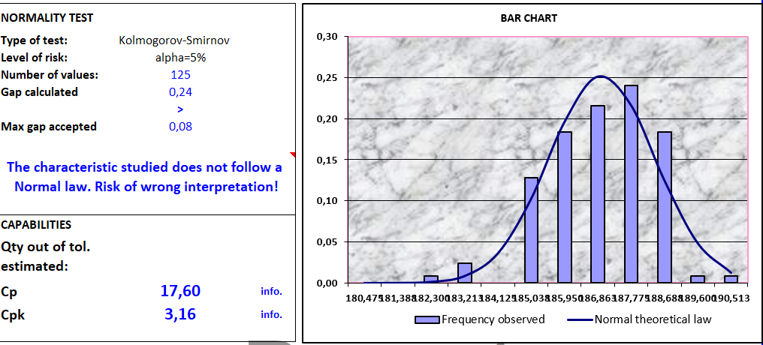 Cpk = 3,16 | Sana Dkhil | 2025-09-10 | 2025-09-10
10 | Check the electrical welding parameters | 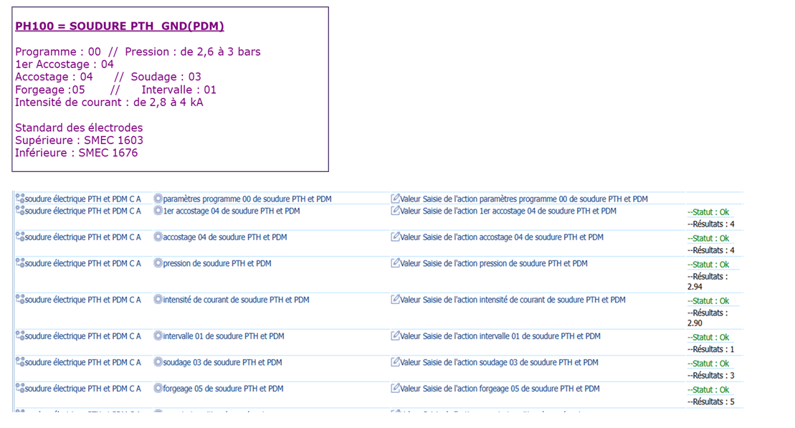 Electrical welding parameters according to the standard | Sana Dkhil | 2025-09-10 | 2025-09-10
11 | Check the traceability in the automate of the electrical test | No traceability of the bad parts saved in the electrical test | Mohamed Ben Ismail | 2025-09-11 | 2025-09-11
12 | Reproduce the similar defect & check the reaction of the electrical test | Same defect was not detected by the electrical test, the part was identified as good | Anis Othmani | 2025-09-10 | 2025-09-10
13
14
15
16
17
18
19
20
21
22
23
24
25
26
27
28
29
30

Timeline
TIMELINE [1]

RISKY WINDOW

Week / Date
Qty produced
Qty NOK detected [2]
Defect rate (ppm)*
* If you have ppm chart available, it can be pasted below

 | Report date and events which may have generated the occurrence or lack of detection. | Report date and events which may have generated the occurrence or lack of detection. | Report date and events which may have generated the occurrence or lack of detection. | Report date of notification of the First Defect detected @ Valeo / Customer | Report date and Immediate Countermeasure | Report date and Immediate Countermeasure | Report date and Final Countermeasure after Check Act

DEFECT RATE (PPM)

Process Flow
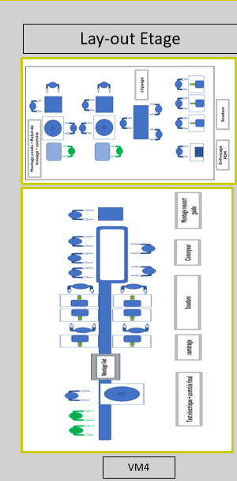
PROCESS FLOW [1]

SQA Genba Check
 |  | Genba Check StEDE PDCA Genba Check Efficiency control - StEDE3 workstation assesment

 | Supplier Name |  |  | StEDE PDCA Genba Check |  |  |  |  |  |  |  | EFFICIENCY CONTROL |  | StEDE3 Workstation assesment result
 | Supplier Location
 | Audit date
 | Auditor name |  |  |  |  |  |  |  |  |  |  | Number of parts since actions are in place
 | Incident number | Root cause | Nb | Action: TECHNICAL / SYSTEMIC CORRECTIVE ACTION | Existence: STANDARD NUMBER REVISION LEVEL | Deployment: Are ALL users including their N+1 (Direct Manager) trained to use this STANDARD ? Yes / No | Enforcement: Is there an ENFORCEMENT plan for the N+1 ( Direct manager ) to ensure the respect of this STANDARD ? Yes / No | Action | Existence | Deployment | Enforcement | Produced | Bad parts | StEDE 3 Workstation assesment result
TECHNICAL / SYSTEMIC CORRECTIVE ACTION - OCCURRENCE | VWS-W21SKA1-2509-006 |  | 1
 | Confirmed on Genba: Supplier / Valeo SQA: Y/N
 | VWS-W21SKA1-2509-006 |  | 2
 | Confirmed on Genba: Supplier / Valeo SQA: Y/N
 | VWS-W21SKA1-2509-006 |  | 3
 | Confirmed on Genba: Supplier / Valeo SQA: Y/N
 | VWS-W21SKA1-2509-006 |  | 4
 | Confirmed on Genba: Supplier / Valeo SQA: Y/N
 | VWS-W21SKA1-2509-006 |  | 5
 | Confirmed on Genba: Supplier / Valeo SQA: Y/N
 | VWS-W21SKA1-2509-006 |  | 6
 | Confirmed on Genba: Supplier / Valeo SQA: Y/N
 | VWS-W21SKA1-2509-006 |  | 7
 | Confirmed on Genba: Supplier / Valeo SQA: Y/N
 | VWS-W21SKA1-2509-006 |  | 8
 | Confirmed on Genba: Supplier / Valeo SQA: Y/N
 | VWS-W21SKA1-2509-006 |  | 9
 | Confirmed on Genba: Supplier / Valeo SQA: Y/N
 | VWS-W21SKA1-2509-006 |  | 10
 | Confirmed on Genba: Supplier / Valeo SQA: Y/N

TECHNICAL / SYSTEMIC CORRECTIVE ACTION - NON DETECTION | VWS-W21SKA1-2509-006 |  | 11
 | Confirmed on Genba: Supplier / Valeo SQA: Y/N |  |  |  |  |  |  |  |  |  |  |  |  |  | ok | ok
 | VWS-W21SKA1-2509-006 |  | 12 |  |  |  |  |  |  |  |  |  |  |  | nok | nok
 | Confirmed on Genba: Supplier / Valeo SQA: Y/N |  |  |  |  |  |  |  |  |  |  |  |  |  | conditional ok | conditional ok
 | VWS-W21SKA1-2509-006 |  | 13
 | Confirmed on Genba: Supplier / Valeo SQA: Y/N
 | VWS-W21SKA1-2509-006 |  | 14
 | Confirmed on Genba: Supplier / Valeo SQA: Y/N
 | VWS-W21SKA1-2509-006 |  | 15
 | Confirmed on Genba: Supplier / Valeo SQA: Y/N
 | VWS-W21SKA1-2509-006 |  | 16
 | Confirmed on Genba: Supplier / Valeo SQA: Y/N
 | VWS-W21SKA1-2509-006 |  | 17
 | Confirmed on Genba: Supplier / Valeo SQA: Y/N
 | VWS-W21SKA1-2509-006 |  | 18
 | Confirmed on Genba: Supplier / Valeo SQA: Y/N
 | VWS-W21SKA1-2509-006 |  | 19
 | Confirmed on Genba: Supplier / Valeo SQA: Y/N
 | VWS-W21SKA1-2509-006 |  | 20
 | Confirmed on Genba: Supplier / Valeo SQA: Y/N

 |  |  |  |  |  |  |  | Actions to be defined for "NOK" cells (above) |  |  |  | StEDE3 result (lowest score of cells above) |  | 0

 |  |  |  |  |  |  |  | Genba Check rate

 |  |  |  | Actions plan for "No" answer to StEDE PDCA Genba check
 |  |  | Nb | Action | Action | Action | Action | Who | When | Done date
 |  | TECHNICAL / SYSTEMIC CORRECTIVE ACTION - OCCURRENCE | 1

 |  |  | 2

 |  |  | 3

 |  |  | 4

 |  |  | 5

 |  |  | 6

 |  |  | 7

 |  |  | 8

 |  |  | 9

 |  |  | 10

 |  | TECHNICAL / SYSTEMIC CORRECTIVE ACTION - NON DETECTION | 11

 |  |  | 12

 |  |  | 13

 |  |  | 14

 |  |  | 15

 |  |  | 16

 |  |  | 17

 |  |  | 18

 |  |  | 19

 |  |  | 20

StEDE3 Matrix
 | StEDE3 Workstation Assessment v2.5
 |  |  |  |  |  |  | 0

Supplier :
Plant location :
Assessment date : |  |  | StEDE3 ASSESSMENT RESULT : |  |  |  | 0/ 9
Workstation assessed :
Assessor / Company
Setter :
Operator : |  |  |  |  |  |  | For supplier self assesment activity, column to be assessed by:
Step 1 : 360° Variability Hunting |  |  | Step 2 : StEDE3 Matrix |  |  |  | Direct Manager of the user |  | Manager from an other APU/Department
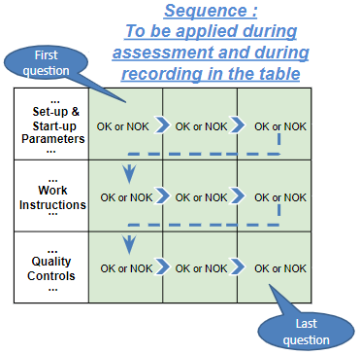
Silent Workstation observation for 10/15 min, to detect any potential Variability related to : - machine settings - operator activities - quality controls |  |  | StEDE3 Matrix Excellence Through Standards |  |  |  | EXISTING ? | DEPLOYED ? How were the users trained to apply this STANDARD ? ( including their Direct Manager if not the trainer ) | ENFORCED ? What is the Direct Manager of the users doing to ensure the strict and continuous EXECUTION of this STANDARD ?
 |  |  |  |  |  |  | Clear, Visible, Quantified, Doable. | Respected by users. Can be explained by users. | The Direct Manager checks on genba the respect of the standards and in case a gap is found an action is defined
 |  |  | For a given Process / Workstation : Are StANDARDS for… | … Set-up Parameters … |  | Parameters list, values and limits and necessary work instructions to set the machine/workstation up for production of the selected part number (to be compared with those used during the FDPR / IS) |  |  |  | 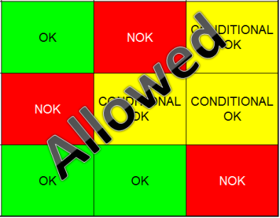
 |  |  |  | ... Work Instructions … |  | Instructions defining how to operate the station safely, to produce parts, and how to maintain the equipment. |  |  |  | 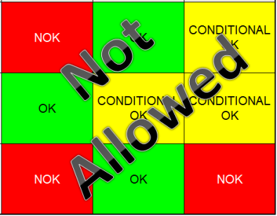
 |  |  |  | … Quality Controls … |  | Activities to control the quality of the operation or of the product after transformation to ensure only good parts are transferred to the next station |  |  |  | 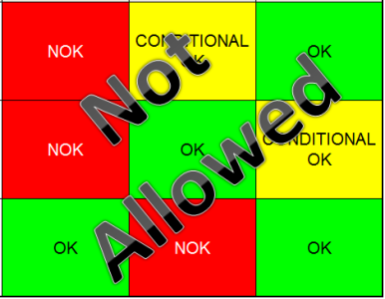

 | Conclusion :

Step 3 : Findings
StEDE3 Matrix Excellence Through Standards |  | EXISTING ? | DEPLOYED ? | ENFORCED ? |  | "Reduction of the variability in our processes, being production or administrative, is key to ensure the sustainability of any continuous improvement"
0 / 9 |  | Clear, Visible, Quantified, Doable. | Respected by users. Can be explained by users. | Audited by direct manager on Genba at a frequency defined based on frequency of usage of standard. | Category (Ex / Dep / Enf) | Findings and next steps |  |  | Owner | Date | Status | Is FMEA update required ? Yes / No | If "Yes", done date
For a given Process / Workstation : Are StANDARDS for… | ...Set-up Parameters … | 0 | 0 | #REF! |  | Finding #1 : Next step :

 |  |  |  |  |  | Finding #2 : Next step :

 |  |  |  |  |  | Finding #3 : Next step :

 | ... Work Instructions … | 0 | 0 | 0 |  | Finding #1 : Next step :

 |  |  |  |  |  | Finding #2 : Next step :

 |  |  |  |  |  | Finding #3 : Next step :

 | ...Quality Controls … | 0 | 0 | 0 |  | Finding #1 : Next step :

 |  |  |  |  |  | Finding #2 : Next step :

 |  |  |  |  |  | Finding #3 : Next step :

 | VALEO signature |  |  |  |  |  | SUPPLIER signature

