LLC Non det
Put mouse on cells with red corner to see details on content expectation. LLC's to be submitted only in ENGLISH
 | LESSON LEARNED CARD
 |  |  |  | Template version |  |  | 1.7
Product Group: | MNG2 |  |  | Incident Ref.: | VWS-W11CHA1-2404-015
Site: | AVOCARBON Tunisie |  |  | LLC Ref.: | supplier
APU/Line: | MNG2 |  |  | LLC Type: | Non detection
Tech. Product Line: | MNG2 |  |  | Category: | WR
Author: | Aymen Ghribi |  |  | Responsibility: | supplier | Supplier name: | AVOCARBON

INCIDENT
What was the problem? (5W+2H)
What happened? |  |  | Bad part: cut braid /burned spring / burned Brushbox / Mechanical strengh 0 N Good part: Uncut braid // Unburned spring / Unburned Brushbox / / Mechanical strengh 78 N Standard: Braid was welded with brushbox and without cut braid /burned spring / burned Brushbox ,Mechanical strengh >20 N
Why is it a problem? |  |  | Customer view: Loss of function of the wiper motor Valeo View: Motor without function
When detected? |  |  | Waranty returned part (WR24-094). Motor detected on Vehicle VIN: VR3EFYHT2PN534100 (no data on reparation date of vehicle and mileage), BCH production date 30/03/2023 (marking: .0893)
Who detected? |  |  | Dealer and confirmed by Valeo Warranty lab.
Where detected? |  |  | At the final customer and at Valeo Châtellerault
How were the NC parts detected? |  |  | During the vehicle life, and during the analysis at Valeo.
How many NC parts reported by Valeo? |  |  | 1
How many NC parts sent to Valeo? |  |  | 1
What is the symptom? |  |  |  | What is the root cause?
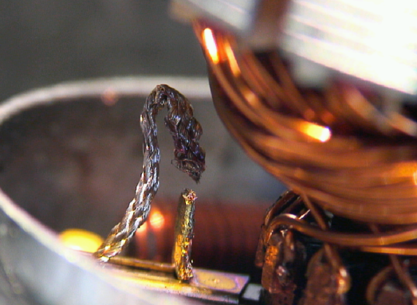 Insert here the BAD part or BAD factor image |  | 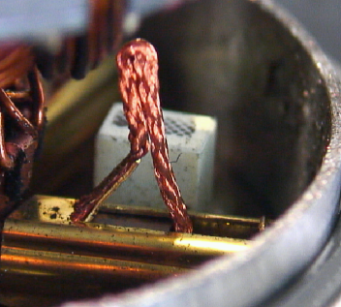 Insert here the GOOD part or GOOD factor image |  | 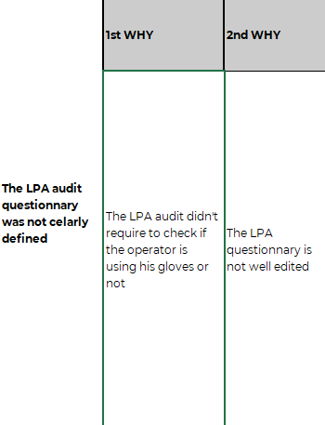 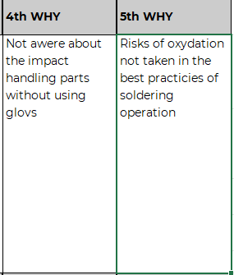 Insert here the 5 Why analysis, with a highlight on the 'Why' addressed in this LLC.
BAD Part |  | GOOD Part

Braid With sweat after 24 hours heat and humidity
WHAT WE LEARNED
BEFORE |  |  |  | AFTER
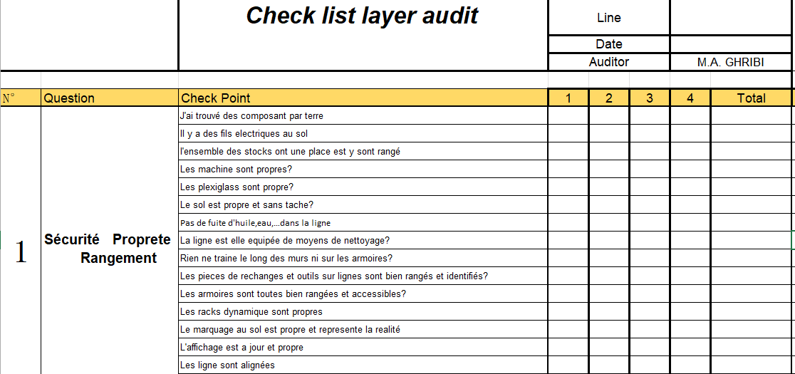 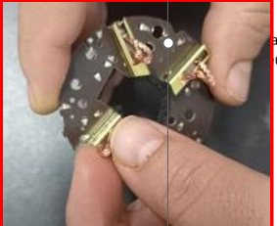 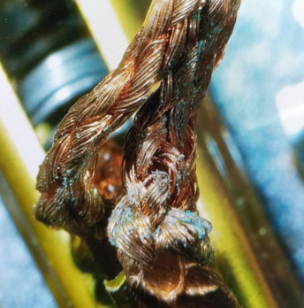 Occurene : The LPA audit din't require to check if the operator is using his gloves or not |  |  |  | 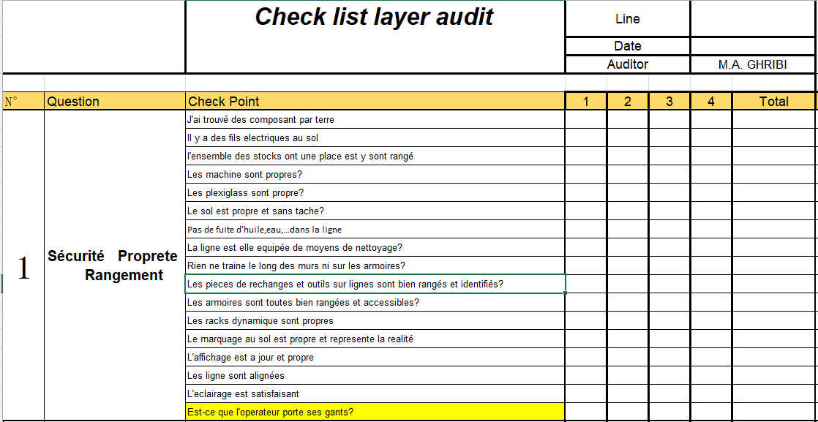 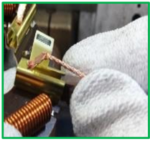 Corrective Action: Update the LPA checklist to require the control of the gloves using by the operator
CONTROL FACTOR |  |  |  | METHOD
LPA Audit check |  |  |  | What | Check if the operator use their gloves to manipulmate the Parts
CRITERIA |  |  |  | How | By LPA audit
What is conform? | The LPA audit detect the non respect of the gloves using by operator |  |  | Who | All Operators
What is non-conform? | The LPA audit don't detect the non respect of the gloves using by operator |  |  | Where | All production line
 |  |  |  | When | SOP

STANDARD
Highest level of standard |  |  |  |  |  | FMEA Type
PFMEA |  |  |  |  |  | process
Description of Standard(s) |  |  | Reference / Rev. N° of Standard(s) |  |  | RPN Before | RPN After
PFMEA MNG2 line |  |  | Level 71 |  |  | 120 | 72
POTENTIAL APPLICABILITY: |  |  | Create a LLC ToDo to record / create transversalization.

Consequences if the corrective actions are not respected? (cost, product failure, line stoppage, ...) |  |  |  | Risk blocked brush / motor not fonctional and WR issue

