Quick Response
 |  |  |  |  |  |  | Supplier 8D report |  |  |  |  |  |  |  | supplier logo

Customer plant |  |  |  | AVO/SCEET Fahs |  |  |  | Supplier |  | VMI |  |  |  |  |  | Date of claim : |  | 2024-07-18
Customer contact |  |  | Lassaad.charaabi@avocarbon.com |  |  |  |  |  |  |  |  |  |  |  |  | Date of QR : |  | 2024-07-19 |  | AVO/SCEET Fahs
Claim reference |  |  |  | 2024-July-020 |  |  |  | Author |  | Arfaoui Amira |  |  |  |  |  | Update of QR : |  | 2024-09-06

QUICK RESPONSE

D 1. Description of the problem
 | 1.a What is the problem ? Use 5W+2H to describe what is the current situation. |  |  |  |  |  |  |  |  |  |  |  |  |  |  |  |  |  |  | C1 : Customer claim
 | Problem description |  |  | Situation non conforme: lead frame without hole Situation conforme:lead frame with hole Standard: Lead frame with hole |  |  |  |  |  |  | What happened? |  |  |  | lead frame without hole Leg of the choke not soldered which generate lack of contunity during motor function |  |  |  |  | C2 : Production claim
 |  |  |  |  |  |  |  |  |  |  |  |  |  |  |  |  |  |  |  | C3 : Incoming inspection claim
 |  |  |  |  |  |  |  |  |  |  | Why is it a problem? |  |  |  | disfunction of motor & customer claim |  |  |  |  | WR : Warranty
 | Incident level |  |  | C1 : Customer claim
 | Part number |  |  | A60101405 |  |  |  |  |  |  | When did it happen? |  |  |  | VALEO Plant: 09/07/2024 AVO Plant: 26/04/2024 shift 1 |  |  |  |  | recurrent defect
 | Part description |  |  | lead frame FLEX |  |  |  |  |  |  | Who detected it? |  |  |  | Customer for VALEO SLP: Test funtion AVO Plant: 2 lead frame detected during the sorting by the operator |  |  |  |  | no reccurent defect
 | Traceability of nok parts |  |  | DEC002956 |  |  |  |  |  |  | Where was it detected |  |  |  | Assembly line of the customer of VALEO AVO plant: soldering tin workstation
 | Recurrence |  |  | NO |  |  |  |  |  |  | How was it detected? |  |  |  | visual |  |  |  |  | yes (S/security)
 | Defect S/R |  |  | no |  |  |  |  |  |  | How many parts ? |  |  |  | VALEO:1 pcs AVO plant: 2 parts |  |  |  |  | yes (R/reglementation)

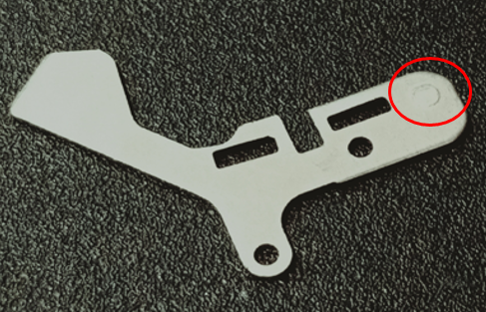
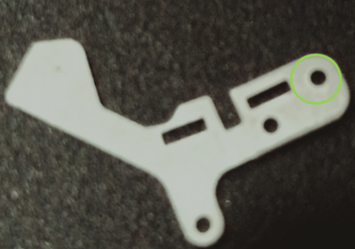
 | nok part picture / sketch |  |  |  |  |  |  |  |  |  | ok part picture / sketch

 |  |  |  |  |  |  |  |  |  |  |  |  |  |  |  |  |  |  |  | yes

 | 1.b Supplier problem solving team
 | Name |  |  |  | Position |  |  |  | Location |  |  | Telephone |  |  |  | Email
 | Remaud Raphael |  |  |  | Quality manager |  |  |  | VMI Plant |  |  |  |  |  |  | r.remaud@vmi-31.com
 | Lassaad Charaabi |  |  |  | SQA manager |  |  |  | AVO Carbon |  |  |  |  |  |  | lassaad.charaabi@avocarbon.com
 | Marc Pujol |  |  |  | Method manager |  |  |  | VMI Plant |  |  |  |  |  |  | m.pujol@vmi-31.com

 | 1.c Tool to use (defined by Sceet)
 |  | Ishikawa |  |  | FTA |  | 5why's |  |  | LLC |  |  | Audit |  |  | Other

 | 1.d Problem description from supplier / first analyse of problem / potential root causes

 | Samples of nok parts required at supplier location |  |  |  |  |  | yes |  |  |  |  |  |  | Express shipping supplier account

D 2. Risk on similar products and processes
 | Can this defect happen on similar parts ? |  |  |  |  |  |  |  |  |  |  |  |  | Comments (compulsory if yes)
 | Other family product |  |  | Yes |  |  |  |  |  |  |  |  |  | A60101406
 | Other machine |  |  | Yes
 | Other tooling |  |  | Yes
 | Other |  |  | No

D 3. Containment |  |  |  |  |  |  |  |  |  |  |  |  | see sorting approval
 | What are the actions to detect all non-conforming parts in the process flow ?
 | Location in the process flow |  |  |  |  | Nb to be sorted |  |  | Nb parts sorted |  |  | Nb nok parts |  |  | ppm |  | Date |  | Resp.
 | Parts at Sceet plant (non-assembled connector) |  |  |  |  | 170,000 |  |  | 170000 |  |  | 2 |  |  | 11 |  | 2024-07-18 |  | Brika Ben belgacem
 | Parts at Sceet logistics platform (finish goods) |  |  |  |  | 111,000 |  |  | 111000 |  |  | 0 |  |  | 0 |  | 2024-07-04 |  | Abir Channoufi
 | Parts at Sceet's customer (C1 claim) (Moteurs) |  |  |  |  | 0
 | Parts at Sceet's customer (C1 claim) (PPC) |  |  |  |  | 597,340 |  |  | 597340 |  |  | 0 |  |  |  |  | 2024-07-05 |  | Aymen Ghribi
 | Parts in transport (Finish goods)
 | Parts at supplier / supplier platform
 | Parts at sub-supplier |  |  |  |  | 95000 |  |  | 95000 |  |  | 0 |  |  | 0 |  | 2024-07-19 |  | Helene Martinez

 | How are the ok parts identified ?
 | How are the ok paletts identified ? |  |  |  |  | Lead frame certified at 100%
 | First contained shipment information |  |  |  |  | 2024-07-24

 | What are the immediate actions to prevent production/delivery of nok parts ?
 | Actions |  |  |  |  |  |  |  | Sceet decision |  |  |  | Resp. |  |  | Date plan. |  | Date clos.
 | Sceet suspect stocks to be sent to supplier
 | Express delivery to Sceet to avoid production stop
 | Display the quality claim in VMI line |  |  |  |  |  |  |  |  |  |  |  | Helene Martinez |  |  | 2024-07-18 |  | 2024-07-18
 | Launch the sorting of the stock in VMI plant |  |  |  |  |  |  |  |  |  |  |  | Helene Martinez |  |  | 2024-07-18 |  | 2024-07-18
 | Ensure the effectivness of the sorting by the injection of the similar defect |  |  |  |  |  |  |  |  |  |  |  | Helene Martinez |  |  | 2024-07-18 |  | 2024-07-18

