LLC Occ
 |  | LESSON LEARNED CARD

Site: | AVOT |  | Type: | Supplier | CIN: | NA
Production Line: | Semi-Tamping |  | Department: | Quality | SIN: | NA
Product: | brush 08-9094 |  | LLC Author: | YBR | Date: | 2024-12-03
WHAT WAS THE PROBLEM? (5W + 2H) |  |  | WHAT IS THE SYMPTOM?
What happened? |  |  | 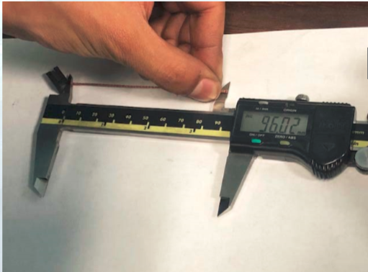 |  | 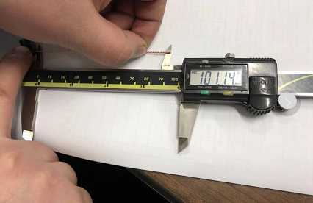
Shunt out of spec
Why is it a problem?
Affect motor assembly
When did it happen?
2024-12-03
Who detected it?
PQC
Where was detected?
Tamping line
How was detected?
measurement
How many?
1pcs
BEFORE |  |  |  | AFTER
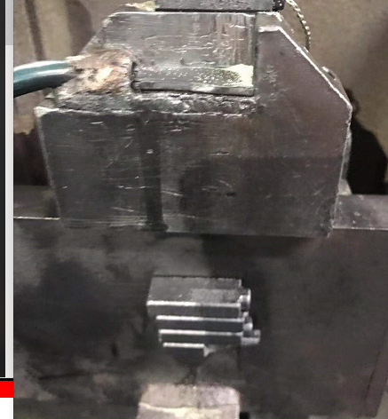 |  |  |  | 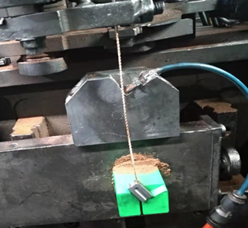

WHAT WE LEARNED?
ITEM (Control Factor) |  | METHOD (Control Point) |  |  | STANDARD
Re-design the tamping jig, to add the fixing device on the original supporting class |  | What? | Re-design the tamping jig, to add the fixing device on the original supporting class |  | What is Conform?

 |  | Where? | tamping process

 |  | When? | 2024-12-07

 |  | Who? | Yongchun Zhang |  | What is Non-Conform?

 |  | How? | Re-design the tamping jig according to the brush shape

 |  | How Many? | 1 tamping jig

LLC NON-DET
 |  | LESSON LEARNED CARD

Site: | AVOT |  | Type: | Supplier | CIN: | NA
Production Line: | Semi-Tamping |  | Department: | Quality | SIN: | NA
Product: | brush 08-9094 |  | LLC Author: | YBR | Date: | 2024-12-03
WHAT WAS THE PROBLEM? (5W + 2H) |  |  | WHAT IS THE SYMPTOM?
What happened?
Shunt out of spec
Why is it a problem?
Affect motor assembly
When did it happen?
2024-12-03
Who detected it?
PQC
Where was detected?
Tamping line
How was detected?
measurement
How many?
1Pcs
BEFORE |  |  |  | AFTER
 |  |  |  | 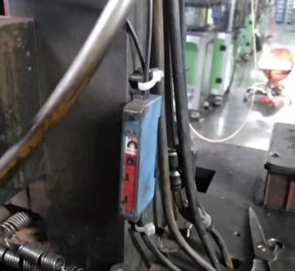

No limit alarm, if the copper wire length out of spec, the equipment won't alarm and stop.

WHAT WE LEARNED?
ITEM (Control Factor) |  | METHOD (Control Point) |  |  | STANDARD
Install the limit alarm to monitor copper wire length. |  | What? | Install the limit alarm to monitor copper wire length. |  | What is Conform?

 |  | Where? | Tamping equipment

 |  | When? | 2024-12-07

 |  | Who? | Wenyuan He |  | What is Non-Conform?

 |  | How? | Install the limit alarm

 |  | How Many? | 1 sensor

