Quick Response
 |  |  |  |  |  | Supplier 8D report |  |  |  |  |  |  |  | supplier logo

Customer plant |  |  |  |  |  |  | Supplier |  | AVO CARBON GERMANY |  |  |  |  |  | Date of claim : |  | 2024-05-03
Customer contact |  |  | N.GIRARD |  |  |  | SAP no. |  | A60100287 - 1026515 |  |  |  |  |  | Date of QR : |  |  |  | Ind:02 Maj:22/07/2020 |  | AVO/SCEET Fahs
Claim reference |  |  | 20240501 |  |  |  | Author |  |  |  |  |  |  |  | Update of QR :
 |  |  |  |  |  |  |  |  |  |  |  |  |  |  |  |  |  | S2.Fo.S1.8
QUICK RESPONSE
- This document must be validated by Sceet within 24 hours after claim notification / Blue fields filled out by Sceet -

D 1. Description of the problem
 | 1.a What is the problem ? Use 5W+2H to describe what is the current situation. |  |  |  |  |  |  |  |  |  |  |  |  |  |  |  |  |  |  |  | C1 : Customer claim
 | Problem description |  | cracks |  |  |  |  |  |  | What happened? |  |  |  | A60100287 - 1026515 cracks |  |  |  |  |  |  | C2 : Production claim
 |  |  |  |  |  |  |  |  |  |  |  |  |  |  |  |  |  |  |  |  | C3 : Incoming inspection claim
 |  |  |  |  |  |  |  |  |  | Why is it a problem? |  |  |  | no conform to drawing |  |  |  |  |  |  | WR : Warranty
 | Incident level |  | C2 : Production claim
 | Part number |  | A60100287 - 1026515 cracks |  |  |  |  |  |  | When did it happen? |  |  |  | 2024-05-02 |  |  |  |  |  |  | recurrent defect
 | Part description |  | brushes |  |  |  |  |  |  | Who detected it? |  |  |  | operator |  |  |  |  |  |  | no reccurent defect
 | Traceability of nok parts |  | 278846 |  |  |  |  |  |  | Where was it detected? |  |  |  | production line
 | Recurrence |  | recurrent defect |  |  |  |  |  |  | How was it detected? |  |  |  | visualy |  |  |  |  |  |  | yes (S/security)
 | Defect S/R |  | yes (S/security) |  |  |  |  |  |  | How many parts ? |  |  |  | 17/ 7738 |  |  |  |  |  |  | yes (R/reglementation)
 |  |  |  |  |  |  |  |  |  |  |  |  |  |  |  |  |  |  |  |  | no
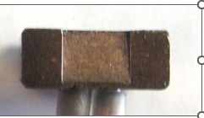
 | 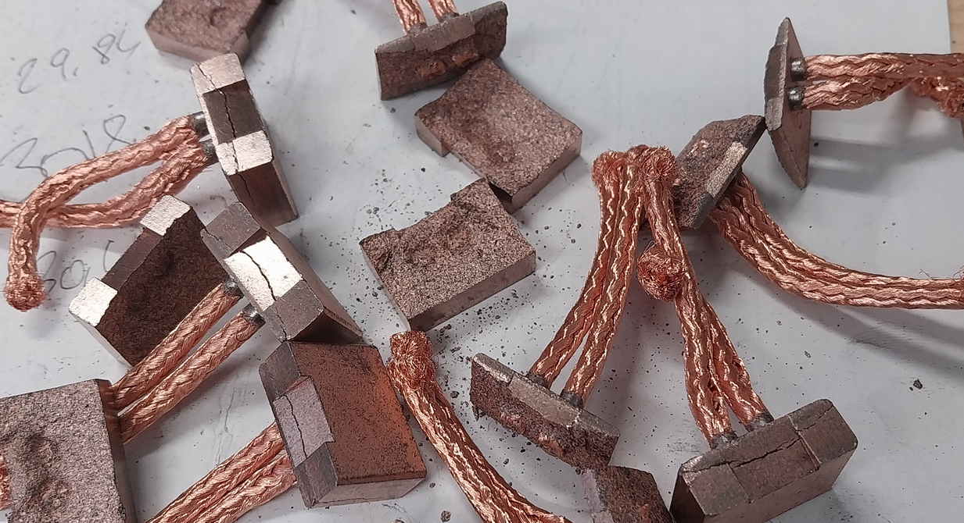 nok part picture / sketch |  |  |  |  |  |  |  |  | ok part picture / sketch
 |  |  |  |  |  |  |  |  |  |  |  |  |  |  |  |  |  |  |  |  | yes
 |  |  |  |  |  |  |  |  |  |  |  |  |  |  |  |  |  |  |  |  | no

 | 1.b Supplier problem solving team
 | Name |  |  | Position |  |  |  | Location |  |  | Telephone |  |  |  | Email
 | Joachim Gehl |  |  | Quality
 | Mustafa Yorulmaz |  |  | Pressing
 | Uwe Wallocha |  |  | Tool shop

 | 1.c Tool to use (defined by Sceet)
 |  | Ishikawa |  | FTA |  | 5why's |  |  | Audit |  |  | Other

 | 1.d Problem description from supplier / first analyse of problem / potential root causes
 | by cutting the wire the cutterblad did not cut but pull on the wire

 | Samples of nok parts required at supplier location |  |  |  |  |  |  |  |  |  |  |  | Express shipping supplier account

D 2. Risk on similar products and processes
 | Can this defect happen on similar parts ? |  |  |  |  |  |  |  |  |  |  |  | Comments (compulsory if yes)
 | Other family product |  | only a problem of brushes with 2 wires
 | Other machine
 | Other tooling
 | Other

D 3. Containment |  |  |  |  |  |  |  |  |  |  |  | see sorting approval
 | What are the actions to detect all non-conforming parts in the process flow ?
 | Location in the process flow |  |  |  | Nb to be sorted |  |  | Nb parts sorted |  |  | Nb nok parts |  |  | ppm |  | Date |  | Resp.
 | Parts at Sceet plant |  |  |  | 0
 | Parts at Sceet logistics platform |  |  |  | 0
 | Parts at Sceet's customer (C1 claim) |  |  |  | 0
 | Parts in transport |  |  |  | 0
 | Parts at supplier / supplier platform |  |  |  | 0
 | Parts at sub-supplier

 | How are the ok parts identified ? |  |  |  | next shipment, no special label
 | How are the ok paletts identified ?
 | First contained shipment information

 | What are the immediate actions to prevent production/delivery of nok parts ?
 | Actions |  |  |  |  |  |  | Sceet decision |  |  |  | Resp. |  |  | Date plan. |  | Date clos.
 | Sceet suspect stocks to be sent to supplier |  |  |  |  |  |  | not required |  |  |  |  |  |  |  |  |  |  |  | REQUIRED
 | Express delivery to Sceet to avoid production stop |  |  |  |  |  |  | not required |  |  |  |  |  |  |  |  |  |  |  | not required
 | ex: Quality alert at working area |  |  |  |  |  |  |  |  |  |  | J. Gehl |  |  | 2024-05-03 |  | 2024-05-03
 | ex: Information to all related employees |  |  |  |  |  |  |  |  |  |  | J. Gehl |  |  | 2024-05-03 |  | 2024-05-03

