QCR
 |  |  |  |  |  |  |  |  |  |  | AVO CARBON ________________

PROBLEM SOLVING REPORT (10D)

QCR |  | AVOT-2024-Q-03 |  |  |  |  |  | Date: |  |  |  |  | 2024-12-03
AvoCarbon Contact / Title: |  | Weijiang Peng / Quality manager |  |  |  |  |  | Supplier Contact / Title: |  |  |  |  | Weijiang Peng / Quality manager
Contact Phone: |  | 022 58816013 |  |  |  |  |  | Contact Phone: |  |  |  |  | 022 58816013
Email: |  | weijiang.peng@avocarbon.com |  |  |  |  |  | Contact Email: |  |  |  |  | weijiang.peng@avocarbon.com

ONLY FILL THIS SECTION FOR INTERNAL SITUATIONS DETECTED AT AVO CARBON PLANT

 |  | INTERNAL PPM |  |  |  |  |  |  | INTERNAL AUDIT BY IATF

 |  | EXTERNAL AUDIT BY CUSTOMER |  |  |  |  |  |  | INTERNAL METRIC: |  |  |  | Process inspection

 |  | EXTERNAL AUDIT BY IATF |  |  |  |  |  |  | OTHER:

ONLY FILL THIS SECTION FOR QUALITY PROBLEMS DETECTED WITH CUSTOMER

 |  | Level 1 - Customer Return - Immediate containment actions are required for all In House and Incoming stock
 |  | within 24 hrs. Product Return Approval (RMA) may be necessary.
 |  | Description of Root Cause & Corrective Action Plan are mandatory within 5 days.

 |  | Level 2 - Quality Rejection - Immediate containment actions are required for all In House and Incoming stock
 |  | within 24 hrs. Product Return Approval (RMA) may be necessary.
 |  | Description of Root Cause & Corrective Action Plan are mandatory within 5 days.

 |  | Level 3 - Quality Concern - Description of Root Cause & Corrective Action Plan are mandatory within 5 days.
 |  | All Incoming stock 100% certified.

 |  | Level 4 - Notification - All Incoming stock 100% certified.

WHAT IS THE PROBLEM ? > Use 4W + 2H to know what is the Current Situation ? Customer View and AssyMex View

- What happened? Description of the Problem |  | Shunt out of specs (R= 103 mm/ R= 98 mm) |  |  |  |  |  |  |  | - Why is it a problem? |  | Does not meet drawing requirement

BAD PART |  |  |  |  |  |  |  |  |  | GOOD PART

- When it happened? Date: dd-mm-yyyy |  | 2024-12-03 |  |  |  |  |  |  | - Where detected? Incoming, Production Line, Customer, Warranty, etc. |  |  | Production Line

- How detected? |  | Visual |  |  |  |  |  |  | - How many pieces were sampled? |  |  | 300

 |  |  |  |  |  |  |  |  | - How many bad pieces were detected? |  |  | 1

 |  |  |  |  |  |  |  |  | - Rejection percentage |  |  | 0.33%

ASSYMEX Part Number: |  | ‘08-9094 |  |  |  |  |  |  |  | Part Description: |  |  | Brush
Supplier Part Number: |  | ‘08-9094 |  |  |  |  |  |  |  | ASSYMEX Lot Number:
Supplier Lot Number: |  | 20240907-00954 |  |  | 800 |  |  |  |  | Additional Information:
ASSYMEX Inventory: |  |  |  |  |  |  |  |  |  | Customer Inventory:
In Transit Inventory: |  |  |  |  |  |  |  | Logistic Platform Inventory:

Customer Inventory: |  |  |  |  |  |  |  |  |  | Avo Carbon Inventory:
In Transit Inventory: |  |  |  |  |  |  |  | Logistic Platform Inventory:

Material Disposition

 |  | Return to Supplier. |  |  |  |  |  | Sort by Supplier. |  |  |  |  |  | Sort / Rework by External Company
 |  | RMA # |  |  |  |  |  |  |  |  |  |  |  | WO #

 |  | Scrap. Supplier's expense. |  |  |  |  |  | Use as received |  |  |  |  |  | Sort / Rework by AssyMex
 |  |  |  |  |  |  |  |  |  |  |  |  |  | WO #

CORRECTIVE ACTION REPORT - 10D REPORT

1.- | Problem Solving Team Members

 | Leader: | Peng weijiang |  |  |  |  |  | Title: | Quality Manager |  |  |  |  | Phone: | (86)022 58816000

 | Email: | weijiang.peng@avocarbon.com |  |  |  |  |  | Fax: | (86)022 58816010 |  |  |  |  | Mobile: | 15822069076

 | Group: | QA |  |  | Production |  |  | R&D |  | Purchase | IQC | Engineering
 |  | Peng weijiang |  |  | He wenyuan |  |  | Zhang yongchun |  | Lili Dong | Bingren Yuan | Li Hongyan

2.- | Describe the Problem

 | Shunt out of specs (R= 103 mm/ R= 98 mm)

 | - Was part reworked by supplier ? |  |  | No |  |  |  |  |  | - When was it manufactured ?

 | - Are we capturing the defect when reinjecting product in normal process ? If YES, explain how ? |  |  | No |  |  |  |  |  | - Did a similar problem happen previously at AssyMex or internally ? If YES, when ? |  |  |  | No

3.- | Immediate Countermeasures / Problem Containment ? (24 hours)

IMMEDIATE COUNTERMEASURES IN SUPPLIER PERIMETER |  |  |  |  |  |  |  |  | RESPONSIBLE |  |  | DATE |  |  | WHERE?

To isolated all NG parts and re-sort the wire length before next shipment |  |  |  |  |  |  |  |  | Peng weijiang |  |  | 2024-12-04 |  |  | Tianjin

IMMEDIATE COUNTERMEASURES IN AssyMex PERIMETER |  |  |  |  |  |  |  |  | RESPONSIBLE |  |  | DATE |  |  | WHERE?

No inventory in customer plant
 |  |  |  |  |  |  |  |  |  |  |  |  |  |  | Tianjin
 |  |  |  |  |  |  |  |  |  | Weijiang Peng |  |  | 2024-12-04

Sorting Activity >> by Supplier

 |  |  | Total Sorted |  | Total Bad Parts |  | PPM |  |  | Sorting Date | Responsible |  | Identification of OK Parts
- Suspect Inventory in Customer plant : |  |  | 0 |  | 0 | = | '----' |  |  |  |  |  | 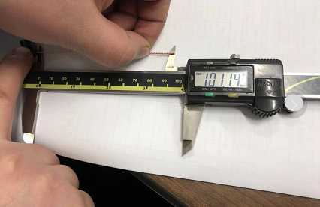
- Suspect Inventory in AssyMex plant : |  |  | 0 |  | 0 | = | '----'
- Suspect Inventory in Transit : |  |  | 0 |  | 0 | = | '----'
- Suspect Inventory in Logistic platform : |  |  | 0 |  | 0 | = | '----'
- Suspect Inventory in Supplier plant : |  |  | 800 |  | 0 | = | '----' |  |  | 2024-12-04 | YBR

- Production dates of sorted parts: |  |  | From: |  |  | To: |  |  |  |  |  | First Certified Good Shipment |  |  | Lot Number:
 |  |  | 2024-09-08 |  |  | 2024-09-17 |  |  |  |  |  |  |  |  | N/A
- Production dates of bad parts: |  |  | Oldest part: |  |  | Most recent part: |  |  |  |  |  |  |  |  | Date:
 |  |  | 2024-09-07 |  |  | 2024-09-09 |  |  |  |  |  |  |  |  | N/A

4,1.- | Analysis and Root Cause - Ocurrence

Method
Man power
Enviromental

The current fixutrue have no POKA-YOKE.
The capability of tamping process and machine were not effectively assessed.
Temperature and humidity control
T<40°C H<65%
Equipment is clean and there is not contamination
Not found change and abnormal

Shunt out of spec

The current fixture of tamping process have no POKA-YOKE.
No limit alarm device to monitor copper wire length
Followup the group mterial Datasheet
There is no any change

All measurement device rus normally
Measutement & test procdure are meet the specification

Machine
Material
Measurements

5 x Why Analysis Form - Ocurrences Why did it happen?

1st Why? | Question: | Shunt out of spec

 | Answer: | In tamping process, the copper wire were cut in different length.

2nd Why? | Question: | why the copper wire were cut in different length?

 | Answer: | The current fixture of tamping process have no POKA-YOKE device of wire cutting length.

3rd Why? | Question: | why tamping fixture have no POKA-YOKE?

 | Answer: | Process capability was not effectively assessed No limit alarm device to monitor copper wire length

4th Why? | Question:

 | Answer:

5th Why? | Question:

 | Answer:

4,2 .- | Analysis and Root Cause - Non Detection

Method
Man power
Enviromental
All test machine and measuremet device has been calibrated

Not found change and abnormal
Temperature and humidity control
T<40°C H<65%

Shunt out of spec

No limit alarm device to monitor copper wire length
Followup the group mterial Datasheet
There is no any change

The measurement methods of shunt can't measure accurately.

Machine
Material
Measurements

5 x Why Analysis Form - Non-Detection Why did the non-conformity escape?

1st Why? | Question: | Why is shunt out of spec?

 | Answer: | First & Last inspection didn't detected the NG parts.

2nd Why? | Question: | why didn't detectd the NG parts in first & last inspection?

 | Answer: | The measurement methods of shunt can't measure accurately. No limit alarm device to monitor copper wire length

3rd Why? | Question:

 | Answer:

4th Why? | Question:

 | Answer:

5th Why? | Question:

 | Answer:

5.- | Corrective Action

 | To Eliminate Occurrence of the Problem:
 | Corrective Action |  |  |  |  | Expected result efficiency |  |  |  |  |  |  | Who | Due Date | Done Date
 | Re-design the tamping jig, to add the fixing device on the original supporting class |  |  |  |  | Tample jig have POKA-YOKE. |  |  |  |  |  |  | Yongchun Zhang | 6-Dec-24

 | To Improve Detection of the Problem:
 | Corrective Action |  |  |  |  | Expected result efficiency |  |  |  |  |  |  | Who | Due Date | Done Date
 | Install the limit alarm to monitor copper wire length |  |  |  |  | The machine will alarm and stop when shunt out of spec. |  |  |  |  |  |  | Wenyuan He | 6-Dec-24
 | Re-valuate the process capacity of wire length |  |  |  |  | To ensure the shunt length within spec. |  |  |  |  |  |  | Yongchun Zhang | 6-Dec-24
 | Make the measurement jig |  |  |  |  | To ensure measure shunt length accurrately |  |  |  |  |  |  | Weijiang Peng | 6-Dec-24

6,1.- | Implement and Verify Corrective Action - Occurences

Checks | CONFIRMATION CHECKS |  |  |  |  |  |  |  |  | CHECK QUALITY PER SHIFT

 |  |  |  |  |  |  |  |  |  | 1st |  | 2nd |  |  | 3rd

Confirmation of Influent Factors |  |  |  |  |  |  |  |  |  | ok |  | ok |  |  | ok
 | 1- HAVE PARAMETERS BEEN CORRECTED IN SAFETY / WORKING INSTRUCTIONS?
 |  |  |  |  |  |  |  |  |  | ok |  | ok |  |  | ok
 | 2- DO WORKING INSTRUCTIONS MATCH WITH QUALITY CONTROL PLAN?
 |  |  |  |  |  |  |  |  |  | ok |  | ok |  |  | ok
 | 3- IS ALL DOCUMENTATION COHERENT?
 |  |  |  |  |  |  |  |  |  | ok |  | ok |  |  | ok
 | 4- ARE THE INSTRUCTIONS CLEAR?
 |  |  |  |  |  |  |  |  |  | ok |  | ok |  |  | ok
 | 5- ARE CRITICAL POINTS CLEARLY DESCRIBED?
Physical Check of Operation |  |  |  |  |  |  |  |  |  | ok |  | ok |  |  | ok
 | 6- DOES ACTUAL PROCESS MATCH WITH THE OPERATING INSTRUCTIONS?
 |  |  |  |  |  |  |  |  |  | ok |  | ok |  |  | ok
 | 7- DOES ACTUAL PROCESS MATCH WITH EXPECTED CORRECTIVE ACTION?
 |  |  |  |  |  |  |  |  |  | ok |  | ok |  |  | ok
 | 8- ARE OPERATORS AWARE OF THE DEFECT?
 |  |  |  |  |  |  |  |  |  | ok |  | ok |  |  | ok
 | 9- ARE OPERATORS AWARE OF THE EXPECTED CORRECTIVE ACTION?
 |  |  |  |  |  |  |  |  |  | ok |  | ok |  |  | ok
 | 10- HAS THE SOLUTION BEEN PROPERLY VALIDATED ON THE FLOOR?
Visual Aid |  |  |  |  |  |  |  |  |  | ok |  | ok |  |  | ok
 | 11- IS THERE A VISUAL AID?
 |  |  |  |  |  |  |  |  |  | ok |  | ok |  |  | ok
 | 12- IS IT POSTED ON A VISIBLE SPOT?
 |  |  |  |  |  |  |  |  |  | ok |  | ok |  |  | ok
 | 13- IS THE CONTENT CLEAR?
Equipment |  |  |  |  |  |  |  |  |  | ok |  | ok |  |  | ok
 | 14- IS IT COHERENT WITH THE CONTENT OF THE CORRECTIVE ACTION?
 |  |  |  |  |  |  |  |  |  | ok |  | ok |  |  | ok
 | 15- HAS IT BEEN MODIFIED? IS PREVENTIVE MAINTENANCE RECORD MODIFIED?
 |  |  |  |  |  |  |  |  |  | ok |  | ok |  |  | ok
 | 16- IS SET UP INSTRUCTION UPDATED? MATCHES WITH CONTROL PLAN?
AUDITOR'S NAME |  | Weijiang Peng/ Wenyuan He |  |  |  |  | DATE OF THE AUDITS |  |  | 2024/12/6 night shift |  | 2024/12/7 day shift |  |  | 2024/12/7 night shift

Comments |  | Effective |  |  |  |  | DECISION |  |  | Y | Y | Y |  | Y | Y | Y
 |  |  |  |  |  |  |  |  |  | N |  | N |  |  | N

6,1.- | Implement and Verify Corrective Action - Non - Detection

Checks | CONFIRMATION CHECKS |  |  |  |  |  |  |  |  | CHECK QUALITY PER SHIFT

 |  |  |  |  |  |  |  |  |  | 1st |  | 2nd |  |  | 3rd

Confirmation of Influential Factors |  |  |  |  |  |  |  |  |  | ok |  | ok |  |  | ok
 | 1- HAVE PARAMETERS BEEN CORRECTED IN SAFETY / WORKING INSTRUCTIONS?
 |  |  |  |  |  |  |  |  |  | ok |  | ok |  |  | ok
 | 2- DO WORKING INSTRUCTIONS MATCH WITH QUALITY CONTROL PLAN?
 |  |  |  |  |  |  |  |  |  | ok |  | ok |  |  | ok
 | 3- IS ALL DOCUMENTATION COHERENT?
 |  |  |  |  |  |  |  |  |  | ok |  | ok |  |  | ok
 | 4- ARE THE INSTRUCTIONS CLEAR?
 |  |  |  |  |  |  |  |  |  | ok |  | ok |  |  | ok
 | 5- ARE CRITICAL POINTS CLEARLY DESCRIBED?
Physical Check of Operation |  |  |  |  |  |  |  |  |  | ok |  | ok |  |  | ok
 | 6- DOES ACTUAL PROCESS MATCH WITH THE OPERATING INSTRUCTIONS?
 |  |  |  |  |  |  |  |  |  | ok |  | ok |  |  | ok
 | 7- DOES ACTUAL PROCESS MATCH WITH EXPECTED CORRECTIVE ACTION?
 |  |  |  |  |  |  |  |  |  | ok |  | ok |  |  | ok
 | 8- ARE OPERATORS AWARE OF THE DEFECT?
 |  |  |  |  |  |  |  |  |  | ok |  | ok |  |  | ok
 | 9- ARE OPERATORS AWARE OF THE EXPECTED CORRECTIVE ACTION?
 |  |  |  |  |  |  |  |  |  | ok |  | ok |  |  | ok
 | 10- HAS THE SOLUTION BEEN PROPERLY VALIDATED ON THE FLOOR?
Visual Aid |  |  |  |  |  |  |  |  |  | ok |  | ok |  |  | ok
 | 11- IS THERE A VISUAL AID?
 |  |  |  |  |  |  |  |  |  | ok |  | ok |  |  | ok
 | 12- IS IT POSTED ON A VISIBLE SPOT?
 |  |  |  |  |  |  |  |  |  | ok |  | ok |  |  | ok
 | 13- IS THE CONTENT CLEAR?
Equipment |  |  |  |  |  |  |  |  |  | ok |  | ok |  |  | ok
 | 14- IS IT COHERENT WITH THE CONTENT OF THE CORRECTIVE ACTION?
 |  |  |  |  |  |  |  |  |  | ok |  | ok |  |  | ok
 | 15- HAS IT BEEN MODIFIED? IS PREVENTIVE MAINTENANCE RECORD MODIFIED?
 |  |  |  |  |  |  |  |  |  | ok |  | ok |  |  | ok
 | 16- IS SET UP INSTRUCTION UPDATED? MATCHES WITH CONTROL PLAN?
Quality Control Documentation |  |  |  |  |  |  |  |  |  | ok |  | ok |  |  | ok
 | 17- WAS THE PLAN CONTROL WITH THE CORRECTIVE ACTIONS UPDATED?
 |  |  |  |  |  |  |  |  |  | ok |  | ok |  |  | ok
 | 18.- WAS THE PROCESS FMEA UPDATED WITH THE CORRECTIVE ACTIONS?
 |  |  |  |  |  |  |  |  |  | ok |  | ok |  |  | ok
 | 19.- WAS THE WORK INSTRUCTION UPDATED WITH THE CORRECTIVE ACTIONS?
 |  |  |  |  |  |  |  |  |  | ok |  | ok |  |  | ok
 | 20.- WAS THE QUALITY REGISTER UPDATED WITH THE CORRECTIVE ACTIONS?
AUDITOR'S NAME |  | Weijiang Peng/ Wenyuan He |  |  |  |  | DATE OF THE AUDITS |  |  | 2024/12/6 night shift |  | 2024/12/7 day shift |  |  | 2024/12/7 night shift

Comments |  | Effective |  |  |  |  | DECISION |  |  | Y | Y | Y |  | Y | Y | Y
 |  |  |  |  |  |  |  |  |  | N |  | N |  |  | N

7.- | Preventive Action

 | Preventive Action |  |  |  |  | Expected result efficiency |  |  |  |  |  |  | Who | Due Date | Done Date
 | Tampling jig have POKA-YOKE. |  |  |  |  | Prevent from re-occurring |  |  |  |  |  |  | Yongchun Zhang | 7-Dec-24 | 7-Dec-24

8.- | Standardize / Potential Applicability

 | 1.- Potential Applicability of Corrective / Preventive Action to similar lines / products. |  |  |  |  |  |  |  |  |  |  |  |  | Comments

 | To whom? | Production Line: |  | NA |  |  |  |  | When? |  | NA
 |  | Operation: |  | NA |  |  |  |  | When? |  | NA
 |  | Product: |  | NA |  |  |  |  | When? |  | NA

9.1.- | Evidence your Efforts - Ocurrences

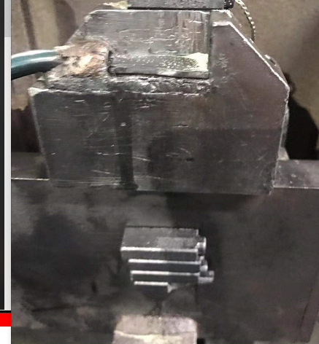
The fixture cannot meet the tolerance of length dimension
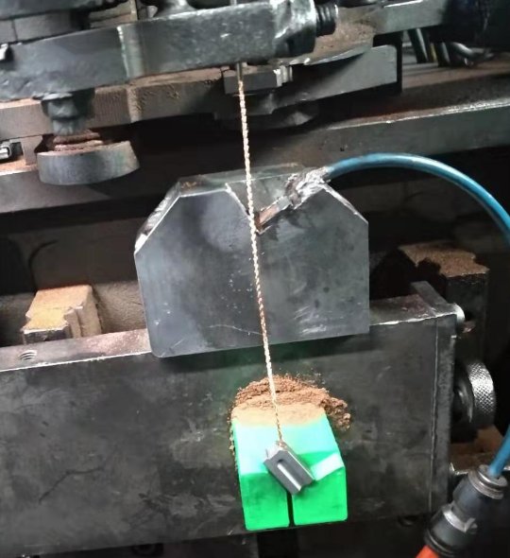
Re-design the tamping jig, to add the fixing device on the original supporting class
Before Corrective Action |  |  |  |  |  |  |  |  |  | After Corrective Action

9.2.- | Evidence your Efforts - Non Detection

No limit alarm, if the copper wire length out of spec, the equipment won't alarm and stop.
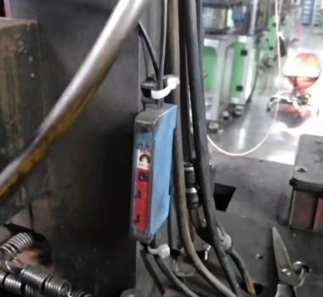
Install the limit alarm to monitor copper wire length.
Before Corrective Action |  |  |  |  |  |  |  |  |  | After Corrective Action

10.- | Congratulate the Team

Add - Visual Aid
Visual Aid
Visual Aid

Describe the defect
Describe the defect

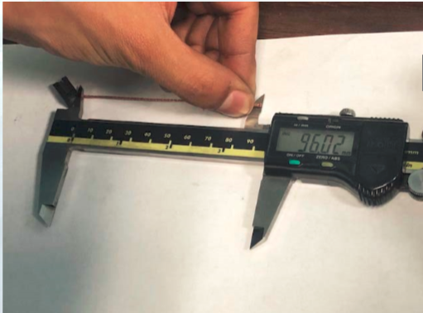

Bad part
Bad part
Good part
Good part

WHEN I FIND A BAD PART, WHAT SHOULD I DO?
Adhere to Quality Alert visual
Follow Reaction Plan
Process with Internal NNC

PROHIBITED OPERATIONS:
non-inspection

PERMITTED TOOLS:
Quality Alert

LEVEL | A | B | C | D | E | F | G
DATE LEVEL | 2024-12-04
WHO CREATE | YBR

