LLC Occ
 |  | LESSON LEARNED CARD

Site: | AVO-Anhui |  | Type: | Supplier | CIN: | NA
Production Line: | DY U611 Line |  | Department: | Quality | SIN: | NA
Product: | U611 |  | LLC Author: | Tim | Date: | 2025-07-09
WHAT WAS THE PROBLEM? (5W + 2H) |  |  | WHAT IS THE SYMPTOM?
What happened? |  |  | 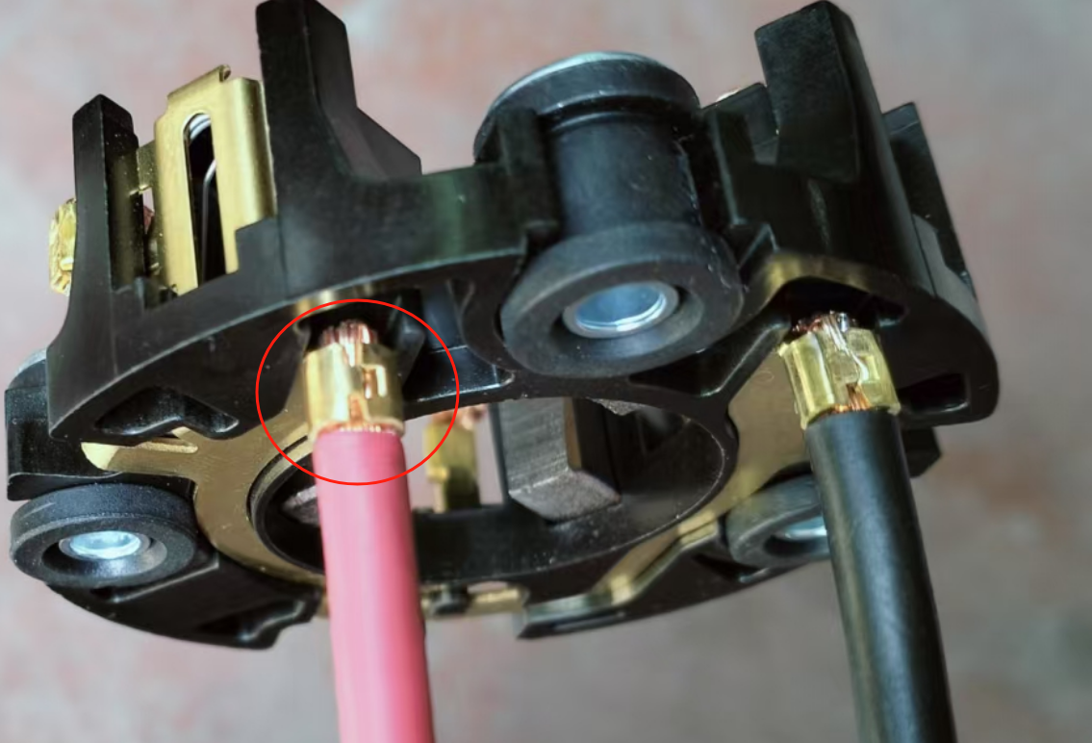 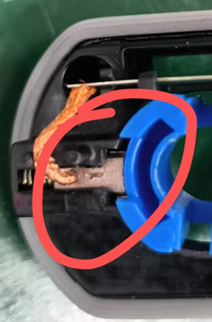 |  | 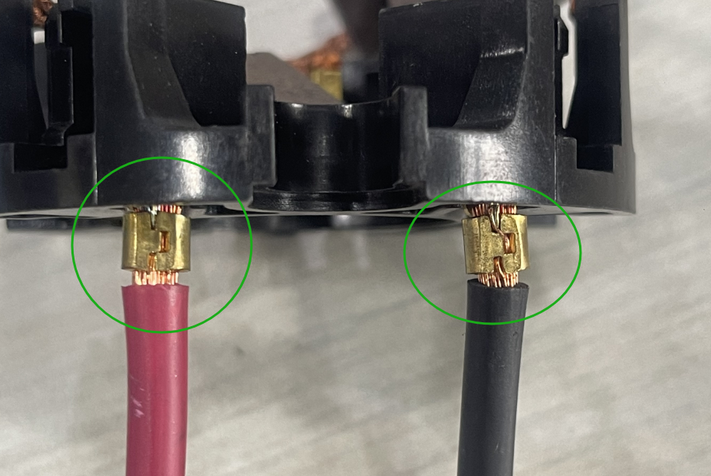 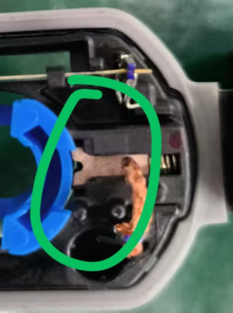
Two different types of carbon brushes have been assembled in the brush holder, and the model is incorrect.
Why is it a problem?
The motor is operating abnormally.
When did it happen?
2025-07-09
Who detected it?
Dongyang
Where was detected?
assembly line
How was detected?
Dysfunction
How many?
1PCS
BEFORE |  |  |  | AFTER
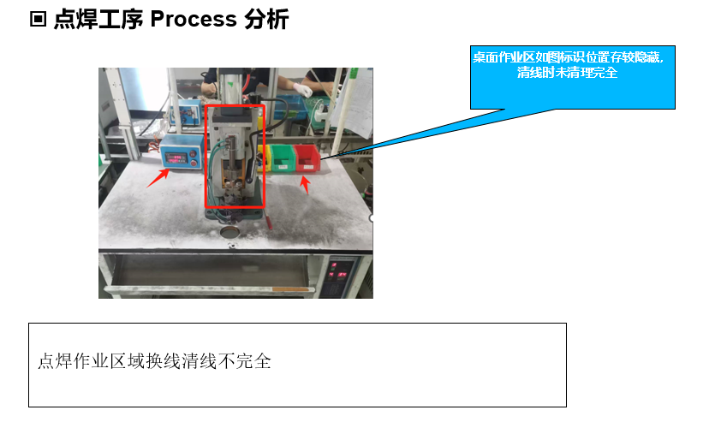 Change the model to clear the desktop of standard errors. Some areas were not completely cleaned. |  |  |  | 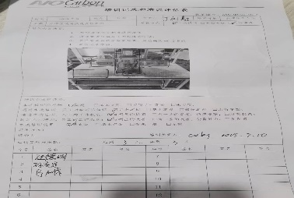 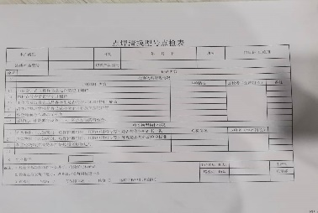 Update the cleaning standards, re-plan the cleaning positions in the spot welding area, the cleaning methods, and add inspection records

WHAT WE LEARNED?
ITEM (Control Factor) |  | METHOD (Control Point) |  |  | STANDARD
The clearance standards and the clearance areas of the spot welding zones are incorrect. |  | What? | The cleaning standard is incorrect. Some areas were not cleaned properly. |  | What is Conform?

 |  | Where? | Carbon brush welding area

 |  | When? | When conducting the inspection of the work

 |  | Who? | Inspector |  | What is Non-Conform?

 |  | How? | Lack of effective testing procedures

 |  | How Many? | Each batch

LLC NON-DET
 |  | LESSON LEARNED CARD

Site: | AVO-Anhui |  | Type: | Supplier | CIN: | NA
Production Line: | DY U611 Line |  | Department: | Quality | SIN: | NA
Product: | U611 |  | LLC Author: | Tim | Date: | 2025-07-09
WHAT WAS THE PROBLEM? (5W + 2H) |  |  | WHAT IS THE SYMPTOM?
What happened?
Two different types of carbon brushes have been assembled in the brush holder, and the model is incorrect.
Why is it a problem?
The motor is operating abnormally.
When did it happen?
2025-07-09
Who detected it?
Dongyang
Where was detected?
assembly line
How was detected?
Dysfunction
How many?
1PCS
BEFORE |  |  |  | AFTER
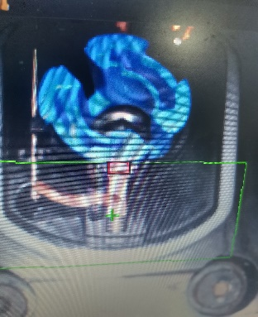 1.The assembly operation process of the connection piece carbon brush spot welding component does not conduct the inspection for incorrect installation of the carbon brush. 2.When using the mast sample for verification, the CCD recognition range is only the slot opening at the top of the carbon brush. |  |  |  | 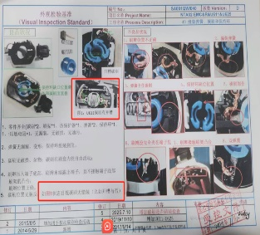 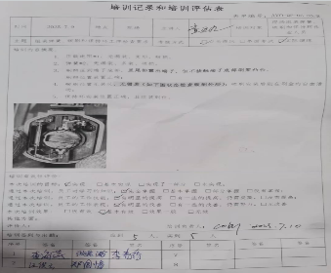 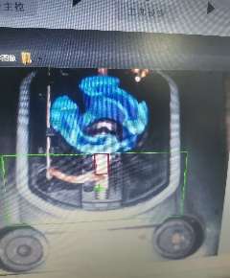 1.Improve the assembly operation instruction manual for the connection piece carbon brush spot welding parts, add a full inspection for the carbon brushes without any errors, and keep the records. 2.Expand the CCD recognition range to detect the "I"-shaped groove on the surface of the carbon brush.

WHAT WE LEARNED?
ITEM (Control Factor) |  | METHOD (Control Point) |  |  | STANDARD
The testing method and CCD monitoring have flaws. |  | What? | The CCD test area lacks a complete test range. |  | What is Conform?
 |  |  |  |  | Expand the CCD recognition range to detect the "I"-shaped groove on the surface of the carbon brush.
 |  | Where? | Electrical performance test

 |  | When? | When conducting the inspection of the work

 |  | Who? | CCD |  | What is Non-Conform?
 |  |  |  |  | The assembly operation process of the connection piece carbon brush spot welding component does not conduct the inspection for incorrect installation of the carbon brush.
 |  | How? | The test area failed to effectively cover the carbon brushes.

 |  | How Many? | Each batch

