8D
 | TRICO | 8D WORKSHEET |  |  |  |  |  |  | CAR #
 |  |  |  |  |  |  |  |  | CUSTOMER CONCERN # | 18968
CUSTOMER NAME |  | Trico Matamoros |  |  |  |  | TRICO PART # |  | 95015-101
CUSTOMER PLT. LOCATION |  |  |  |  |  |  | CUSTOMER PART # |  | NA
TRICO PLT. AFFECTED |  | Matamoros |  |  |  |  | ASSY. DESCRIPTION |  | Brush plate
TRICO DEPT. NAME |  | Motors |  |  |  |  | COMPONENT PART # |  | NA
ROOT CAUSE CODE |  | Noise |  |  |  |  | COMPONENT DESC. |  | NA
REPEAT ISSUES |  | No |  |  |  |  | QCR # |  | 18968
PROBLEM DESCRIPTION |  | Burr in retainer |  |  |  |  | SEVERITY (1-3) |  | 1

 | Revision History: Indicate original Response Due Date and date of any extension requests.
 | Date | Description Revision |  |  |  |  |  |  | 8D Due Date |  | Supplier 8D Due Date
 | 2025-07-24 | Create QCR
 |  |  |  |  |  |  |  |  | Open / Closed |  | Level

 | D1 - Team Members:
 | Miguel J. |  | Quality Engineer |  |  | Alicio Flores |  |  | Engineering Manager
 | Ramses Rendon |  | Maintenance coordinator |  |  | Héctor Olivares |  |  | Deputy Plant Manager
 | Orlando Salazar |  | Production Coordinator
 | Daniel Morales |  | Quality Manager
 | D2 - Concern Description:

 | Customer reported the following issue: |  | TRICO VIEW: ASSYMEX VIEW: Burr in the brush retainer mold's ejector pins area

 | Concern was received via: |  | E-Mail |  |  |  |  | Date Customer reported Concern: |  |  | 2025-07-24
 | Customer's Department / Area which found issue: |  | Quality

 | Person at Assembly Plant reporting issue (Name & Title): |  |  |  | Martin Sosa / SQE
 | Phone #: |  |  | Fax #: |  |  |  | Email: | Martin.sosa@tricoproducts.com

 | Number of pieces reported by the Customer |  |  | Platform |  | Date Plt 4 Rec. Samples |  |  | Date Plt 5 Rec. Samples
 | 15

 | D3 - Containment Action & Verification:

 | Is containment on assemblies necessary? - Explain why or why not. |  | Yes. It is necessary, our customer must to receive certified product.

 | Who at Trico will be doing the containment on assemblies? Indicate Name(s) & Dept(s). |  | Hold area
 | Define containment activity. |  | Retainer brush (16-0066M) segregation with plastic burr

 | Where at Trico will containment take place? - Indicate Plant(s) & Dept(s). |  | Plant 5 / hold area
 | Will the Containment activity chosen have an impact on the customer? - Explain why or why not. |  |  |  | our containment activity won´t affect customer shipment

 | FINISHED GOODS CONTAINMENT
 | Location | Quantity Available | Sort Results |  |  |  | Disposition
 |  |  | Quantity Accepted |  | Quantity Rejected
 | Trico plant | 100,000 pcs | TBD |  | TBD
 | Assymex Plant | Finish good: 50,000 pcs inventory: 5,000 pcs Plastic line: 20,000 pcs | TBD |  | TBD

 | D4 - Root Cause and Verification:
 | Root Cause Discussion: Plastic burr in the brush retainer mold's pin area
 | 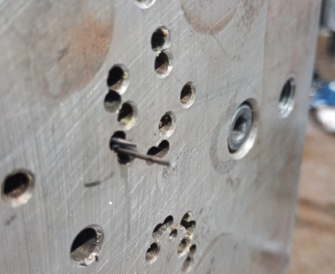 Why: The plastic leaked from the area where the mold's ejector pin ejectors are located. Why: The ejector pins did not seal correctly and completely during the injection cycle. Why: The ejector pins do not make contact with the mold surface Why: The ejector pins in the cavity broke Why: Wear and tear due to use and stress. Why: Specific root cause: the ejector pins were used in the process beyond their useful life.
 | Why: There is no system for detecting or monitoring the condition of the inyector pins Why: It is assumed that the injector pins are in good condition while the mold is in operation since there are no burrs in that area of the part. Why: There is no specific inspection control to verify wear or damage to the ejector pins between production runs, at the end of a run, or at the start of the next. Why: Because the only check established for the ejector pins system is during preventive maintenance, which is periodic maintenance and is not performed between each run. Why: Detection root cause: There is no method for inspecting or functionally verifying the condition of the mold's ejector pins before and after each production run.

 | D5 - Corrective Action (s) & Verification
 | Corrective Action Discussion: |  |  |  |  | Person Responsible |  | ECD |  | ACD
 | Creation and deployment of the quality alert. |  |  |  |  | Miguel Jasso |  | 2025-07-24 |  | 2025-07-24

 | Inform stakeholders about the quality issue and train them about the quality alert. |  |  |  |  | Miguel Jasso |  | 2025-07-24 |  | 2025-07-24
 | Containment of material in inventory, plastics line, material in assembly process and finished product |  |  |  |  | Miguel Jasso
 | Conduct containment training and train the personnel who will perform the activity |  |  |  |  | Miguel Jasso |  | 2025-07-24 |  | 2025-07-24
 | Conduct material sorting according to the material containment instructions and place a certification label with the legend "Material without burrs in the area of the ejector pins." |  |  |  |  | Miguel Jasso
 | 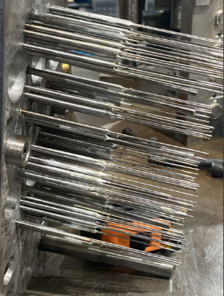 Replacing damaged mold ejector pines |  |  |  |  | Orlando Salazar. |  | 2025-07-25 |  | 2025-07-25

 | D6 - Implementation of Permanent Corrective Action (s) & Verification

 | Permanent Corrective Action & Verification: |  |  |  |  | Person Responsible |  | ECD |  | ACD
 | 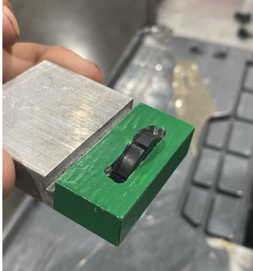 Manufacture gage for detection of burrs and excess plastic in the brush retainer plunger area, 16-0066M |  |  |  |  | Alicio Flores |  | 2025-07-25 |  | 2025-08-01
 | Update the first-piece inspection format and release sheet hourly, including checking the parts with a gage to detect burrs in the ejector pin area. |  |  |  |  | Miguel Jasso |  | 2025-07-25 |  | 2025-08-01

 | Date complete. | 2025-01-08

 | D7 - Prevent Recurrence
 | Prevent Recurrence: |  |  |  |  | Person Responsible |  | ECD |  | ACD
 | Update FMEA, Control Plan, and self-monitoring sheet, including the defect, risks, and controls to mitigate the problem. |  |  |  |  | Miguel Jasso |  | 2025-07-28 |  | 2025-08-04
 | Prepare a mold preparation checklist that includes checking the ejector pins for completeness, wear, and lubrication before and after each production run. |  |  |  |  | Ramses Rendón |  | 2025-07-28 |  | 2025-08-08

 | D8 - Congratulate the Team - Recognize the collective efforts of the team.
 |  |  |  |  |  |  |  | Trico 8D Closure Date
 | Customer Contact and General Log Section

 | Step | Date | Details
 |  |  |  |  |  |  |  | Customer 8D Closure Date

Hoja1
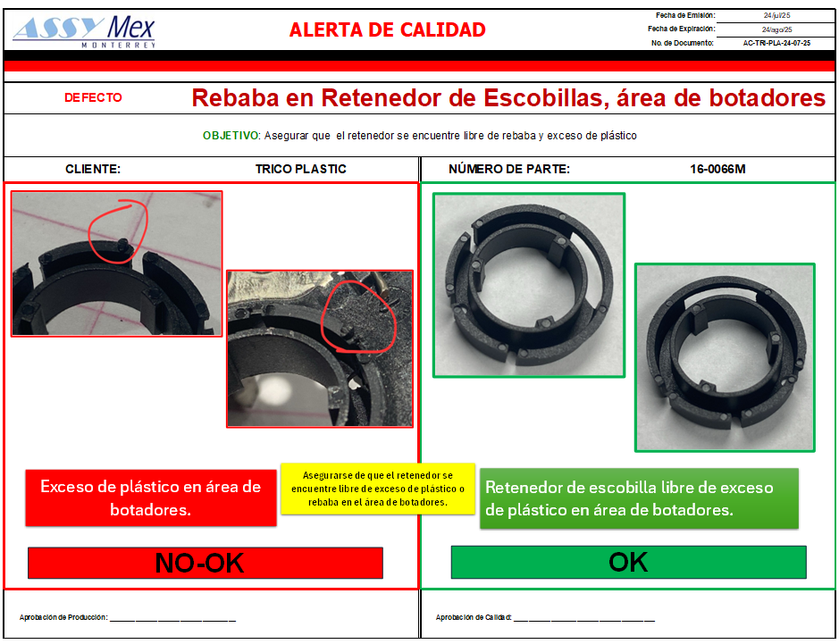
CORRECTIVE ACTIONS EVIDENCE

Creation and deployment of the quality alert.

Manufacture gage for detection of burrs and excess plastic in the brush retainer plunger area, 16-0066M

