Quick Response
VIM Data |  |  |  |  |  |  |  |  |  |  |  |  |  |  |  |  |  | 1
 |  | Valeo Contact name [1] |  |  |  |  | INCIDENT CATEGORY [3] |  |  |  |  |  | Which LLC was already issued on similar problem? [21]
 |  | nicolas.siffrein-blanc@.com |  |  |  |  |  | C1 |  |  | CP1
 |  |  |  |  |  |  |  | C1WR |  |  | CP2
 |  |  |  |  |  |  | X | C2 |  |  | CA
 |  | PRODUCT (Designation + Ref) [2]
 |  |  |  |  |  |  | SUPPLIER INCIDENT DETAILS
 |  | Faisceau H100 DG W000065335 |  |  |  |  | Valeo SRM Incident Number
 |  |  |  |  |  |  | Date and Time of Valeo Notification |  |  | Date and Time of Customer Notification

 | WHAT IS THE PROBLEM ? > Use 5W + 2H to know what is the Current Situation ? |  |  |  |  |  |  |  |  |  |  |  | First findings after incident notification [22]
 | 5W2H |  |  |  |  |  | CHARACTERIZATION |  |  |  |  |  |  | Real data ? ( please identify the involved standards ) |  | Factor(s) to include in FTA Occ or FTA Non Det
 | WHAT happened? [4] | Standart : no naked wire Good part : no naked wire Bad part : naked wire |  |  |  |  | What is the difference between good and bad parts? [11] |  | Standart : no naked wire Good part : no naked wire Bad part : naked wire ( waiting for reception of the bad part) |  |  |  | 1/ ... in the MACHINE SETTINGS [23], e.g. parameters list and values, setup records
 | WHY is it a problem? [5] | risk of short circuit, risk of C1 or WR incidents |  |  |  |  | Was part produced in the standard process? [12] |  | Yes the part was produced in the standard process |  |  |  | 2/ ... in the OPERATIONS [24], e.g. QRAP, OK start, shift, operator, maintenance, breakdowns, cavities, tools, 5S,
 | WHEN detected [6] | 01/10/2025 |  |  |  |  | When was it manufactured at Supplier? [13] |  | 2025-08-29
 |  |  |  |  |  |  |  |  |  |  |  |  | 3/ ... in the QUALITY CONTROLS [25], e.g. inspection records, control means, line rejects
 | WHO detected? [7] | operator on Skawina Line |  |  |  |  | Who manufactured? [14] |  | Team leader : Khadhraoui Radhia Fial control: Wahiba Ghress matricule 328 --> Level B the level B is the level requested to control the brush card
 | (name of operator)
 | WHERE detected? [8] | Skawina Line 18 |  |  |  |  | In which other application or processes product is used? [15] |  | V53512215, 53512445, 535 12 565, V53512525, V53512535 |  |  |  | 4/ ... in the RAW MATERIAL [26], e.g. component lots, suppliers, tools, cavities
 | HOW detected? [9] | visually when taking manually the motor from the box |  |  |  |  | Are we capturing the defect when reinjecting product in normal process? [16] |  | Waiting for reception of the bad part, the defect is reproduced manually by cutting the plastic isolation, the part was detected by the operator of the electrical test & the final control
 |  |  |  |  |  |  |  |  |  |  |  |  | 5/ ...in the PROJECT ACTIVITY [27], e.g. DV/PV records
 | HOW MANY bad parts? [10] | 1 |  |  |  |  | Did a similar problem happen previously at customer or internally? [17] |  | No

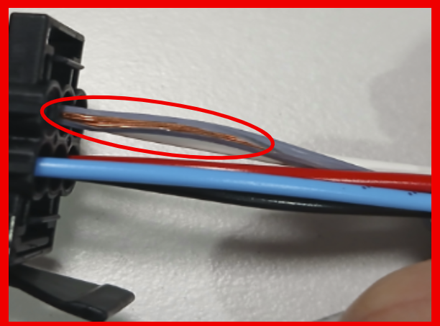
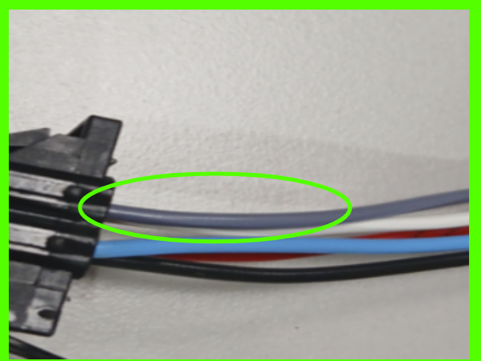
 | BAD PART [18] |  |  |  |  |  | GOOD PART [19] |  |  |  |  |  | WHAT ARE THE IMMEDIATE COUNTERMEASURES (24 hours)?

 |  |  |  |  |  |  |  |  |  |  |  |  | 1. IMMEDIATE COUNTERMEASURES IN SUPPLIER PERIMETER ? [31] |  | WHO | DATE | WHERE

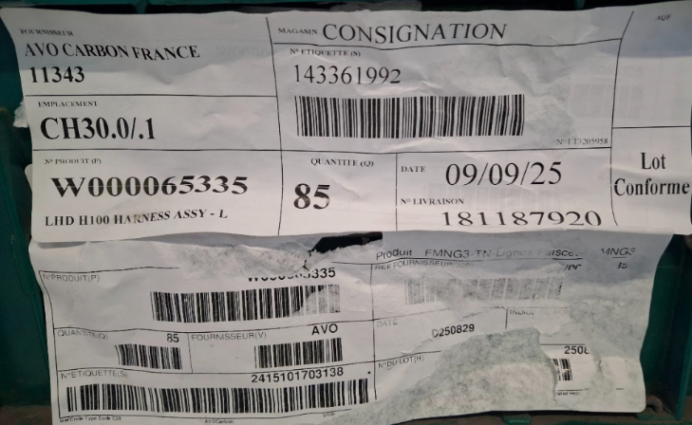
 |  |  |  |  |  |  |  |  |  |  |  |  | Display the quality alert in production line |  | Sana Dkhil | 01/10/2025 | MNG2 production line

 |  |  |  |  |  |  |  |  |  |  |  |  | Check the quantity in stock in AVO, Transit, VALEO sites for all similar part numbers |  | Nihed Nabli | 02/10/2025

 |  |  |  |  |  |  |  |  | Origin of the part | Production

 | SORTING ACTIVITY to protect customer [20]

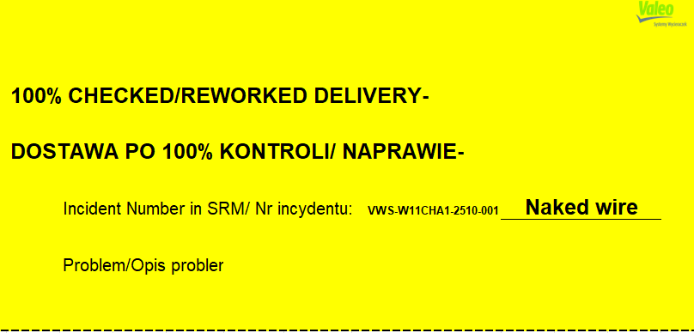
 |  |  | Nb. NG Parts | Nb. Sorted |  | PPM |  | Sorting date | WHO |  | Identification OK parts |  | 2. IMMEDIATE COUNTERMEASURES IN VALEO LINE ? [32] |  | WHO | DATE | WHERE
 | -Results of sorting in Valeo's Customer plant |  |  |  | = | '----' | PPM
 | -Results of sorting in Valeo Plant |  |  |  | = | '----' | PPM
 | -Results of sorting in Other Valeo Plants |  |  |  |  | '----' | PPM
 | -Results of sorting in Transport |  |  |  | = | '----' | PPM
 | -Results of sorting in Valeo's Logistics platform |  |  | 2550 |  | 0 | PPM
 | -Results of sorting in Supplier's Logistics platform |  |  |  | = | '----' | PPM
 | -Results of sorting in Supplier plant |  |  | 1955 |  | 0 | PPM | Baraa B | 2025-10-02
 | -Results of sorting in after-sales stocks |  |  |  | = | '----' | PPM
 | TOTAL SORTING |  | 0 | 4505 | = | 0 | PPM

 | Production dates of sorted parts | From | To |  |  |  |  | First certified good shipment: |  | Label's Number |  | Date
 |  | 2025-08-29 | 2025-10-02 |  |  |  |  |  |  | 202510021 |  | 2025-10-02
 | Period of NG parts | Earliest NG part Date | Latest NG part Date |  |  |  |  |  |  | Identification OK parts / OK pallets
 |  |  | 2025-10-01 |  |  |  |  |  |  | VWS-W11CHA1-2510-001: Naked wire

 | VALEO CAN DETECT THE DEFECT ON THE PRODUCTION LINE AT 100% (YES/NO) ? |  |  |  |  |  |  |  |  | If not, Supplier must set up a control at 100% on the Valeo line

Timeline
TIMELINE [1]

RISKY WINDOW

Week / Date
Qty produced
Qty NOK detected [2]
Defect rate (ppm)*
* If you have ppm chart available, it can be pasted below

 | Report date and events which may have generated the occurrence or lack of detection. | Report date and events which may have generated the occurrence or lack of detection. | Report date and events which may have generated the occurrence or lack of detection. | Report date of notification of the First Defect detected @ Valeo / Customer | Report date and Immediate Countermeasure | Report date and Immediate Countermeasure | Report date and Final Countermeasure after Check Act

DEFECT RATE (PPM)

SQA Genba Check
 |  | Genba Check StEDE PDCA Genba Check Efficiency control - StEDE3 workstation assesment

 | Supplier Name |  |  | StEDE PDCA Genba Check |  |  |  |  |  |  |  | EFFICIENCY CONTROL |  | StEDE3 Workstation assesment result
 | Supplier Location
 | Audit date
 | Auditor name |  |  |  |  |  |  |  |  |  |  | Number of parts since actions are in place
 | Incident number | Root cause | Nb | Action: TECHNICAL / SYSTEMIC CORRECTIVE ACTION | Existence: STANDARD NUMBER REVISION LEVEL | Deployment: Are ALL users including their N+1 (Direct Manager) trained to use this STANDARD ? Yes / No | Enforcement: Is there an ENFORCEMENT plan for the N+1 ( Direct manager ) to ensure the respect of this STANDARD ? Yes / No | Action | Existence | Deployment | Enforcement | Produced | Bad parts | StEDE 3 Workstation assesment result
TECHNICAL / SYSTEMIC CORRECTIVE ACTION - OCCURRENCE |  |  | 1
 | Confirmed on Genba: Supplier / Valeo SQA: Y/N
 |  |  | 2
 | Confirmed on Genba: Supplier / Valeo SQA: Y/N
 |  |  | 3
 | Confirmed on Genba: Supplier / Valeo SQA: Y/N
 |  |  | 4
 | Confirmed on Genba: Supplier / Valeo SQA: Y/N
 |  |  | 5
 | Confirmed on Genba: Supplier / Valeo SQA: Y/N
 |  |  | 6
 | Confirmed on Genba: Supplier / Valeo SQA: Y/N
 |  |  | 7
 | Confirmed on Genba: Supplier / Valeo SQA: Y/N
 |  |  | 8
 | Confirmed on Genba: Supplier / Valeo SQA: Y/N
 |  |  | 9
 | Confirmed on Genba: Supplier / Valeo SQA: Y/N
 |  |  | 10
 | Confirmed on Genba: Supplier / Valeo SQA: Y/N

TECHNICAL / SYSTEMIC CORRECTIVE ACTION - NON DETECTION |  |  | 11
 | Confirmed on Genba: Supplier / Valeo SQA: Y/N |  |  |  |  |  |  |  |  |  |  |  |  |  | ok | ok
 |  |  | 12 |  |  |  |  |  |  |  |  |  |  |  | nok | nok
 | Confirmed on Genba: Supplier / Valeo SQA: Y/N |  |  |  |  |  |  |  |  |  |  |  |  |  | conditional ok | conditional ok
 |  |  | 13
 | Confirmed on Genba: Supplier / Valeo SQA: Y/N
 |  |  | 14
 | Confirmed on Genba: Supplier / Valeo SQA: Y/N
 |  |  | 15
 | Confirmed on Genba: Supplier / Valeo SQA: Y/N
 |  |  | 16
 | Confirmed on Genba: Supplier / Valeo SQA: Y/N
 |  |  | 17
 | Confirmed on Genba: Supplier / Valeo SQA: Y/N
 |  |  | 18
 | Confirmed on Genba: Supplier / Valeo SQA: Y/N
 |  |  | 19
 | Confirmed on Genba: Supplier / Valeo SQA: Y/N
 |  |  | 20
 | Confirmed on Genba: Supplier / Valeo SQA: Y/N

 |  |  |  |  |  |  |  | Actions to be defined for "NOK" cells (above) |  |  |  | StEDE3 result (lowest score of cells above) |  | 0

 |  |  |  |  |  |  |  | Genba Check rate

 |  |  |  | Actions plan for "No" answer to StEDE PDCA Genba check
 |  |  | Nb | Action | Action | Action | Action | Who | When | Done date
 |  | TECHNICAL / SYSTEMIC CORRECTIVE ACTION - OCCURRENCE | 1

 |  |  | 2

 |  |  | 3

 |  |  | 4

 |  |  | 5

 |  |  | 6

 |  |  | 7

 |  |  | 8

 |  |  | 9

 |  |  | 10

 |  | TECHNICAL / SYSTEMIC CORRECTIVE ACTION - NON DETECTION | 11

 |  |  | 12

 |  |  | 13

 |  |  | 14

 |  |  | 15

 |  |  | 16

 |  |  | 17

 |  |  | 18

 |  |  | 19

 |  |  | 20

StEDE3 Matrix
 | StEDE3 Workstation Assessment v2.5
 |  |  |  |  |  |  | 0

Supplier :
Plant location :
Assessment date : |  |  | StEDE3 ASSESSMENT RESULT : |  |  |  | 0/ 9
Workstation assessed :
Assessor / Company
Setter :
Operator : |  |  |  |  |  |  | For supplier self assesment activity, column to be assessed by:
Step 1 : 360° Variability Hunting |  |  | Step 2 : StEDE3 Matrix |  |  |  | Direct Manager of the user |  | Manager from an other APU/Department
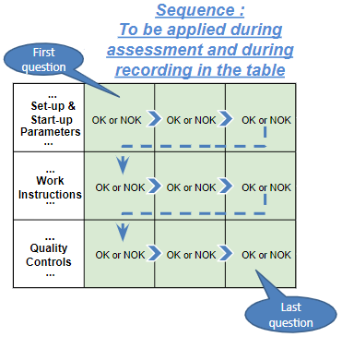
Silent Workstation observation for 10/15 min, to detect any potential Variability related to : - machine settings - operator activities - quality controls |  |  | StEDE3 Matrix Excellence Through Standards |  |  |  | EXISTING ? | DEPLOYED ? How were the users trained to apply this STANDARD ? ( including their Direct Manager if not the trainer ) | ENFORCED ? What is the Direct Manager of the users doing to ensure the strict and continuous EXECUTION of this STANDARD ?
 |  |  |  |  |  |  | Clear, Visible, Quantified, Doable. | Respected by users. Can be explained by users. | The Direct Manager checks on genba the respect of the standards and in case a gap is found an action is defined
 |  |  | For a given Process / Workstation : Are StANDARDS for… | … Set-up Parameters … |  | Parameters list, values and limits and necessary work instructions to set the machine/workstation up for production of the selected part number (to be compared with those used during the FDPR / IS) |  |  |  | 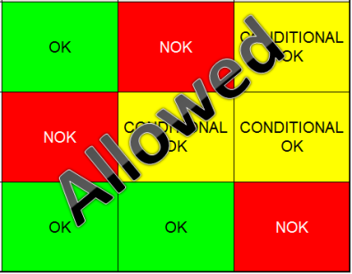
 |  |  |  | ... Work Instructions … |  | Instructions defining how to operate the station safely, to produce parts, and how to maintain the equipment. |  |  |  | 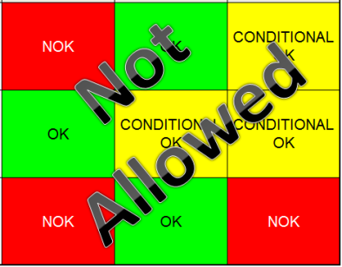
 |  |  |  | … Quality Controls … |  | Activities to control the quality of the operation or of the product after transformation to ensure only good parts are transferred to the next station |  |  |  | 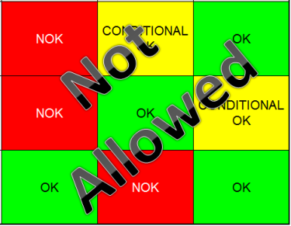

 | Conclusion :

Step 3 : Findings
StEDE3 Matrix Excellence Through Standards |  | EXISTING ? | DEPLOYED ? | ENFORCED ? |  | "Reduction of the variability in our processes, being production or administrative, is key to ensure the sustainability of any continuous improvement"
0 / 9 |  | Clear, Visible, Quantified, Doable. | Respected by users. Can be explained by users. | Audited by direct manager on Genba at a frequency defined based on frequency of usage of standard. | Category (Ex / Dep / Enf) | Findings and next steps |  |  | Owner | Date | Status | Is FMEA update required ? Yes / No | If "Yes", done date
For a given Process / Workstation : Are StANDARDS for… | ...Set-up Parameters … | 0 | 0 | #REF! |  | Finding #1 : Next step :

 |  |  |  |  |  | Finding #2 : Next step :

 |  |  |  |  |  | Finding #3 : Next step :

 | ... Work Instructions … | 0 | 0 | 0 |  | Finding #1 : Next step :

 |  |  |  |  |  | Finding #2 : Next step :

 |  |  |  |  |  | Finding #3 : Next step :

 | ...Quality Controls … | 0 | 0 | 0 |  | Finding #1 : Next step :

 |  |  |  |  |  | Finding #2 : Next step :

 |  |  |  |  |  | Finding #3 : Next step :

 | VALEO signature |  |  |  |  |  | SUPPLIER signature

