LLC Occ (2)
 |  | LESSON LEARNED CARD

Site: | AVOT |  | Type: | Supplier | CIN: | NA
Production Line: | Grinding |  | Department: | Quality | SIN: | NA
Product: | 50-0688 |  | LLC Author: | Weijiang Peng | Date: | 2024-05-24
WHAT WAS THE PROBLEM? (5W + 2H) |  |  | WHAT IS THE SYMPTOM?
What happened? |  |  | Brush block width is out of specification. Spec. 3.95 mm to 4.03 mm Result. 4.052 mm
Brush width out of spec.
Why is it a problem?
Out of line with drawing
When did it happen?
2024-05-22
Who detected it?
Customer
Where was detected?
Incoming inspection
How was detected?
measurement
How many?
8pcs
BEFORE |  |  |  | AFTER
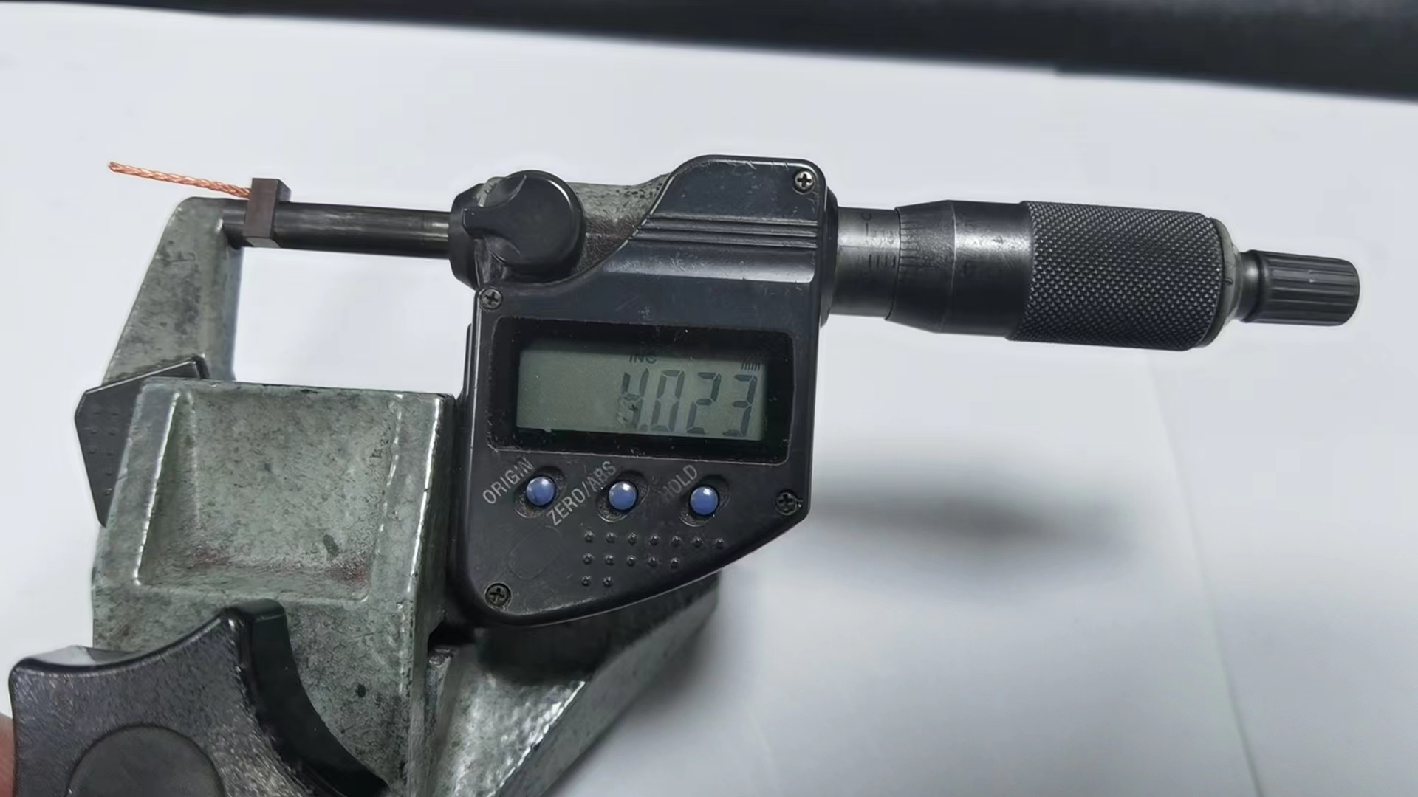 The operator adjusted the equipment by the upper limit |  |  |  | 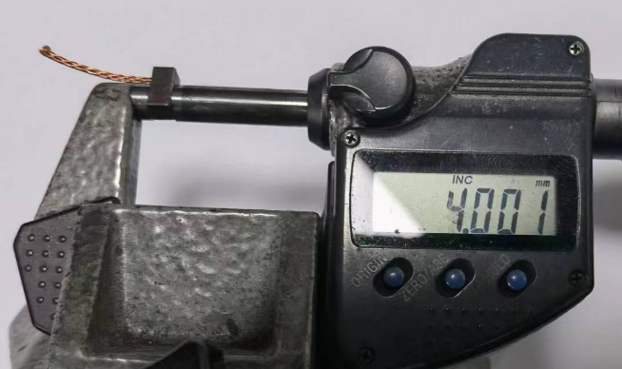 Traning the relevent operator to adjust equipment by the middle limit.

WHAT WE LEARNED?
ITEM (Control Factor) |  | METHOD (Control Point) |  |  | STANDARD
The operator adjusted the equipment by the lower limit. |  | What? | The operator adjusted the equipment by the upper limit. |  | What is Conform?

 |  | Where? | grinding process

 |  | When? | 2024-05-24

 |  | Who? | Yongchun Zhang |  | What is Non-Conform?

 |  | How? | Traning the relevent operator to adjust equipment by the middle limit. Tighten width dimension tolerance requirements on WI.

 |  | How Many? | 1 grinding fixture

