Quick Response
QUICK RESPONSE PDCA
VIM Data |  |  |  |  |  |  |  |  |  |  |  |  |  |  |  |  |  | 3
 |  | Valeo Contact name [1] |  |  |  |  | INCIDENT CATEGORY [3] |  |  |  |  |  | Which LLC was already issued on similar problem? [21]
 |  | Anais BENOIST-FONTAINE <anais.benoist-fontaine@valeo.com> |  |  |  |  |  | C1 |  |  | CP1 |  | No previous LLC due to bad welding of wire on Over molded Plate (OVP).
 |  |  |  |  |  |  |  | C1WR |  |  | CP2
 |  |  |  |  |  |  |  | C2 |  |  | CA
 |  | PRODUCT (Designation + Ref) [2]
 |  |  |  |  |  |  | SUPPLIER INCIDENT DETAILS
 |  | T7 MOT EM1232 989775F |  |  |  |  | Valeo SRM Incident Number |  |  | PTE-M25LVL1-2510-001
 |  |  |  |  |  |  | Date and Time of Valeo Notification |  | 14/10/2025 10:23:00 | Date and Time of Customer Notification

 | WHAT IS THE PROBLEM ? > Use 5W + 2H to know what is the Current Situation ? |  |  |  |  |  |  |  |  |  |  |  | First findings after incident notification [22]
 | 5W2H |  |  |  |  |  | CHARACTERIZATION |  |  |  |  |  |  | Real data ? ( please identify the involved standards ) |  | Factor(s) to include in FTA Occ or FTA Non Det
 | WHAT happened? [4] | No functional motor |  |  |  |  | What is the difference between good and bad parts? [11] |  | The bad part has no continuity in the electrical circuit because the red wire is poorly welded to the brush card insert. |  |  |  | 1/ ... in the MACHINE SETTINGS [23], e.g. parameters list and values, setup records | Parameters of welding machine at Brushcard supplier |  | Y
 | WHY is it a problem? [5] | Part scrap, no respect of specification |  |  |  |  | Was part produced in the standard process? [12] |  | Yes. Standard process for Brushcard and Motor. |  |  |  | 2/ ... in the OPERATIONS [24], e.g. QRAP, OK start, shift, operator, maintenance, breakdowns, cavities, tools, 5S, | OK start by technician (Set Up OK) at Brushcard supplier |  | Y
 | WHEN detected [6] | 30/09/2025 |  |  |  |  | When was it manufactured at Supplier? [13] |  | Motor: 25-247-M 0184 manufactured on 04/09/2025 Brushcard 2508292 manufactured on 29/08/2025
 |  |  |  |  |  |  |  |  |  |  |  |  | 3/ ... in the QUALITY CONTROLS [25], e.g. inspection records, control means, line rejects | Set Up rejects at Brushcard Supplier |  | Y
 | WHO detected? [7] | C.Heslot |  |  |  |  | Who manufactured? [14] |  | Motor: Morning TEAM Leader, A.Duque Brush Card: AVO, SPC technician.
 | (name of operator)
 | WHERE detected? [8] | GME1 |  |  |  |  | In which other application or processes product is used? [15] |  | None |  |  |  | 4/ ... in the RAW MATERIAL [26], e.g. component lots, suppliers, tools, cavities | Brushcard components |  | N
 | HOW detected? [9] | EOL |  |  |  |  | Are we capturing the defect when reinjecting product in normal process? [16] |  | No.
 |  |  |  |  |  |  |  |  |  |  |  |  | 5/ ...in the PROJECT ACTIVITY [27], e.g. DV/PV records | Serial Control Plan of Brushcard |  | N
 | HOW MANY bad parts? [10] | 2 |  |  |  |  | Did a similar problem happen previously at customer or internally? [17] |  | No previous issue due to bad welding of wire on Over molded Plate (OVP).

 | 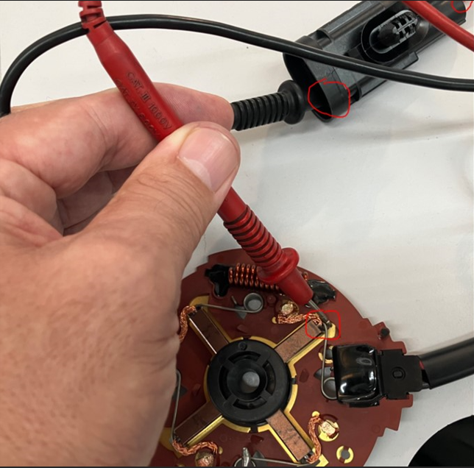 BAD PART [18] |  |  |  |  |  | 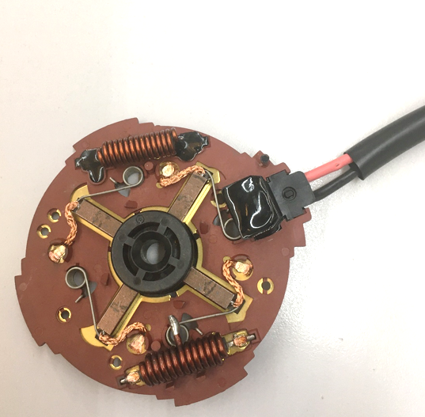 GOOD PART [19] |  |  |  |  |  | WHAT ARE THE IMMEDIATE COUNTERMEASURES (24 hours)?

 |  |  |  |  |  |  |  |  |  |  |  |  | 1. IMMEDIATE COUNTERMEASURES IN SUPPLIER PERIMETER ? [31] |  | WHO | DATE | WHERE

 |  |  |  |  |  |  |  |  |  |  |  |  | No stocked motors at Nidec facilities |  | S.Pascual | 2025-10-14 | NMAS

 |  |  |  |  |  |  |  |  |  |  |  |  | No stocked Brush cards at AVO facilities (BC supplier) |  | L.Charaabi | 2025-10-14 | Avo carbon

 |  |  |  |  |  |  |  |  |  |  |  |  | Request a new batch of quality-guaranteed Brushcards from the supplier (wire welding guaranteed) |  | A.Llledó | 2025-10-03 | NMAS
 |  |  |  |  |  |  |  |  | Origin of the part | Serial part

 | SORTING ACTIVITY to protect customer [20]

 |  |  | Nb. NG Parts | Nb. Sorted |  | PPM |  | Sorting date | WHO |  | Identification OK parts |  | 2. IMMEDIATE COUNTERMEASURES IN VALEO LINE ? [32] |  | WHO | DATE | WHERE
 | Fan systems "installed" in vehicles |  | 0 | 28 | = | 0 | PPM | 2025-10-14 | N.A |  | NA
 | FS sent to the customer before vehicle assembled |  | 0 | 154 | = | 0 | PPM | 2025-10-14 | N.A |  | NA |  | Do not assemble any more FS with engines from the affected batch. Retain assembled FS. |  | Olivier LERAY | 2025-10-03 | VALEO Laval
 | Fan System at Valeo Laval |  | 2 | 36 |  | 55556 | PPM | 2025-09-30 | N.A |  | 2 NOK FS at Valeo Assy. Line
 | Motors at Valeo Laval |  | 0 | 38 | = | 0 | PPM | 2025-10-14 | N.A |  | NA |  | Control 100% on the Valeo line (Acc. Selection Instruction for motors before assemble on FS) |  | Olivier LERAY | 2025-10-15 | VALEO Laval
 | Motors at Nidec |  | 0 | 0 |  | '----' | PPM |  | N.A
 | Brush Card at Nidec |  | 0 | 0 | = | '----' | PPM | 2025-10-14 | N.A
 | Brush Card at Nidec platform |  | 0 | 0 |  | '----' | PPM | 2025-10-14 | N.A
 | Brush Card at AVO |  | 0 | 0 | = | '----' | PPM
 | TOTAL SORTING |  | 2 | 256 | = | 7813 | PPM

 | Production dates of sorted parts | From | To |  |  |  |  | First certified good shipment: |  | Label's Number |  | Date
 |  | 2025-09-04 | 2025-09-04 |  |  |  |  |  |  | To be Produced |  | 2025-10-14
 | Period of NG parts | Earliest NG part Date | Latest NG part Date |  |  |  |  |  |  | Identification OK parts / OK pallets
 |  | 2025-09-04 | 2025-09-04 |  |  |  |  |  |  | Motor traceability > 25-287-M

 | VALEO CAN DETECT THE DEFECT ON THE PRODUCTION LINE AT 100% (YES/NO)? NO |  |  |  |  |  |  |  |  | If not, Supplier must set up a control at 100% on the Valeo line

Timeline
TIMELINE [1]

RISKY WINDOW

Week / Date
Qty produced
Qty NOK detected [2]
Defect rate (ppm)*
* If you have ppm chart available, it can be pasted below

 | Report date and events which may have generated the occurrence or lack of detection. | Report date and events which may have generated the occurrence or lack of detection. | Report date and events which may have generated the occurrence or lack of detection. | Report date of notification of the First Defect detected @ Valeo / Customer | Report date and Immediate Countermeasure | Report date and Immediate Countermeasure | Report date and Final Countermeasure after Check Act

DEFECT RATE (PPM)

FTA Occ & 5 Whys
FACTOR TREE ANALYSIS FOR OCCURRENCE - Why the problem occurred ?

PROBLEM DESCRIPTION (Supplier view) [1] |  | The bad part has no continuity in the electrical circuit because the red wire is poorly welded to the brush card insert.

4M [2] | FACTORS [3] | STANDARD [5] |  | Factor VALUE on OK PARTS [6] | Factor VALUE on BAD PARTS [7] | JUDGMENT |  |  | Potential Root Causes | 1) Ask WHY until you arrive at the real root cause. 2) For each WHY level, decide if a countermeasure (corrective or preventive action) is to be defined and put a 'Y'.
 |  |  |  | Good Part / Situation taken as reference [8] ............................. | Bad Part / Situation taken as reference [9] ............................. | Std OK [10] | Meet std [11] | Direct link [12] |  | 5 WHYs |  | Countermeasure?
METHOD | Electrical welding parameter of the red wire on the overmolded plate | What was the standard value and tolerance? | Current intensity = {65/75} pressure = {3,5/4,5} bar Welding time = 5 electrode cooling 10 Weld holding = 10 electrode reference {upper electrode = SMEC 297, Lower electrode = SMEC 720} | Current intensity = 72 pressure =4,8 bar Welding time = 5 electrode cooling 10 Weld holding = 10 electrode reference {upper electrode = SMEC 297, Lower electrode = SMEC 720} | Current intensity = 72 pressure =4,8 bar Welding time = 5 electrode cooling 10 Weld holding = 10 electrode reference {upper electrode = SMEC 297, Lower electrode = SMEC 720} | Y | Y | N |  | 1st WHY
 |  | Where was the standard value defined (name, number and index of the document) ? | Work instruction of the electrical welding of the red wire PS12.3-M3 ind. 1 |  |  |  |  |  |  | 2nd WHY
 |  |  |  |  |  |  |  |  |  | 3rd WHY
 |  | How was the standard value measured or verified? | visually & manually by the quality technicien |  |  |  |  |  |  | 4th WHY
 |  | What was the frequency of measurement or verification? | in SOP & after maintenace intervention |  |  |  |  |  |  | 5th WHY
METHOD | Managment of the pull test parts | What was the standard value and tolerance? | Take the part from the serial production, check the conformity of the electrical welding of the red wire, then the black wire & scrap all the part | parts of wires pull out test scrapped | parts of wires pull out test returned to the serial production | N | N | Y | Lack of specific identification of pull test parts | 1st WHY | The SPC agent mixed the pull test parts with good parts taken for height choke measurement.
 |  | Where was the standard value defined (name, number and index of the document) ? | Work instruction pull out test of wires PS12.1-M8 ind. 2 |  |  |  |  |  |  | 2nd WHY | The pull test parts & good part are similar
 |  |  |  |  |  |  |  |  |  | 3rd WHY | The pull test parts were not clearly identified ( different to the serial part) | YES
 |  | How was the standard value measured or verified? | manually |  |  |  |  |  |  | 4th WHY | The pull test standard of T7 part number is not updated as OEM parts.
 |  | What was the frequency of measurement or verification? | 2 parts in SOP & each hour |  |  |  |  |  |  | 5th WHY | The standard was not reviewed for aftermarket part numbers | YES
METHOD | Managment of the scrapped parts | What was the standard value and tolerance? | Compare the scrap follow-up parts with the real part | 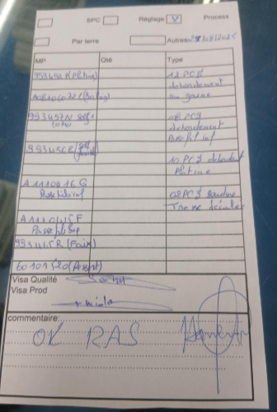 No gap in the scrap follow-up | 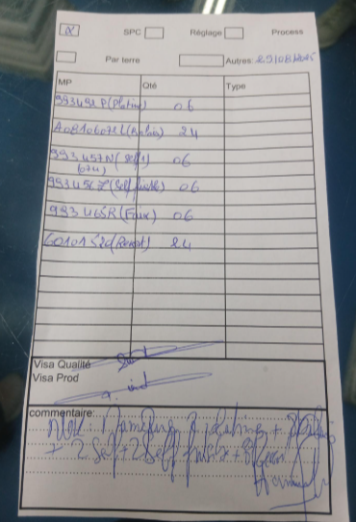 Gap in the scrap follow-up ( missing of 2 parts) | N | Y | Y | No reaction mode of scrap follow-up standard | 1st WHY | The scrap operator did not inform the production team about the missing scrapped parts
 |  | Where was the standard value defined (name, number and index of the document) ? | P3.Fo.S1.27 Ind 01 |  |  |  |  |  |  | 2nd WHY | The scrap follow-up standard does not specify a reaction mode (no instruction to inform the production team about the gap) | YES
 |  |  |  |  |  |  |  |  |  | 3rd WHY | The scrap standard is not enforced (not checked in the audit checklist) | YES
 |  | How was the standard value measured or verified? | No measurment standard defined |  |  |  |  |  |  | 4th WHY | The scrap follow-up is not considered as a crticial process to be checked during the audit
 |  | What was the frequency of measurement or verification? | No frequency defined |  |  |  |  |  |  | 5th WHY | The process mapping and risk analysis (PFMEA) don't identify scrap follow-up as a key process requiring control | YES
METHOD | resine operation "drying time before electrical test" | What was the standard value and tolerance? | drying time = 40 mn before the automatic electrical continuity control | drying operation >= 40 mn | drying operation >= 3 hours | N | D | Y | resine drying time is not enough before automatic continuity control | 1st WHY | The tested part sill not dried
 |  | Where was the standard value defined (name, number and index of the document) ? | PS12.7-M4 ind 08 |  |  |  |  |  |  | 2nd WHY | The drying time is not engough to ensure the drying operation
 |  |  |  |  |  |  |  |  |  | 3rd WHY | The drying time was defined without considering environmental conditions (temperature, humidity, airflow) | YES
 |  | How was the standard value measured or verified? | visually by the supervisor |  |  |  |  |  |  | 4th WHY | There is no validation or periodic check of drying efficiency in the process
 |  | What was the frequency of measurement or verification? | each production |  |  |  |  |  |  | 5th WHY
 |  | What was the standard value and tolerance? |  |  |  |  |  |  |  | 1st WHY
 |  | Where was the standard value defined (name, number and index of the document) ? |  |  |  |  |  |  |  | 2nd WHY
 |  |  |  |  |  |  |  |  |  | 3rd WHY
 |  | How was the standard value measured or verified? |  |  |  |  |  |  |  | 4th WHY
 |  | What was the frequency of measurement or verification? |  |  |  |  |  |  |  | 5th WHY
 |  | What was the standard value and tolerance? |  |  |  |  |  |  |  | 1st WHY
 |  | Where was the standard value defined (name, number and index of the document) ? |  |  |  |  |  |  |  | 2nd WHY
 |  |  |  |  |  |  |  |  |  | 3rd WHY
 |  | How was the standard value measured or verified? |  |  |  |  |  |  |  | 4th WHY
 |  | What was the frequency of measurement or verification? |  |  |  |  |  |  |  | 5th WHY

Action plan & Genba review
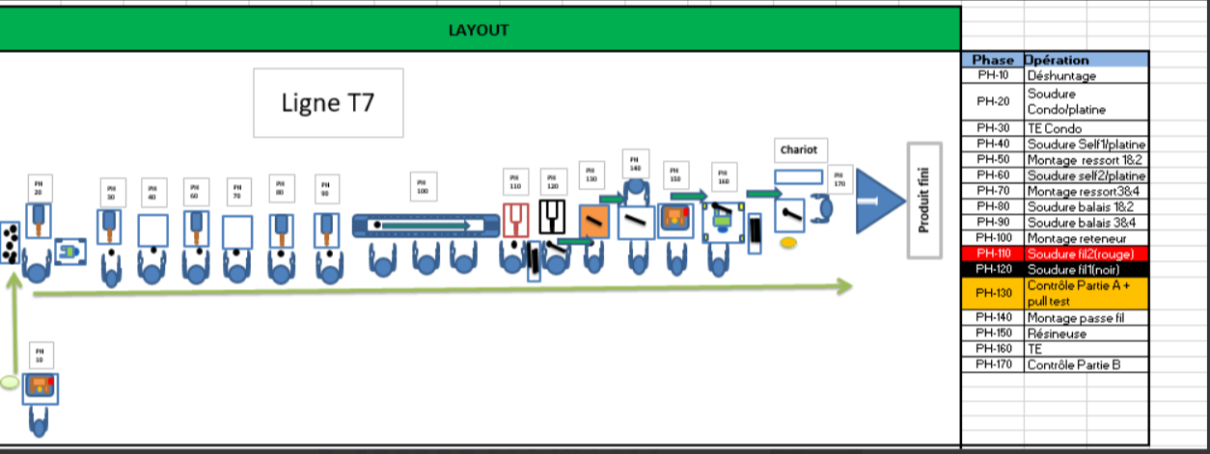
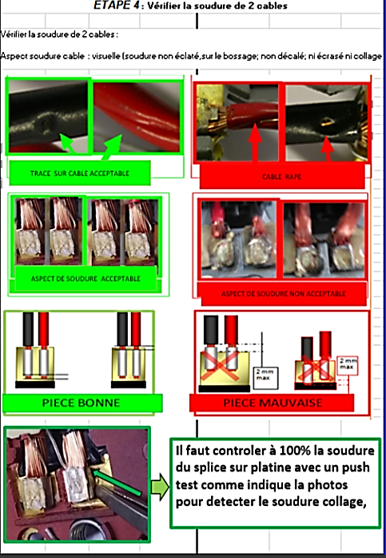
ANALYSIS PDCA

REPRODUCE THE DEFECT
WHAT WAS DONE TO REPRODUCE THE CONCERN? [1] |  | Produce one part with process parameter under the standard, replace the wire by new one (red & black cable) & reweld it with the same plate with the process parameter
HOW WAS IT DONE? [2] |  | Manually
WHEN WAS IT DONE? [3] |  | 2025-10-23
WHAT WAS THE RESULT? [4] |  | Pull test = 152N for the red cable & 158N for the black cable compared by part not reworked the pull test = 322N for the red cable & 307N for the black cable

ACTION PLAN FOR PERMANENT COUNTERMEASURES - OCCURRENCE |  |  |  |  |  |  | CHECK |  |  | ACT
ROOT-CAUSE [5] select the Root Cause among the list proposed | TYPE OF COUNTERMEASURE [6] | COUNTERMEASURE [7] | STANDARD NUMBER REVISION LEVEL [8] | WHO [9] | Due date [10] | Done date [11] | Are ALL users including their Direct Manager trained to use this STANDARD? [12] | Is there an ENFORCEMENT plan for the Direct manager to ensure the respect of this STANDARD? [13] | Genba Check Done and OK (Date) [14] | Document updated? |  |  | Date when all relevant FMEAs and Control Plans were updated [18] | Generalization to other lines / products / site(s) [19] | LLC Done? YES /NO [20]
 |  |  |  |  |  |  |  |  |  | Design FMEA [15] | Process FMEA [16] | Control Plan [17]
The pull test parts were not specifically identified. | Update an existing standard | Transverlize the pull test standard of hight runner product in all after market product ( identifiy the part, overmoded plate without other components) | PS12.1-M8 ind. 2 | Hajer Jaafri | 2025-10-13 | 2025-10-13 | YES | YES | OK | YES | YES | YES | 2025-11-03 | Yes | YES
The scrap follow-up standard does not specify a reaction mode (no instruction to inform the production team about the gap) | Update an existing standard | Update the scrap follow-up standard to define a clear reaction mode (who informs whom, within what delay, and how). | P3.Fo.S1.27 Ind 01 | Baraa Boughanmi | 2025-10-31 | 2025-10-31 | YES | YES | OK | YES | YES | YES | 2025-11-03 | Yes | YES
The scrap standard is not enforced (not checked in the audit checklist) | Update an existing standard | Update the audit checklist to include verification of scrap follow-up and reaction mode application. | P3.Fo.S1.66 Ind 02 | Haithem Besghaier | 2025-10-31 | 2025-10-29 | YES | YES | OK | YES | YES | YES | 2025-11-03 | Yes | NO
The drying time was defined without considering environmental conditions (temperature, humidity, airflow) | Update an existing standard | Update the drying time of the resine before continuity control ( 3 hours instead of 40 mn), Add the traceability of the drying time in the SOP sheet | PS12.7-M4 ind 08 | Hajer Jaafri | 2025-10-15 | 2025-10-15 | YES | YES | OK | YES | YES | YES | 2025-11-03 | Yes | YES
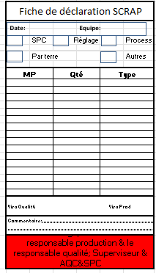
Process audit check-list
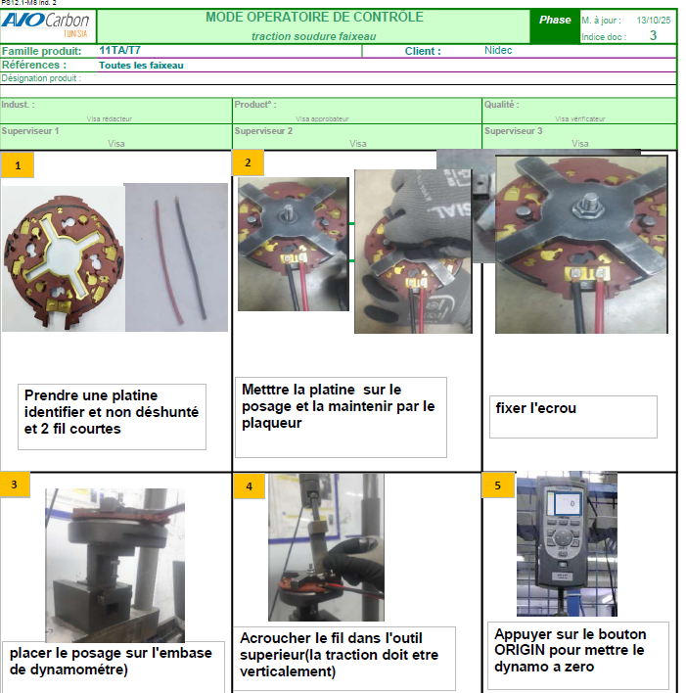

ACTION PLAN FOR PERMANENT COUNTERMEASURES - NON DETECTION |  |  |  |  |  |  | CHECK |  |  | ACT
ROOT-CAUSE [5] select the Root Cause among the list proposed | TYPE OF COUNTERMEASURE [6] | COUNTERMEASURE [7] | STANDARD NUMBER REVISION LEVEL [8] | WHO [9] | Due date [10] | Done date [11] | Are ALL users including their Direct Manager trained to use this STANDARD? [12] | Is there an ENFORCEMENT plan for the Direct manager to ensure the respect of this STANDARD? [13] | Genba Check Done and OK (Date) [14] | Document updated? |  |  | Date when all relevant FMEAs and Control Plans were updated [18] | Generalization to other lines / products / site(s) [19] | LLC Done? YES /NO [20]
 |  |  |  |  |  |  |  |  |  | Design FMEA [15] | Process FMEA [16] | Control Plan [17]
The visual control step is not well placed in the process flow | Update an existing standard | Put the final control before the grommet mounting operation to improve the visual control " the melting area is visible" | P3.Fo.S1.09 Ind 01 | Hajer Jaafri | 2025-10-31 | 2025-10-31 | YES | YES | Ok | YES | YES | YES | 2025-11-03 | Yes | NO
The melting material area between the energy concentrator and the splice is not visible | Update an existing standard | Update the control of the welding by add the manual control by tool " push lightly the splice" | P3.Fo.S1.23 | Baraa Boughanmi | 2025-10-16 | 2025-10-16 | YES | YES | Ok | YES | YES | YES | 2025-11-03 | Yes | YES

SQA Genba Check
 |  | Genba Check StEDE PDCA Genba Check Efficiency control - StEDE3 workstation assesment

 | Supplier Name | AVOCARBON |  | StEDE PDCA Genba Check |  |  |  |  |  |  |  | EFFICIENCY CONTROL |  | StEDE3 Workstation assesment result
 | Supplier Location | TUNISIA
 | Audit date | 2025-11-04
 | Auditor name | Lassaad CHARAABI |  |  |  |  |  |  |  |  |  | Number of parts since actions are in place
 | Incident number | Root cause | Nb | Action: TECHNICAL / SYSTEMIC CORRECTIVE ACTION | Existence: STANDARD NUMBER REVISION LEVEL | Deployment: Are ALL users including their N+1 (Direct Manager) trained to use this STANDARD ? Yes / No | Enforcement: Is there an ENFORCEMENT plan for the N+1 ( Direct manager ) to ensure the respect of this STANDARD ? Yes / No | Action | Existence | Deployment | Enforcement | Produced | Bad parts | StEDE 3 Workstation assesment result
TECHNICAL / SYSTEMIC CORRECTIVE ACTION - OCCURRENCE | PTE-M25LVL1-2510-001 | The pull test parts were not specifically identified. | 1 | Transverlize the pull test standard of hight runner product in all after market product ( identifiy the part, overmoded plate without other components) | PS12.1-M8 ind. 2 | YES | YES | OK | OK | OK | OK | 347 | 0 | 9
 | Confirmed on Genba: Supplier / Valeo SQA: Y/N |  |  | OK | OK | OK | OK
 | PTE-M25LVL1-2510-001 | The scrap follow-up standard does not specify a reaction mode (no instruction to inform the production team about the gap) | 2 | Update the scrap follow-up standard to define a clear reaction mode (who informs whom, within what delay, and how). | P3.Fo.S1.27 Ind 01 | YES | YES | OK | OK | OK | OK | 347 | 0 | 9
 | Confirmed on Genba: Supplier / Valeo SQA: Y/N |  |  | OK | OK | OK | OK
 | PTE-M25LVL1-2510-001 | The scrap standard is not enforced (not checked in the audit checklist) | 3 | Update the audit checklist to include verification of scrap follow-up and reaction mode application. | P3.Fo.S1.66 Ind 02 | YES | YES | OK | OK | OK | OK | 347 | 0 | 9
 | Confirmed on Genba: Supplier / Valeo SQA: Y/N |  |  | OK | OK | OK | OK
 | PTE-M25LVL1-2510-001 | The drying time was defined without considering environmental conditions (temperature, humidity, airflow) | 4 | Update the drying time of the resine before continuity control ( 3 hours instead of 40 mn), Add the traceability of the drying time in the SOP sheet | PS12.7-M4 ind 08 | YES | YES | OK | OK | OK | OK | 347 | 0 | 9
 | Confirmed on Genba: Supplier / Valeo SQA: Y/N |  |  | OK | OK | OK | OK
 | PTE-M25LVL1-2510-001 |  | 5
 | Confirmed on Genba: Supplier / Valeo SQA: Y/N
 | PTE-M25LVL1-2510-001 |  | 6
 | Confirmed on Genba: Supplier / Valeo SQA: Y/N
 | PTE-M25LVL1-2510-001 |  | 7
 | Confirmed on Genba: Supplier / Valeo SQA: Y/N
 | PTE-M25LVL1-2510-001 |  | 8
 | Confirmed on Genba: Supplier / Valeo SQA: Y/N
 | PTE-M25LVL1-2510-001 |  | 9
 | Confirmed on Genba: Supplier / Valeo SQA: Y/N
 | PTE-M25LVL1-2510-001 |  | 10
 | Confirmed on Genba: Supplier / Valeo SQA: Y/N

TECHNICAL / SYSTEMIC CORRECTIVE ACTION - NON DETECTION | PTE-M25LVL1-2510-001 | The visual control step is not well placed in the process flow | 11 | Put the final control before the grommet mounting operation to improve the visual control " the melting area is visible" | P3.Fo.S1.09 Ind 01 | YES | YES | OK | OK | OK | OK | 347 | 0 | 9
 | Confirmed on Genba: Supplier / Valeo SQA: Y/N |  |  | OK | OK | OK | OK |  |  |  |  |  |  |  | ok | ok
 | PTE-M25LVL1-2510-001 | The melting material area between the energy concentrator and the splice is not visible | 12 | Update the control of the welding by add the manual control by tool " push lightly the splice" | P3.Fo.S1.23 | YES | YES | OK | OK | OK | OK | 347 | 0 | 9 | nok | nok
 | Confirmed on Genba: Supplier / Valeo SQA: Y/N |  |  | OK | OK | OK | OK |  |  |  |  |  |  |  | conditional ok | conditional ok
 | PTE-M25LVL1-2510-001 |  | 13
 | Confirmed on Genba: Supplier / Valeo SQA: Y/N
 | PTE-M25LVL1-2510-001 |  | 14
 | Confirmed on Genba: Supplier / Valeo SQA: Y/N
 | PTE-M25LVL1-2510-001 |  | 15
 | Confirmed on Genba: Supplier / Valeo SQA: Y/N
 | PTE-M25LVL1-2510-001 |  | 16
 | Confirmed on Genba: Supplier / Valeo SQA: Y/N
 | PTE-M25LVL1-2510-001 |  | 17
 | Confirmed on Genba: Supplier / Valeo SQA: Y/N
 | PTE-M25LVL1-2510-001 |  | 18
 | Confirmed on Genba: Supplier / Valeo SQA: Y/N
 | PTE-M25LVL1-2510-001 |  | 19
 | Confirmed on Genba: Supplier / Valeo SQA: Y/N
 | PTE-M25LVL1-2510-001 |  | 20
 | Confirmed on Genba: Supplier / Valeo SQA: Y/N

 |  |  |  |  |  |  |  | Actions to be defined for "NOK" cells (above) |  |  |  | StEDE3 result (lowest score of cells above) |  | 9

 |  |  |  |  |  |  |  | Genba Check rate |  | 100%

 |  |  |  | Actions plan for "No" answer to StEDE PDCA Genba check
 |  |  | Nb | Action | Action | Action | Action | Who | When | Done date
 |  | TECHNICAL / SYSTEMIC CORRECTIVE ACTION - OCCURRENCE | 1

 |  |  | 2

 |  |  | 3

 |  |  | 4

 |  |  | 5

 |  |  | 6

 |  |  | 7

 |  |  | 8

 |  |  | 9

 |  |  | 10

 |  | TECHNICAL / SYSTEMIC CORRECTIVE ACTION - NON DETECTION | 11

 |  |  | 12

 |  |  | 13

 |  |  | 14

 |  |  | 15

 |  |  | 16

 |  |  | 17

 |  |  | 18

 |  |  | 19

 |  |  | 20

StEDE3 Matrix
 | StEDE3 Workstation Assessment v2.5
 |  |  |  |  |  |  | 9

Supplier : | AVOCARBON
Plant location : | Tunisia
Assessment date : | 2024-11-05 |  | StEDE3 ASSESSMENT RESULT : |  |  |  | 9/ 9
Workstation assessed : | Red wire electrical welding : step 110
Assessor / Company | Nefzi Riadh
Setter : | Dhaoui Jamel
Operator : | Channoufi Douha |  |  |  |  |  | For supplier self assesment activity, column to be assessed by:
Step 1 : 360° Variability Hunting |  |  | Step 2 : StEDE3 Matrix |  |  |  | Direct Manager of the user |  | Manager from an other APU/Department

Silent Workstation observation for 10/15 min, to detect any potential Variability related to : - machine settings - operator activities - quality controls |  |  | StEDE3 Matrix Excellence Through Standards |  |  |  | EXISTING ? | DEPLOYED ? How were the users trained to apply this STANDARD ? ( including their Direct Manager if not the trainer ) | ENFORCED ? What is the Direct Manager of the users doing to ensure the strict and continuous EXECUTION of this STANDARD ?
 |  |  |  |  |  |  | Clear, Visible, Quantified, Doable. | Respected by users. Can be explained by users. | The Direct Manager checks on genba the respect of the standards and in case a gap is found an action is defined
 |  |  | For a given Process / Workstation : Are StANDARDS for… | … Set-up Parameters … |  | Parameters list, values and limits and necessary work instructions to set the machine/workstation up for production of the selected part number (to be compared with those used during the FDPR / IS) | OK | OK | OK | 
 |  |  |  | ... Work Instructions … |  | Instructions defining how to operate the station safely, to produce parts, and how to maintain the equipment. | OK | OK | OK | 
 |  |  |  | … Quality Controls … |  | Activities to control the quality of the operation or of the product after transformation to ensure only good parts are transferred to the next station | OK | OK | OK | 

 | Conclusion : All the standards are exist, respected & deployed

Step 3 : Findings
StEDE3 Matrix Excellence Through Standards |  | EXISTING ? | DEPLOYED ? | ENFORCED ? |  | "Reduction of the variability in our processes, being production or administrative, is key to ensure the sustainability of any continuous improvement"
9 / 9 |  | Clear, Visible, Quantified, Doable. | Respected by users. Can be explained by users. | Audited by direct manager on Genba at a frequency defined based on frequency of usage of standard. | Category (Ex / Dep / Enf) | Findings and next steps |  |  | Owner | Date | Status | Is FMEA update required ? Yes / No | If "Yes", done date
For a given Process / Workstation : Are StANDARDS for… | ...Set-up Parameters … | OK | OK | #REF! |  | Finding #1 : Next step :

 |  |  |  |  |  | Finding #2 : Next step :

 |  |  |  |  |  | Finding #3 : Next step :

 | ... Work Instructions … | OK | OK | OK |  | Finding #1 : Next step :

 |  |  |  |  |  | Finding #2 : Next step :

 |  |  |  |  |  | Finding #3 : Next step :

 | ...Quality Controls … | OK | OK | OK |  | Finding #1 : Next step :

 |  |  |  |  |  | Finding #2 : Next step :

 |  |  |  |  |  | Finding #3 : Next step :

 | VALEO signature |  |  |  |  |  | SUPPLIER signature Lassaad Charaabi 03/11/2025

