数据分析图表
数据分析图表（基于命令模式提取）
数据提取配置: {'FETCh:NR:BLER:UL:RESult?': [9], 'FETCh:NR:BLER:DL:RESult?': [9], 'FETCh:NR:MEValuation:TXP:AVG?': [2]}

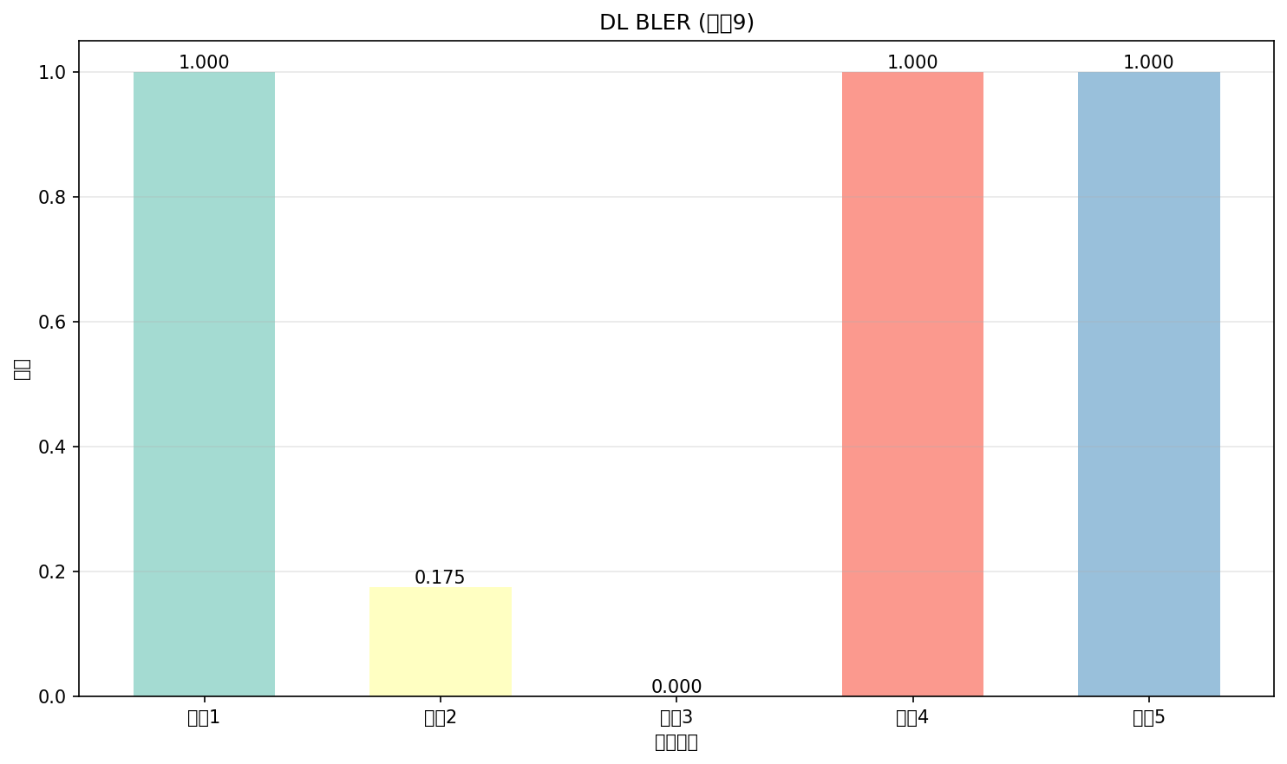

命令: FETCh:NR:BLER:DL:RESult?
提取位置: 9
循环数: 5
具体数值:
循环1: 1.000
循环2: 0.175
循环3: 0.000
循环4: 1.000
循环5: 1.000

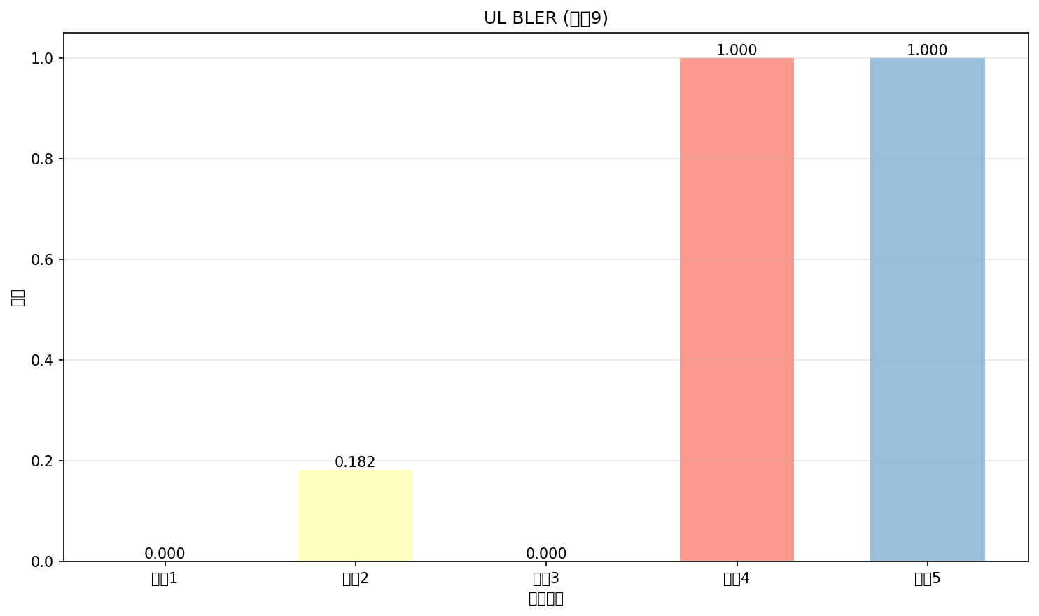

命令: FETCh:NR:BLER:UL:RESult?
提取位置: 9
循环数: 5
具体数值:
循环1: 0.000
循环2: 0.182
循环3: 0.000
循环4: 1.000
循环5: 1.000

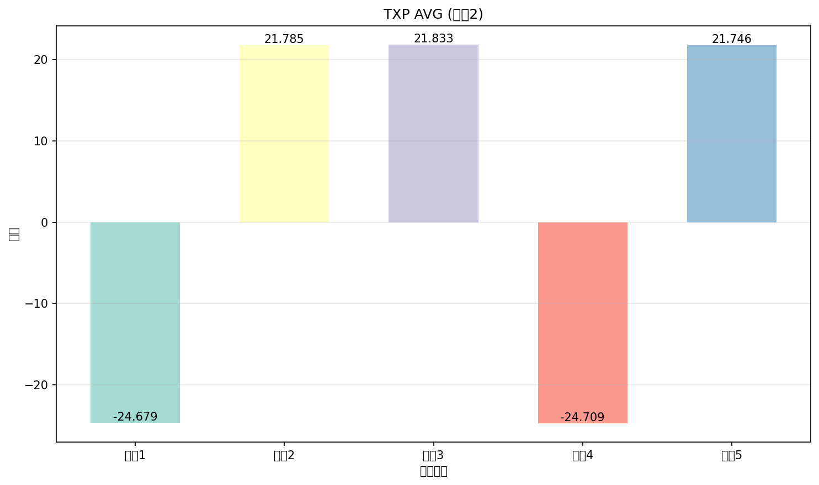

命令: FETCh:NR:MEValuation:TXP:AVG?
提取位置: 2
循环数: 5
具体数值:
循环1: -24.679
循环2: 21.785
循环3: 21.833
循环4: -24.709
循环5: 21.746

