图表汇总
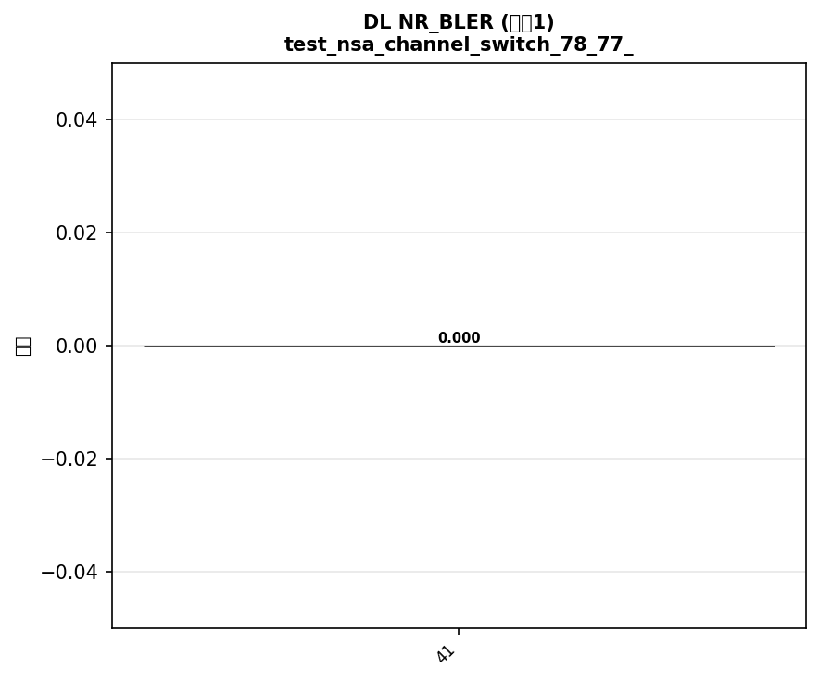

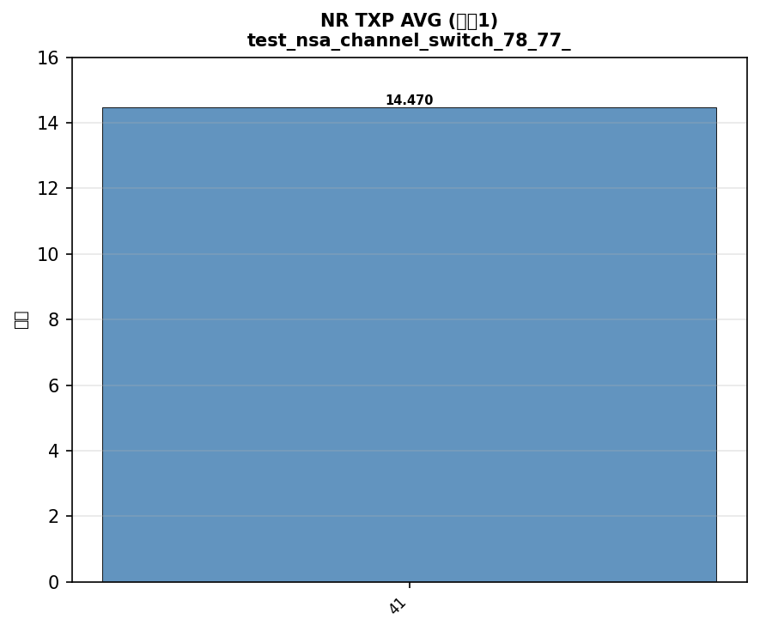
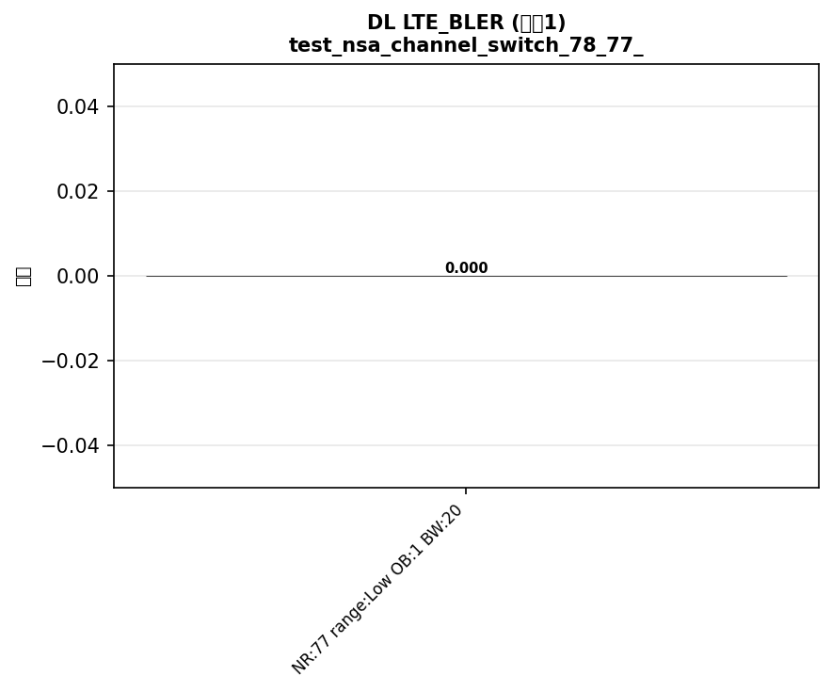

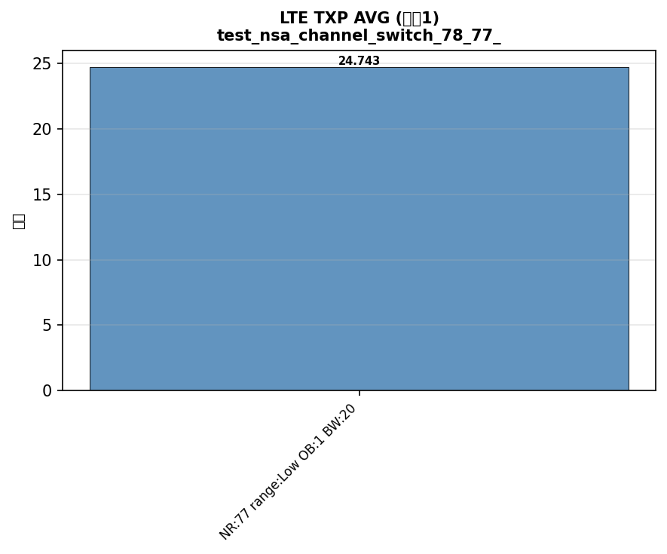
配置: test_fixed_power_nr_band41_nr_bw100_lte_band3_lte_bw20_scs30_LOW
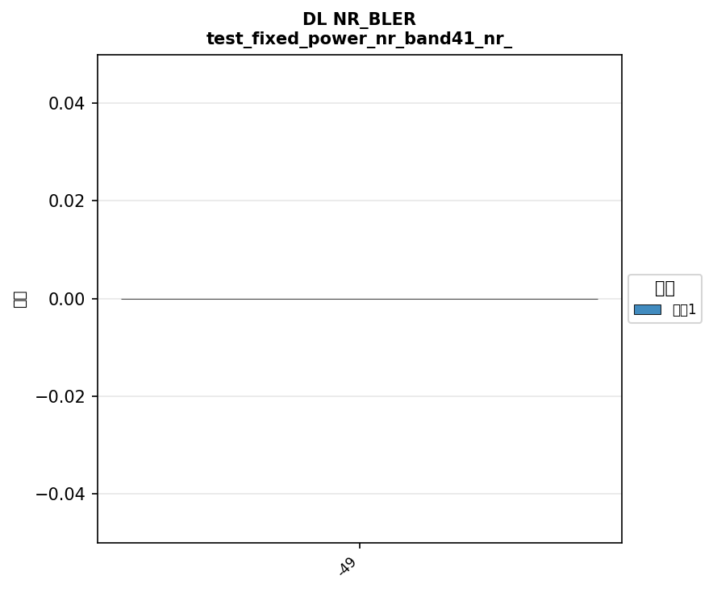



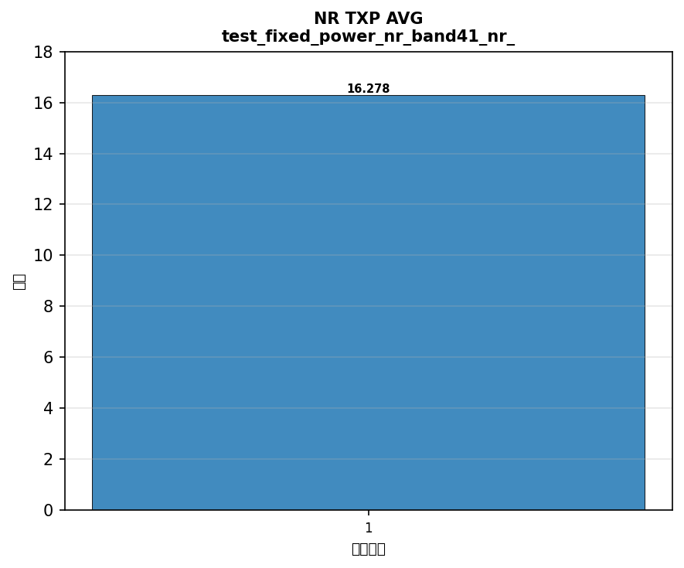





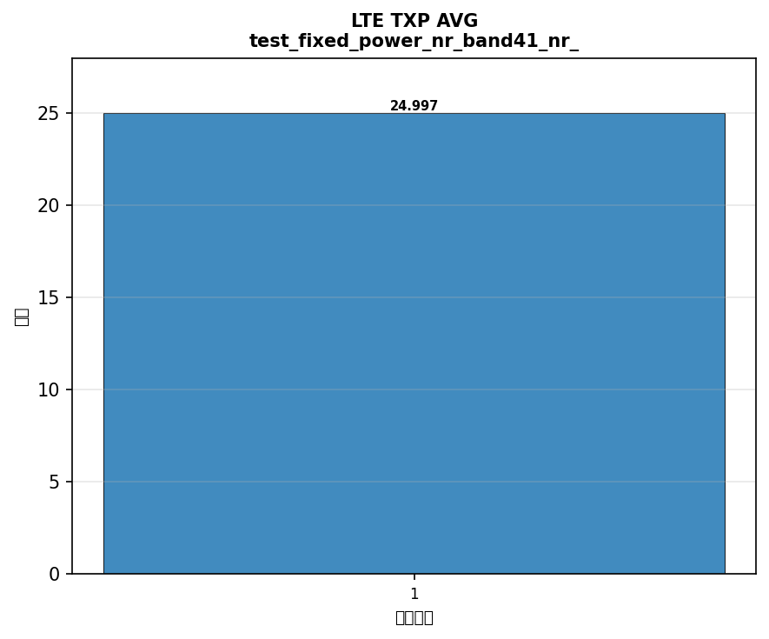

配置: test_fixed_power_nr_band77_nr_bw100_lte_band3_lte_bw20_scs30_LOW




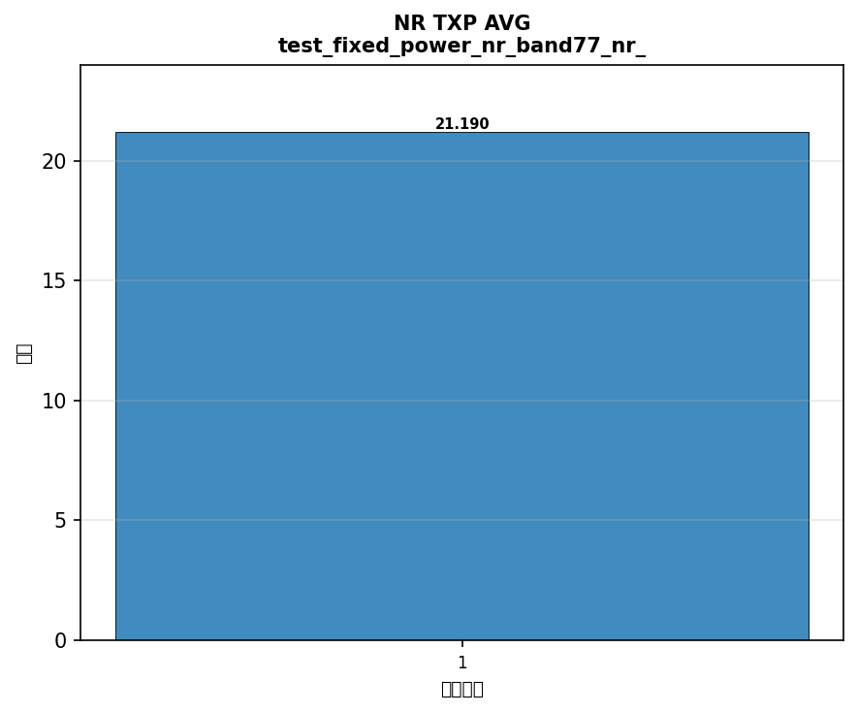





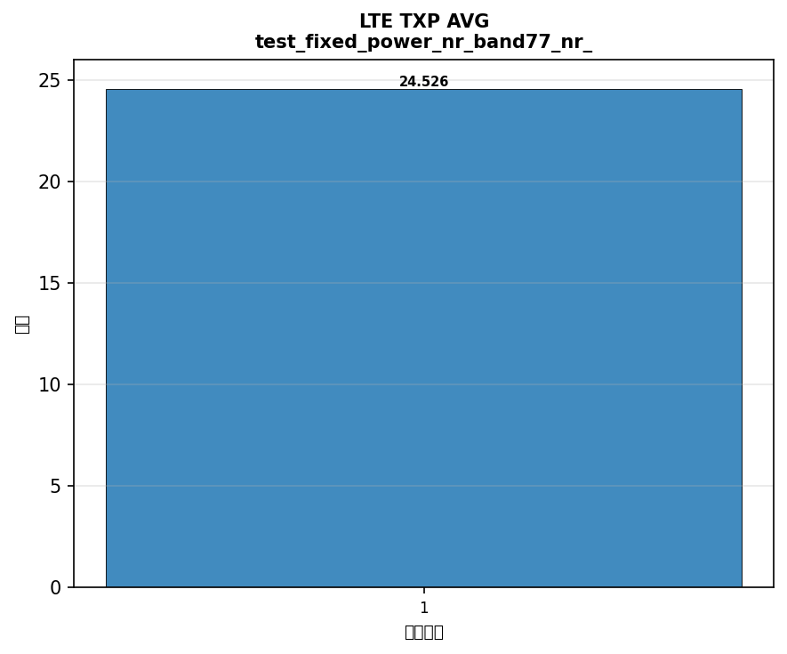

配置: test_fixed_power_nr_band78_nr_bw100_lte_band3_lte_bw20_scs30_LOW




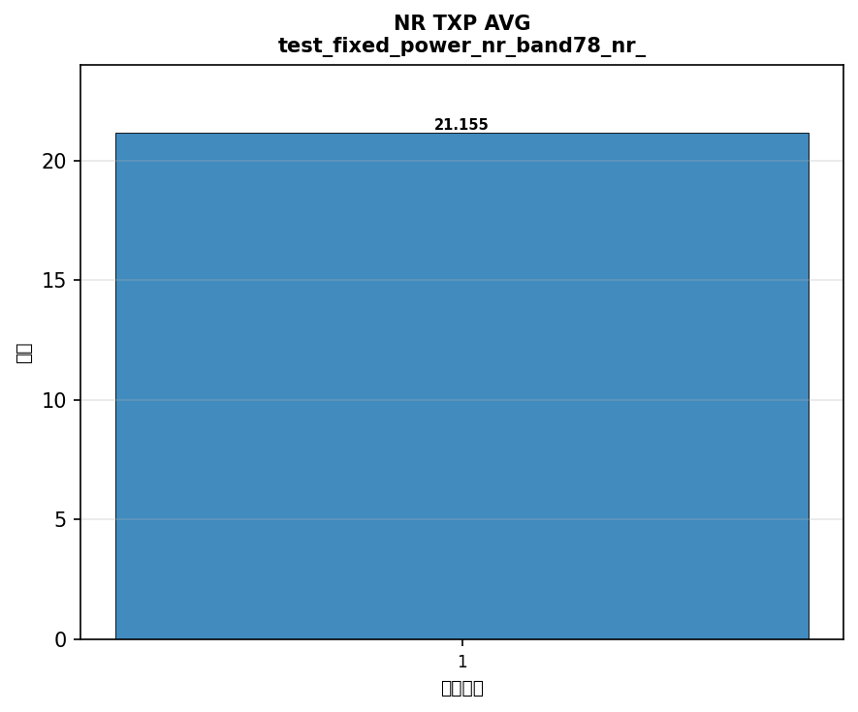



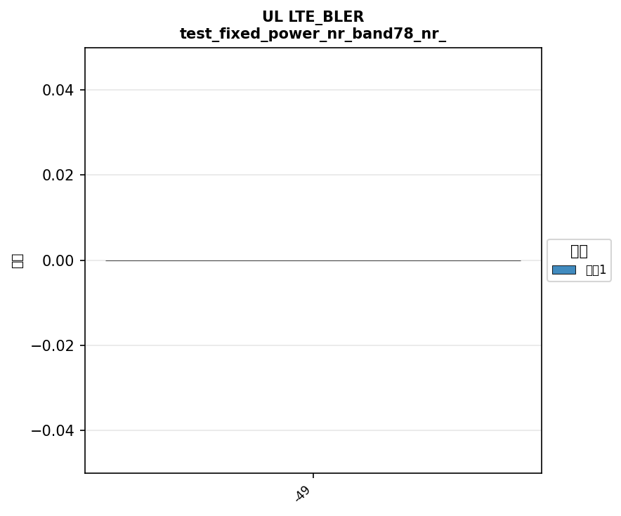

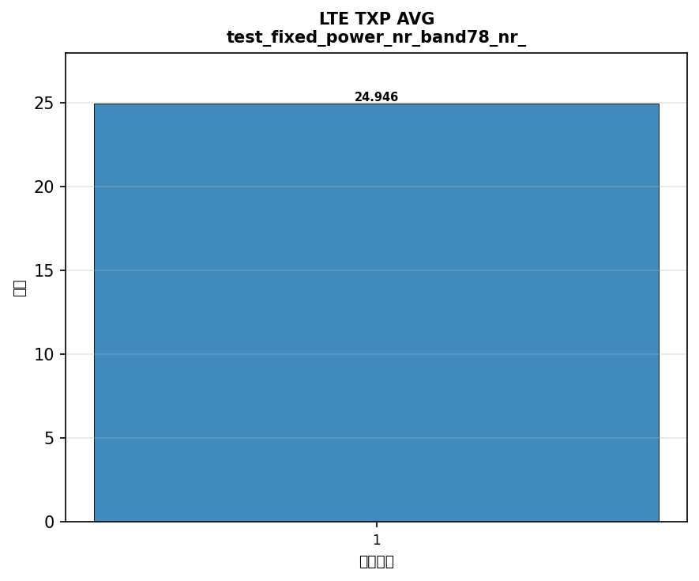

配置: test_fixed_power_nr_band79_nr_bw100_lte_band3_lte_bw20_scs30_LOW




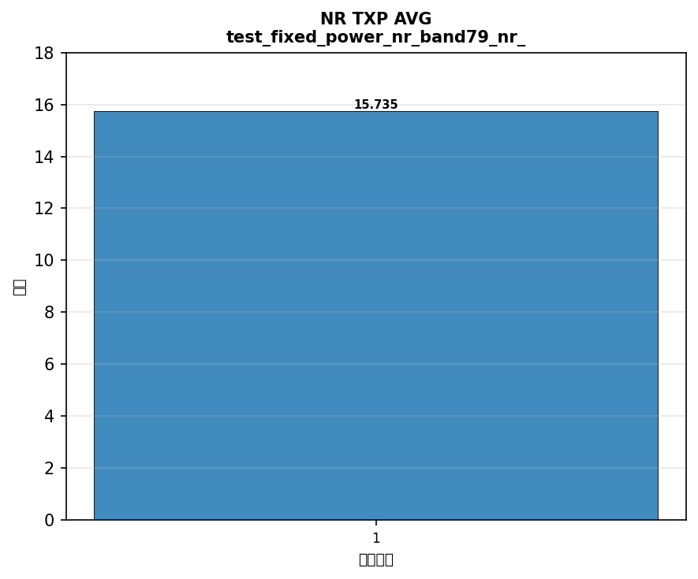







配置: power_test_ot_nr_band41_nr_bw100_lte_band3_lte_bw20_scs30_LOW
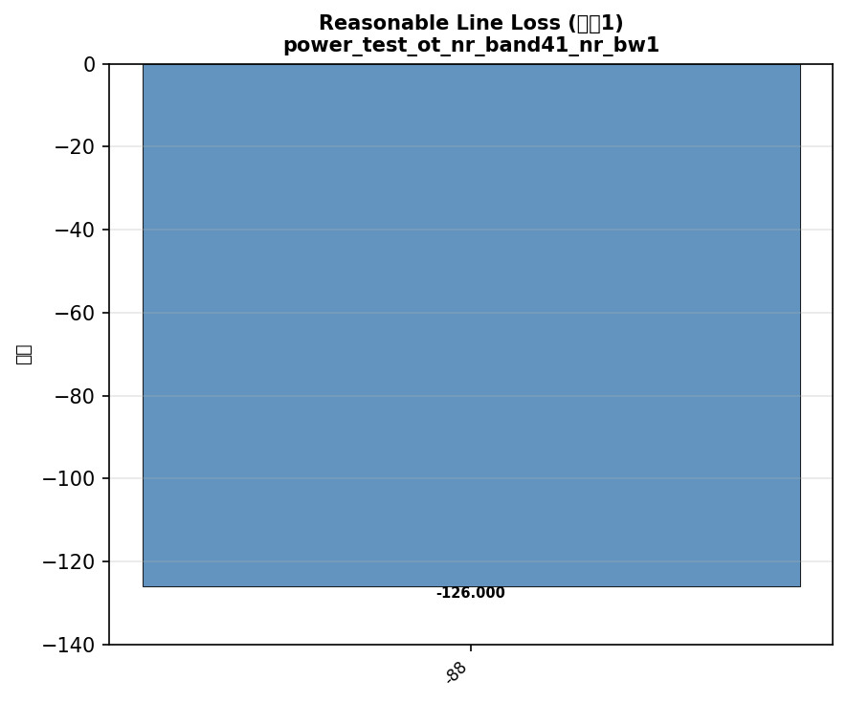

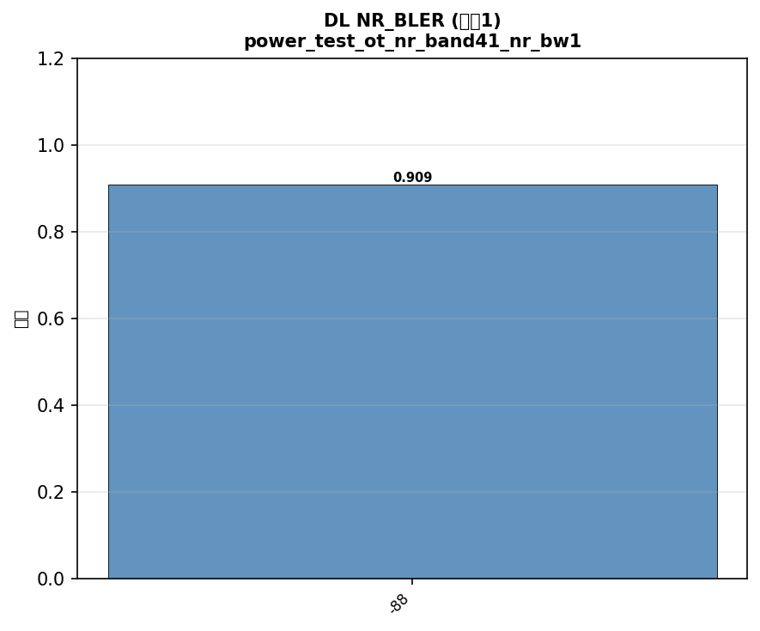

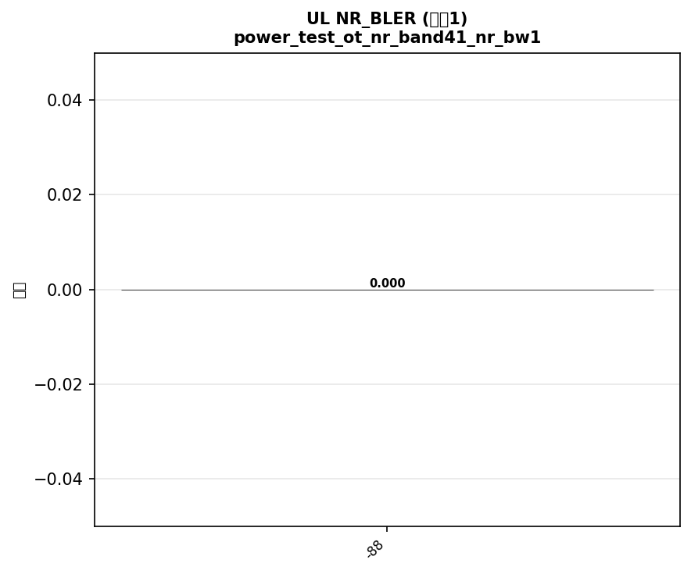



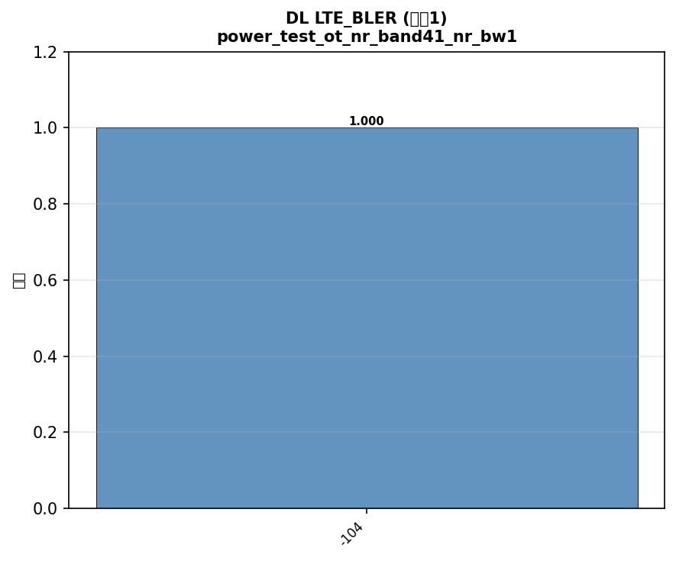

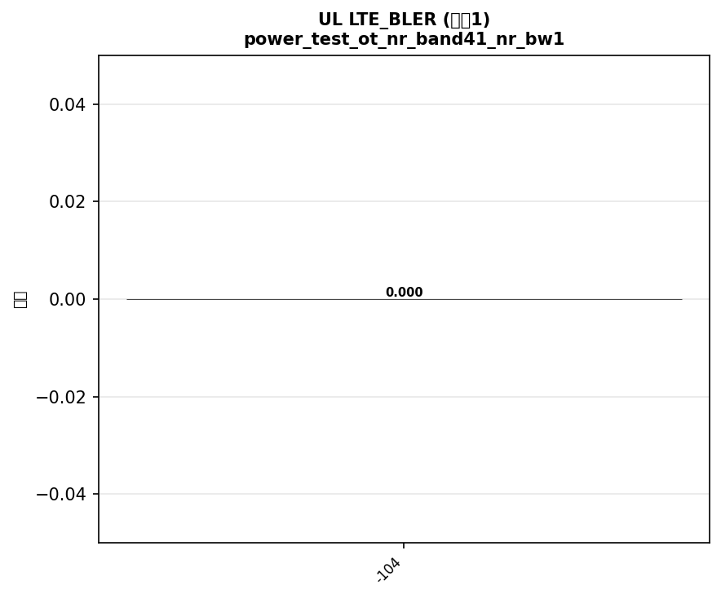



配置: power_test_ot_nr_band77_nr_bw100_lte_band3_lte_bw20_scs30_LOW
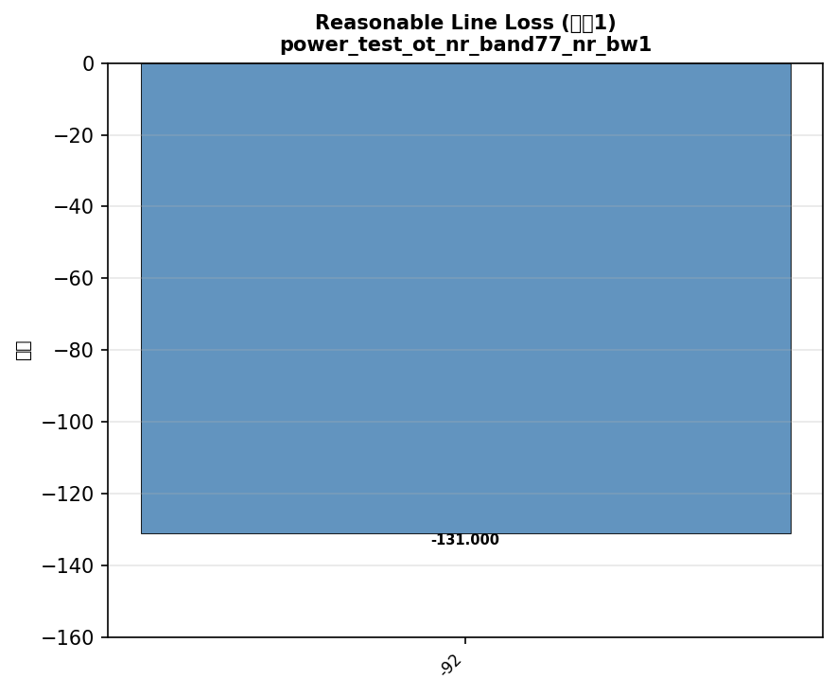

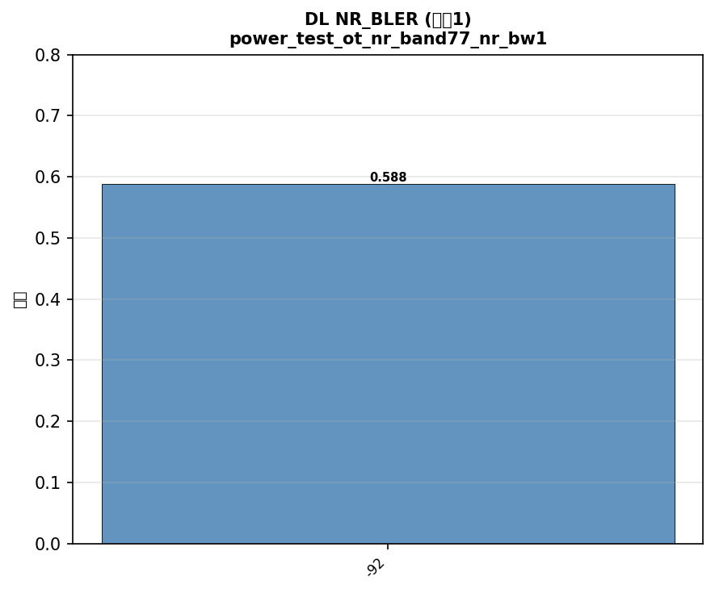

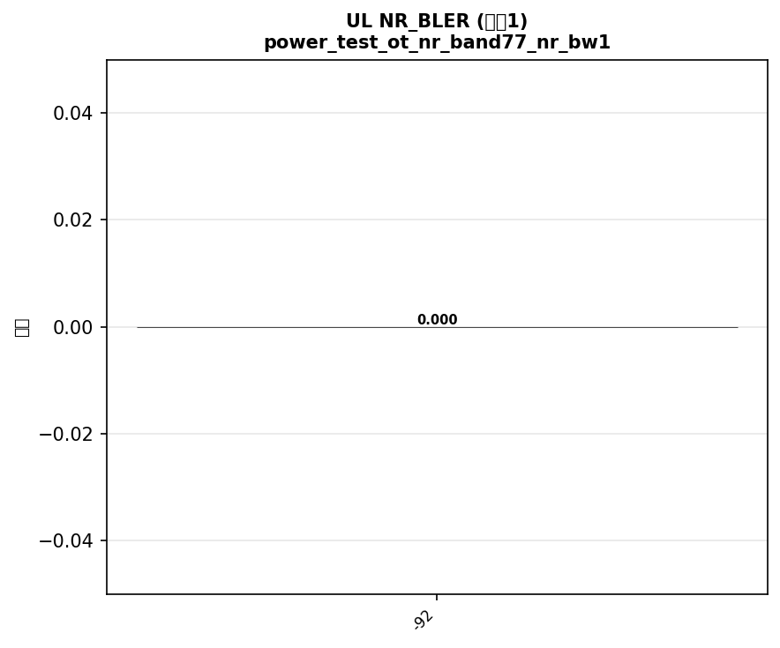





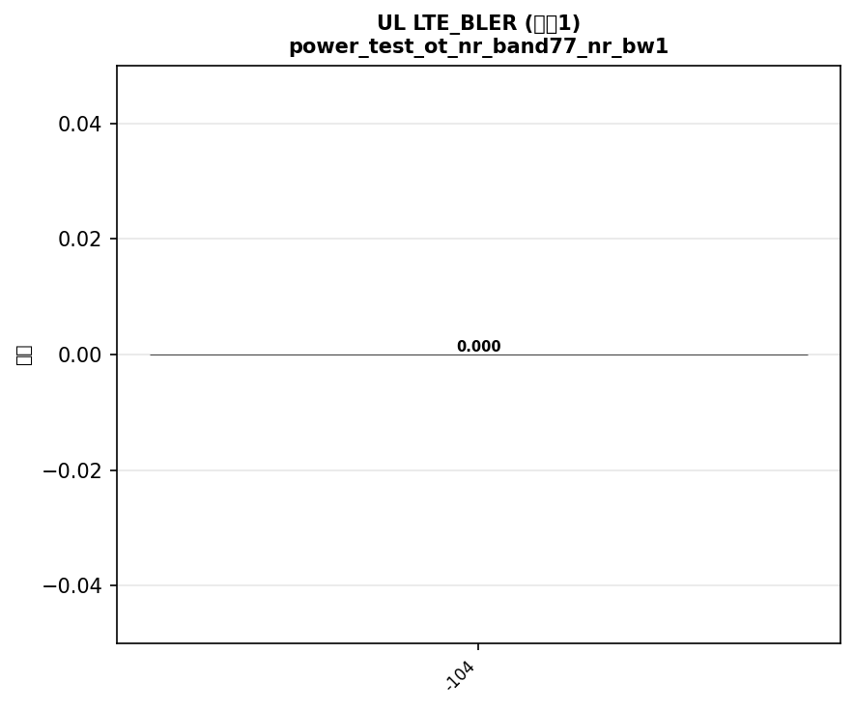

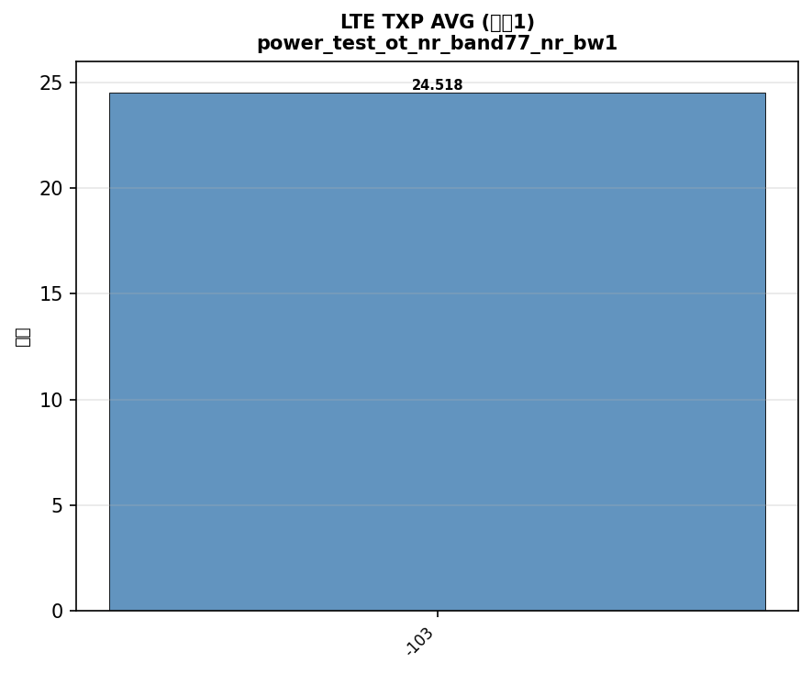

配置: power_test_ot_nr_band78_nr_bw100_lte_band3_lte_bw20_scs30_LOW


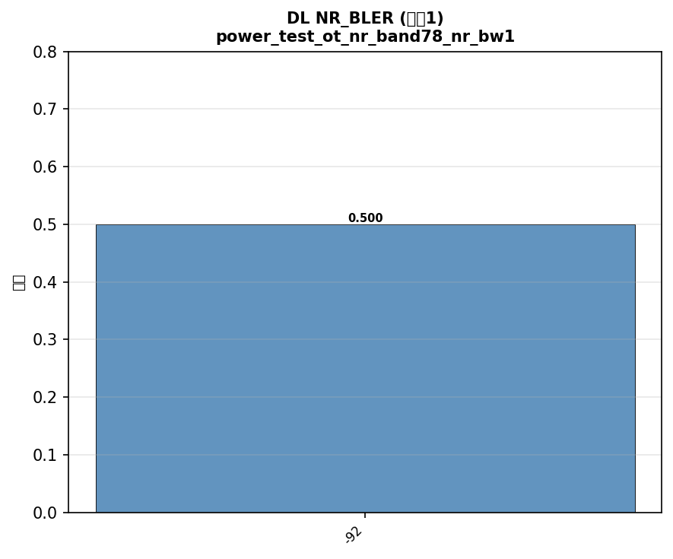



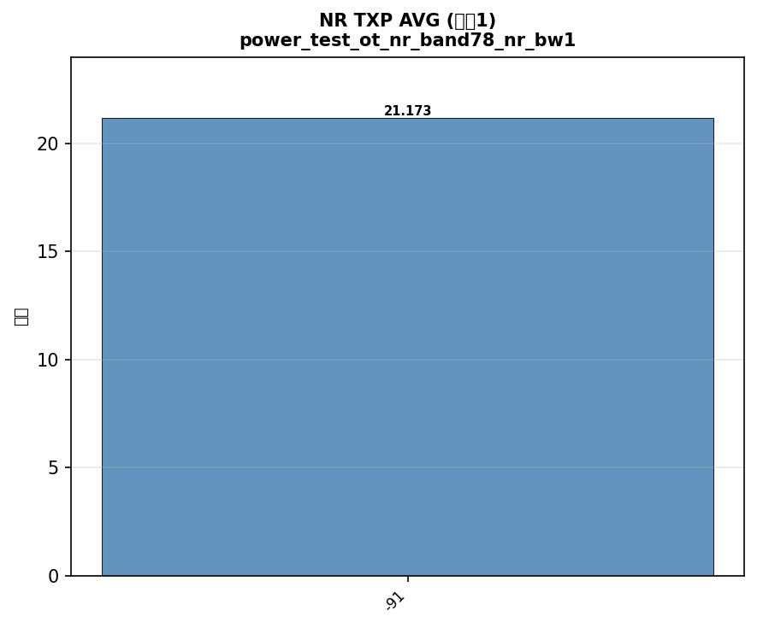

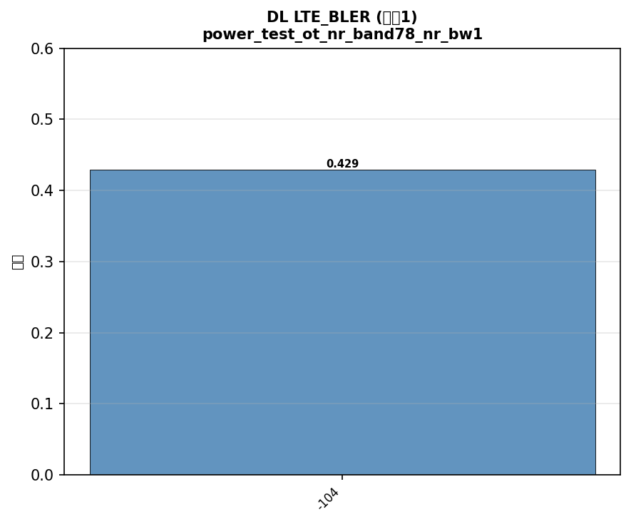





配置: power_test_ot_nr_band79_nr_bw100_lte_band3_lte_bw20_scs30_LOW
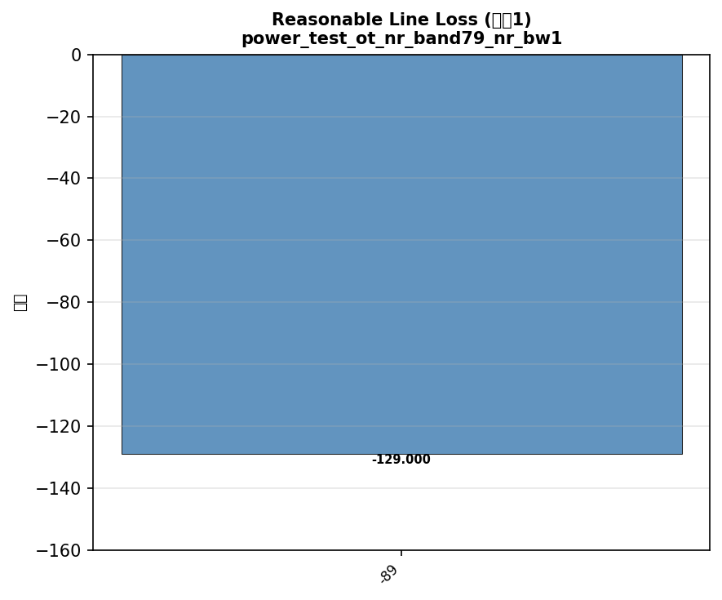













配置: test_nsa_channel_switch_78_77_79_41_lte78_77

横向对比
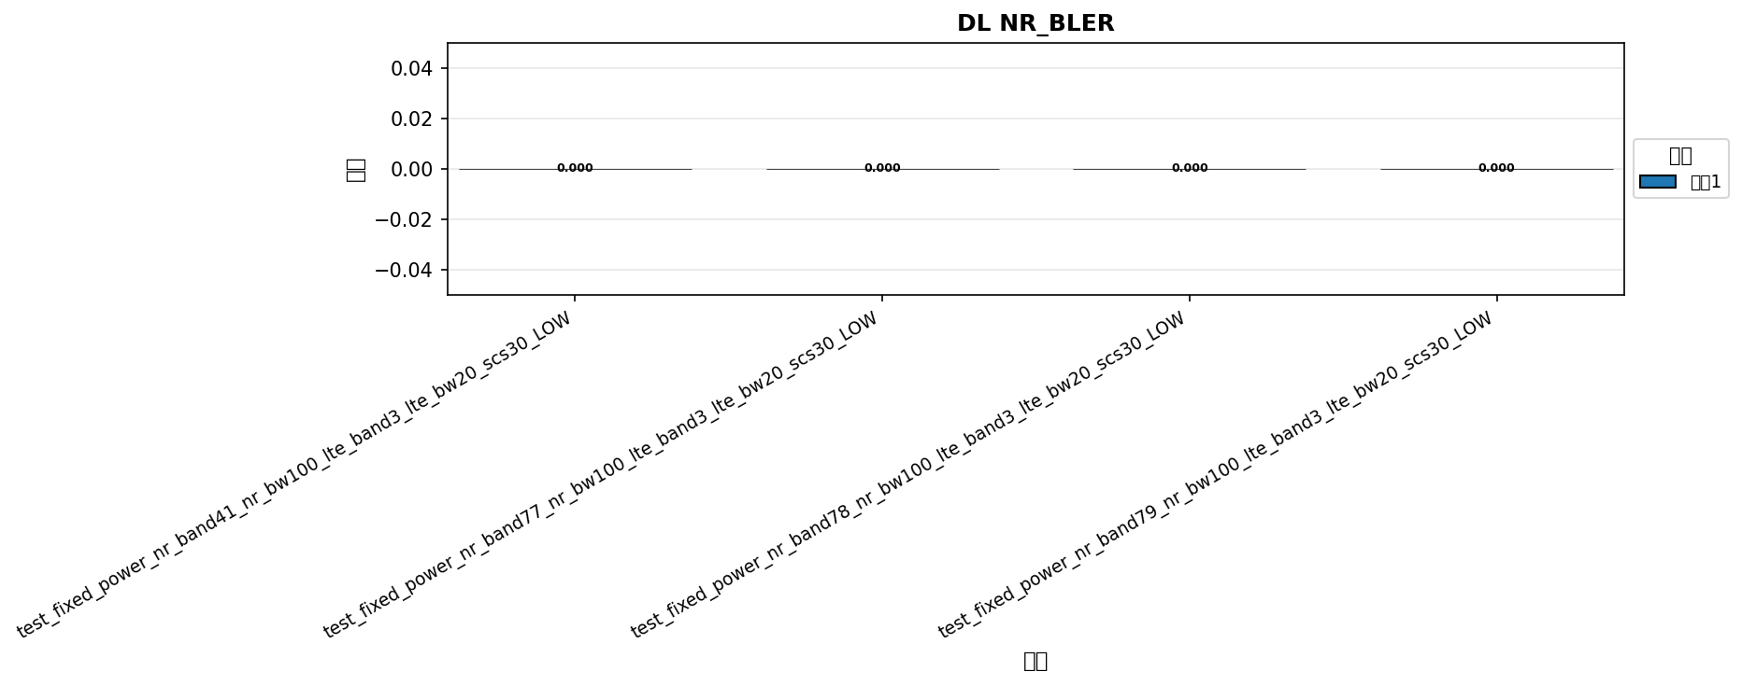

命令: DL NR_BLER
配置数量: 4
循环数: 1



命令: UL NR_BLER
配置数量: 4
循环数: 1

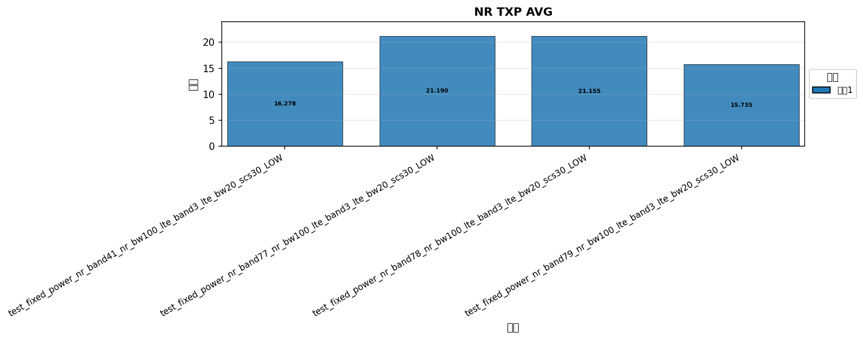

命令: NR TXP AVG
配置数量: 4
循环数: 1



命令: DL LTE_BLER
配置数量: 4
循环数: 1



命令: UL LTE_BLER
配置数量: 4
循环数: 1

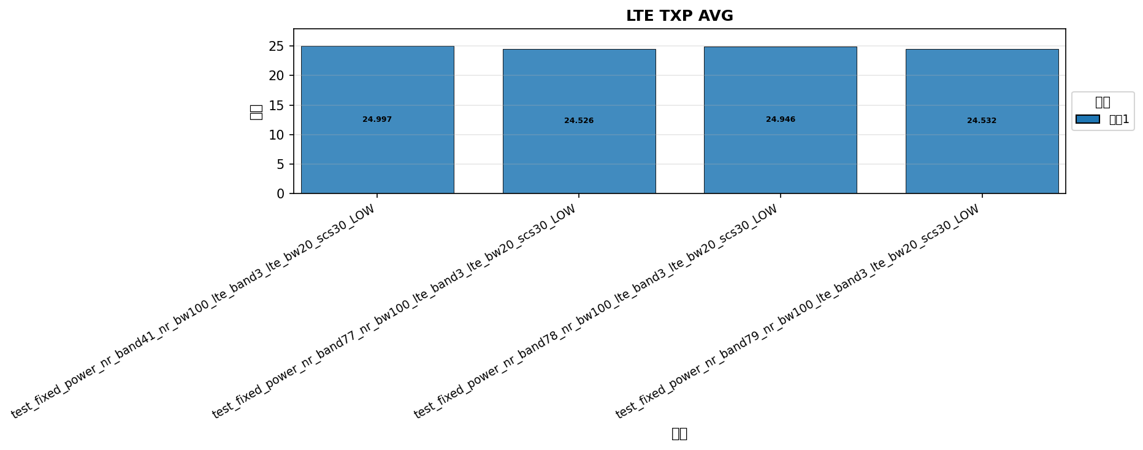

命令: LTE TXP AVG
配置数量: 4
循环数: 1

