图表汇总
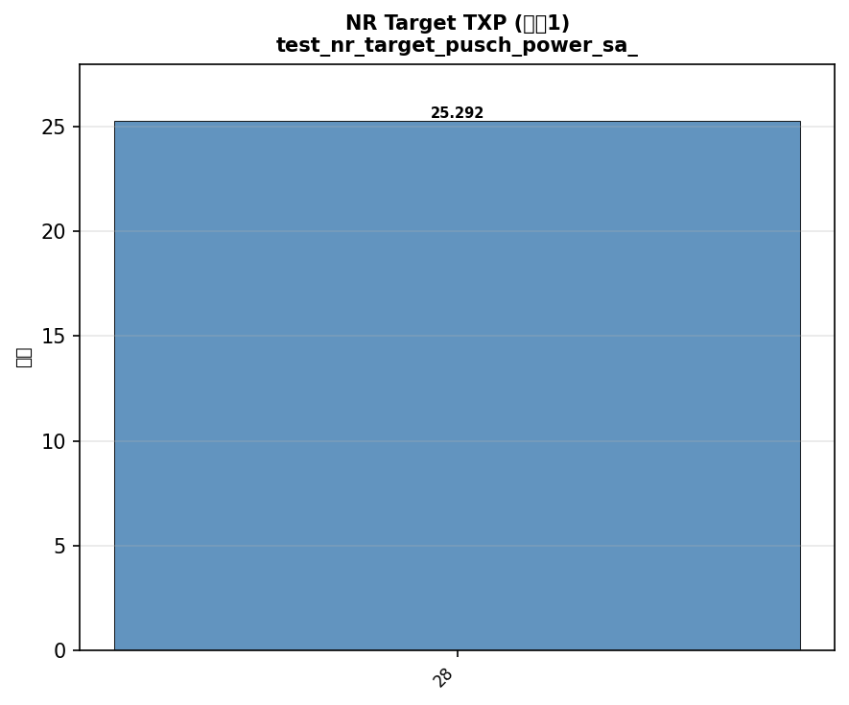
配置: test_fixed_power_sa_1_bw20_scs15_LOW
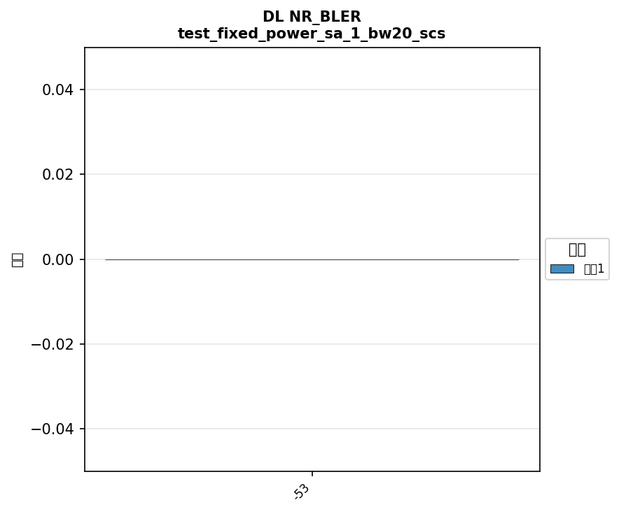



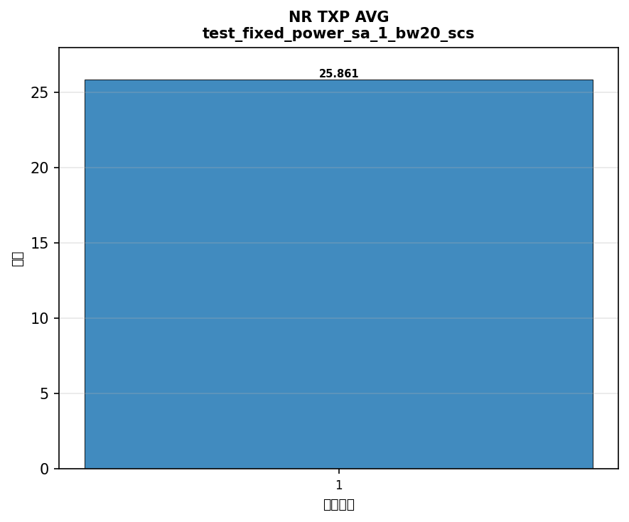

配置: test_fixed_power_sa_5_bw20_scs15_LOW




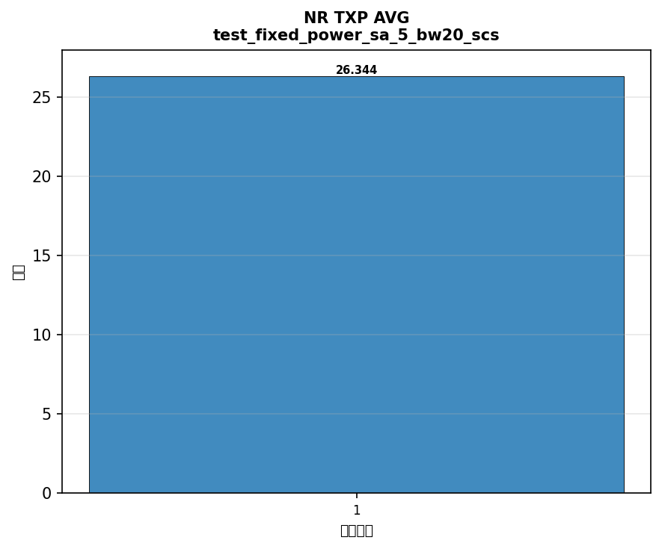

配置: test_fixed_power_sa_8_bw20_scs15_LOW




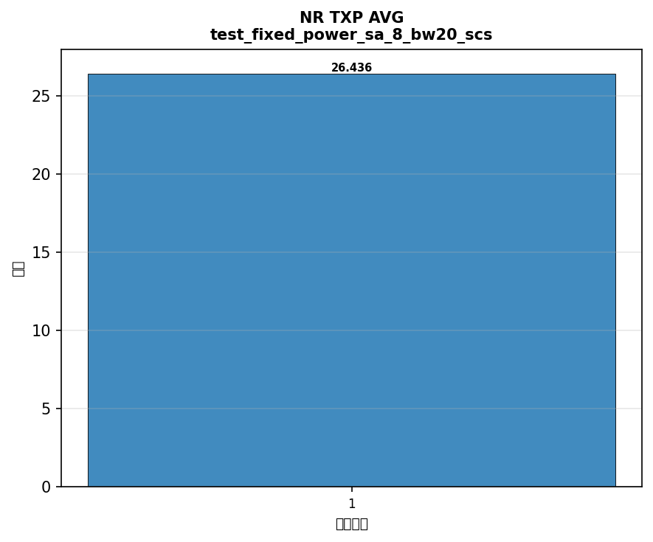

配置: test_fixed_power_sa_28_bw20_scs15_LOW


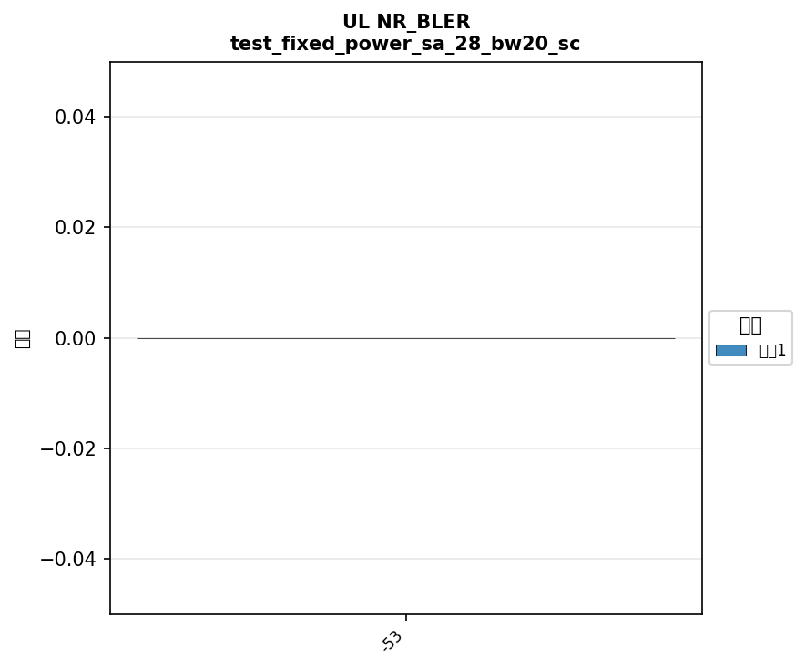



配置: test_fixed_power_sa_41_bw100_scs30_LOW
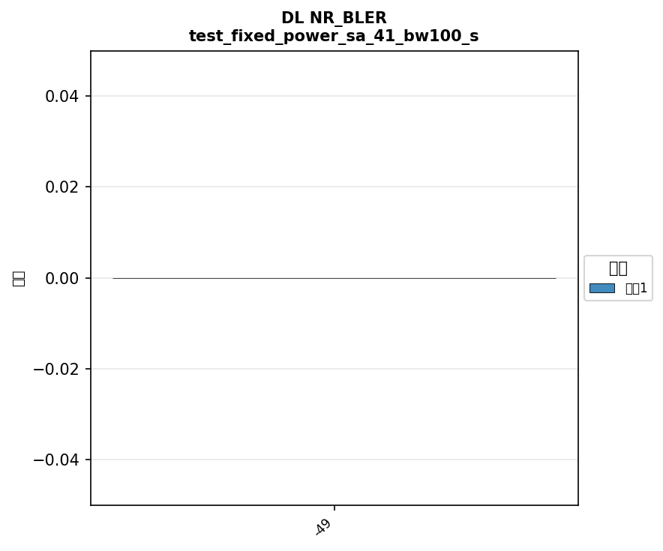



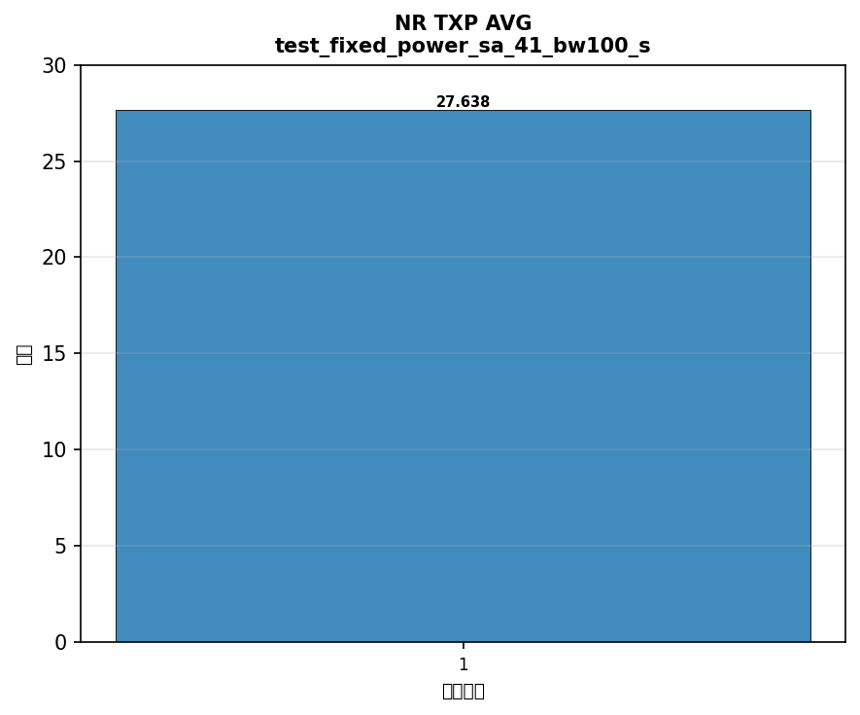

配置: test_fixed_power_sa_77_bw100_scs30_LOW
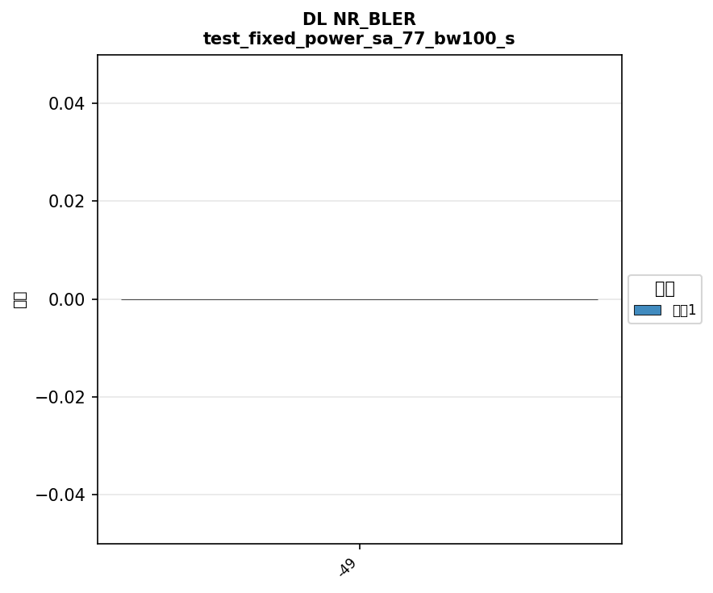



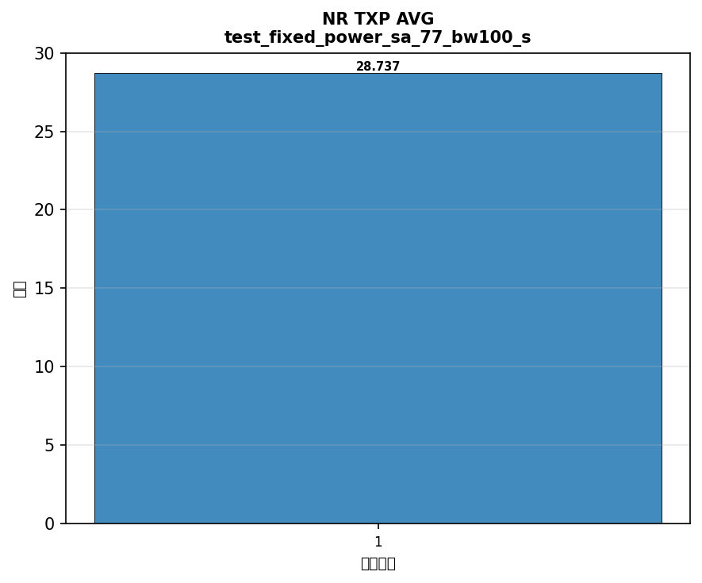

配置: test_fixed_power_sa_78_bw100_scs30_LOW






配置: power_test_ot_sa_1_bw20_scs15_LOW
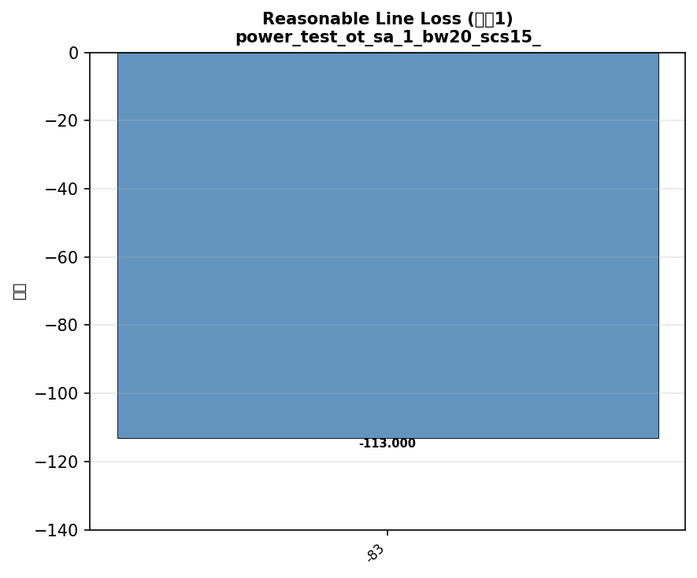

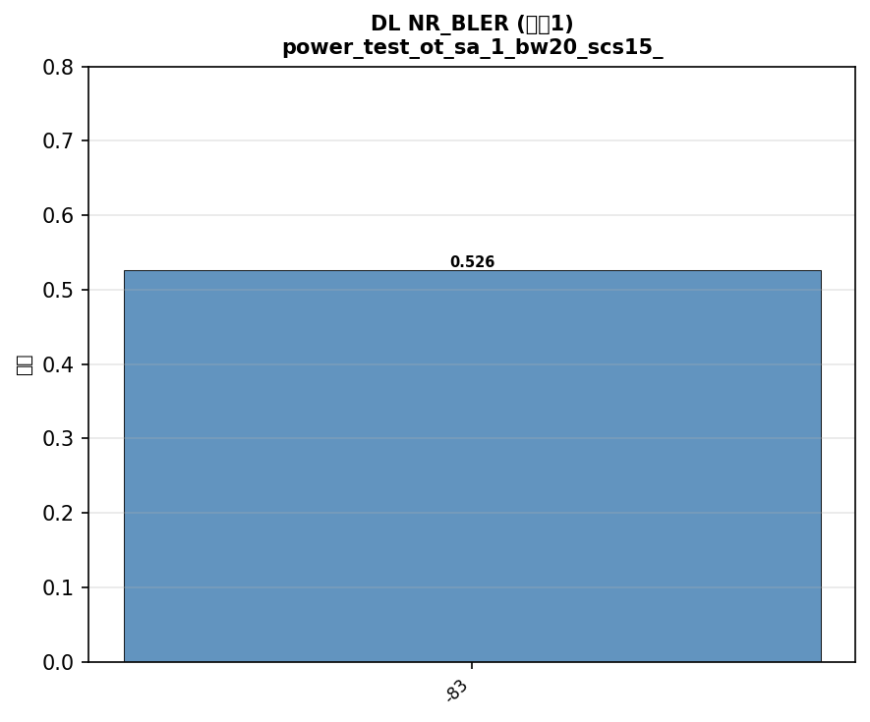

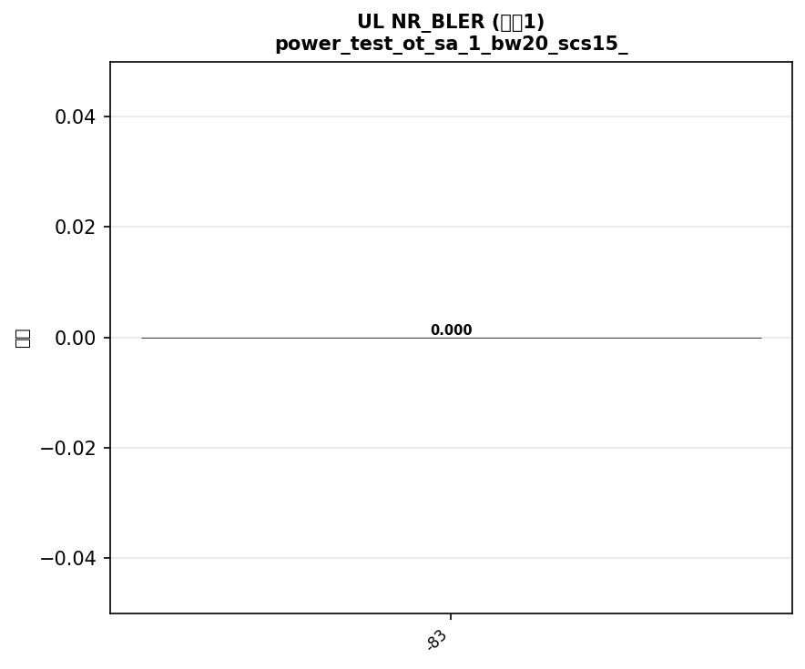

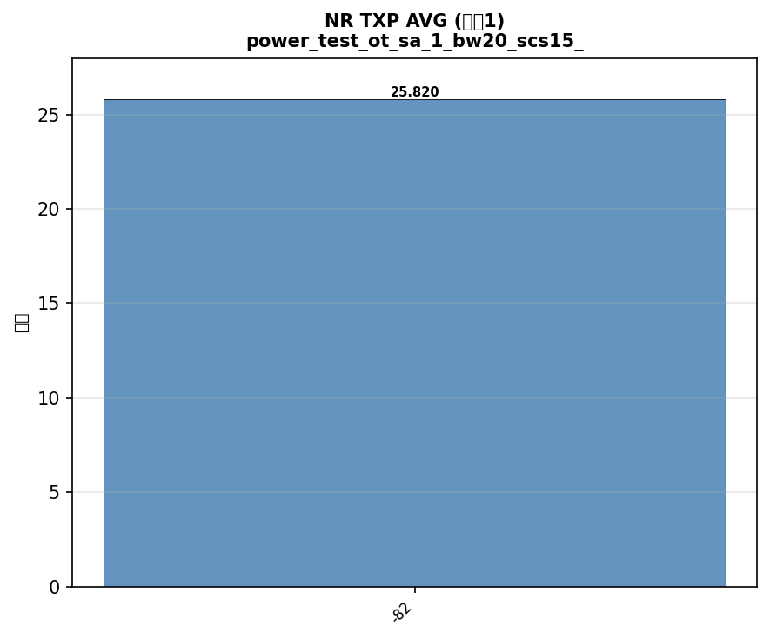

配置: power_test_ot_sa_5_bw20_scs15_LOW
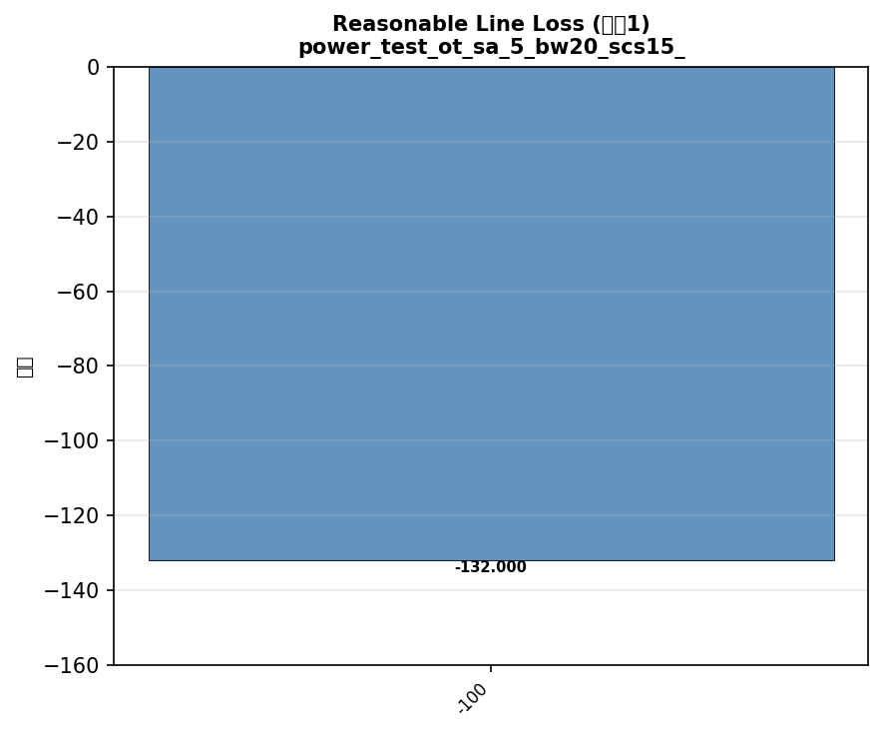

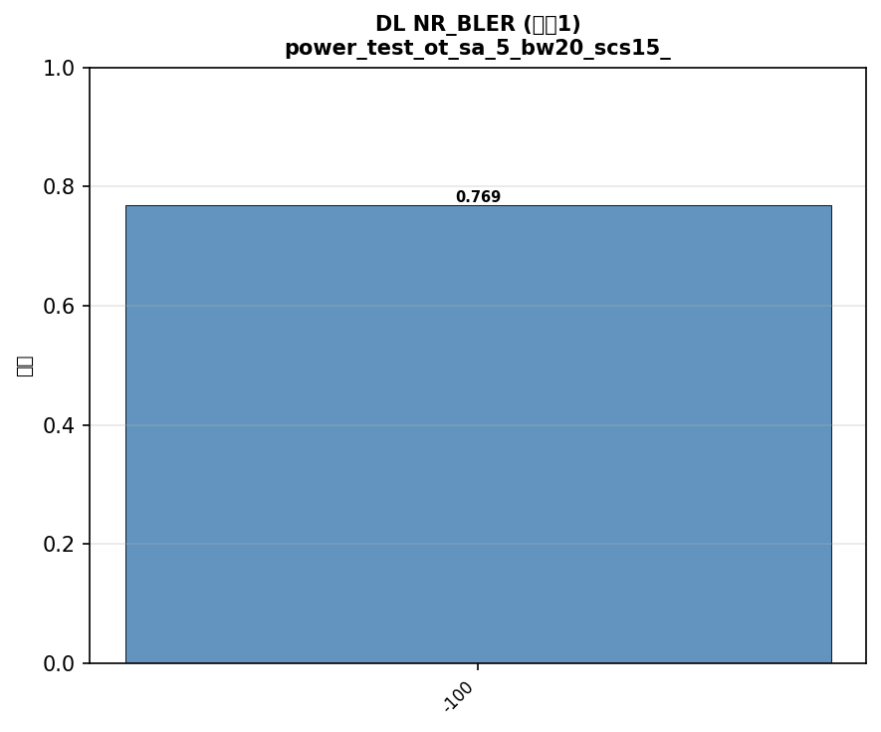

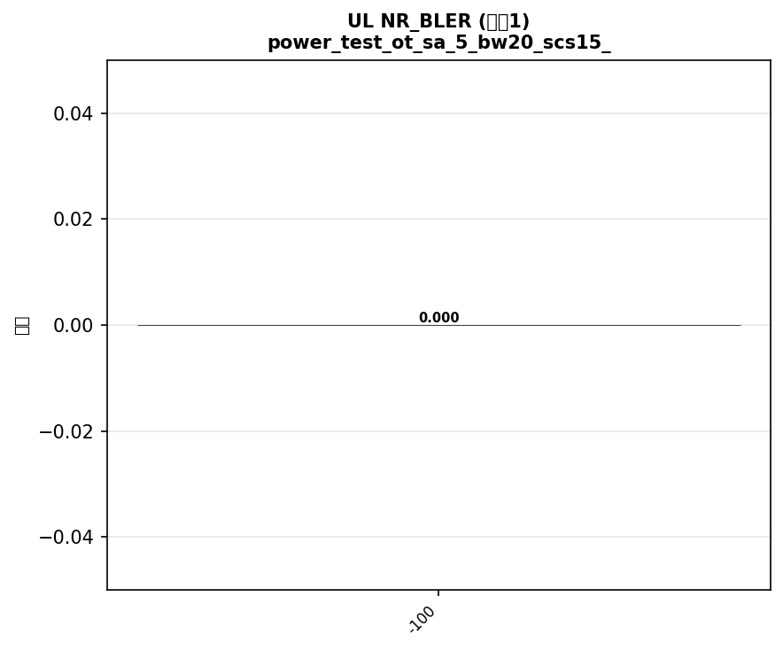

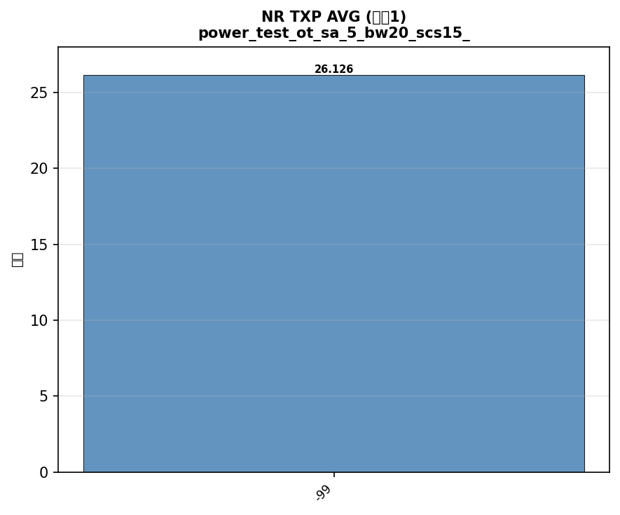

配置: power_test_ot_sa_8_bw20_scs15_LOW


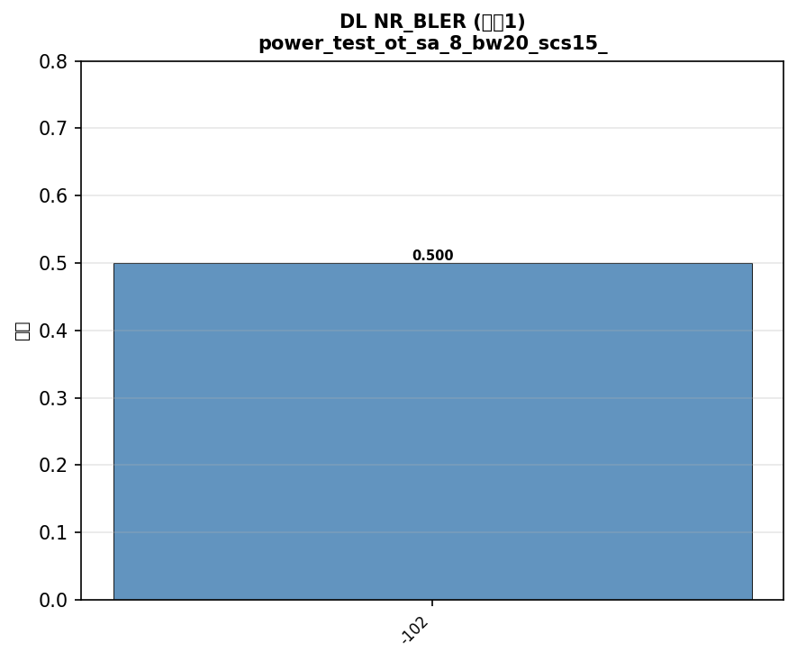





配置: power_test_ot_sa_28_bw20_scs15_LOW




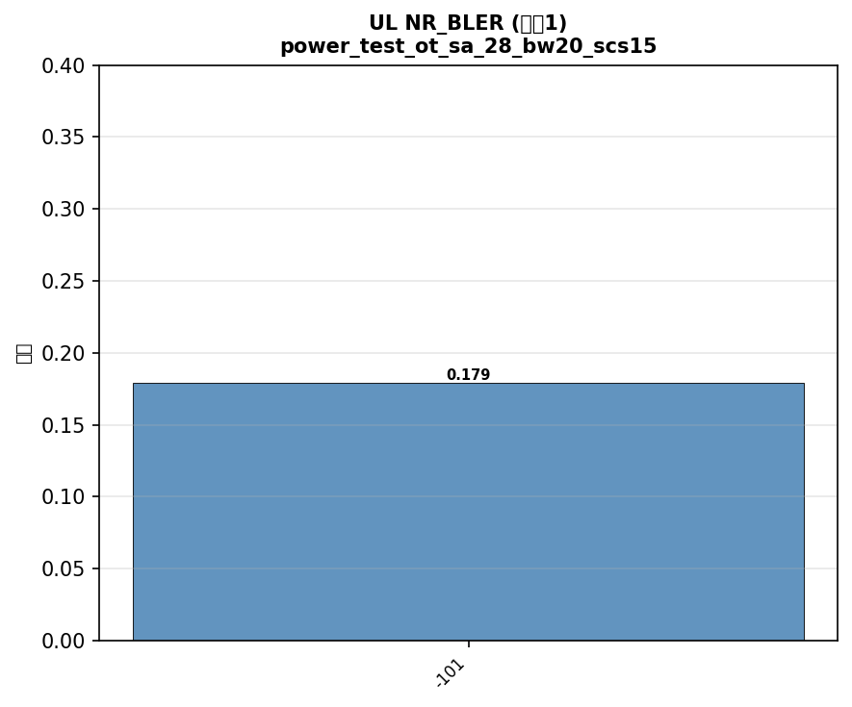



配置: power_test_ot_sa_41_bw100_scs30_LOW


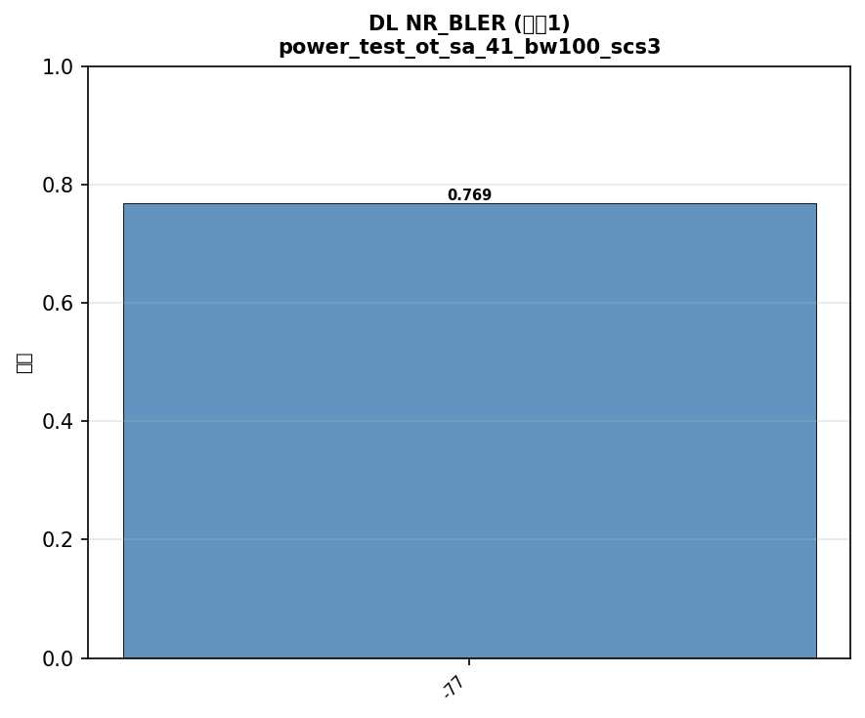





配置: power_test_ot_sa_77_bw100_scs30_LOW
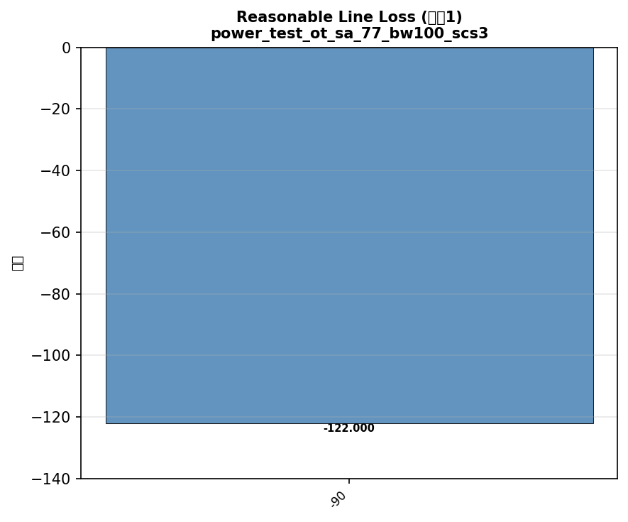

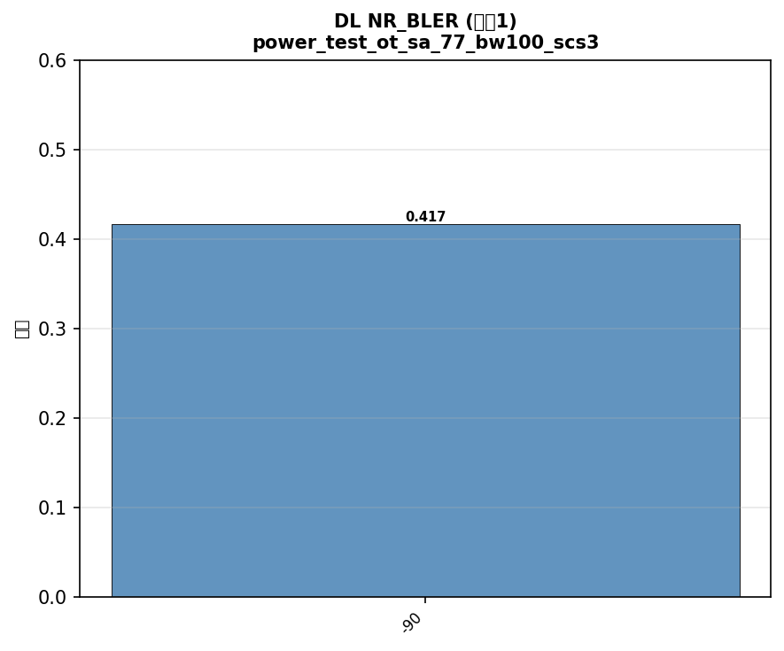





配置: power_test_ot_sa_78_bw100_scs30_LOW
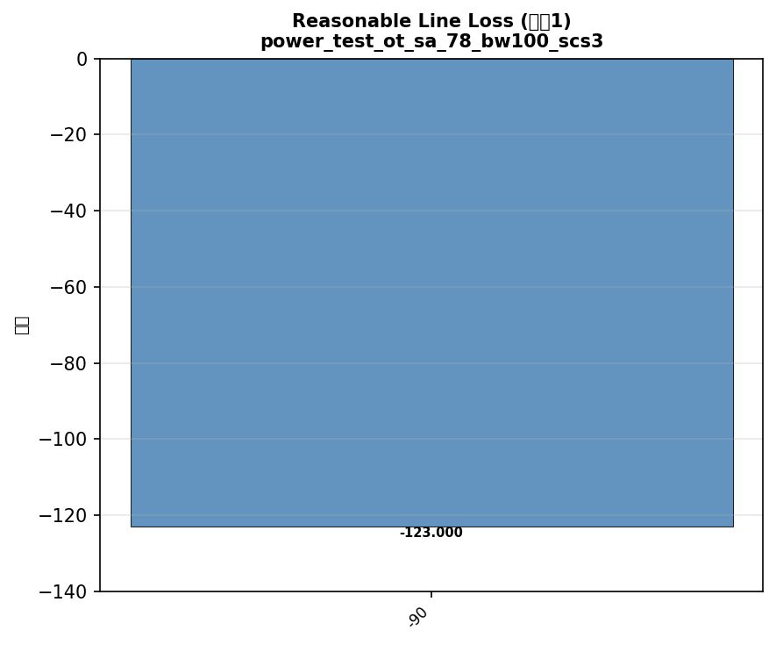

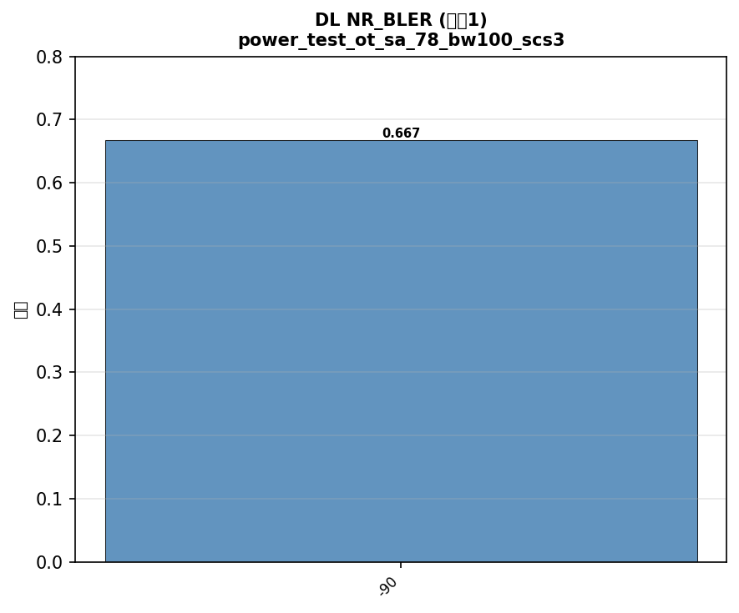





配置: test_sa_channel_switch_78_77_79_41_1_5_8_28
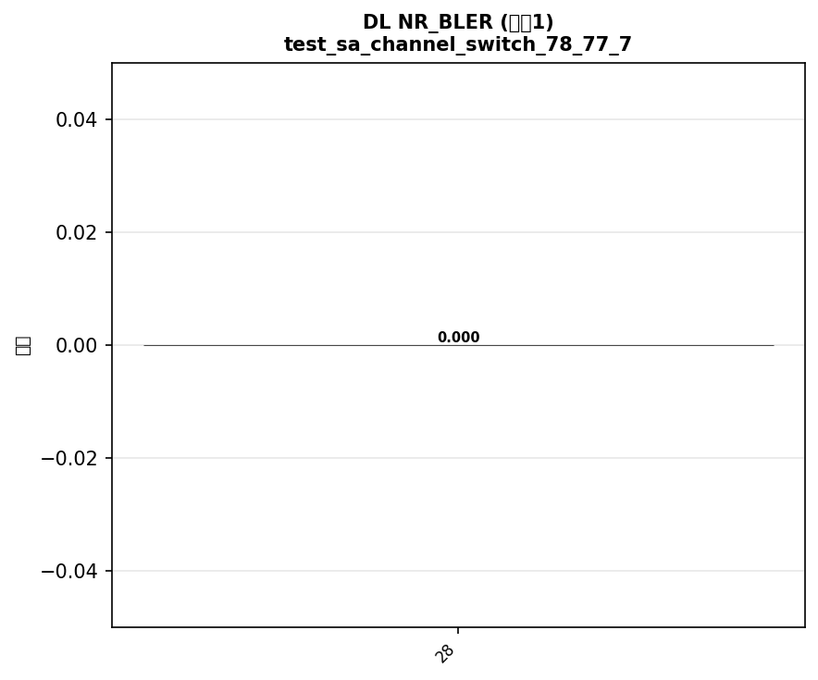



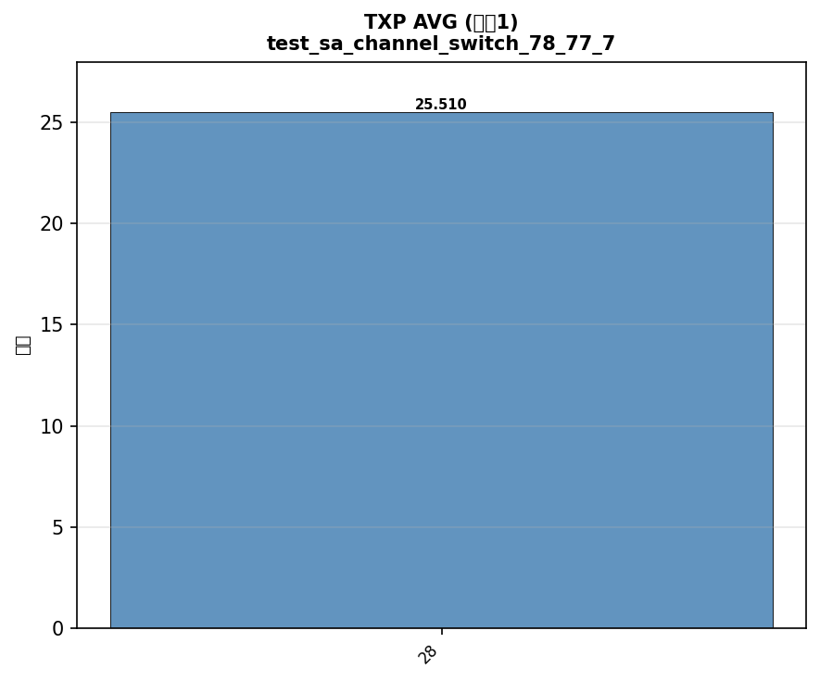

配置: test_nr_target_pusch_power_sa_78_bw100_scs30_LOW

