Participants
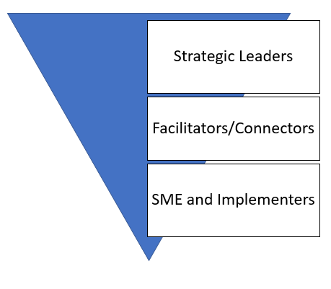
Participants
Strategic Leaders
Facilitators/Connectors
SME and Implementors
example
University at Albany
University at Albany Research Governance Council
Data Security Working Group
Data Services Group

Component Parts
