ASIN图片汇总
序号 | ASIN | 产品名称 | 图片预览 | 本地图片路径 | Amazon产品链接 | 图片URL
1 | B0G7FJH36B | zyz Kitchen Trash Can 13 Gallon / 50L, Automatic Touchless Sensor Garbage Can with Butterfly Lid, USB Rechargeable 2400mAh Battery, Stainless Steel Soft-Close Trash Bin for Home (20 Count Trash Bags) | 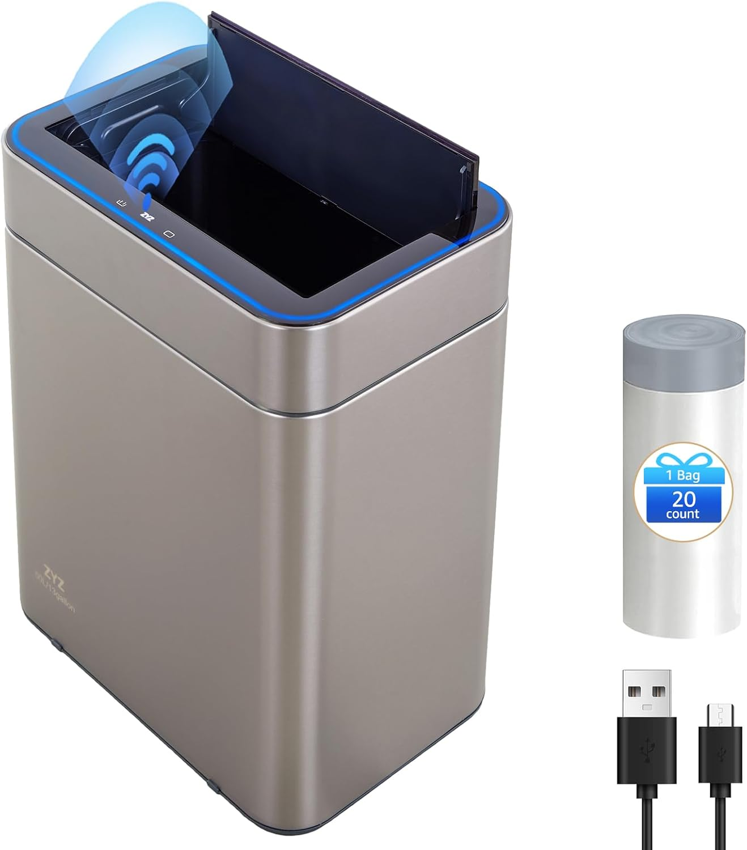 | c:\Users\code_\Desktop\ZYZHome\ZYZLIVING_ASIN_Images\B0G7FJH36B.jpg | https://www.amazon.com/zyz-Automatic-Touchless-Rechargeable-Soft-Close/dp/B0G7FJH36B | https://m.media-amazon.com/images/I/61MfUmtXiaL.._AC_SL1500_.jpg
2 | B0G7FV1NYZ | Kitchen Trash Can 13 Gallon / 50L, Automatic Touchless Sensor Garbage Can with Butterfly Lid, USB Rechargeable 2400mAh Battery, Stainless Steel Soft-Close Trash Bin for Home (120 Count Trash Bags) | 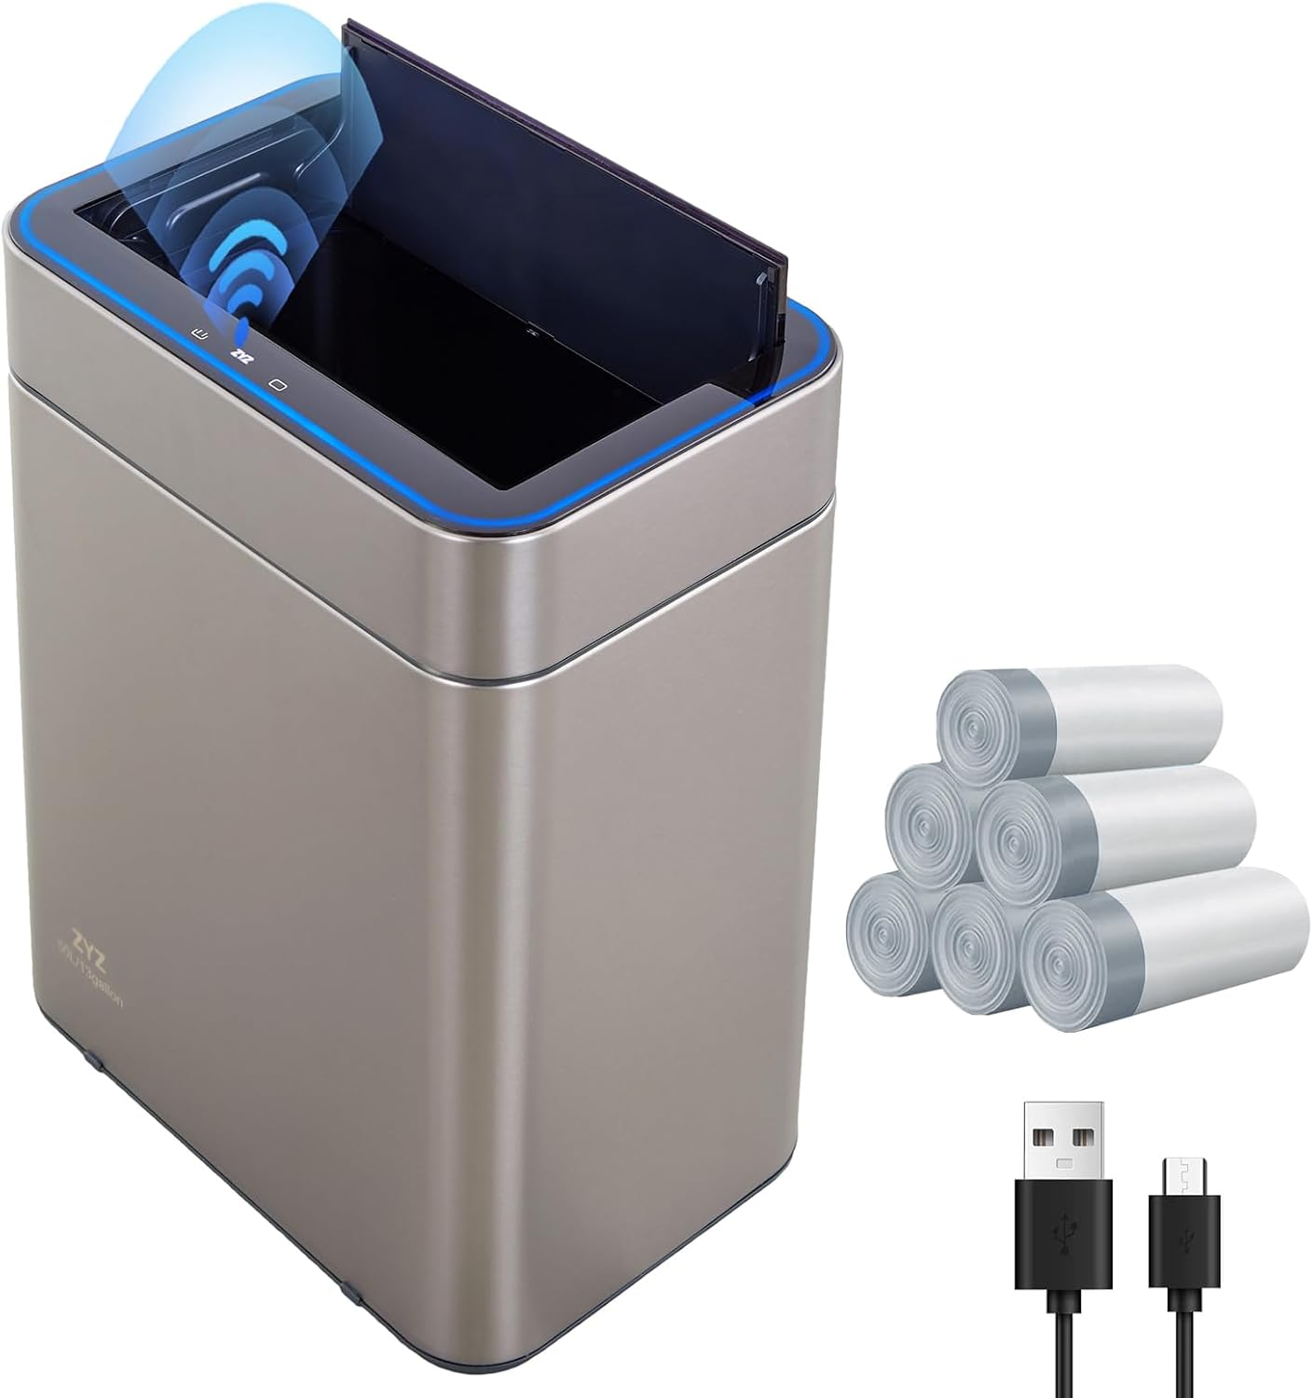 | c:\Users\code_\Desktop\ZYZHome\ZYZLIVING_ASIN_Images\B0G7FV1NYZ.jpg | https://www.amazon.com/Automatic-Touchless-Butterfly-Rechargeable-Soft-Close/dp/B0G7FV1NYZ | https://m.media-amazon.com/images/I/61wZlVvFHFL.._AC_SL1500_.jpg
3 | B0G7F6XRSL | Automatic Trash Can Touchless 13 Gallon / 50L, Motion Sensor Trash Can with USB Rechargeable, Automatic Garbage Can for Kitchen, Butterfly Soft-Close Lid & Ozone Sanitizing (Includes 240 Trash Bags) | 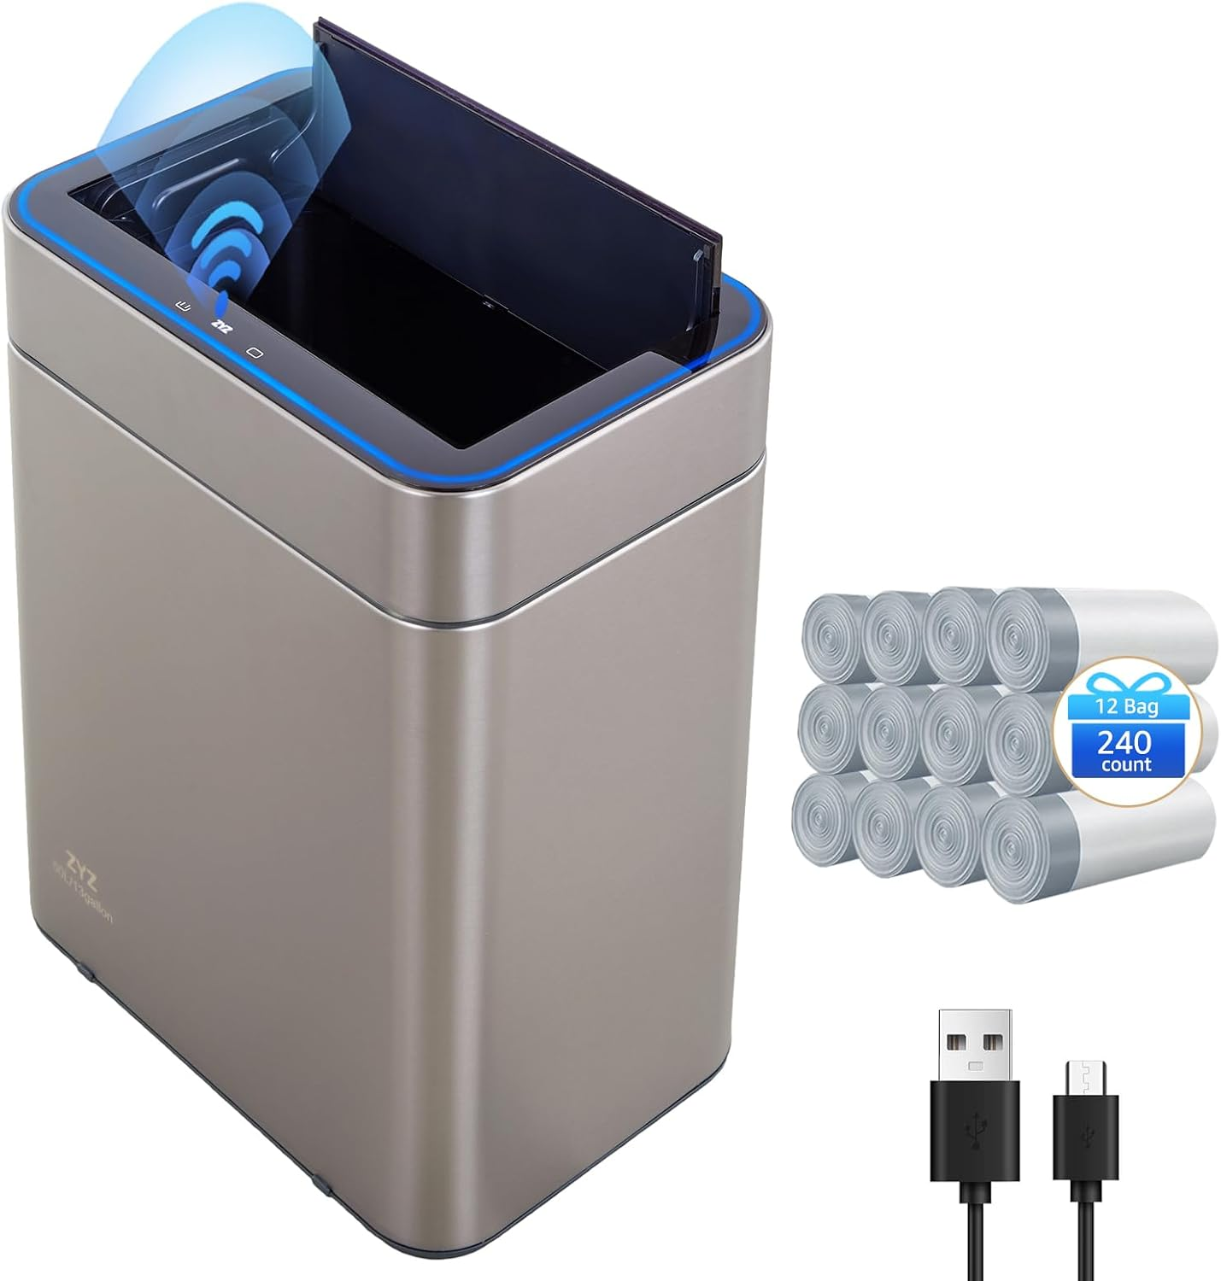 | c:\Users\code_\Desktop\ZYZHome\ZYZLIVING_ASIN_Images\B0G7F6XRSL.jpg | https://www.amazon.com/Automatic-Touchless-Rechargeable-Soft-Close-Sanitizing/dp/B0G7F6XRSL | https://m.media-amazon.com/images/I/61IoYOWFwbL.._AC_SL1500_.jpg
4 | B0G7FGW6YV | zyz Kitchen Trash Can 13 Gallon / 50L, Automatic Touchless Sensor Garbage Can with Butterfly Lid and Legs, USB 2400mAh Battery, Stainless Steel Soft-Close Trash Bin for Home (20 Count Trash Bags) | 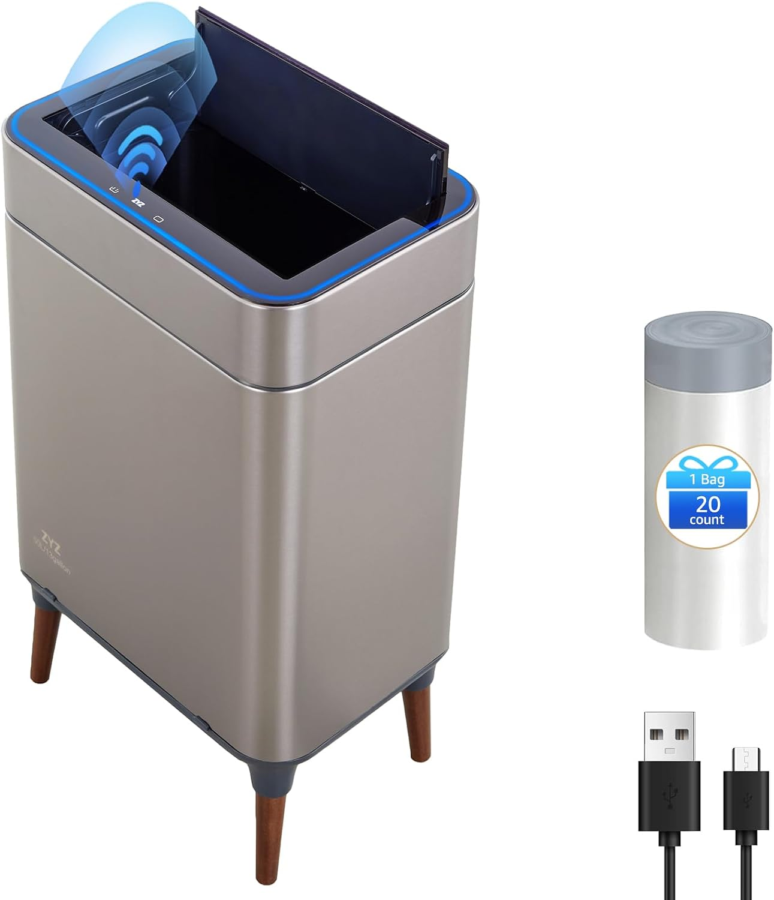 | c:\Users\code_\Desktop\ZYZHome\ZYZLIVING_ASIN_Images\B0G7FGW6YV.jpg | https://www.amazon.com/zyz-Automatic-Touchless-Butterfly-Soft-Close/dp/B0G7FGW6YV | https://m.media-amazon.com/images/I/61hAsB4vgaL.._AC_SL1500_.jpg
5 | B0G7F8JGK5 | zyz Kitchen Trash Can 13 Gallon / 50L, Automatic Touchless Sensor Garbage Can with Butterfly Lid and Legs, USB 2400mAh Battery, Stainless Steel Soft-Close Trash Bin for Home (120 Count Trash Bags) | 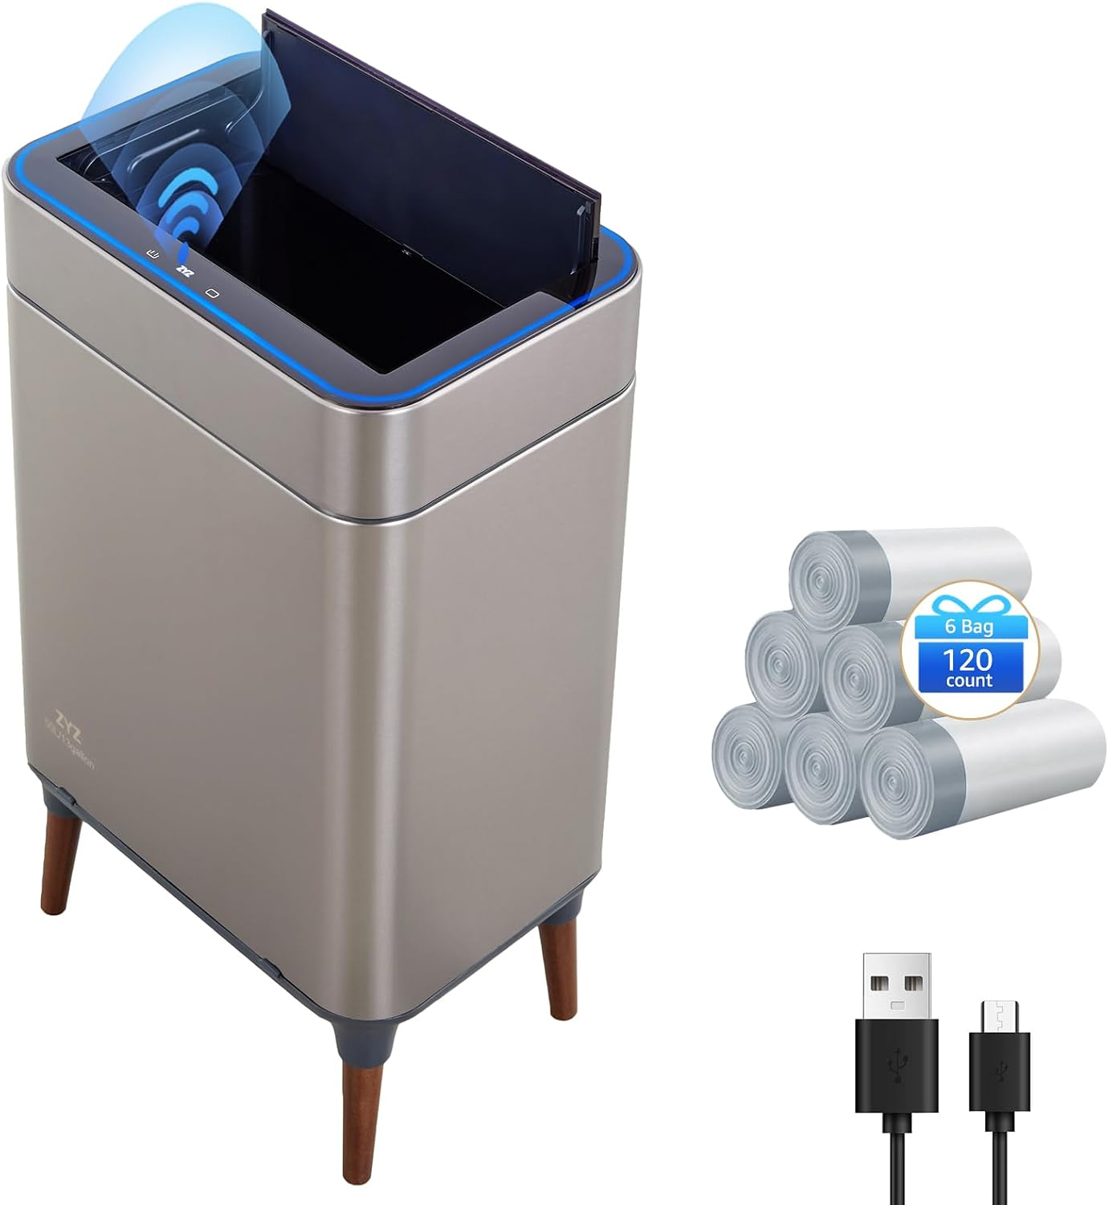 | c:\Users\code_\Desktop\ZYZHome\ZYZLIVING_ASIN_Images\B0G7F8JGK5.jpg | https://www.amazon.com/zyz-Automatic-Touchless-Butterfly-Soft-Close/dp/B0G7F8JGK5 | https://m.media-amazon.com/images/I/61a8MzE3nYL.._AC_SL1500_.jpg
6 | B0G7FM6T2N | Automatic Trash Can Touchless 13 Gallon / 50L, Motion Sensor Trash Can with USB Rechargeable, Butterfly Soft-Close Lid & Ozone Sanitizing, Automatic Garbage Can for Kitchen (Includes 240 Trash Bags) | 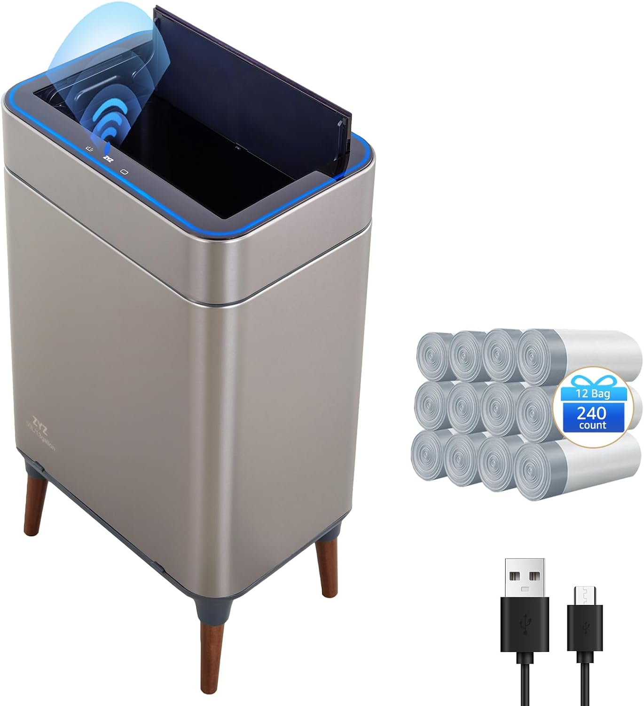 | c:\Users\code_\Desktop\ZYZHome\ZYZLIVING_ASIN_Images\B0G7FM6T2N.jpg | https://www.amazon.com/Automatic-Touchless-Rechargeable-Soft-Close-Sanitizing/dp/B0G7FM6T2N | https://m.media-amazon.com/images/I/61LU0NvlQZL.._AC_SL1500_.jpg
7 | B0G3W8BRQ1 | zyz Vintage Side Table, Round Solid Wood Pedestal End Table, Accent Table Nightstand for Living Room Bedroom Bedside, Coffee Drink Reading Narrow Table for Sofa Couch Corner Office Small Spaces | 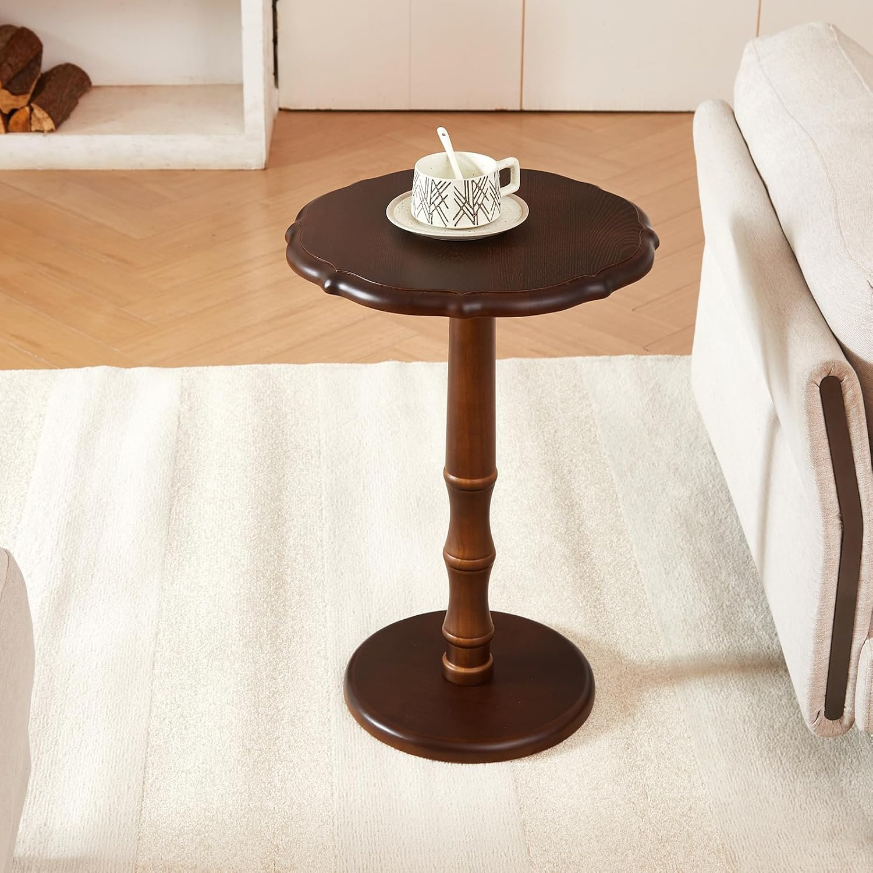 | c:\Users\code_\Desktop\ZYZHome\ZYZLIVING_ASIN_Images\B0G3W8BRQ1.jpg | https://www.amazon.com/zyz-Vintage-Pedestal-Nightstand-Bedroom/dp/B0G3W8BRQ1 | https://m.media-amazon.com/images/I/711v8BzwmKL.._AC_SL1500_.jpg
8 | B0FWCG9FSL | zyz Oversized Nursery Rocking Chair with Pillow, Teddy Upholstered Rocker Chair with Solid Wood & Steel Frame, 25° Gentle Rocking Accent Chair with DIY Ottoman Footrest for Living Room Bedroom, White | 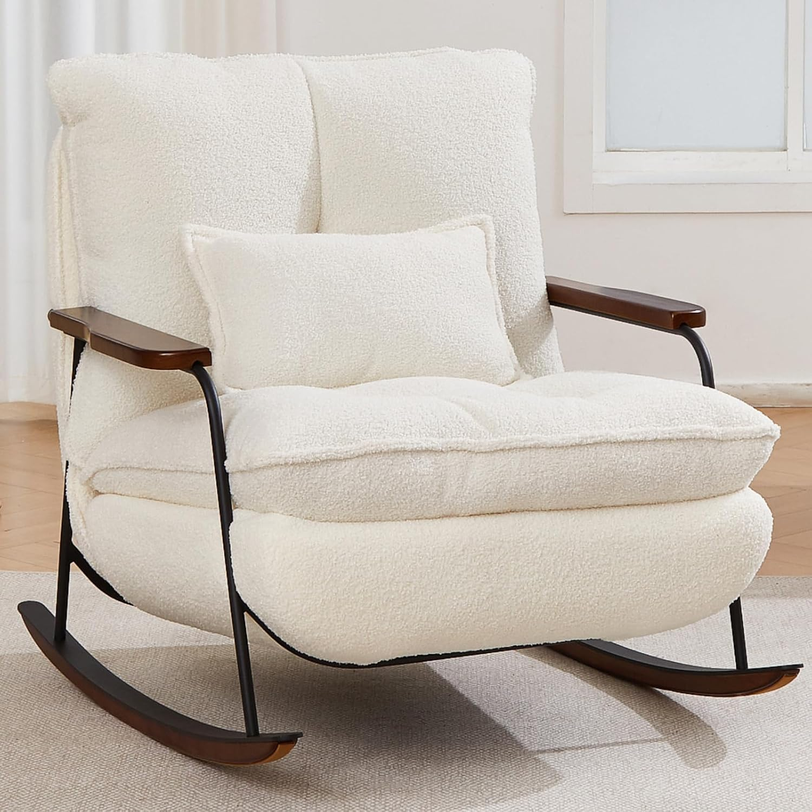 | c:\Users\code_\Desktop\ZYZHome\ZYZLIVING_ASIN_Images\B0FWCG9FSL.jpg | https://www.amazon.com/zyz-Upholstered-Oversized-Recliner-Footrest/dp/B0FWCG9FSL | https://m.media-amazon.com/images/I/71BdmjQLUcL.._AC_SL1500_.jpg
9 | B0GLH18B3V | zyz Oversized Nursery Rocking Chair with Pillow, Teddy Upholstered Rocker Chair with Solid Wood & Steel Frame, 25° Gentle Rocking Accent Chair with DIY Ottoman Footrest for Living Room Bedroom, Pink | 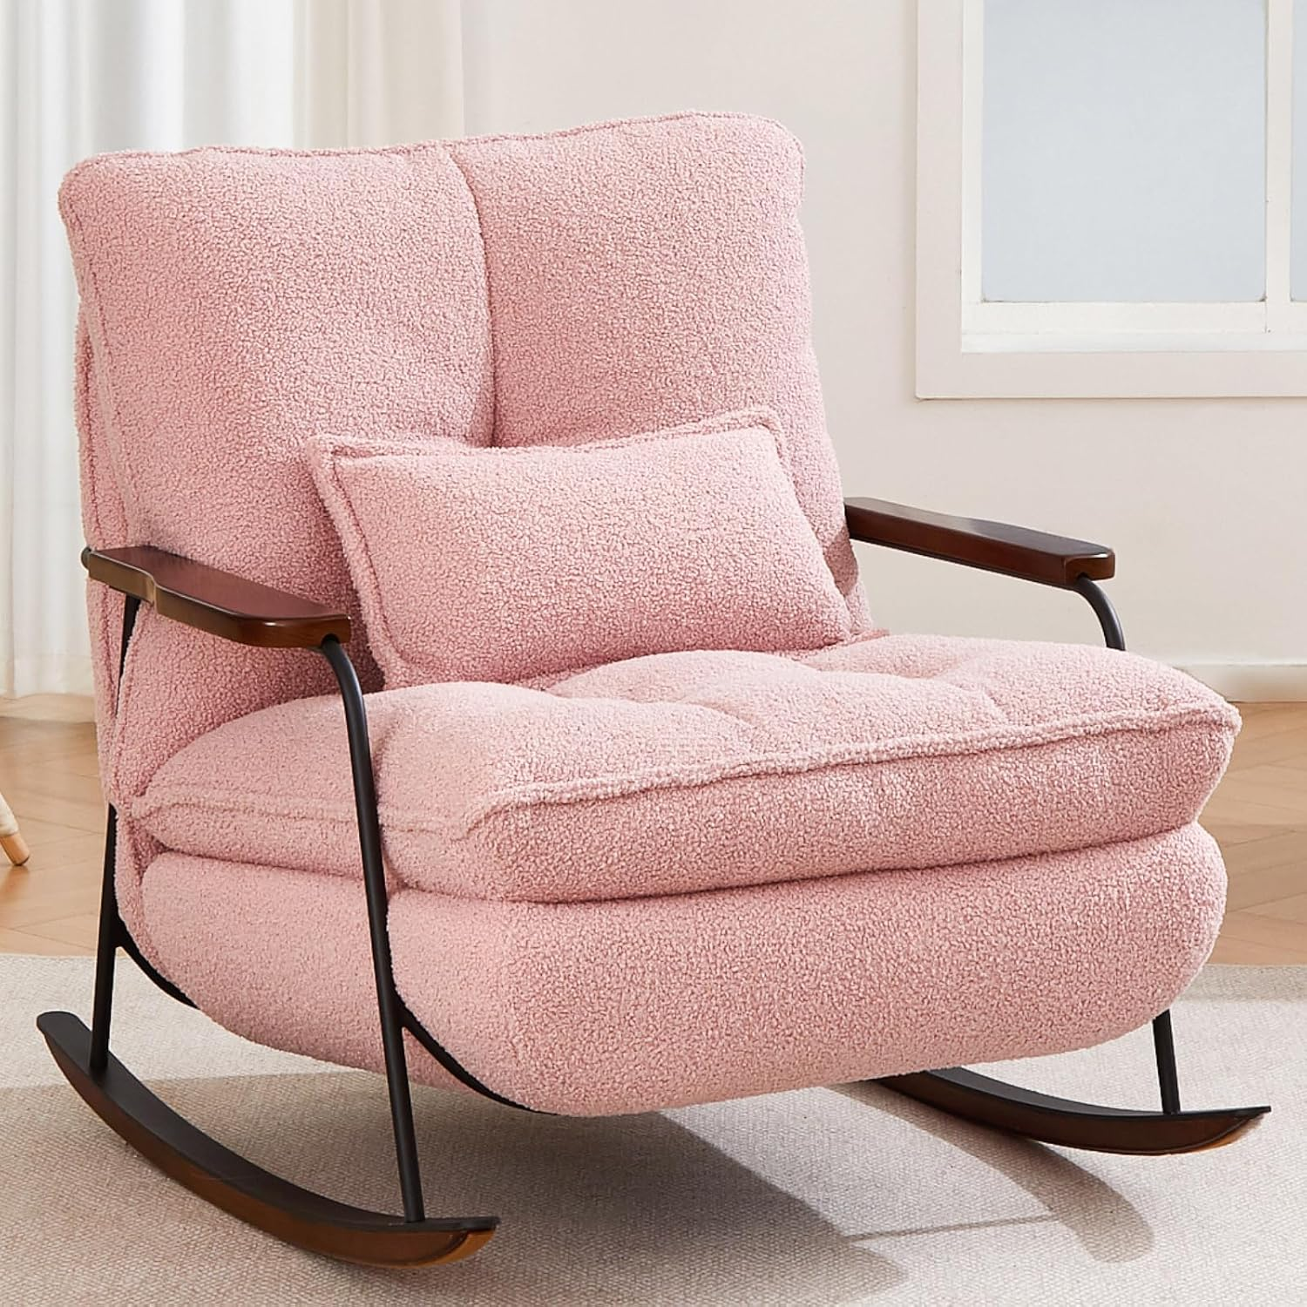 | c:\Users\code_\Desktop\ZYZHome\ZYZLIVING_ASIN_Images\B0GLH18B3V.jpg | https://www.amazon.com/zyz-Oversized-Nursery-Upholstered-Footrest/dp/B0GLH18B3V | https://m.media-amazon.com/images/I/817tSWzO+0L.._AC_SL1500_.jpg
10 | B0GLH2ZWK6 | Oversized Nursery Rocking Chair with Pillow, Teddy Upholstered Rocker Chair with Solid Wood & Steel Frame, 25° Gentle Rocking Accent Chair with DIY Ottoman Footrest for Living Room Bedroom, Purple | 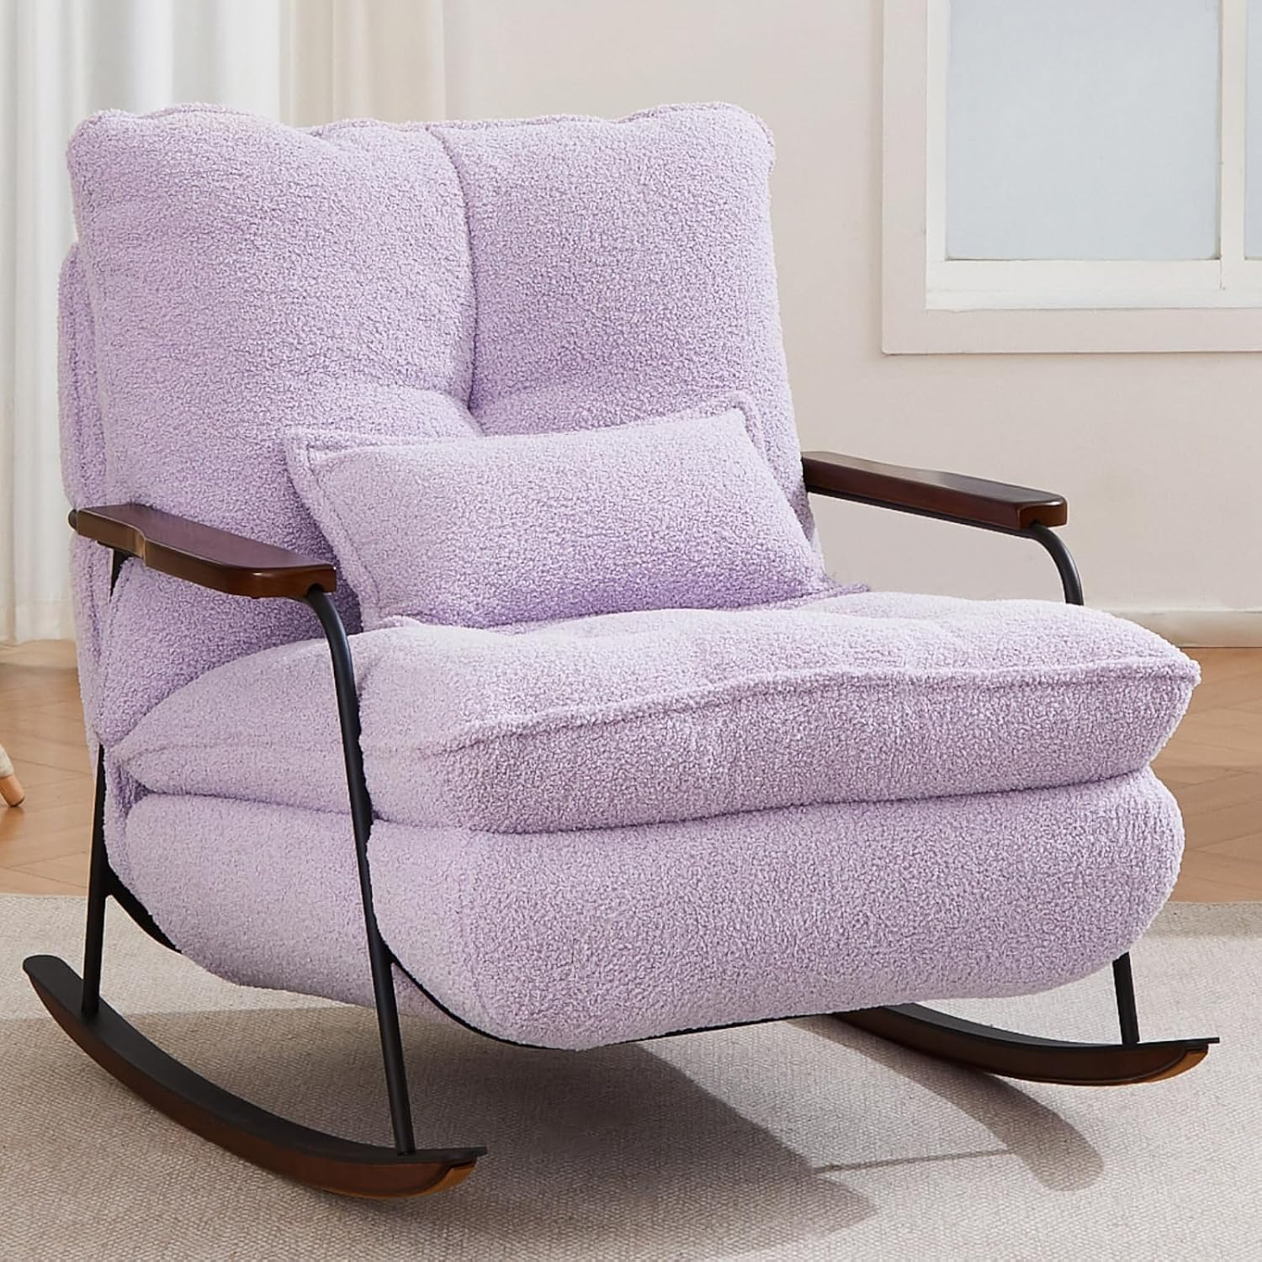 | c:\Users\code_\Desktop\ZYZHome\ZYZLIVING_ASIN_Images\B0GLH2ZWK6.jpg | https://www.amazon.com/Oversized-Nursery-Rocking-Upholstered-Footrest/dp/B0GLH2ZWK6 | https://m.media-amazon.com/images/I/81JtZKTsn9L.._AC_SL1500_.jpg
11 | B0G3PGY14X | zyz 21 Inch Square Storage Ottoman Coffee Table, Modern Ottoman with Flip-Top Lidm, Solid Wood Panel, Houndstooth Fabric Footstool, Accent Ottoman for Living Room, Bedroom, Corners, Entryways (Brown) | 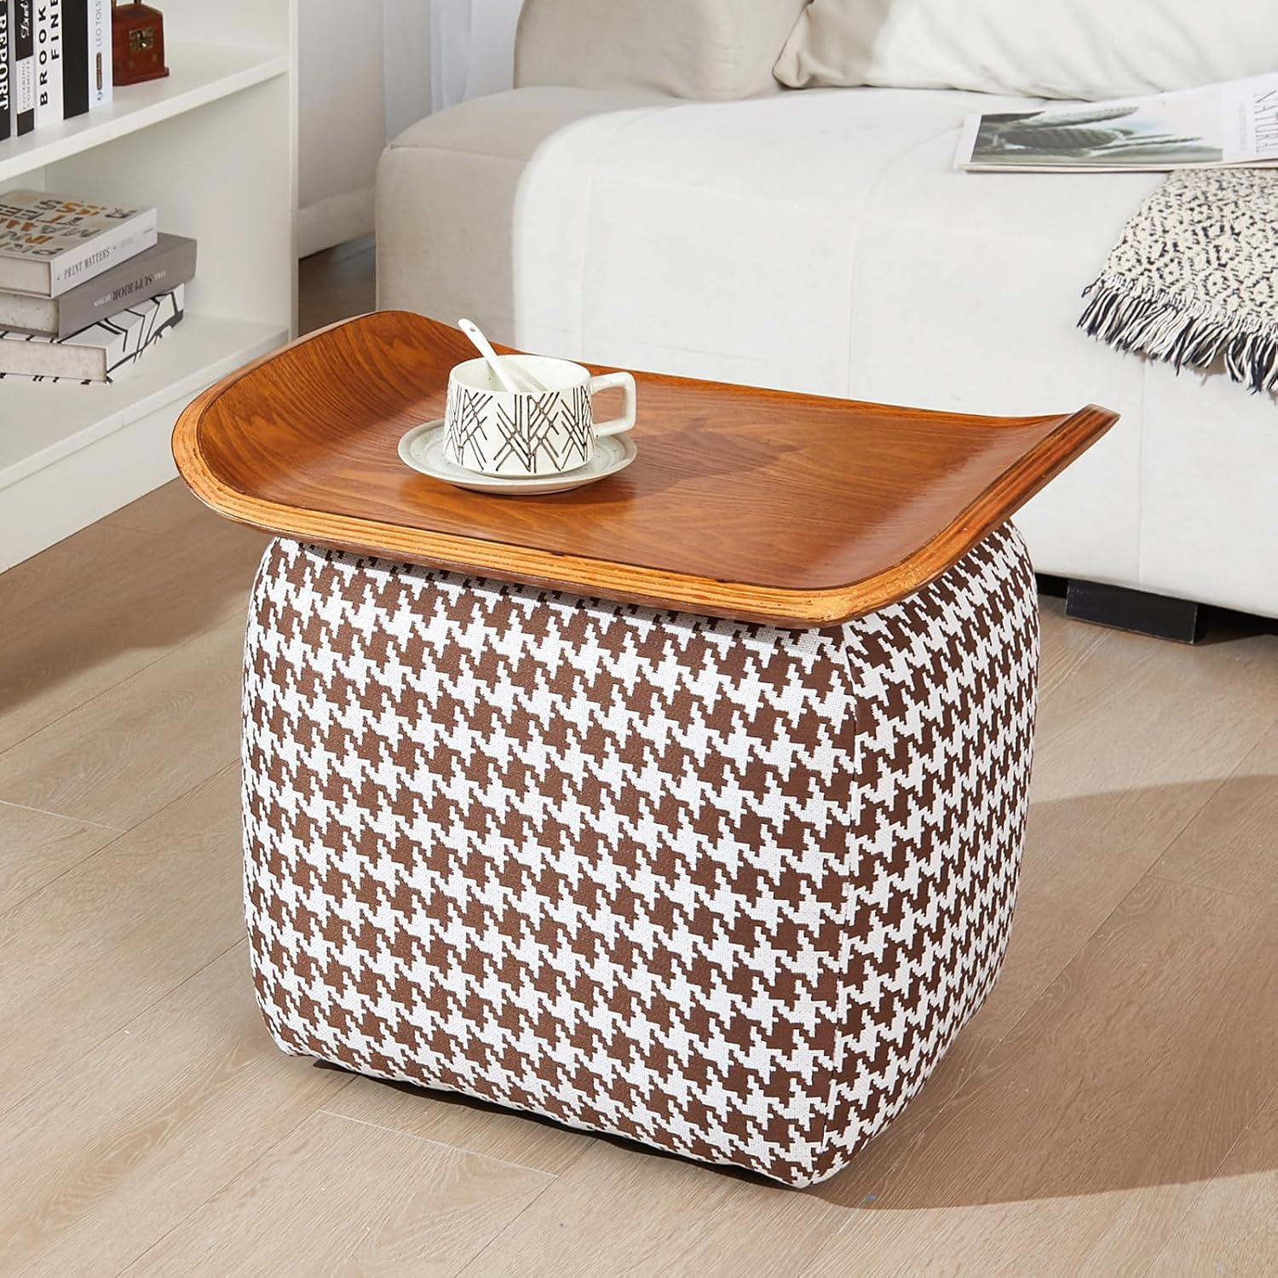 | c:\Users\code_\Desktop\ZYZHome\ZYZLIVING_ASIN_Images\B0G3PGY14X.jpg | https://www.amazon.com/zyz-Flip-Top-Houndstooth-Footstool-Entryways/dp/B0G3PGY14X | https://m.media-amazon.com/images/I/81oijwXEISL.._AC_SL1500_.jpg
12 | B0G3PRMFN6 | zyz 21 Inch Square Storage Ottoman Coffee Table, Modern Ottoman with Flip-Top Lidm, Solid Wood Panel, Houndstooth Fabric Footstool, Accent Ottoman for Living Room, Bedroom, Corners, Entryways (Black) | 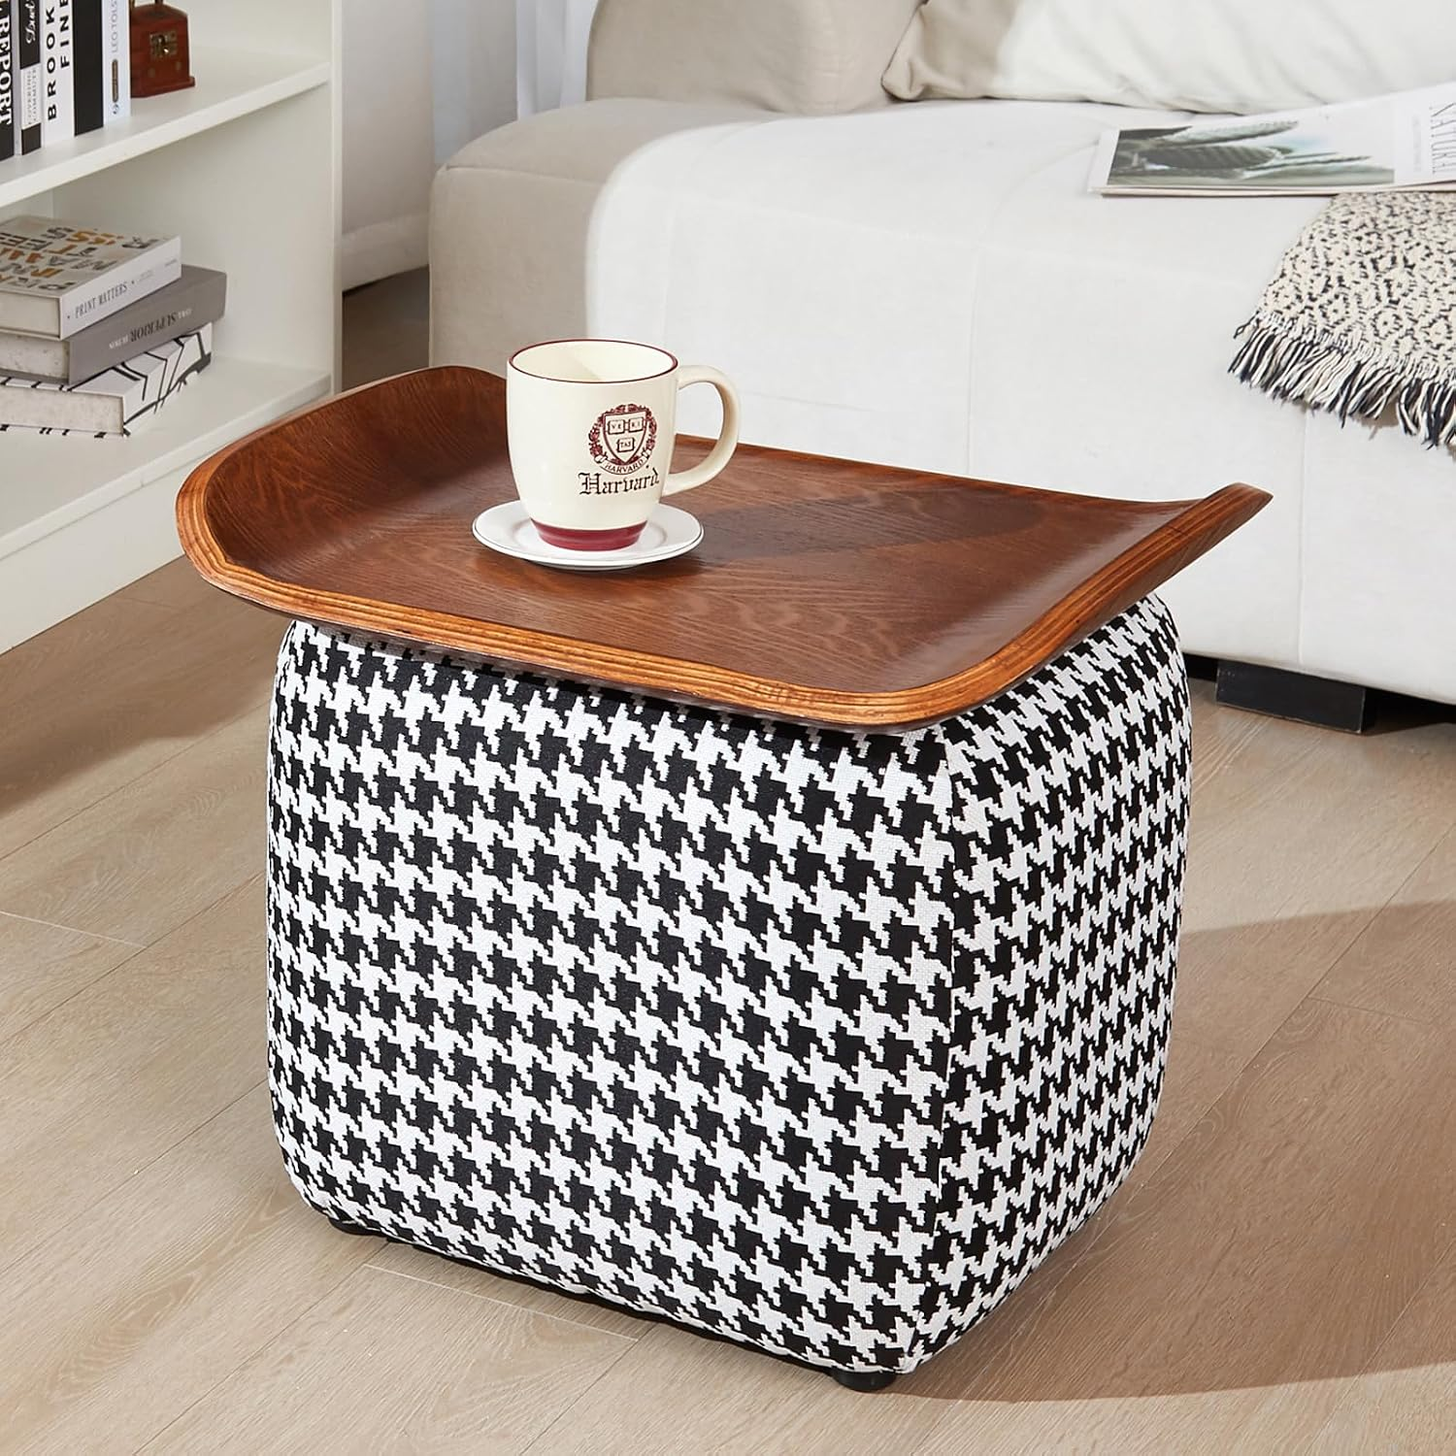 | c:\Users\code_\Desktop\ZYZHome\ZYZLIVING_ASIN_Images\B0G3PRMFN6.jpg | https://www.amazon.com/zyz-Flip-Top-Houndstooth-Footstool-Entryways/dp/B0G3PRMFN6 | https://m.media-amazon.com/images/I/81N9HhswVvL.._AC_SL1500_.jpg
13 | B0G3PRVQ7K | zyz 21 Inch Square Storage Ottoman Coffee Table, Modern Ottoman with Flip-Top Lidm, Solid Wood Panel, Houndstooth Fabric Footstool, Accent Ottoman for Living Room, Bedroom, Corners, Entryways (Grey) | 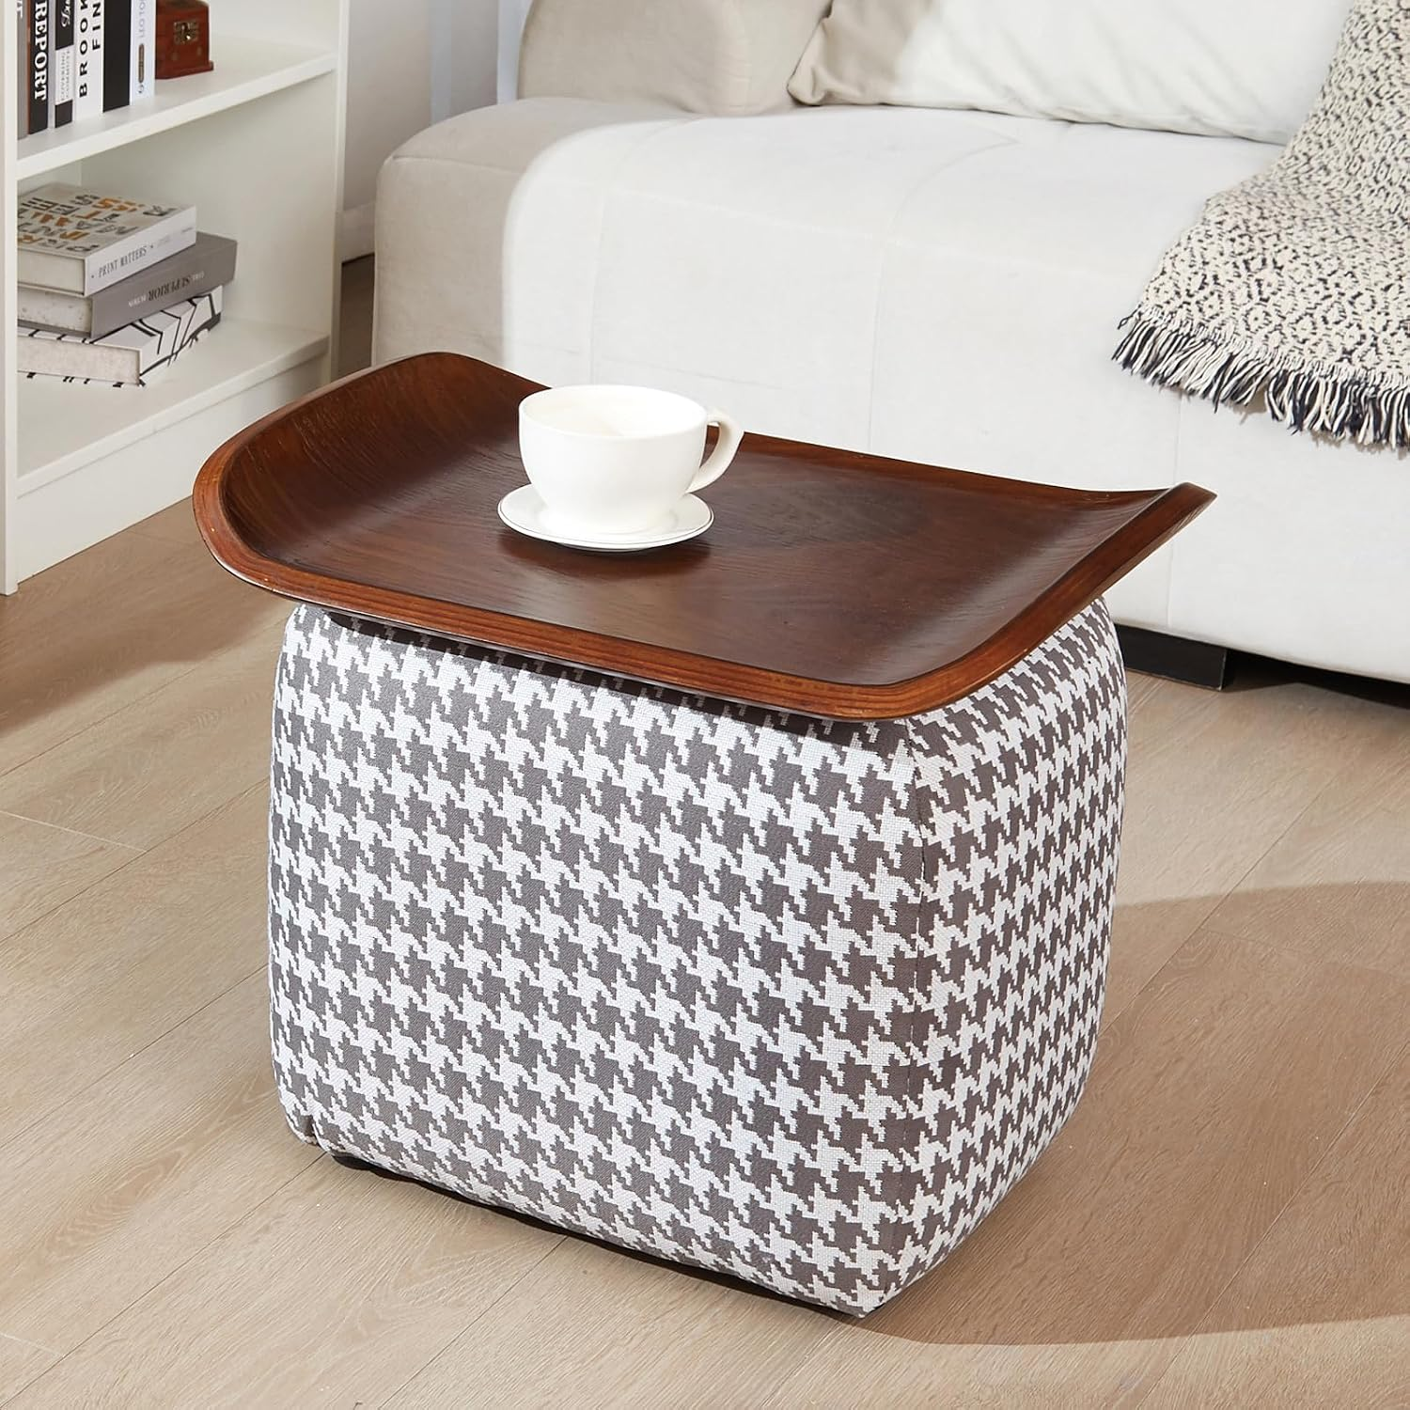 | c:\Users\code_\Desktop\ZYZHome\ZYZLIVING_ASIN_Images\B0G3PRVQ7K.jpg | https://www.amazon.com/zyz-Flip-Top-Houndstooth-Footstool-Entryways/dp/B0G3PRVQ7K | https://m.media-amazon.com/images/I/818c1d4RpTL.._AC_SL1500_.jpg
14 | B0GJ2YSFVW | zyz Mid Century Modern Accent Chair, Solid Wood Arms & Legs, 360° Swivel Desk Chair No Wheels, Upholstered Vanity Chair, PU Leather Armchair for Home Office Living Room Bedroom (Khaki, Set of 1) | 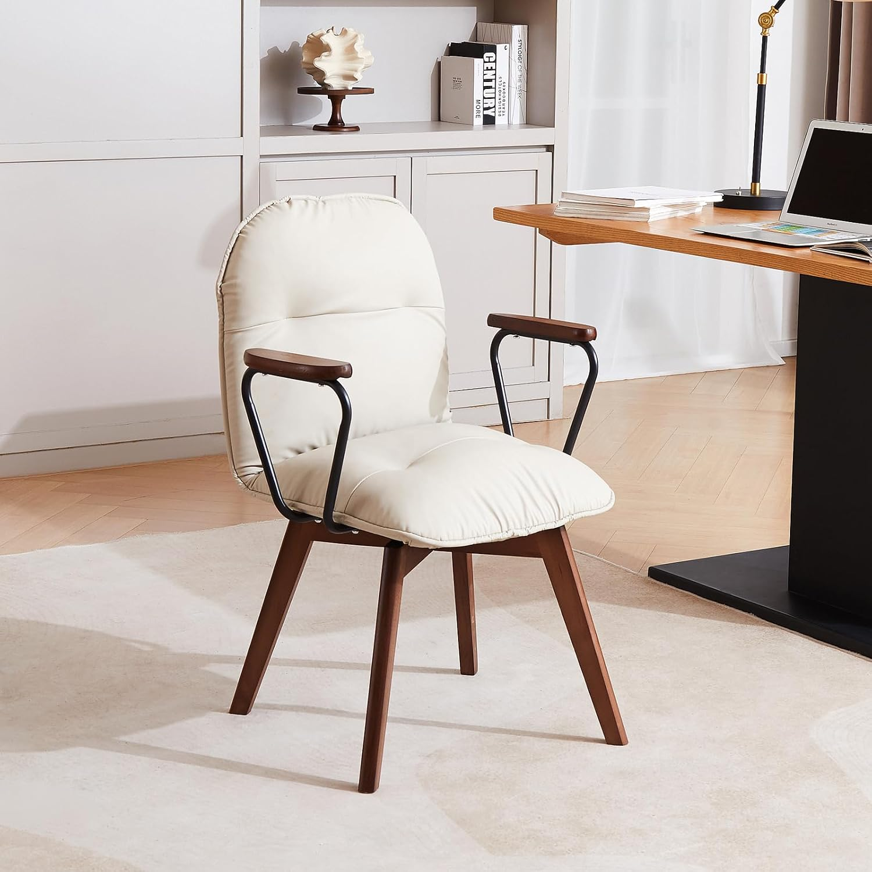 | c:\Users\code_\Desktop\ZYZHome\ZYZLIVING_ASIN_Images\B0GJ2YSFVW.jpg | https://www.amazon.com/zyz-Century-Upholstered-Leather-Armchair/dp/B0GJ2YSFVW | https://m.media-amazon.com/images/I/71mVykY2FZL.._AC_SL1500_.jpg
15 | B0GJ2TTRRM | zyz Mid Century Modern Accent Chair, Solid Wood Arms & Legs, 360° Swivel Desk Chair No Wheels, Upholstered Vanity Chair, PU Leather Armchair for Home Office Living Room Bedroom (Brown, Set of 1) | 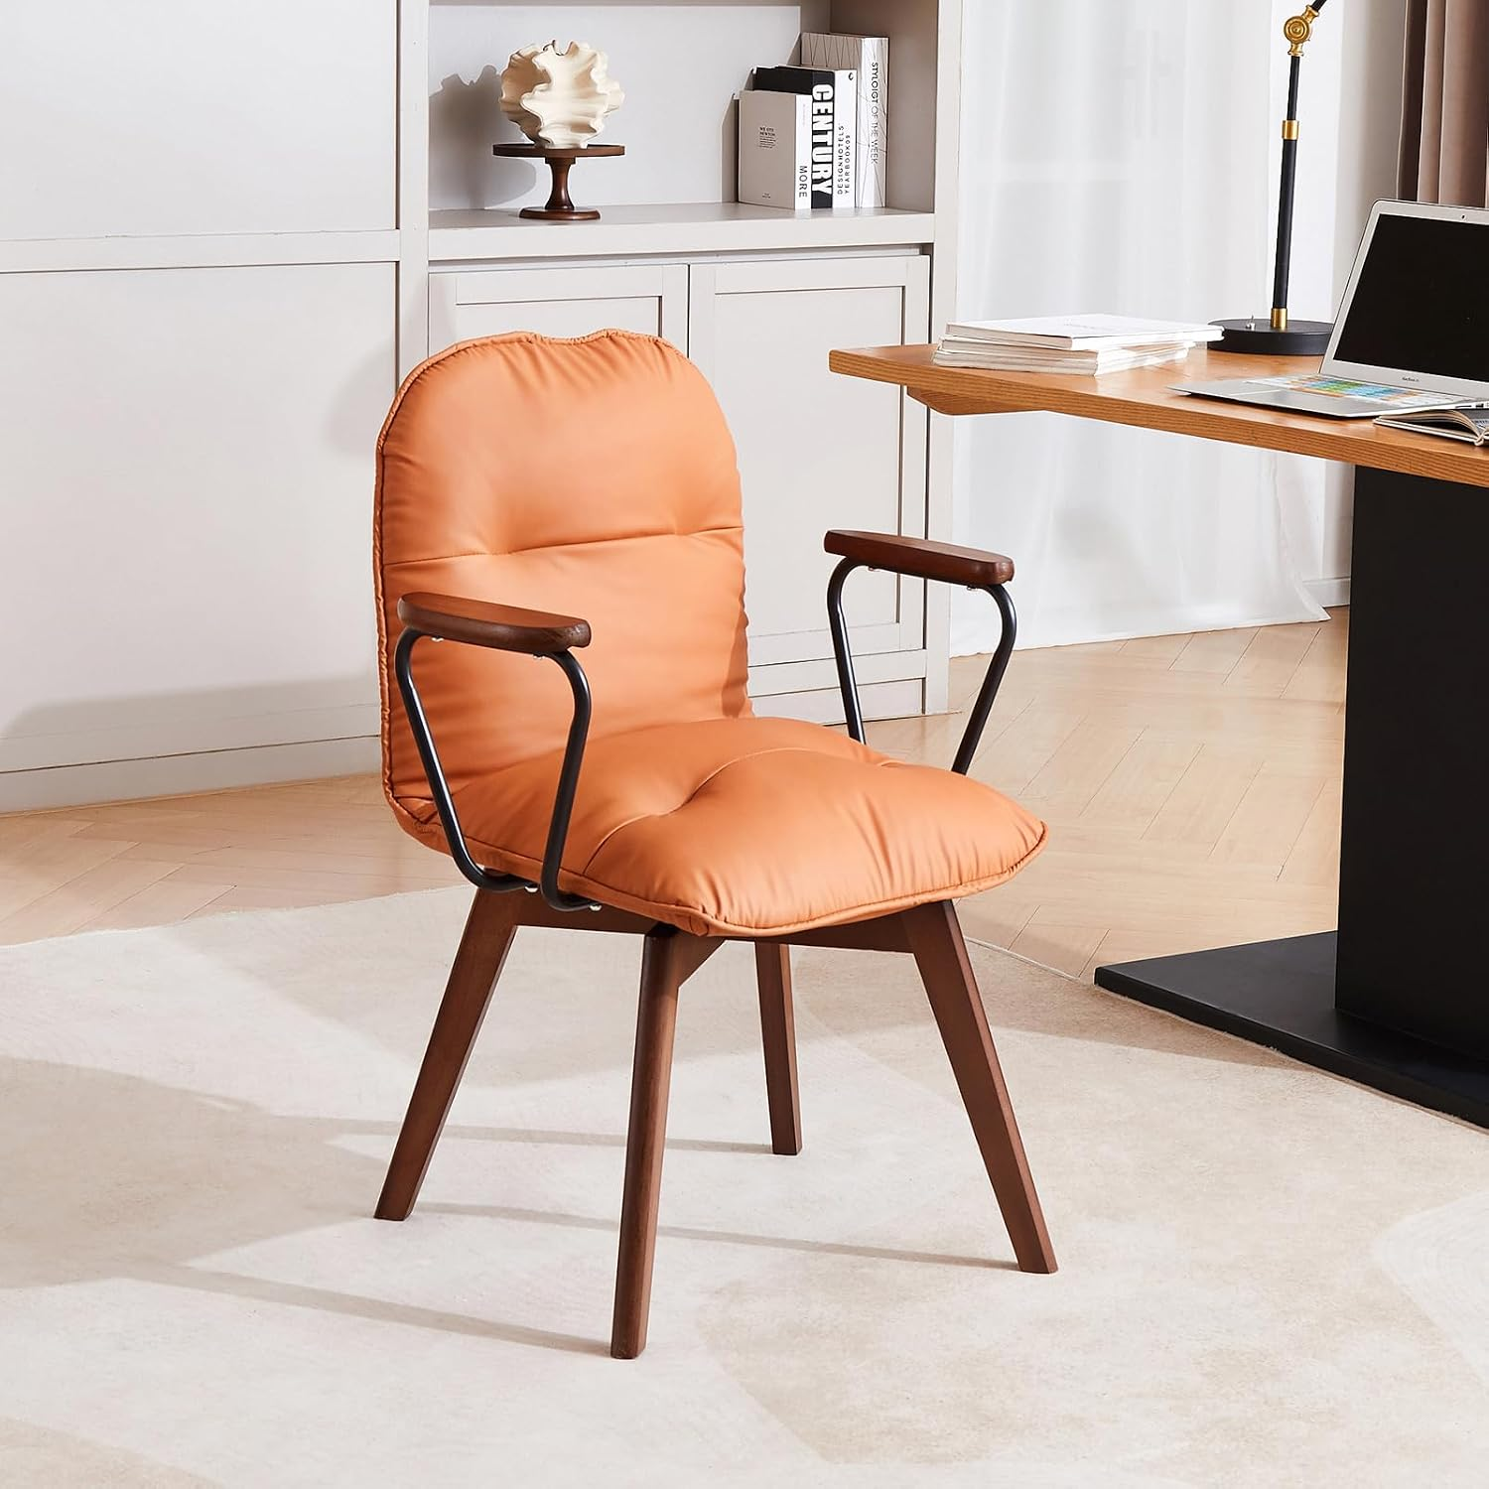 | c:\Users\code_\Desktop\ZYZHome\ZYZLIVING_ASIN_Images\B0GJ2TTRRM.jpg | https://www.amazon.com/zyz-Century-Upholstered-Leather-Armchair/dp/B0GJ2TTRRM | https://m.media-amazon.com/images/I/71u9f5fgHcL.._AC_SL1500_.jpg
16 | B0GJ4X27RY | zyz Mid Century Modern Accent Chair, Solid Wood Arms & Legs, 360° Swivel Desk Chair No Wheels, Upholstered Vanity Chair, PU Leather Armchair for Home Office Living Room Bedroom (Khaki, Set of 2) | 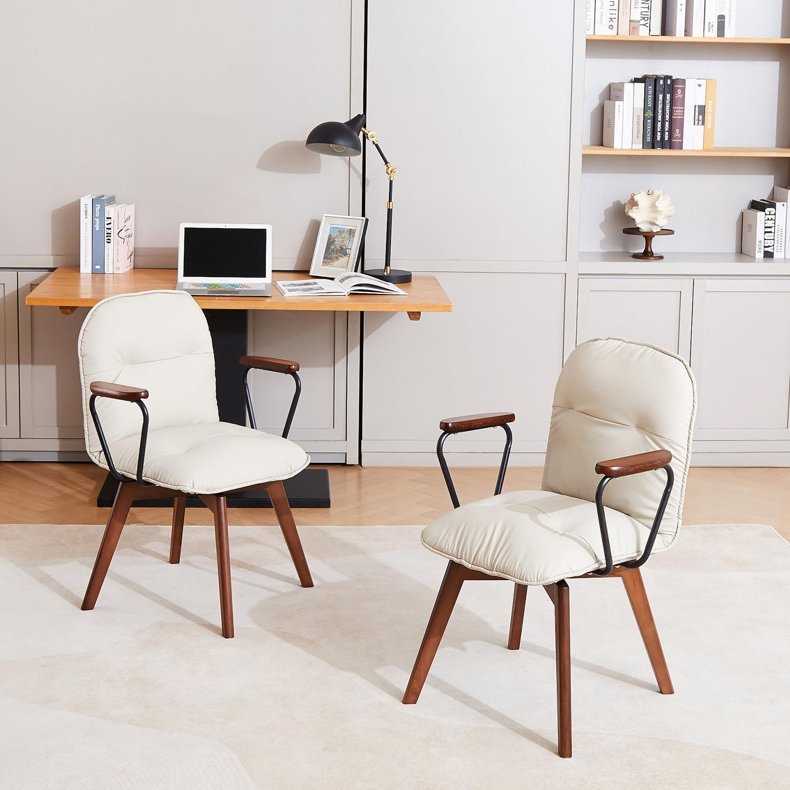 | c:\Users\code_\Desktop\ZYZHome\ZYZLIVING_ASIN_Images\B0GJ4X27RY.jpg | https://www.amazon.com/zyz-Century-Upholstered-Leather-Armchair/dp/B0GJ4X27RY | https://m.media-amazon.com/images/I/71SNGe91XDL.._AC_SL1500_.jpg
17 | B0FWCHQG9X | ZYZ Rocking Chair with Ottoman and Pillow, Mid-Century Modern Recliner, Reclining Nursery Rocker, Wood Armchair, 25° Rocking Motion, Lazy Sofa for Living Room Bedroom Balcony, PU Leather (Creamy Grey) | 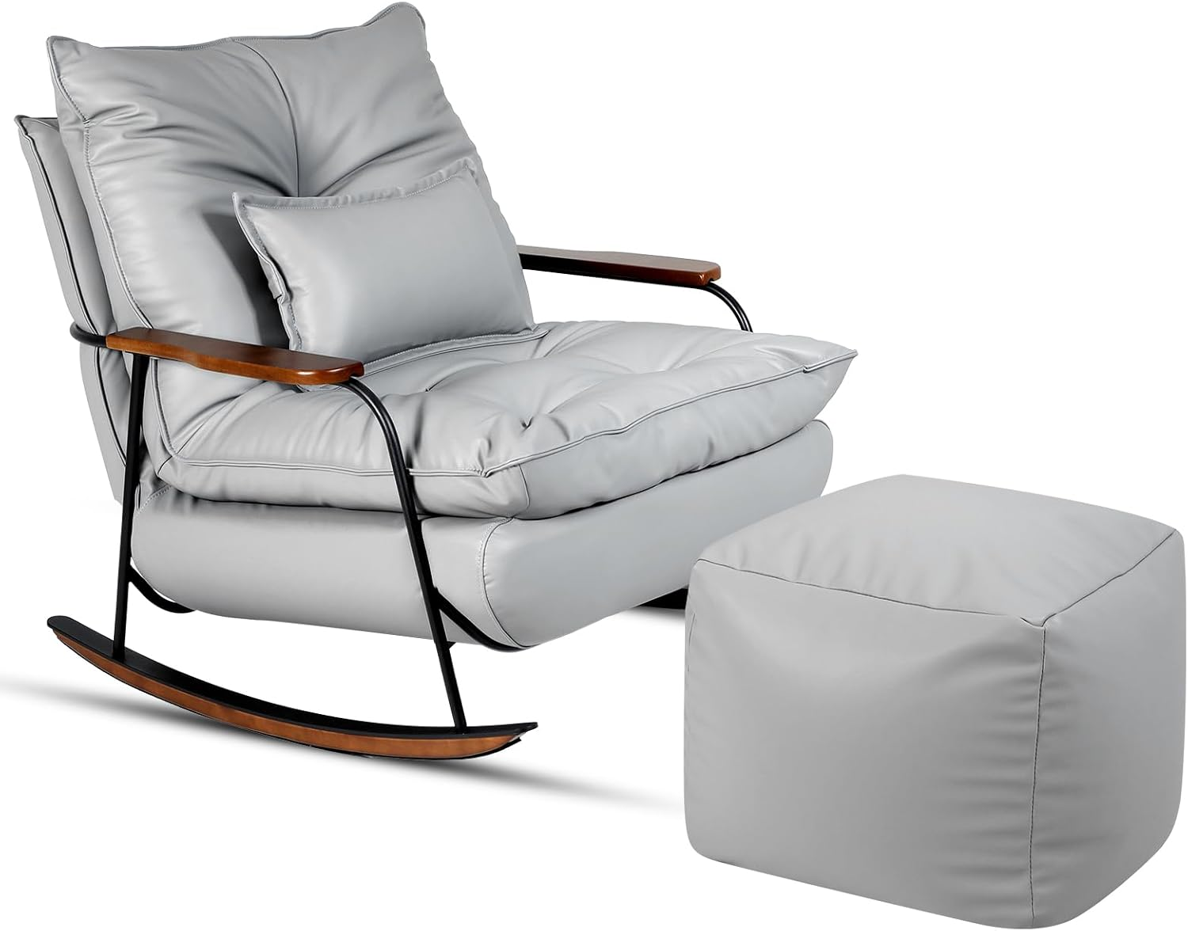 | c:\Users\code_\Desktop\ZYZHome\ZYZLIVING_ASIN_Images\B0FWCHQG9X.jpg | https://www.amazon.com/Rocking-Mid-Century-Recliner-Reclining-Armchair/dp/B0FWCHQG9X | https://m.media-amazon.com/images/I/61hBLZzjrtL.._AC_SL1500_.jpg

