DH-Parameters
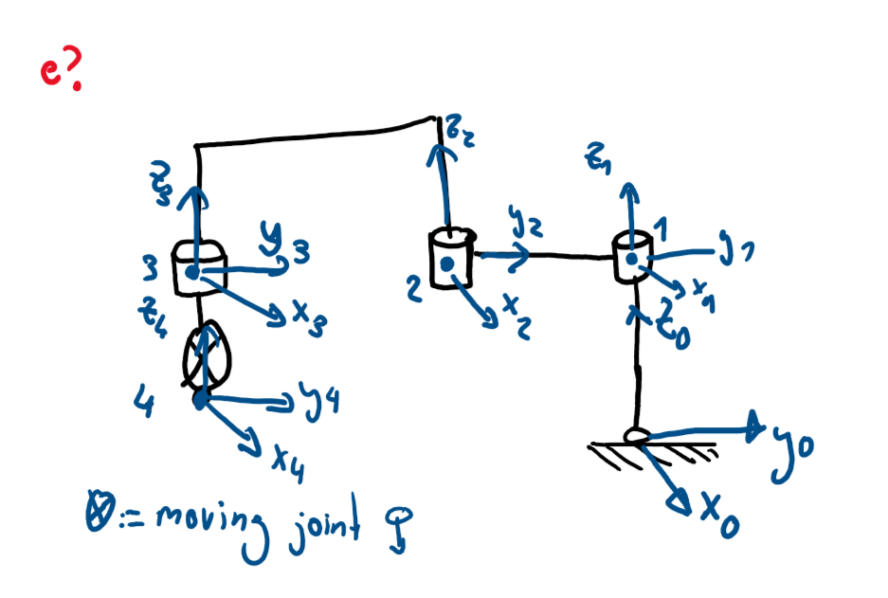
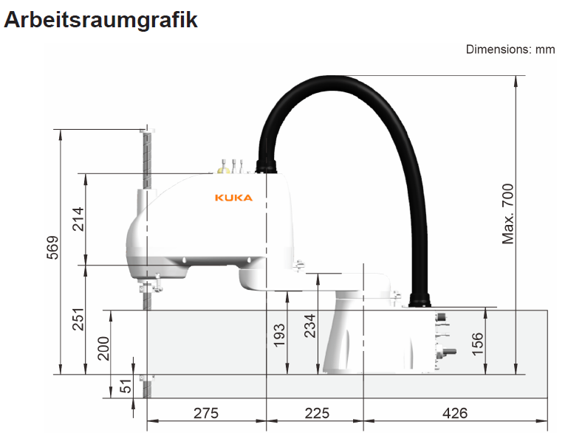
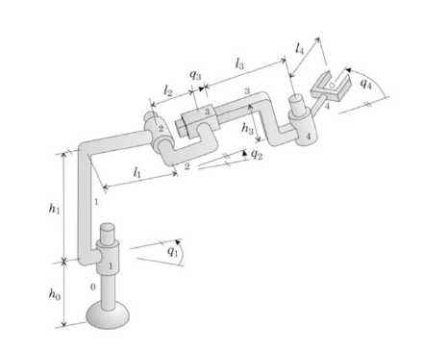
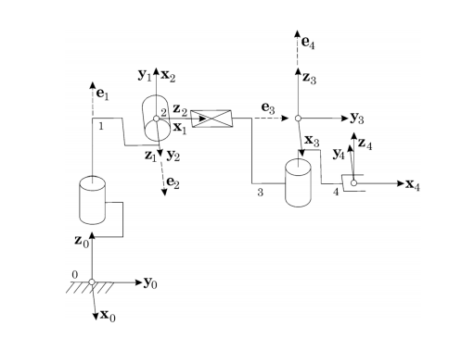
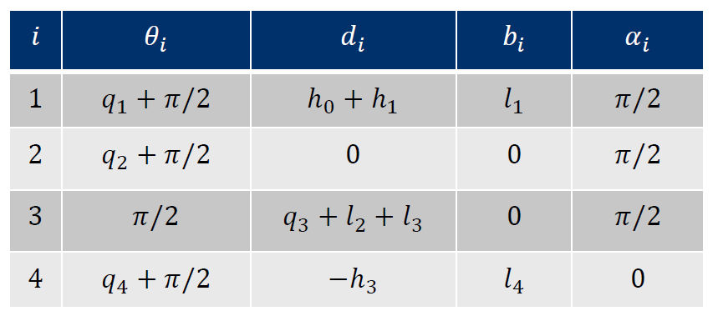
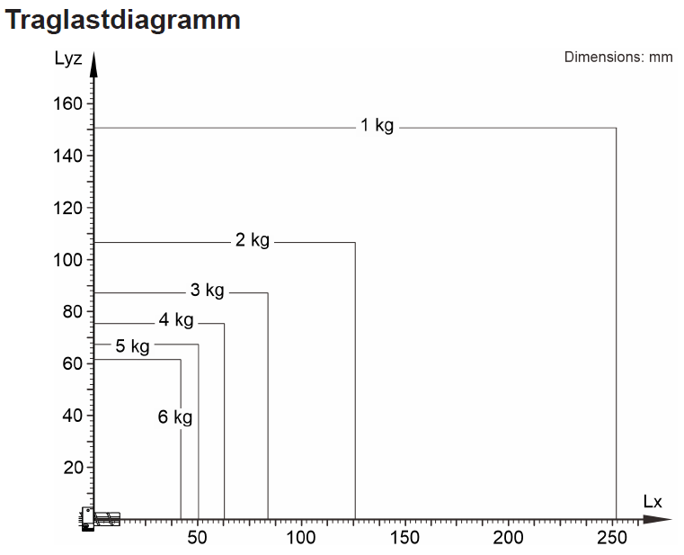
i | Θ(i) | d(i) | b(i) | α(i) | q(i) | h(i) | l(i) | Note
0 | 0.000 | 0 | 0 | 0 | 0 | 0 | 0 | origin -> not relevant
1 | pi/2 + q1 | 193 | 0 | 0 | q1 | 193 | 0 | linear translation to top
2 | pi/2 + q2 | 58 | -225 | 0 | q2 | 251 | -225
3 | pi/2 + q3 | 0 | -275 | 0 | q3 | 251 | -275
4 | pi/2 + q4 | -95 | 0 | 0 | q4 | 156 | 0 | moving up down -> variabal?

