DH-Parameters
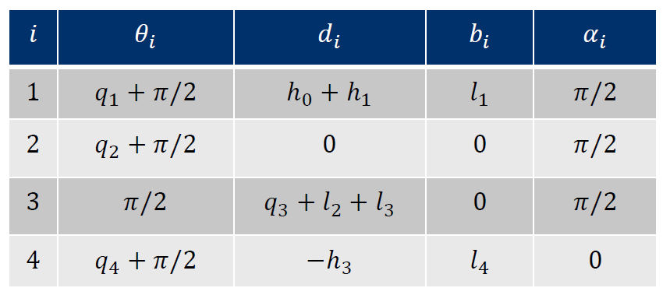
i | Θ(i) | d(i) | b(i) | α(i) | q(i) | h(i) | l(i) | Note
0 | 0.000 | 0 | 0 | 0 | 0 | 0 | 0 | origin -> not relevant
1 | pi/2 + q1 | 162.5 | 0 | 0 | q1 | 162.5 | 0 | linear translation to top
2 | pi/2 + q2 | 0 | 66.5 | 0 | q2 | 0 | 66.5
3 | (pi/2 + ) q3 | 425 | 0 | 0 | q3 | 425 | 0
4 | (pi/2 + ) q4 | 392.2 | 0 | 0 | q4 | 392.2 | 0 | moving up down -> variabal?
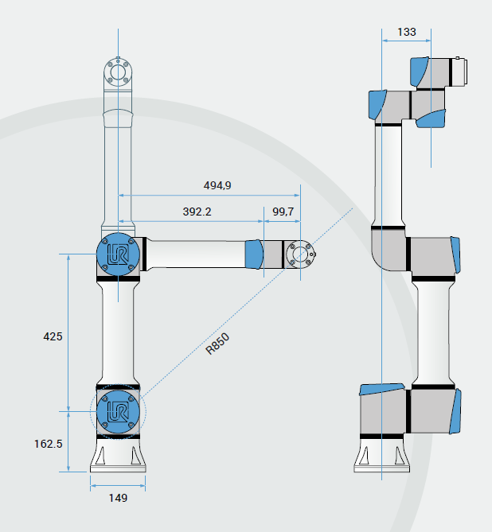
5 | pi/2 + q5 | -292.5 | 66.5 | 0 | q5 | 99.7 | 66.5 | moving up down -> variabal?
6 | pi/2 + q6 |  | 0 |  |  |  |  | frame for end-effector

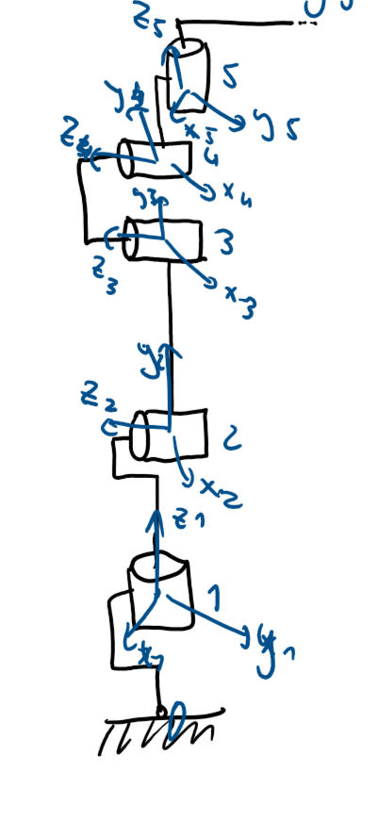
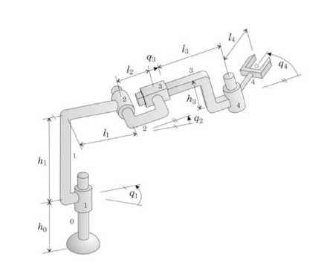
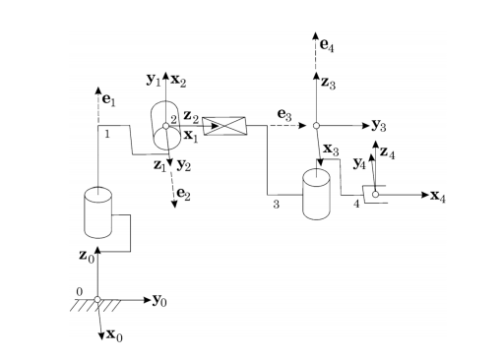

 |  |  |  |  | <q are missing

 |  |  |  |  | coordiantes are located in movement origin

