input_sheet
Input Sheet- Select columns of data with the mouse, and load them into the appropriate type of input by clicking the corresponding button below.
When all selections are made, computations will be enabled. See instructions for correct data formatting.
 |  |  | 100 | 200 | 300 | 400 | 500 | 600 | 700 | 800 | 900 | 1000 | 1100 | 1200 | 1300 | 1400 | 1500 | 1600 | 1700 | 1800 | 1900 | 0 | 2000 | 0 | 2000 | dist. (m)
 |  |  | 468 | 476 | 579 | 614 | 624 | 605 | 594 | 565 | 572 | 583 | 577 | 582 | 604 | 604 | 609 | 594 | 535 | 461.55 | 433.55 | 500 | 500 | 0 | 20 | 0
 |  |  | 441 | 491 | 537 | 566 | 559 | 575 | 570 | 526 | 536 | 536 | 565 | 570 | 573 | 571 | 559 | 534 | 444 | 428.55 | 428.55 | 450 | 470 | 0 | 24.3 | 8.9968907611
 |  |  | 444 | 498 | 517 | 573 | 583 | 578 | 564 | 533 | 509 | 514 | 527 | 571 | 572 | 542 | 560 | 543 | 506 | 437.55 | 437.55 | 475 | 480 | 18 | 31.8 | 8.9968907611
 |  |  | 438 | 498 | 554 | 588 | 609 | 607 | 580 | 579 | 575 | 574 | 535 | 548 | 587 | 615 | 614 | 596 | 575 | 490.55 | 448.55 | 480 | 510 | 0 | 31.4 | 8.9968907611
 |  |  | 398 | 416 | 450 | 471 | 492 | 506 | 485 | 507 | 529 | 534 | 529 | 518 | 544 | 546 | 547 | 536 | 517 | 461.55 | 421.55 | 490 | 470 | 0 | 26.5 | 8.9968907611
 |  |  | 432 | 506 | 570 | 568 | 585 | 605 | 571 | 533 | 568 | 550 | 543 | 578 | 606 | 605 | 613 | 579 | 497 | 488.55 | 433.55 | 470 | 470 | 11.6 | 35.9 | 8.9968907611
 |  |  | 432 | 460 | 567 | 600 | 610 | 609 | 591 | 586 | 567 | 574 | 579 | 601 | 609 | 621 | 621 | 609 | 557 | 492.55 | 437.55 | 490 | 470 | 0 | 98 | 8.9968907611
 |  |  | 407 | 435 | 493 | 543 | 559 | 558 | 554 | 544 | 499 | 524 | 494 | 544 | 529 | 507 | 519 | 502 | 475 | 418.55 | 418.55 | 470 | 400 | 0 | 31 | 8.9968907611
 |  |  | 400 | 491 | 553 | 572 | 590 | 597 | 570 | 525 | 561 | 554 | 552 | 547 | 574 | 561 | 555 | 529 | 517 | 465.55 | 406.55 | 500 | 480 | 34.1 | 27 | 8.9968907611
 |  |  | 399 | 447 | 521 | 541 | 569 | 569 | 571 | 569 | 533 | 541 | 532 | 575 | 596 | 613 | 603 | 586 | 526 | 515.55 | 515.55 | 490 | 480 | 0 | 38.7 | 8.9968907611
 |  |  | 497 | 498 | 555 | 613 | 632 | 636 | 621 | 631 | 596 | 610 | 609 | 615 | 655 | 660 | 664 | 648 | 628 | 551.55 | 508.55 | 500 | 510 | 51.8 | 21.4 | 26.990672283

 | default selections
 | first col | last col
soil profile | 5 | 23
grafting points | 24 | 25
corrections | 26 | 27
distances | 28

adjusted_measures
Adjusted measures - This sheet displays soil profile measurements after they have been corrected for stick positioning
100 | 200 | 300 | 400 | 500 | 600 | 700 | 800 | 900 | 1000 | 1100 | 1200 | 1300 | 1400 | 1500 | 1600 | 1700 | 1800 | 1900
467 | 474 | 576 | 610 | 619 | 599 | 587 | 557 | 563 | 573 | 566 | 570 | 591 | 590 | 594 | 578 | 518 | 443.55 | 414.55
439.785 | 488.57 | 533.355 | 561.14 | 552.925 | 567.71 | 561.495 | 516.28 | 525.065 | 523.85 | 551.635 | 555.42 | 557.205 | 553.99 | 540.775 | 514.56 | 423.345 | 406.68 | 405.465
425.31 | 478.62 | 496.93 | 552.24 | 561.55 | 555.86 | 541.17 | 509.48 | 484.79 | 489.1 | 501.41 | 544.72 | 545.03 | 514.34 | 531.65 | 513.96 | 476.27 | 407.13 | 406.44
436.43 | 494.86 | 549.29 | 581.72 | 601.15 | 597.58 | 569.01 | 566.44 | 560.87 | 558.3 | 517.73 | 529.16 | 566.59 | 593.02 | 590.45 | 570.88 | 548.31 | 462.29 | 418.72
396.675 | 413.35 | 446.025 | 465.7 | 485.375 | 498.05 | 475.725 | 496.4 | 517.075 | 520.75 | 514.425 | 502.1 | 526.775 | 527.45 | 527.125 | 514.8 | 494.475 | 437.7 | 396.375
419.185 | 491.97 | 554.755 | 551.54 | 567.325 | 586.11 | 550.895 | 511.68 | 545.465 | 526.25 | 518.035 | 551.82 | 578.605 | 576.39 | 583.175 | 547.96 | 464.745 | 455.08 | 398.865
427.1 | 450.2 | 552.3 | 580.4 | 585.5 | 579.6 | 556.7 | 546.8 | 522.9 | 525 | 525.1 | 542.2 | 545.3 | 552.4 | 547.5 | 530.6 | 473.7 | 404.35 | 344.45
405.45 | 431.9 | 488.35 | 536.8 | 551.25 | 548.7 | 543.15 | 531.6 | 485.05 | 508.5 | 476.95 | 525.4 | 508.85 | 485.3 | 495.75 | 477.2 | 448.65 | 390.65 | 389.1
366.255 | 457.61 | 519.965 | 539.32 | 557.675 | 565.03 | 538.385 | 493.74 | 530.095 | 523.45 | 521.805 | 517.16 | 544.515 | 531.87 | 526.225 | 500.58 | 488.935 | 437.84 | 379.195
397.065 | 443.13 | 515.195 | 533.26 | 559.325 | 557.39 | 557.455 | 553.52 | 515.585 | 521.65 | 510.715 | 551.78 | 570.845 | 585.91 | 573.975 | 555.04 | 493.105 | 480.72 | 478.785
446.72 | 449.24 | 507.76 | 567.28 | 587.8 | 593.32 | 579.84 | 591.36 | 557.88 | 573.4 | 573.92 | 581.44 | 622.96 | 629.48 | 635 | 620.52 | 602.04 | 527.11 | 485.63

single_transect
Single transect - By choosing a transect from the drop box below, you can plot the profile of each transect, and the interpolated curves of the profile and of the original terrain surface.
 |  |  | MEASUREMENTS |  | ELABORATIONS
 |  |  | soil profile |  | curve fitting
 |  |  | X | Y | Y_poly | Y_line
 |  |  | 100 | 436 | 436.98597145 | 482
 |  |  | 200 | 495 | 492.11769315 | 483
 |  |  | 300 | 549 | 552.70850829 | 485
 |  |  | 400 | 582 | 584.8758571 | 486
 |  |  | 500 | 601 | 594 | 488
 |  |  | 600 | 598 | 591 | 489
 |  |  | 700 | 569 | 583 | 491
 |  |  | 800 | 566 | 570 | 492
 |  |  | 900 | 561 | 554 | 494
SURFACE ANALYSIS (cm2) |  |  | 1000 | 558 | 540 | 495
Interrow subzone | deposition | erosion | 1100 | 518 | 534 | 497
row sx | 24.632049359 | 11.458211305 | 1200 | 529 | 540 | 498
track sx | 0 | 319.96764011 | 1300 | 567 | 558 | 500
centre sx | 0 | 308.34997721 | 1400 | 593 | 582 | 501
centre dx | 0 | 196.83901882 | 1500 | 590 | 595 | 503
track dx | 0 | 244.92556775 | 1600 | 571 | 583 | 504
row dx | 75.820101912 | 0 | 1700 | 548 | 536 | 506
 |  |  | 1800 | 462 | 467 | 507
 |  |  | 1900 | 419 | 418 | 509

vineyard_info
Vineyard info - In this sheet the user must enter the vineyard interrow dimensions, in order to individuate the subzones created by machines trails, as illustrated by the figure.
Soil texture is also required to compute Bulk Density.
Interrow width (cm) |  |  | 200
Machine width (cm) |  |  | 150 | traversa | solchi | dosso | Filare
wheel width (cm |  |  | 35 | 10 |  |  | 2
 |  |  |  | 25 | 0.5 |  | 2
Interrow subzone | left border | rigth border | width | 60 | 0.5 | 1.5
 | solchi | dosso | Filari
10 |  |  | 2
25 | 0.5 |  | 2
60 | 0.5 | 1.5
100 |  | 1.5
140 | 0.5 | 1.5
175 | 0.5 |  | 2
190 |  |  | 2
row sx | 10 | 25 | 15 | 100 |  | 1.5
track sx | 25 | 60 | 35 | 140 | 0.5 | 1.5
centre sx | 60 | 100 | 40 | 175 | 0.5 |  | 2
centre dx | 100 | 140 | 40 | 190 |  |  | 2
track dx | 140 | 175 | 35
row dx | 175 | 190 | 15
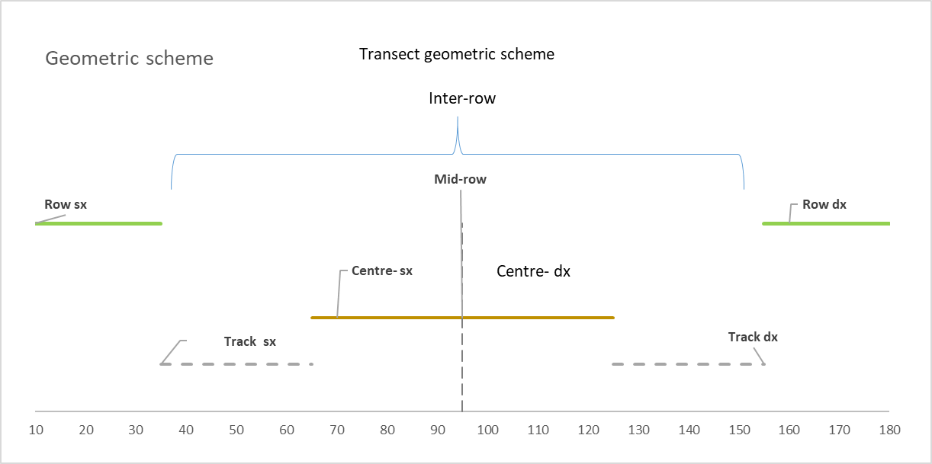
soil texture
sand (%) |  |  | 0.2
clay (%) |  |  | 99.8

vineyard age (years) |  |  | 16

