summary
Component/ Category | Topic | Sub-Topic
Dataset | Input/ output | Format
 |  | Size
 |  | Transformation
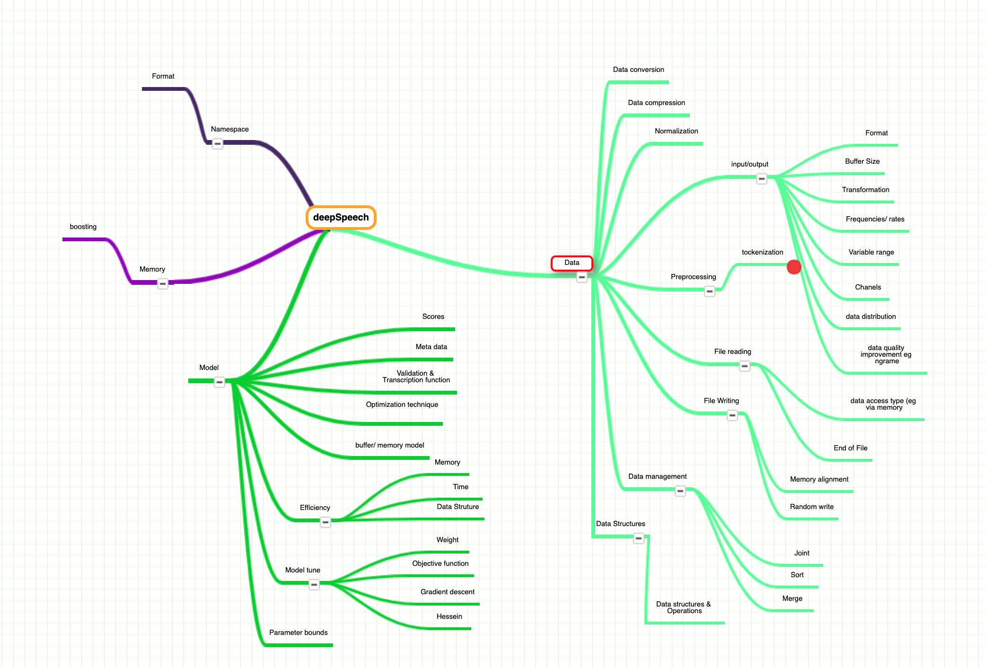
 |  | Frequencies/ rates
 |  | Variable range
 |  | Chanels
 |  | data distribution
 |  | quality improvement (eg, nGram)
 | Preprocessing | tokenization
 | file reading | data access type ( eg. via memory)
 |  | End of file
 | Normalization
 | file writing | memory alignment
 |  | random write
 | data management | sort
 |  | merge
 |  | joint
 | Data Structures | Data types & Operation
 | Data Compression
 | Data conversion

Namespace | Format
Model | Scores
 | Metadata
 | Validation and transcriptions functions
 | Model optimization technique
 | encode/ decode sequence
 | buffer/ memory model
 | Model architecture | Sequency Encoder-decoder
 | Parameter bounds
 | Model Turning | weight
 |  | objective function
 |  | gradient
 |  | Hessien
 | Model Efficiency | memory cost (kenlm)
 |  | time
 |  | Data structures

Memory | boosting

Apollo |  |  | Approch/ technique

Data | Preprocessing | Point pillars
 |  | Frames
 |  | Slicing operation
 |  | Filters
 |  | image preprocessing

 | Postprocessing | image postprocessing
 |  | Obstacle list
 |  | tracked params
 |  | point cloud
 | Input/ Output
 | Information fusion/ filtering | Orientation | Hypothesis/ approximation
 |  | Uncertanity
 |  | observation

 | Kalma filters | noise
 |  | initialization params
 |  | correctness
 |  | decoration
 |  | parameter tuning
 |  | control bias
 |  | Multi-target tracking
 |  | prediction
 |  | Filter background color
 | Roi Filtering | bitmap (polygon)
 |  | service filter

 | Data fusion | data integration
 |  | shape
 |  | frames
 |  | Gatekeeper (sensor info)
 |  | Points
 |  | Ground object size
 |  | data updates
 |  | channels (2 or more)
 |  | data association ( based on distance, compute)
 |  | sequence type fusion

 | Simulation and Monitoring

 | probabistic fusion
 | object detection | sensors name
 |  | measurement
 |  | update params
 |  | initialization
 |  | points cloud
 |  | frames
 |  | matching/ clustering
 |  | obstacle
 |  | scores/ evaluation
 |  | Ground service
 |  | collision edge
 |  | Angle
 |  | visual object
 |  | moving object
 |  | Tracked timestamp
 |  | overlap
 |  | confirmation

 | Feature generation/ Extraction | Hough Transfer | image processing
 | Digital processing | resampling/ downsampling
 |  | downsampling circular
 | Recognision | classification (color, frames)
 |  | Pedestrian
 |  | Light/ no light
 |  | External image
 |  | unknown
 |  | Distortion
 | image processing | width
 |  | height
 |  | color
 |  | memory usage
 |  | operation (eg. reshape)
 |  | Pointers
 | Data analysis | Junction features

 | Data Security | Secure matrix
 |  | cached buffer size
 |  | buffer channel (head, tail)
 |  | visitors/ access rights

Mathematics | Smoothing | Noise
 |  | Distance approach
 | Geometry | space properties
 |  | eucliden distance
 |  | relative position
 |  | cross-product
 |  | shape
 |  | rotation
 |  | hull convex (shape)
 |  | transformation
 |  | computebbox size, vector, centor
 | serialization/ deserialization
 | Homography
 | Graph | Disjointset (size, reset, set number)
 |  | hungarian algorithms matching (minimize, maximize)
 |  | secure matrix/ Blob secure matrix

Scenario | predict scenario | Trajectory planning
 |  | scenario type
 |  | pose
config manager | model config | config params
 | container manager | localization
 |  | control command
 | inference params
 | Sensor data manager | distortion, undistortion, sensor info
 | detection configuration | Reset
 |  | Service size
Performance/ computation overhead | Blob | Reshape operation
 |  | Legacy blob
 |  | Pointers
 |  | GPUCPU usage/ stress test
 | Memory | Malloc (Dynamic memory allocation)
 |  | Synced Memnory
 |  | allocated memory, size
algorithm | Entropy calibration | cached butch size
 | Model learning
 | Prediction | Lane exit
 |  | Lane
 |  | junction
 |  | Trajectory
 |  | object type
 | clustering | lane graph and segmentation (from KML Map)
 |  | object matching
 |  | frames
 |  | object size
 |  | foreground
 | Classification | object name
 |  | smooth probability
 |  | segemeted object type

 | cnn_segmentation | sequency
 | Evaluation
 | Pinhole CameraModel
 | Distortion model | deviation
 | Dummy algorithm | object
 |  | size
 |  | timestamps
 | Inference | Network layers weights
 |  | scaling |  | taxon
 |  | Batch streams
 |  | slice plugins
 |  | argmax plugin
 |  | ROIPool floor
 |  | RT Reshape
 |  | modify pooling
 |  | parse conva params
Common test | bit operation | single precision floating point
 | Translation

Namespace | image8u (chanel, width, size, total, type)
 | instance name
 | device class
creation design pattern | object pool | dummy object
 |  | concurrent
 |  | light object pool

