Data Flow Diagram
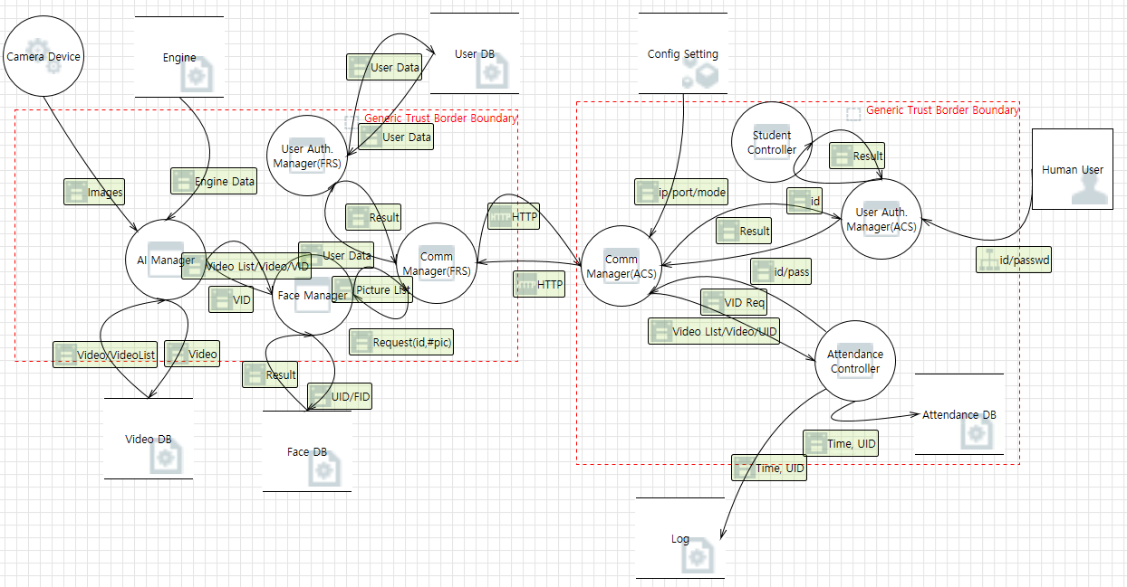

Risk Assessment_Standard
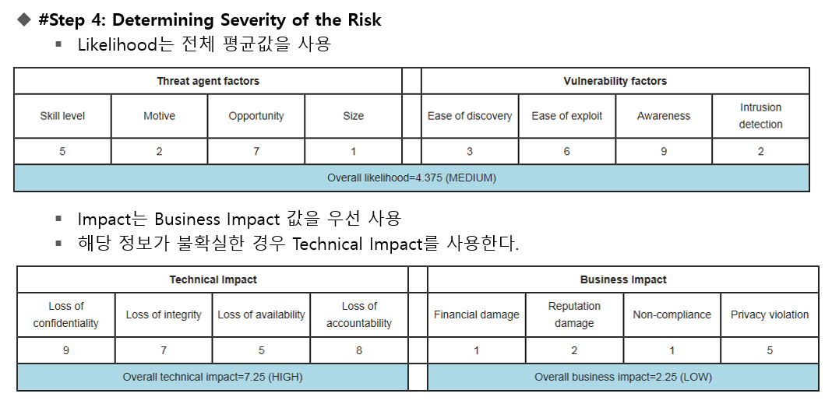
 | High = 6,7,8,9
 | Medium = 3,4,5
 | Low = 1,2
 | Overall Risk Severity
 | Critical : High-High (54 ~ 81)
 | High : High-Medium (18~ 45)
 | Medium : High-Low (6~18), Medium-Medium (9~25)
 | Low : Medium-Low (10~15)
 | Note : Low-Low (1~4)

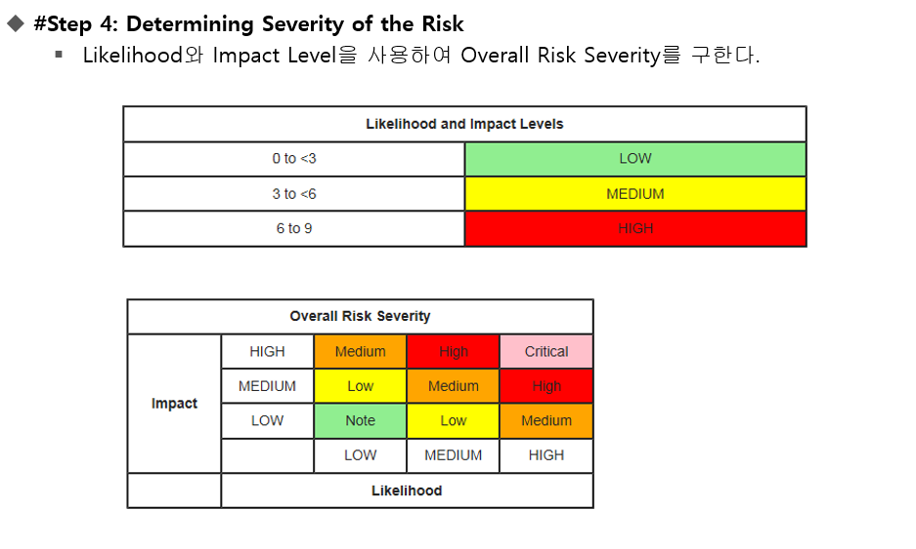

Critical
High | 36

