System R&R
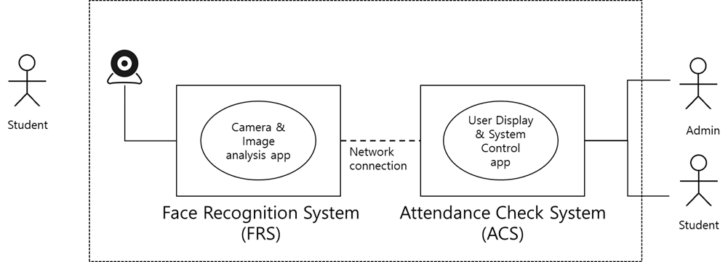

Sysytem | R&R | Managed Data | Description | System | Component | R&R | Description
Face Recognition System(FRS) | 1. user data manage 2. log data manage 3. key manage 4. face recognition DB manage 5. movie list manage 6. student list manage 7. camera control 8. AI manage 9. connection info manage | 1. Login data 2. log 3. private key, public key 4. face recogintion DB - each students face images - images lists with students ID(meta data) - uid, image, name 5. movie list 6. students list | This system is an embedded system connected to the camera. This system allows you to: 1. Student Registration 2. Attendance check 3. Check past attendance
Attendace Check System(ACS) | 1. connection info manage 2. key manage 3. attendance info 4. log data manage 5. time info manage 6. user interface 7. mode change | 1. Connection info - IP, port, mode 2. private key, public key 3. attendance info - local time, student 4. log

