Support Tables
VCS_CAPTAIN_STATUS
Variable Name | Type | Description | Nullable
CAPTAIN_STATUS_ID | NUMBER(1,0) |  | No
CAPTAIN_STATUS_DESC | VARCHAR2(30 BYTE) |  | Yes

VCS_GEARS
Variable Name | Type | Description | Nullable
GEAR_CODE | VARCHAR2(6 BYTE) |  | Yes
SURVEY_GEAR_GROUP | VARCHAR2(100 BYTE) |  | Yes
NEGEAR | VARCHAR2(3 BYTE) |  | Yes
CFDBS_GEAR_NAME | VARCHAR2(100 BYTE) |  | Yes
ACCSP_GEAR_CODE | VARCHAR2(3 BYTE) |  | Yes
ACCSP_GEAR_NAME | VARCHAR2(100 BYTE) |  | Yes

VCS_INFO_SOURCES
Variable Name | Type | Description | Nullable
SOURCE_ID | NUMBER(2,0) |  | No
SOURCE_DESC | VARCHAR2(200 BYTE) |  | Yes

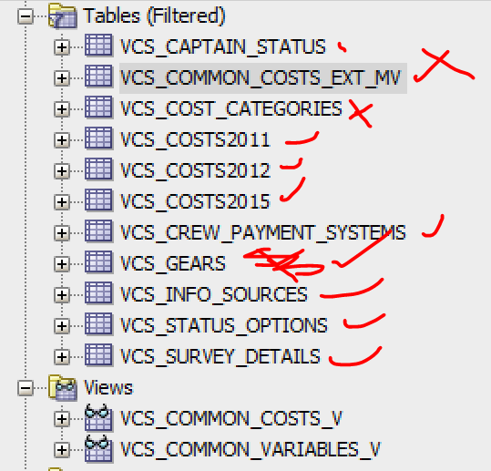
VCS_CREW_PAYMENT_SYSTEMS
Variable Name | Type | Description | Nullable
PAYMENT_SYSTEM_ID | NUMBER(2,0) |  | No
PAYMENT_SYSTEM_DESC | VARCHAR2(20 BYTE) |  | No

VCS_STATUS_OPTIONS
Variable Name | Type | Description | Nullable
STATUS_ID | NUMBER(2,0) |  | No
STATUS_DESC | VARCHAR2(200 BYTE) |  | Yes

VCS_SURVEY_DETAILS
Variable Name | Type | Description | Nullable
SURVEY_YEAR | NUMBER(4,0) |  | No
GEAR_TYPE | VARCHAR2(100 BYTE) |  | No
POPULATION | NUMBER(9,0) |  | Yes
SAMPLE | NUMBER(9,0) |  | Yes
RESPONSE | NUMBER(9,0) |  | Yes
COST_CATEGORY | CHAR(3 BYTE) |  | No

VCS_COST_CATEGORIES

Tables views only used by Cost Application
VCS_COMMON_COSTS_EXT_MV
VCS_COMMON_COSTS_V

