station_coordinate process
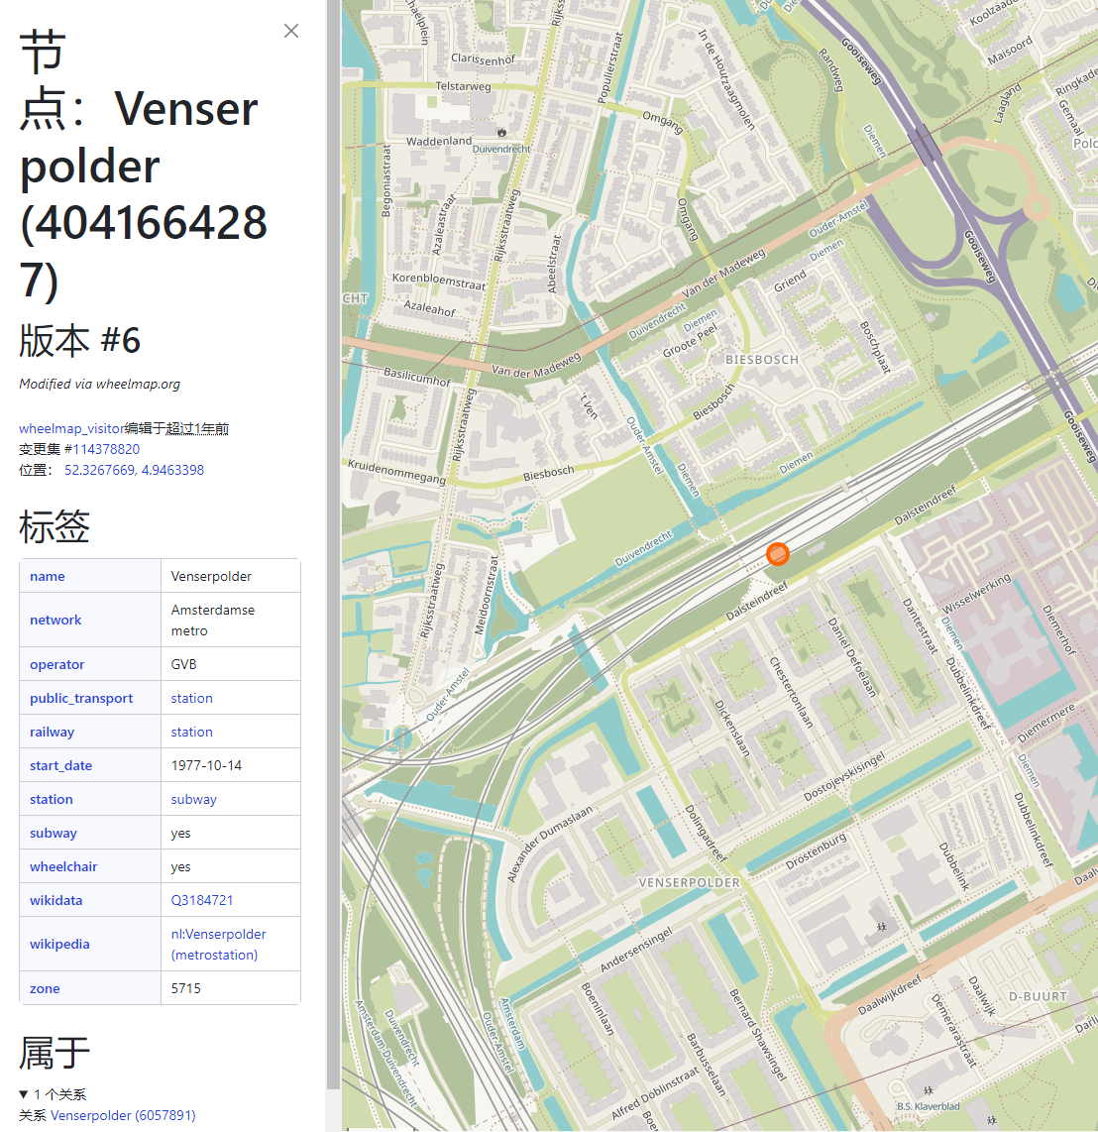
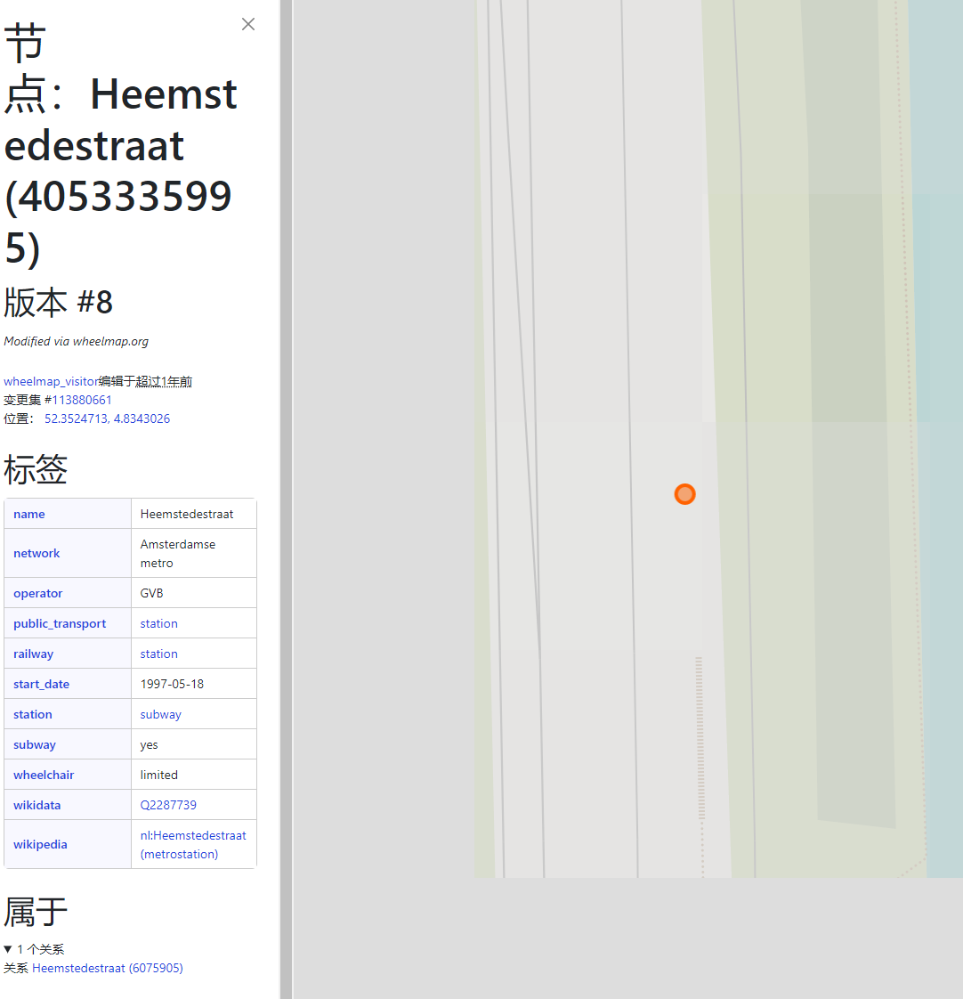
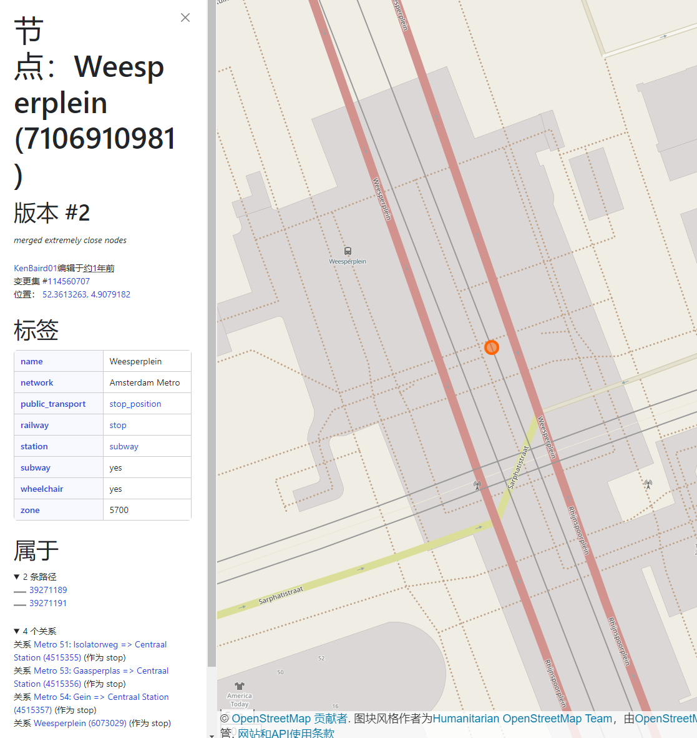
osm_id | railway | geometry | longitude | latitude | coordinate | station_name from OSM | type | coordinate | station_name | station_number | formulas_cooresponding | values_cooresponding
46199966 | station | POINT | 4.9560598 | 52.3302613 | 52.3302613,4.9560598 | Diemen Zuid |  | 52.3302613,4.9560598 | Isolatorweg | 0 | 52.3951713,4.8507911 | 52.3951713,4.8507911
250222266 | station | POINT | 4.8575769 | 52.3384028 | 52.3384028,4.8575769 | Amstelveenseweg |  | 52.3384028,4.8575769 | Station Sloterdijk | 1 | 52.3890161,4.838877 | 52.3890161,4.838877
250224485 | station | POINT | 4.8352937 | 52.3726582 | 52.3726582,4.8352937 | Jan van Galenstraat |  | 52.3726582,4.8352937 | De Vlugtlaan | 2 | 52.3796134,4.8382223 | 52.3796134,4.8382223
250233810 | station | POINT | 4.9601712 | 52.2979886 | 52.2979886,4.9601712 | Amsterdam Holendrecht |  | 52.2979886,4.9601712 | Jan van Galenstraat | 3 | 52.3726582,4.8352937 | 52.3726582,4.8352937
289445435 | station | POINT | 4.9305189 | 52.3294483 | 52.3294483,4.9305189 | Van der Madeweg |  | 52.3294483,4.9305189 | Postjesweg | 4 | 52.3642921,4.8339612 | 52.3642921,4.8339612
427565080 | station | POINT | 4.9176266 | 52.3317318 | 52.3317318,4.9176266 | Overamstel |  | 52.3317318,4.9176266 | Amsterdam Lelylaan | 5 | 52.3578369,4.8340268 | 52.3578369,4.8340268
1633149045 | station | POINT | 4.7468736 | 52.3859763 | 52.3859763,4.7468736 | Halfweg-Zwanenburg |  | 52.3859763,4.7468736 | Heemstedestraat | 6 | #N/A | 52.3524713, 4.8343026 | from OSM
2237721918 | station | POINT | 4.8382223 | 52.3796134 | 52.3796134,4.8382223 | De Vlugtlaan |  | 52.3796134,4.8382223 | Henk Sneevlietweg | 7 | 52.3464029,4.8345025 | 52.3464029,4.8345025
3938547498 | station | POINT | 4.8381062 | 52.3890317 | 52.3890317,4.8381062 | Amsterdam Sloterdijk | train | 52.3890317,4.8381062 | Amstelveenseweg | 8 | 52.3384028,4.8575769 | 52.3384028,4.8575769
4005961975 | station | POINT | 4.9470883 | 52.3122449 | 52.3122449,4.9470883 | Amsterdam Bijlmer ArenA |  | 52.3122449,4.9470883 | Zuid | 9 | 52.3391807,4.8744481 | 52.3391807,4.8744481
4040491812 | station | POINT | 4.9175567 | 52.3464656 | 52.3464656,4.9175567 | Amsterdam Amstel |  | 52.3464656,4.9175567 | Station RAI | 10 | 52.3377124,4.8893261 | 52.3377124,4.8893261
4041640589 | station | POINT | 4.9890129 | 52.296338 | 52.296338,4.9890129 | Gein |  | 52.296338,4.9890129 | Overamstel | 11 | 52.3317318,4.9176266 | 52.3317318,4.9176266
4041640590 | station | POINT | 4.9744218 | 52.2956478 | 52.2956478,4.9744218 | Reigersbos |  | 52.2956478,4.9744218 | Van der Madeweg | 12 | 52.3294483,4.9305189 | 52.3294483,4.9305189
4041642874 | station | POINT | 4.9843223 | 52.3113175 | 52.3113175,4.9843223 | Gaasperplas |  | 52.3113175,4.9843223 | Duivendrecht | 13 | 52.3235282,4.9364854 | 52.3235282,4.9364854
4041662264 | station | POINT | 4.9735502 | 52.3230792 | 52.3230792,4.9735502 | Ganzenhoef |  | 52.3230792,4.9735502 | Strandvliet | 14 | 52.3185355,4.9413557 | 52.3185355,4.9413557
4041662265 | station | POINT | 4.9791233 | 52.3170313 | 52.3170313,4.9791233 | Kraaiennest |  | 52.3170313,4.9791233 | Amsterdam Bijlmer ArenA | 15 | 52.3122449,4.9470883 | 52.3122449,4.9470883
4041664287 | station | POINT | 4.9463398 | 52.3267669 | 52.3267669,4.9463398 | Duivendrecht |  | 52.3235282,4.9364854 | Bullewijk | 16 | 52.3066107,4.9522364 | 52.3066107,4.9522364
4041666291 | station | POINT | 4.9364854 | 52.3235282 | 52.3235282,4.9364854 | Amsterdam RAI | train | 52.3370349,4.8902289 | Amsterdam Holendrecht | 17 | 52.2979886,4.9601712 | 52.2979886,4.9601712
4046323545 | station | POINT | 4.8902289 | 52.3370349 | 52.3370349,4.8902289 | Strandvliet |  | 52.3185355,4.9413557 | Reigersbos | 18 | 52.2956478,4.9744218 | 52.2956478,4.9744218
4046383465 | station | POINT | 4.9413557 | 52.3185355 | 52.3185355,4.9413557 | Bullewijk |  | 52.3066107,4.9522364 | Gein | 19 | 52.296338,4.9890129 | 52.296338,4.9890129
4046388677 | station | POINT | 4.9522364 | 52.3066107 | 52.3066107,4.9522364 | Verrijn Stuartweg |  | 52.328939,4.9662522 | Spaklerweg | 20 | 52.3399595,4.9210115 | 52.3399595,4.9210115
4053335995 | station | POINT | 4.8343026 | 52.3524713 | 52.3524713,4.8343026 | Spaklerweg |  | 52.3399595,4.9210115 | Amsterdam Amstel | 21 | 52.3464656,4.9175567 | 52.3464656,4.9175567
4064153245 | station | POINT | 4.9662522 | 52.328939 | 52.328939,4.9662522 | Wibautstraat |  | 52.3544624,4.9120253 | Wibautstraat | 22 | 52.3544624,4.9120253 | 52.3544624,4.9120253
4073693626 | station | POINT | 4.9210115 | 52.3399595 | 52.3399595,4.9210115 | Nieuwmarkt |  | 52.3713176,4.9008788 | Weesperplein | 23 | #N/A | 52.3613263, 4.9079182 | from OSM
4073693628 | station | POINT | 4.9120253 | 52.3544624 | 52.3544624,4.9120253 | Henk Sneevlietweg |  | 52.3464029,4.8345025 | Waterlooplein | 24 | #N/A | 52.3669934, 4.9019846 | tram station
4073743506 | station | POINT | 4.9008788 | 52.3713176 | 52.3713176,4.9008788 | Amsterdam Lelylaan |  | 52.3578369,4.8340268 | Nieuwmarkt | 25 | 52.3713176,4.9008788 | 52.3713176,4.9008788
4075987791 | station | POINT | 4.8345025 | 52.3464029 | 52.3464029,4.8345025 | Isolatorweg |  | 52.3951713,4.8507911 | Centraal Station | 26 | 52.3774316,4.9009578 | 52.3774316,4.9009578
4076017504 | station | POINT | 4.8340268 | 52.3578369 | 52.3578369,4.8340268 | Postjesweg |  | 52.3642921,4.8339612 | Europaplein | 27 | 52.3416064,4.8914727 | 52.3416064,4.8914727
4077313759 | station | POINT | 4.8507911 | 52.3951713 | 52.3951713,4.8507911 | Zaandam |  | 52.4382493,4.8137421 | De Pijp | 28 | 52.3539754,4.8906926 | 52.3539754,4.8906926
4077313763 | station | POINT | 4.8339612 | 52.3642921 | 52.3642921,4.8339612 | Amsterdam Centraal | train | 52.378901,4.9005805 | Vijzelgracht | 29 | 52.3606741,4.8911097 | 52.3606741,4.8911097
4085675604 | station | POINT | 4.8137421 | 52.4382493 | 52.4382493,4.8137421 | Amsterdam Muiderpoort |  | 52.3608341,4.9311934 | Rokin | 30 | #N/A | 52.3697221, 4.8922740 | tram station
4290854847 | station | POINT | 4.9005805 | 52.378901 | 52.378901,4.9005805 | Amsterdam Zuid | train | 52.3390172,4.8734324 | Noorderpark | 31 | 52.3889316,4.9187004 | 52.3889316,4.9187004
4487548898 | station | POINT | 4.9311934 | 52.3608341 | 52.3608341,4.9311934 | Zuid |  | 52.3391807,4.8744481 | Noord | 32 | 52.4019931,4.9323589 | 52.4019931,4.9323589
5252944882 | station | POINT | 4.8734324 | 52.3390172 | 52.3390172,4.8734324 | Station Sloterdijk |  | 52.3890161,4.838877 | Venserpolder | 33 | #N/A | 52.3267669, 4.9463398 | from OSM
5267675295 | station | POINT | 4.8744481 | 52.3391807 | 52.3391807,4.8744481 | Station RAI |  | 52.3377124,4.8893261 | Diemen Zuid | 34 | 52.3302613,4.9560598 | 52.3302613,4.9560598
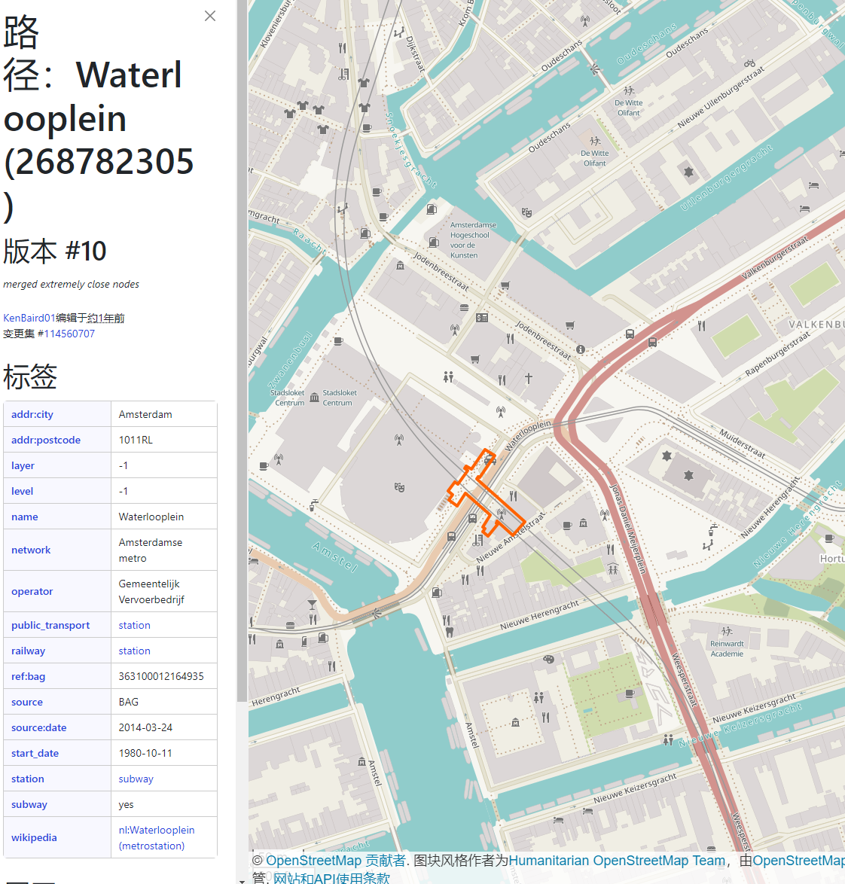
5267675296 | station | POINT | 4.838877 | 52.3890161 | 52.3890161,4.838877 | Centraal Station |  | 52.3774316,4.9009578 | Verrijn Stuartweg | 35 | 52.328939,4.9662522 | 52.328939,4.9662522
5360384018 | station | POINT | 4.8893261 | 52.3377124 | 52.3377124,4.8893261 | Europaplein |  | 52.3416064,4.8914727 | Ganzenhoef | 36 | 52.3230792,4.9735502 | 52.3230792,4.9735502
5424713348 | station | POINT | 4.9009578 | 52.3774316 | 52.3774316,4.9009578 | De Pijp |  | 52.3539754,4.8906926 | Kraaiennest | 37 | 52.3170313,4.9791233 | 52.3170313,4.9791233
5737467956 | station | POINT | 4.8914727 | 52.3416064 | 52.3416064,4.8914727 | Vijzelgracht |  | 52.3606741,4.8911097 | Gaasperplas | 38 | 52.3113175,4.9843223 | 52.3113175,4.9843223
5737467957 | station | POINT | 4.8906926 | 52.3539754 | 52.3539754,4.8906926 | Noorderpark |  | 52.3889316,4.9187004
5737467958 | station | POINT | 4.8911097 | 52.3606741 | 52.3606741,4.8911097 | Noord |  | 52.4019931,4.9323589
5737467960 | station | POINT | 4.9187004 | 52.3889316 | 52.3889316,4.9187004 | Amsterdam Science Park |  | 52.352926,4.948315
5737467961 | station | POINT | 4.9323589 | 52.4019931 | 52.4019931,4.9323589 | Diemen | train | 52.345214,4.9674386
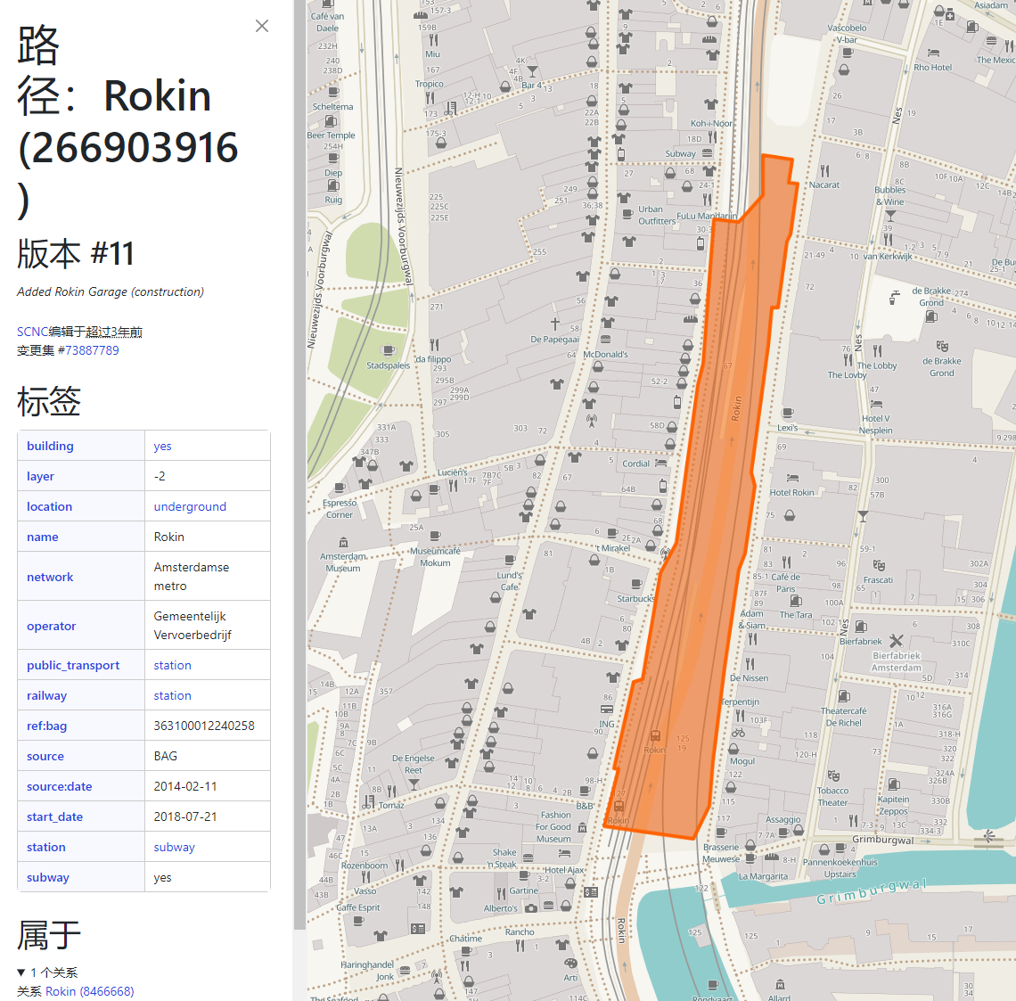
7606648992 | station | POINT | 4.948315 | 52.352926 | 52.352926,4.948315 | Centraal Station |  | 52.3791977,4.9009058
7606698742 | station | POINT | 4.9674386 | 52.345214 | 52.345214,4.9674386
9167352325 | station | POINT | 4.9009058 | 52.3791977 | 52.3791977,4.9009058

