fund_information
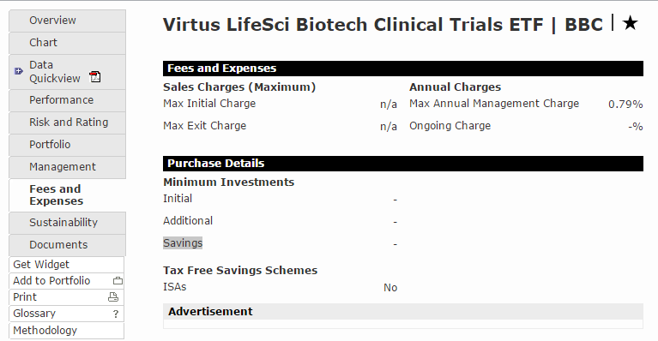
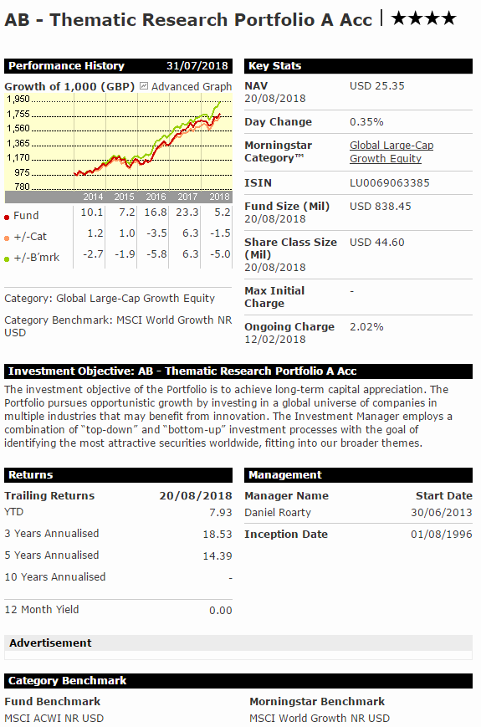
图片名 | 数据库字段 | 内容 | http://www.morningstar.co.uk/uk/funds/snapshot/snapshot.aspx?id=F0GBR04I90
fund_name | fund_name | AB - Thematic Research Portfolio A Acc
ISIN | isin | LU0069063385
Category | Category | Global Large-Cap Growth Equity
Fund Size (Mil) | fund_size_Mil | 838.45
Share Class Size (Mil) | share_class_size | 44.6
NAV | currency | USD
Max Initial Charge | max_initial_charge | -
Ongoing Charge | ongoing_charge | 2.02%
Inception Date | inception_date | 01/08/1996
Fund Benchmark | fund_benchmark | MSCI ACWI NR USD
Morningstar Style Box | cap | Large
 | style | Growth
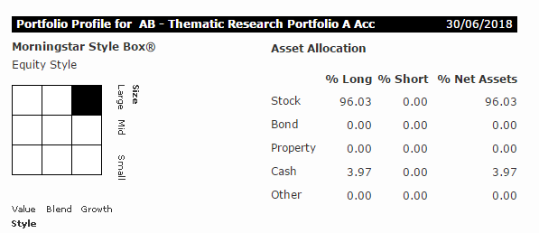
Asset Allocation | stock_long
 | stock_short
 | stock_net
 | bond_long
 | bond_short
 | bond_net
 | Property_long
 | Property_short
 | Property_net
 | Cash_long
 | Cash_short
 | Cash_net
 | Other_long
 | Other_short
 | Other_net
Max Initial Charge | max_initial_charge
Max Exit Charge | max_exit_charge
Max Annual Management Charge | max_annual_management_charge
Initial | min_investment_initial
Additional | min_investment_additional
Savings | min_investment_saving

http://www.morningstar.co.uk/uk/etf/snapshot/snapshot.aspx?id=0P0001471I&tab=5&InvestmentType=FE

fund_manager
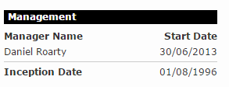
图片名 | 数据库字段 | 内容
fund_name | fund_name | AB - Thematic Research Portfolio A Acc
ISIN | isin | LU0069063385
Manager Name | manager_name | Daniel Roarty
Start Date | management_start_date | 30/06/2013

