Booth Map
Booth Map
Three clusters, three stations each. Floor plan below the table.
Cluster | Station | Topic | Who's there
AX — Top cluster
 | Station 1 | Agent Experience | Marvin Oey, David Knipe
 | Station 2 | Agent Visibility | Ted Charles
 | Station 3 | Agent-Ready Experiences | Tim Gardner
CX — Middle cluster
 | Station 1 | Limitless 1:1 Personalization | Patrick Kirby, Kunal Shetye
 | Station 2 | Agentic Experimentation | Sarah Stuchbery, Natalie Fritz
 | Station 3 | Autonomous Optimization | Rob Saunders, Tom Defeo
MX — Bottom cluster
 | Station 1 | Virtual Teammates | James Stout, Wendy Derstine
 | Station 2 | Agentic Content Operations | Dan O'Neil
 | Station 3 | Agent Building | Mark Slade, Rui Wang

Other key meeting points
9' LED Sphere |  | Centred in the demo area — eye candy / brand moment. Useful landmark for 'meet me at…'
Lounge seating |  | Around basecamp — best spot for sit-down 1:1 conversations
Business Lounge |  | Quieter area, bottom-right of floor plan

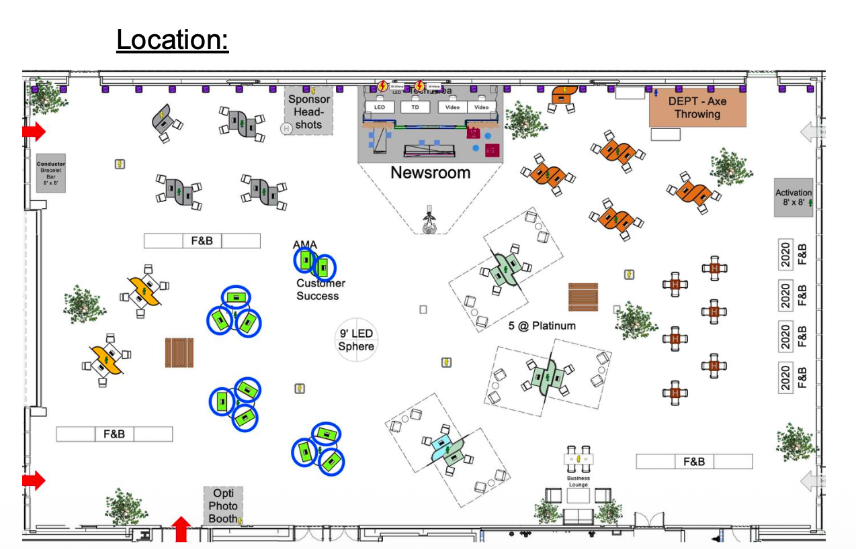
Floor plan

Logistics
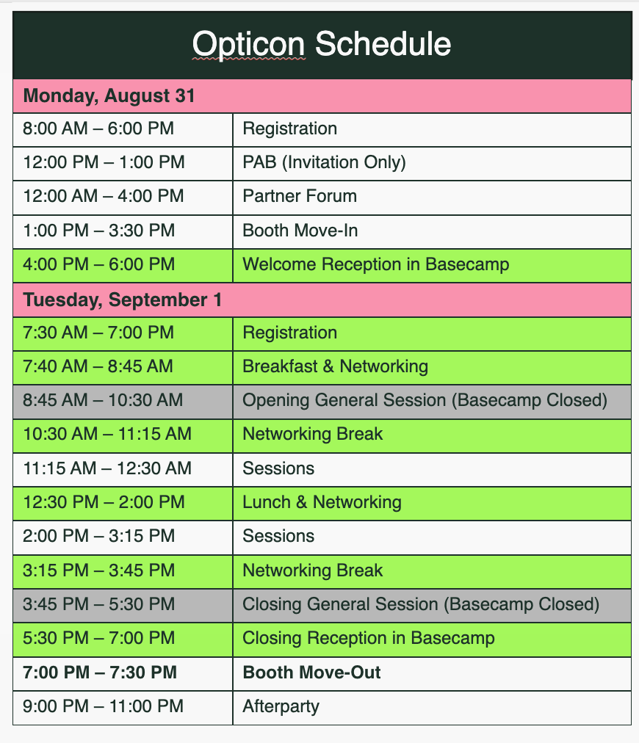
Logistics
Full event schedule with Basecamp open/closed status. Grey = Basecamp closed, no staffing.
Basecamp schedule
Day | Time | What's on | Basecamp | Notes
Mon, Aug 31 | 4:00 – 6:00 PM | Welcome Reception in Basecamp | OPEN ✓ | First opportunity at booths. Heavily attended — expect high traffic.
Tue, Sep 1 | 7:40 – 8:45 AM | Breakfast & Networking | OPEN ✓ | Booths open. Good window for relaxed early conversations.
Tue, Sep 1 | 8:45 – 10:30 AM | ⛔ Opening General Session | CLOSED | Basecamp CLOSED — no booth staffing. If a customer needs help, grab a floater.
Tue, Sep 1 | 10:30 – 11:15 AM | Networking Break | OPEN ✓ | Booths reopen — prime time as attendees leave the general session.
Tue, Sep 1 | 11:15 AM – 12:30 PM | Sessions | OPEN ✓ | Booths open.
Tue, Sep 1 | 12:30 – 2:00 PM | Lunch & Networking | OPEN ✓ | Booths open. High foot traffic around demo area.
Tue, Sep 1 | 2:00 – 3:15 PM | Sessions | OPEN ✓ | Booths open.
Tue, Sep 1 | 3:15 – 3:45 PM | Networking Break | OPEN ✓ | Booths open.
Tue, Sep 1 | 3:45 – 5:30 PM | ⛔ Closing General Session | CLOSED | Basecamp CLOSED — no booth staffing. If a customer needs help, grab a floater.
Tue, Sep 1 | 5:30 – 7:00 PM | Closing Reception in Basecamp | OPEN ✓ | Last opportunity at booths. Heavily attended — expect high traffic.

How to connect a customer
Bring the customer or prospect straight to the booth — no appointment needed.
Introduce them directly to the SME or PMM on station.
If the booth is mid-conversation, grab a floater (see below) or use nearby lounge seating for a quick intro.
During Basecamp closures (grey windows above), floaters are your only option — use escalation contacts if needed.

Floaters — roaming backup (any topic, any station)
Chris Vafiadis, Phil Yates, Rob Folan, Zach Coulter

Escalation contacts
Zach Coulter, Anthony Aiosa, Chris Vafiadis
Note: Zach Coulter and Chris Vafiadis are both floaters and escalation contacts.

Full Opticon schedule (source: Jennifer Hemmitt)

