Nonlesional_vs_Healthy_enrich
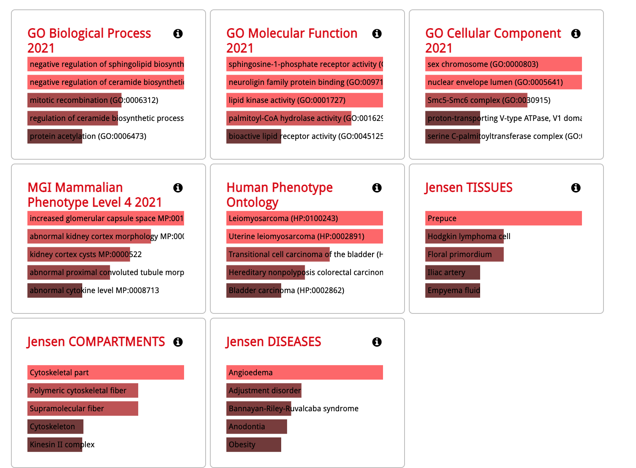

Wheal_vs_Healthy_enrichment
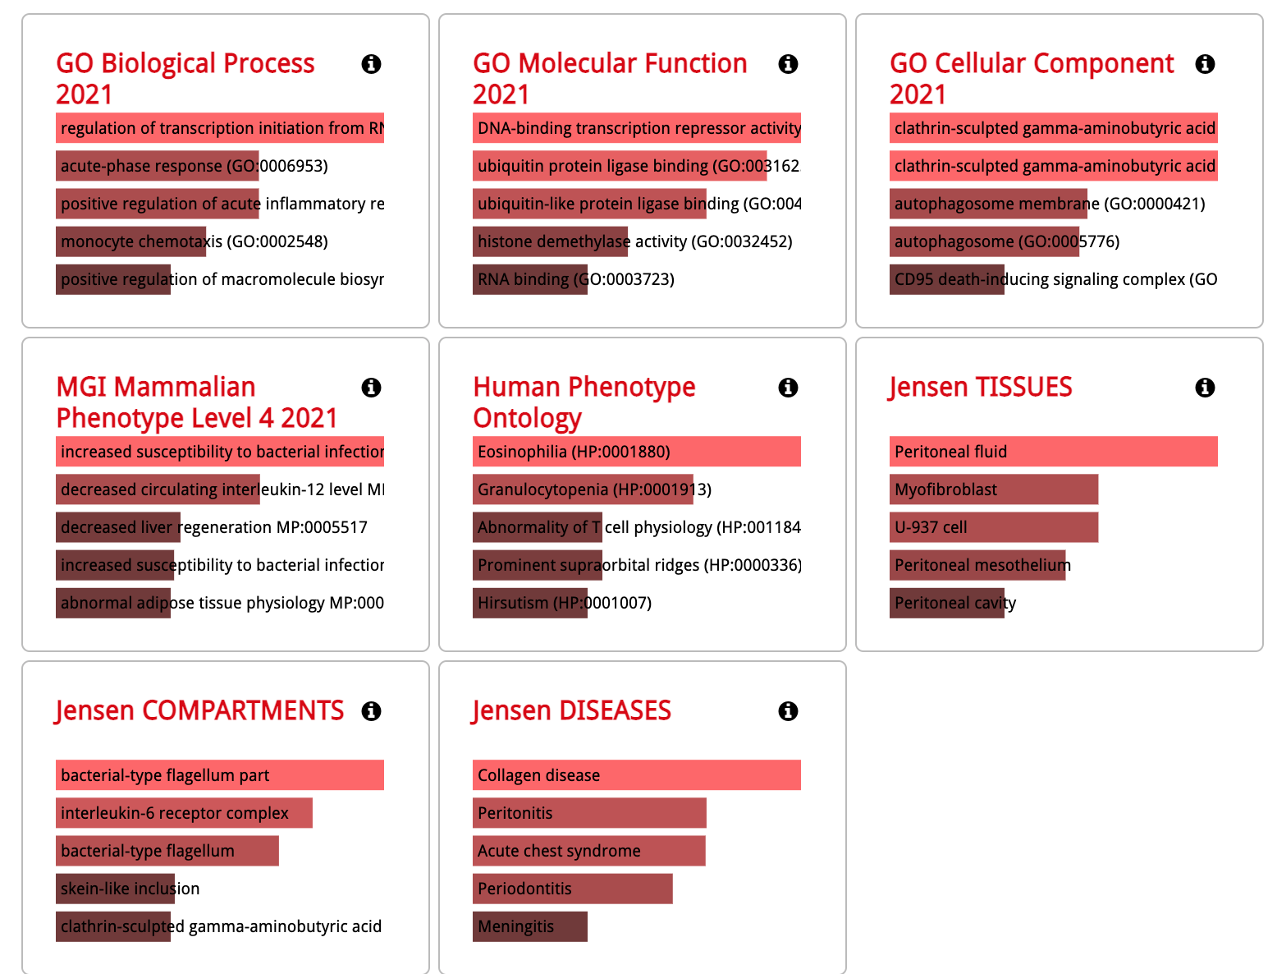

Wheal_vs_nonlesional_enrichment
