BOM PROJ
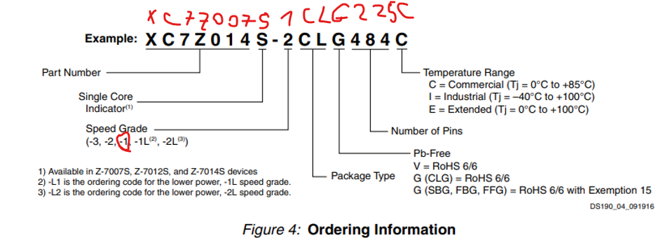
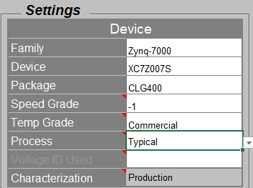
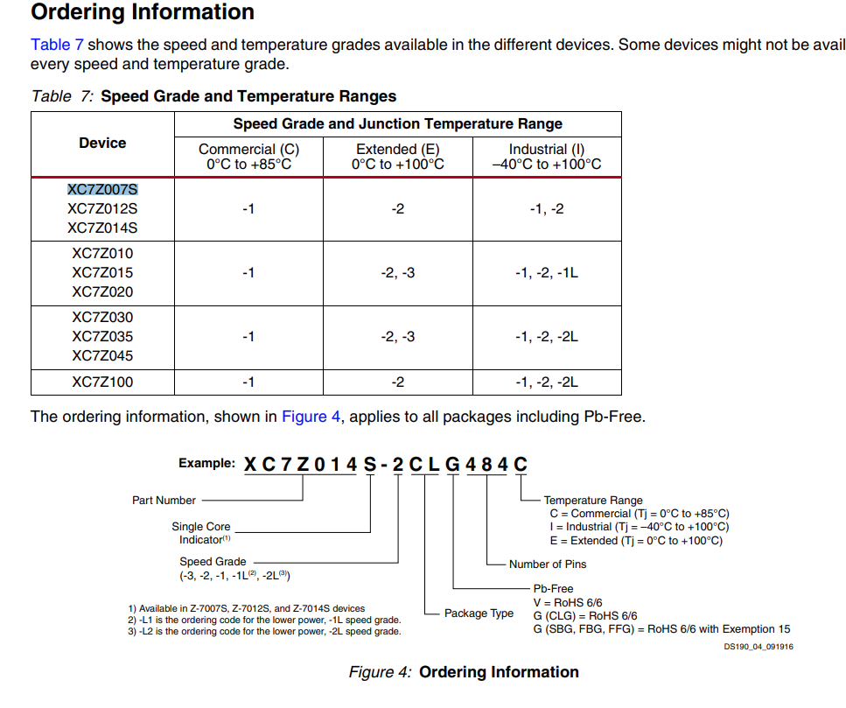

my note | general | Manfacturer PN | Description | Qty | unit price(usd) | part page | Data sheet | MFG | clk | Mounting | note | voltage[v] | Max current[A] | Max power[W] | temp | memory type
FPGA+ARM | Zync | XC7Z007S-1CLG225C | SoC FPGA XC7Z007S-1CLG225C Zynq 7000 series 2 parts: PS (processing system includes interfaces like SPI USB MMC etc') + PL Processing Logic | 1 | 60 | Part Page | data sheet | power datasheet |  | 13x13mm |  | 3.3v, 1.8V, 1V, 2.5V | 0.7
memories | DDR3L | MT41K256M16TW-107 | Micron DDR3L memory (DRAM or SDRAM) 32 Meg x 16 x 8 banks TW = 96-ball (8mm x 14mm) Rev. P Timing – cycle time – 1.07ns @ CL = 13 (DDR3-1866) -107 | 1 | 7.41 | Part Page | data sheet | Micron |  | FBGA 8mm x 14mm | VDD = VDDQ = 1.35V (1.283–1.45V) | 1.35v | 0.16 | 0.216
memories. Package code 12 – 24-ball T-PBGA, 05/6mm x 8mm (TBGA24) | QSPI Flash | MT25QL128ABA8E12-0SIT | Micron QSPI flash memory (for Zync FPGA Logic) NOR Flash SPI FLASH NOR SLC 32MX4 TBGA | 1 | 3.97 | Part Page | data sheet | Micron |  | 24-ball T-PBGA, 05/6mm x 8mm (TBGA24) | 0.35mA RMS!! | 3.3v | 0.05 | #VALUE!
memories | OUT OF STOCK | MTFC8GAKAJCN-4M | Micron on-board eMMC flash memory (for the embedded CPU - OS) | 0 | OUT OF STOCK
memories | emmc | SFEM064GB2ED1TO-I-6F-111-STD | on-board eMMC flash memory (for the embedded CPU - OS) | 1 | 30.5 | Part Page | data sheet | Swissbit | 0-200MHz | BGA 11.5 x 13mm | No CAD Model found yet | 3.3v | 0.1 | #VALUE!
Power management | PIMIC POWER | DA9062 | power management integrated circuit (PMIC) (4LDO and 4Bucks), 5V input and up to 8A Output | 1 | 5 | Part Page | data sheet |  |  | 40-pin QFN 6 mm × 6 mm package, 0.5 mm pitch (exposed paddle) |  | 5v
USB To JTAG | USB To JTAG | FT2232HQ-REEL | USB Interface IC USB HS to Dual UART/ FIFO/SPI/JTAG/I2C | 1 | 5.3 | Part Page | data sheet |  |  |  |  | 1.8V | 0.07
clk - osc | clk for the Zync | DSC1001DI1-033.3333T | Standard Clock Oscillators MEMS Oscillator, Low Power, -40C-85C, 25ppm | 1 | 1.22 | Part Page | datasheet |  | 33.33MHz | 2.5x2.0mm | 33.33MHz for Zynq | 1.8 or 2.5 or 3.3 | 0.01
clk - osc | clk for USB PHY ( CMOS OSC) | DSC1001DI1-024.0000T | DSC1001DI1-024.0000T Oscillator | 1 | 1.38 | Part Page | Data Sheet |  | 24MHz | 2.5x2.0mm | 24MHz | 1.8 or 2.5 or 3.3 | 0.05
clk - Crystal | clk for FDTI (crystal) |  | ABM8G-12.000MHZ-B4Y-T crystal | 1 | 0.58 | Part Page | Data Sheet
clk - Crystal | clk for Murata ( crystal) |  | ABS07AIG-32.768KHZ-1-T crystal | 1 | 0.67 | Part Page | Data Sheet |  |  | 1.5x3.2 |  |  | 0.05
RF WIFI+Bluetooth | Murata | LBEE5KL1DX | Murate Wireless Radio Module | 1 | 11.24 | Part Page | Data Sheet |  |  | 7.15x5.35mm | SDIO-UART interface for Murate (check for Pull ups resistors) | 3.3v | 0.37
USB PHY - data to the FPGA | USB PHY | USB3320C | USB 2.0 ULPI Transceiver | 1 | 1.92 | Part Page | Data Sheet | Microchip part page |  | QFN 5x5mm | USB3320 EVB | 1.8v or 3.3v | 0.03
PMODS | external peripherals | PMOD Header 12 female | 12 pin pmod connector | 2 | 1 | WURTH OPTION | Samtec Option | EVB by DIGILENT(Pmods) | PMOD SPEC | 15.24mm x 12.6mm x 5mm | add functionallality for uC anf FPGA's like ADC GPS module 7 segments H Bridges USB to UART converters https://digilent.com/blog/where-to-plug-in-your-pmod-fpga/
sensors | motion sensor | LIS2DS12 | motion and temp sensor | 1 | 3 |  | data sheet |  |  | LGA-12 2.1 x 2.1 mm x 0.81mm | I2C or SPI | 1.8V | 0.015
sensors | microphone sensor | MP34DT05 | microphone input | 1 | 1.5 |  | data sheet |  | 2.4MHz
SMS part | GSM Module for SMS | SARA-G450-01C-01 | SARA-G450 Quad-band GSM/GPRS module | 1 | 14.71 | part page | datasheet | Ublox Design guide |  | 16.8mm x26.8mm x.3.2mm |  | 3.8v @ 2A peaks | 2
SMS part | SMA conn for Antttena connection | 526-5791 | SMA straight female for 1.2mm PCB Edge | 1 | 8.9 | Part Page | part size | RS |  | 6.35 x 6.35mm
SMS part | nano sim card holder | 786463001 | 6 Position Card Connector NANO SIM Surface Mount, Right Angle Gold |  | 0.5 | part page | datasheet | Molex |  | 12.5mm x 9mm

 |  |  |  | PRICE SUM | 158.3 | usd |  |  |  |  |  | CURRENT SUM without FPGA | 3.605

green led | LED SMD GREEN | LSM0603453V | LED GREEN CLEAR CHIP 0603 SMD - Green 572nm LED Indication - Discrete 2V 0603 (1608 Metric) | TBD | 0.45 | part page | datasheet | Visual Communications Company - VCC
ESD TVS Diods | CG0402MLU-3.3G | CG0402MLU-3.3G | ESD Suppressors / TVS Diodes CHIP GUARD 3.3VOLT |  | 0.46 | part page | data sheet
ESD TVS Diiodw option2 | PESD3V3L1BA |  |  | 0 | 0 | part page | data sheet
MOSFET Transistor( for LED support) | MOSFET | T2N7002AK,LM |  | 3 | 0.15
Push Button |  |  |  | 2
USB Micro AB with Pin ID | USB - mini B USB 2.0 Receptacle Connector 5 Position Through Hole, Right Angle | GMSB0522132EU | USB - mini B USB 2.0 Receptacle Connector 5 Position Through Hole, Right Angle | 1 |  | Part Page | data sheet | Amphenol
USB Type C |  |  |  | 1
Power switch to the USB PHY | Power Switch/driver | MIC2099-1YMT-TR |  | 1 | 0.7 | Part Page | Data Shhet | Microchip
Shotky didoe 10v 3A SMD |  | PMEG1030EJ,115 | Diode 10 V 3A Surface Mount SOD-323F | 1 | 0.4 | Part Page | data sheet | Nexperia USA Inc.

LDO for 3.8V |  |  |  |  |  | part page | data sheet | TI - recommended by the GSM
parts for the SIM connection | specific from data sheets
parts fro the GSM connections | specific from data sheets
Amphenol SMA 50 ohm | 132134 |  |  |  |  | part page
3 color diode |  |  |  |  |  | part page | data sheet
Leds |  |  | Blue LED for bluetooth is active |  |  | Part Page | data sheet
 |  |  | push button
Leds |  |  | green LED for board power |  |  | part page | datasheet
Leds |  |  | yellow/Amber Led for WIFI active |  |  | part page | datasheet
Leds-4state |  |  | SOC LED - bi-fiament LED( 4 states: off, red, green or amber) |  |  | part page | data sheet

Controlled impedance
 |  |  | size |  | units
Trace Thickness | T
substrate height | H
trace width | W
Substrate Dielectric | Er
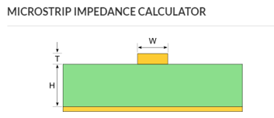
https://www.pcbway.com/pcb_prototype/impedance_calculator.html
https://www.eeweb.com/tools/microstrip/
Controlled impedance all units in [mm] | Trace Thickness T | substrate height H | trace width W | Spacing S | Substrate Dielectric Er

50 ohm SE microstrip | 0.035 | 0.11 | 0.2 | - | 4
50 ohm SE stripline | 0.035 | 0.11 | TBD | - | 4.29
40 ohm SE microstrip | 0.035 | 0.11 | 0.29 | - | 4
40 ohm SE stripline | 0.035 | 0.11 | TBD | - | 4.29

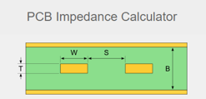
80 ohm diff microstrip | 0.035 | 0.11 | 0.13 | 0.2 | 4.9
80 ohm diff Strip line | 0.035 | 0.11 | 0.3 | 0.2 | 4

90 ohm diff(USB) - microstrip | 0.035 | 0.11 | 0.3 | 0.2 | 4.9
90 ohm diff(USB) - strip line | 0.035 | 0.11 | TBD | TBD | 4.29

100 ohm diff microstrip | 0.035 | 0.11 | 0.21 | 0.2 | 4.29
100 ohm diff strip line | 0.035 | 0.11 | TBD | TBD | 4.29

microstrip - external
strip line - internal

BOM+POWER
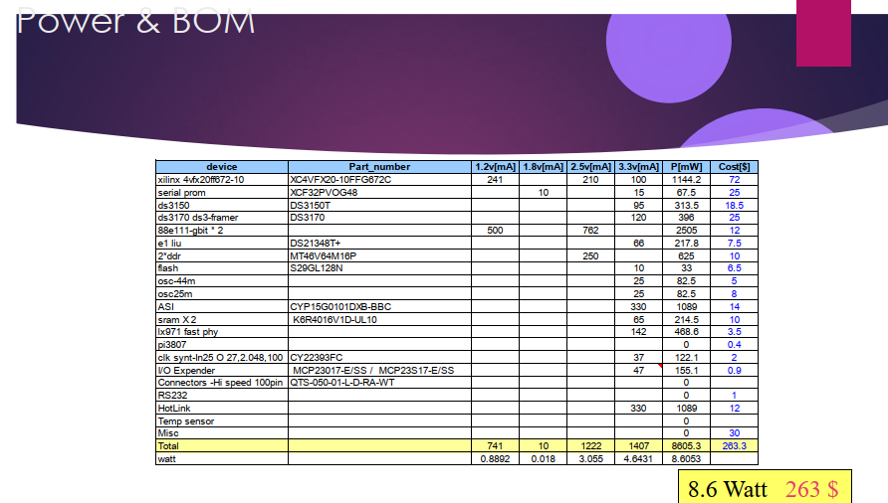
my note | Part | Manfacturer PN | Description | Qty | unit price(usd) | voltage[v] | Max current[A]
FPGA+ARM | Zync | XC7Z007S-1CLG225C | SoC FPGA XC7Z007S-1CLG225C Zynq 7000 series 2 parts: PS (processing system includes interfaces like SPI USB MMC etc') + PL Processing Logic | 1 | 60 | 3.3v, 1.8V, 1V, 2.5V | 0.8
memories | DDR3L | MT41K256M16TW-107 | Micron DDR3L memory (DRAM or SDRAM) 32 Meg x 16 x 8 banks TW = 96-ball (8mm x 14mm) Rev. P Timing – cycle time – 1.07ns @ CL = 13 (DDR3-1866) -107 | 1 | 7.41 | 1.35v | 0.16
memories | QSPI Flash | MT25QL128ABA8E12-0SIT | Micron QSPI flash memory (for Zync FPGA Logic) NOR Flash SPI FLASH NOR SLC 32MX4 TBGA | 1 | 3.97 | 3.3v | 0.05
memories | OUT OF STOCK | MTFC8GAKAJCN-4M | Micron on-board eMMC flash memory (for the embedded CPU - OS) | 0 | OUT OF STOCK
memories | emmc | SFEM064GB2ED1TO-I-6F-111-STD | on-board eMMC flash memory (for the embedded CPU - OS) | 1 | 30.5 | 3.3v | 0.1
Power management | PIMIC POWER | DA9062 | power management integrated circuit (PMIC) (4LDO and 4Bucks), 5V input and up to 8A Output | 1 | 5 | 5v
USB To JTAG | USB To JTAG | FT2232HQ-REEL | USB Interface IC USB HS to Dual UART/ FIFO/SPI/JTAG/I2C | 1 | 5.3 | 1.8V | 0.07
clk - osc | clk for the Zync | DSC1001DI1-033.3333T | Standard Clock Oscillators MEMS Oscillator, Low Power, -40C-85C, 25ppm | 1 | 1.22 | 1.8 or 2.5 or 3.3 | 0.01
clk - osc | clk for USB PHY ( CMOS OSC) | DSC1001DI1-024.0000T | DSC1001DI1-024.0000T Oscillator | 1 | 1.38 | 1.8 or 2.5 or 3.3 | 0.05
clk - Crystal | clk for FDTI (crystal) |  | ABM8G-12.000MHZ-B4Y-T crystal | 1 | 0.58
clk - Crystal | clk for Murata ( crystal) |  | ABS07AIG-32.768KHZ-1-T crystal | 1 | 0.67 |  | 0.05
RF WIFI+Bluetooth | Murata | LBEE5KL1DX | Murate Wireless Radio Module | 1 | 11.24 | 3.3v | 0.37
USB data to FPGA | USB PHY | USB3320C | USB 2.0 ULPI Transceiver | 1 | 1.92 | 1.8v or 3.3v | 0.03
PMOSs | external peripherals | PMOD Header 12 female | 12 pin pmod connector | 2 | 1
sensors | motion sensor | LIS2DS12 | motion and temp sensor | 1 | 3 | 1.8V | 0.015
sensors | microphone sensor | MP34DT05 | microphone input | 1 | 1.5
 |  |  |  | Total Price[$] | 134.69 | Current SUM without FPGA [A] | 0.89

DDRMemory
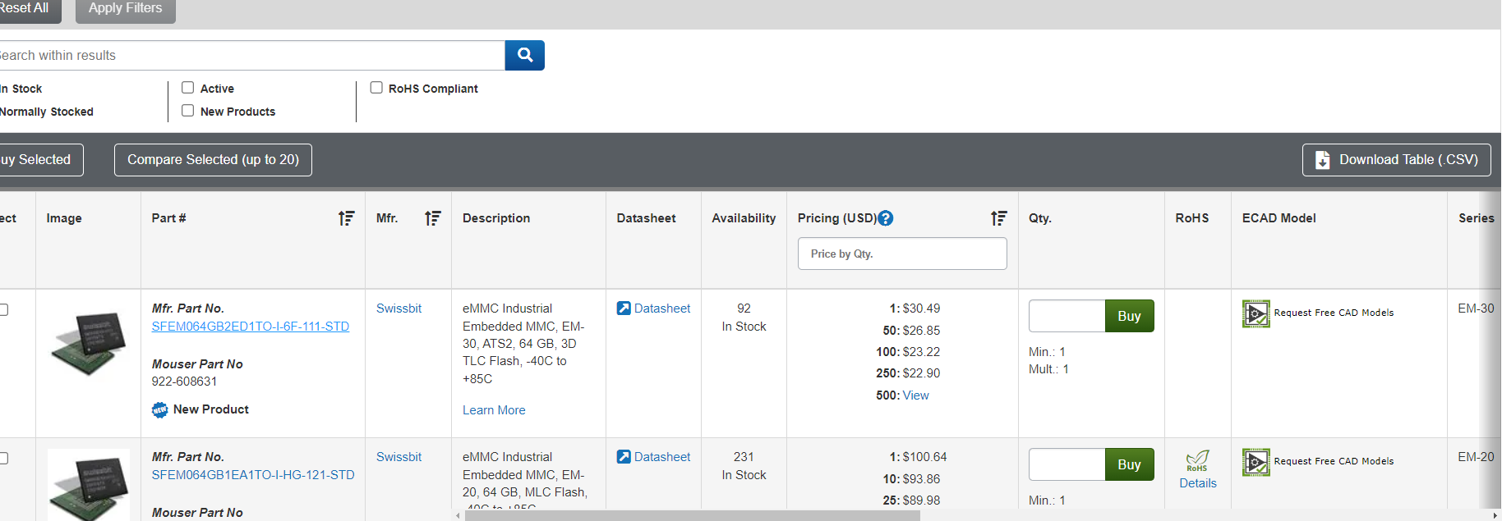
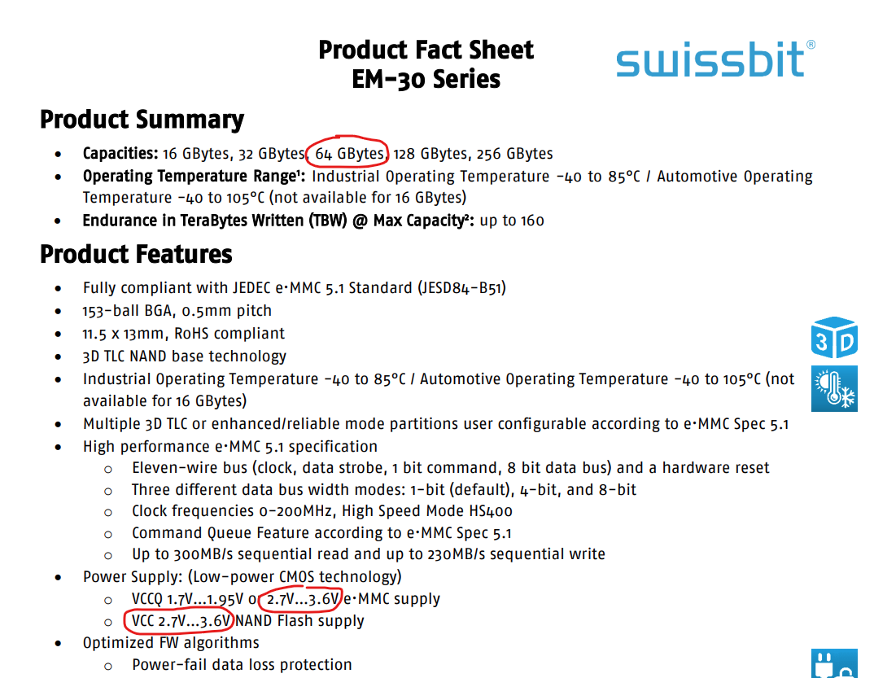
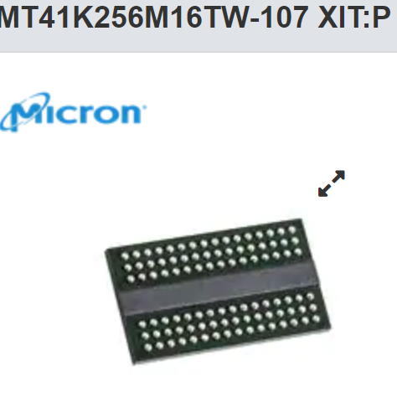
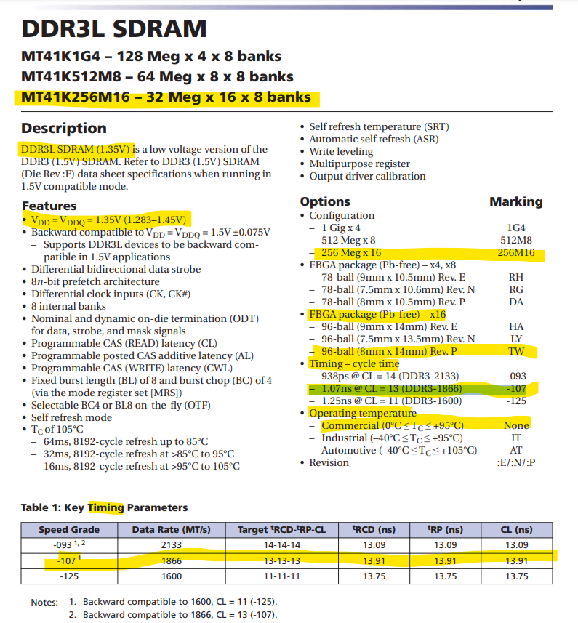
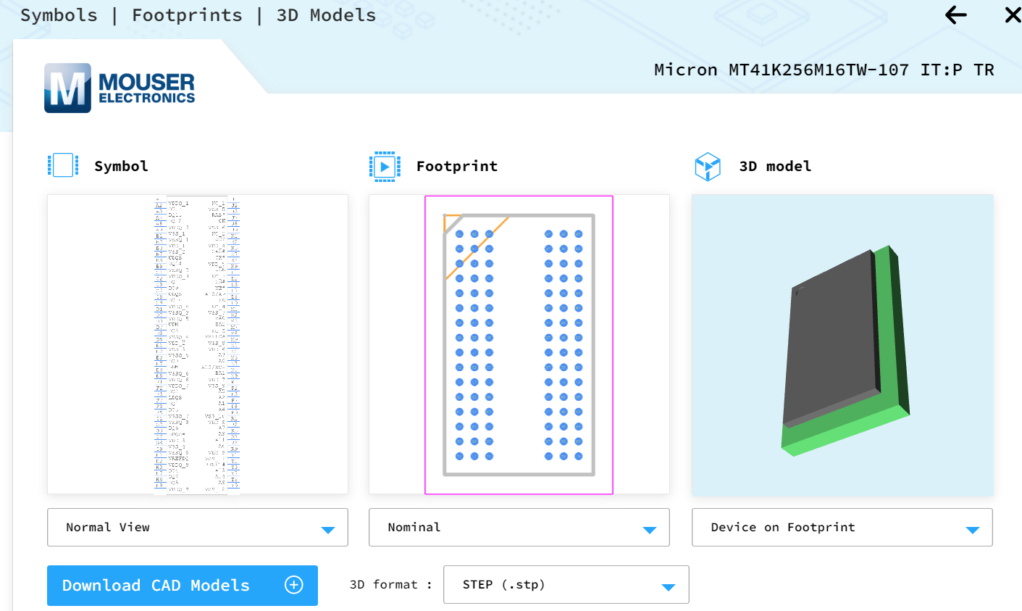

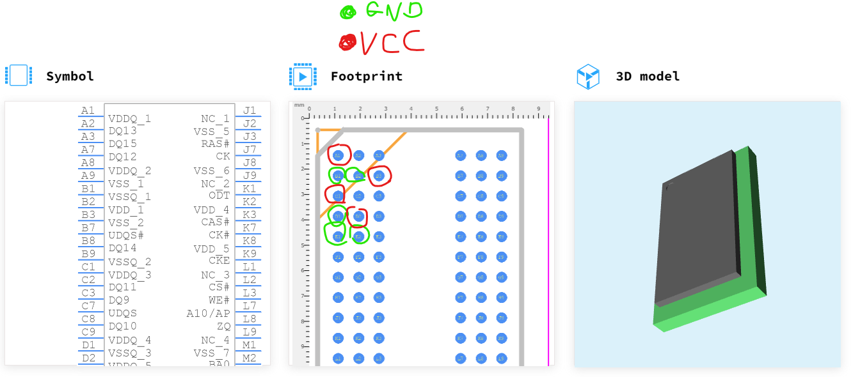
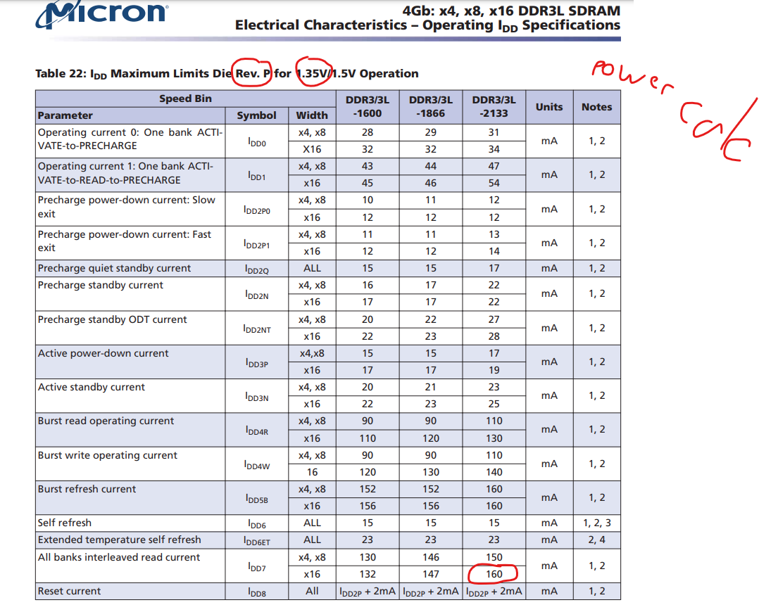

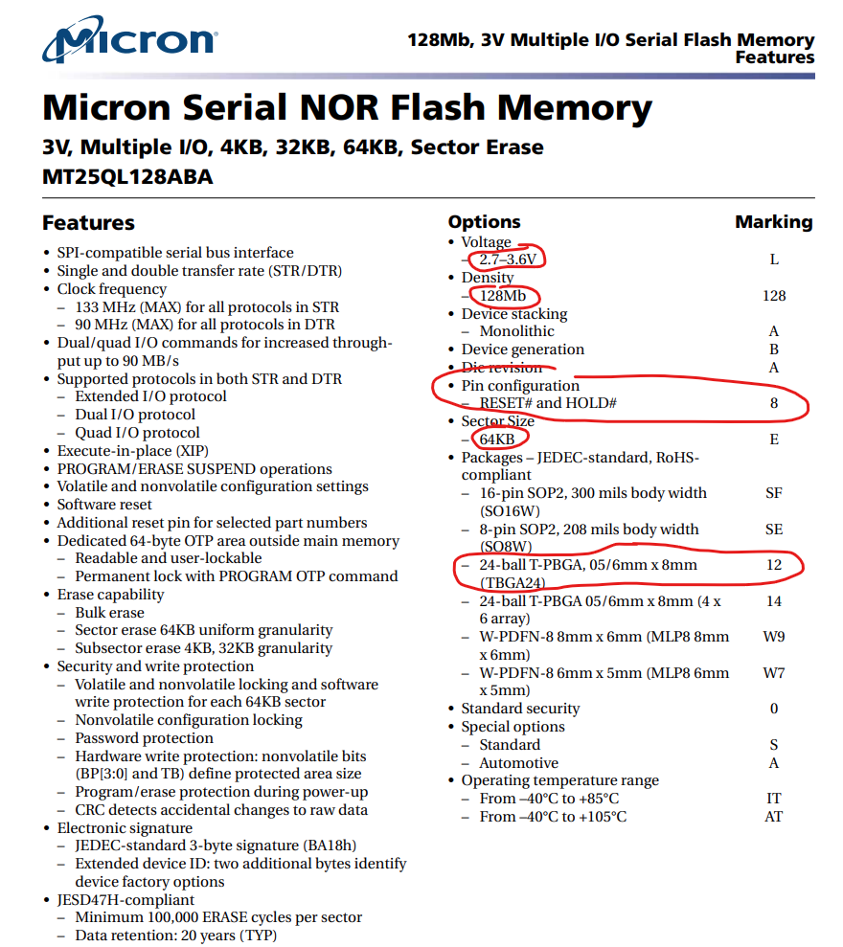
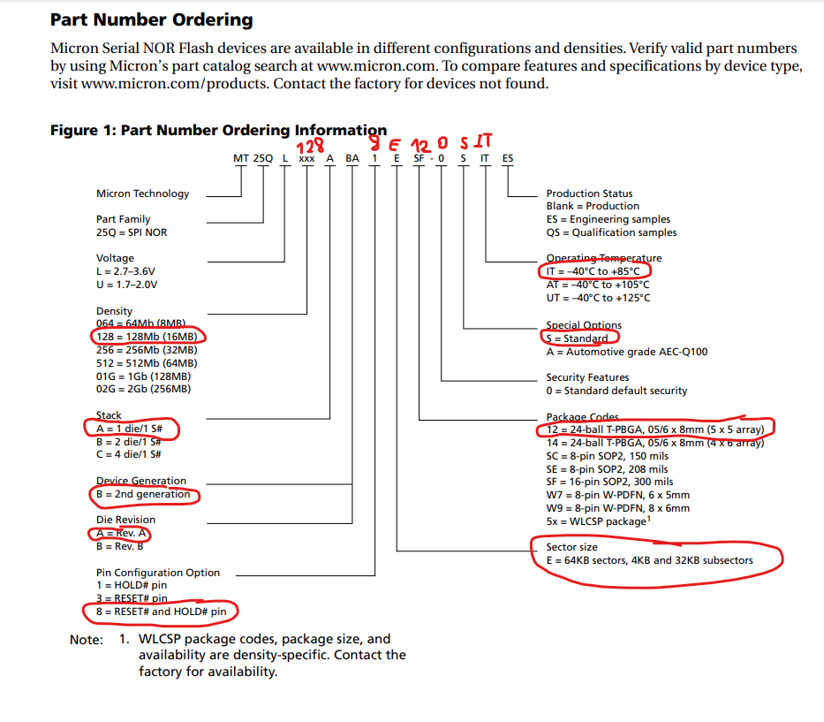

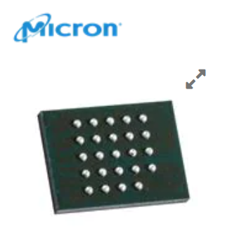

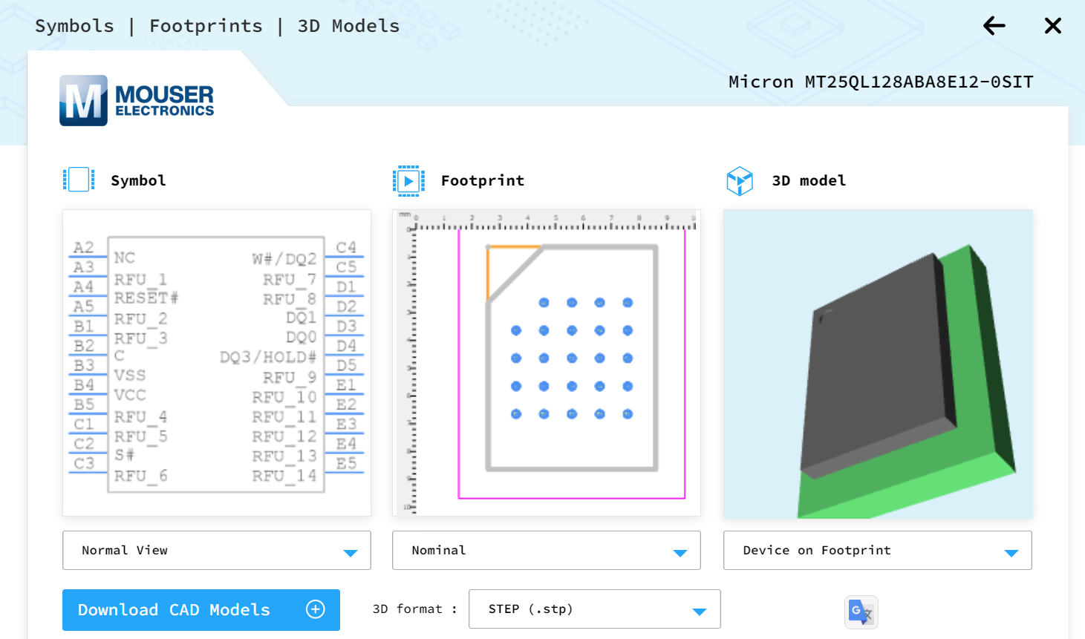

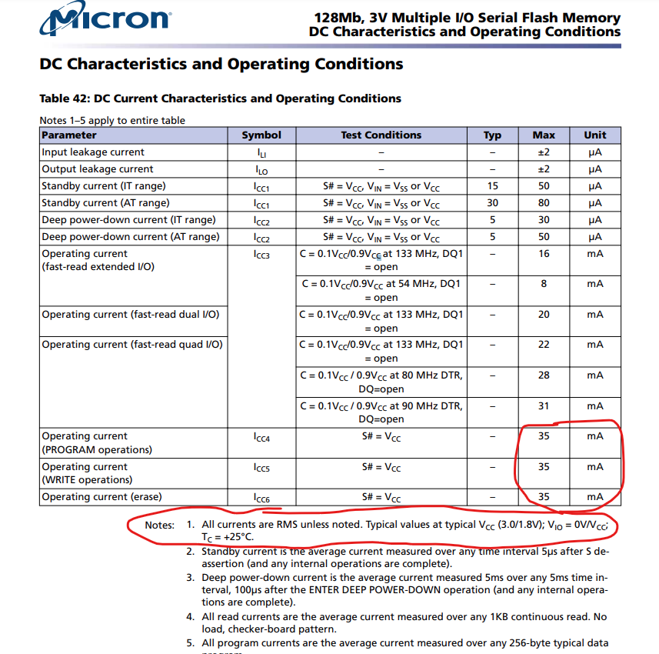

EMMC requested model does not manufactured anymore - found a different model with same requested features

Timeline
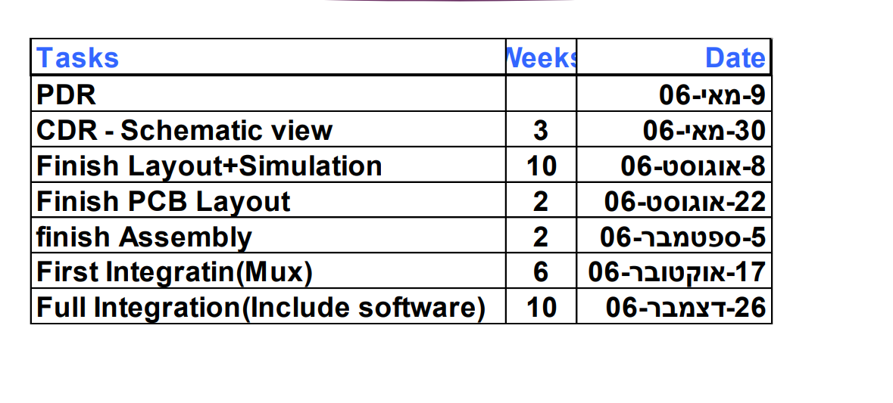
Smat helmet time line
Tasks | Weeks | data
PDR | 2 | 10-Jan-24
CDR Schematic View | 3 | 29-Jan-24
Complete Layout + simulations | 10 | 1-Apr-24
Complete PCB Layout | 2 | 15-Apr-24
Completed Assembly | 2 | 29-Apr-24
First integration | 6 | 27-Jun-24
full integration | 10 | 29-Aug-24

