Both
RATHNAVEL SUBRAMANIAM COLLEGE OF ARTS & SCIENCE (AUTONOMOUS)
A - GRADE INSTITUTION
SULUR, COIMBATORE
MCA
Academic Year: 2019-20 |  |  |  | Subject / Course |  |  | No. of Hours/Week |  | Academic Staff: G.Purusothaman / G. Pandiyan
Year: I |  |  |  | 1 Responsive Web Design |  |  | Theory/Week: - |  | Project Staff: Manikandan/ Marimuthu
Semester: I |  |  |  | 2 JavaScript and JQuery |  |  | Project/Week:

PROJECT TEAM |  |  |  |  |  |  |  |  |  | ACADEMIC TEAM
Project/Task | MODEL OUTCOME | Date | Number of Hours | Technologies | Additional Teaching Topic (IF ANY) | Date | Hour | Design Features | Functionality Features | Unit | Date | Syllabus Content (Topic Wise) - RWD | Hour | Syllabus Content (Topic Wise) - JS | Hour | Work Done
WEEK-2
HEADER AND FOOTER | 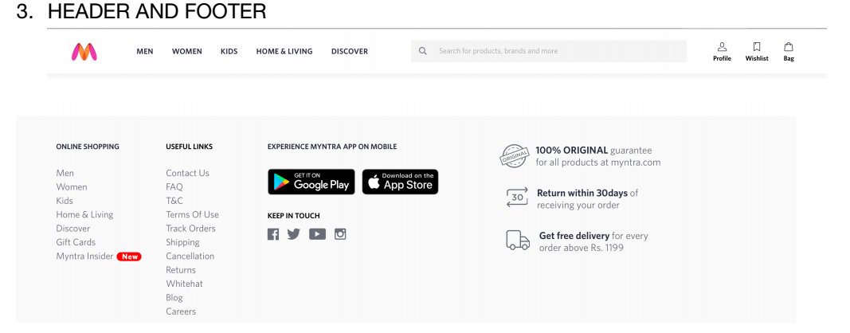 | 3.9.2019 - 7.09.2019 | 14 | HTML5, CSS and Bootstrap, Java Script | Introduction to Flex box and alignment | 3.9.19 | 1 | Add header using nav bar and nav link | Create div and add nav with nav links with appropriate CSS for theme | II | 3.9.19 | Typography -font size weight, line height, font color | 2 | Control Statements | 1
 |  |  |  |  |  | 4.9.19 | 2 | Add search bar in header | Add bootstrap form fields with inline image | II | 4.9.19 | Display | 1 | Purpose | 2
 |  |  |  |  |  | 5.9.19 | 3 | Add Footer using Bootstrap rows and cols | Create bootstrap row and cols with anchor list | IV | 5.9.19 | Navigation-link, button | 1 | Event Listeners
 |  |  |  |  |  | 6.9.19 | 3 | Enable navigation in footer and header using href | Create new html page and link to the page from footer and header | V | 6.9.19 | Z-index | 1 | Introduction:What is Jquery?, Incorporate, minification, Event Listeners | 2
 |  |  |  |  |  | 7.9.19 | 4 | Goto Top using Java Script | Add floating goto top button and enable Java Script scroll to Top | V | 7.9.19 | Media query | 1

