FSD-Week-4
WEEK-4
PROFILE PAGES & ADDRESS | 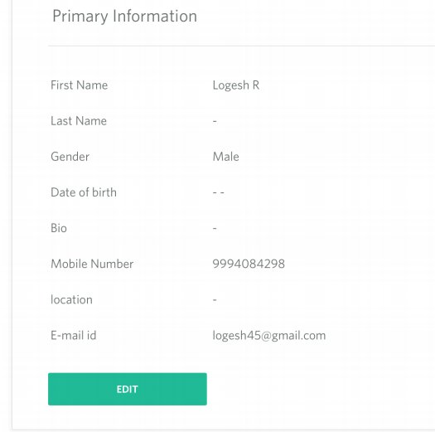 | 12.9.2019 to 14.9.2019 | 7 | HTML5, CSS and Bootstrap, Java Script | JSON | 12.9.2019 | 4 | Create div with title, form layout | Create bootstrap row and cols | II | 12.9.2019 | Card | 1 | Selectors (name,class,tag name) | 1
 |  |  |  |  |  | 13.9.2019 | 1 | Add form required field names and values | Split div into two cols and add rows as needed | II | 13.9.2019 | Forms, Form and controls creation, Bootstrap Button and fonts | 2 | Introduction:What is Jquery?, Incorporate, minification, Event Listeners | 2
 |  |  |  |  |  | 14.9.2019 | 2 | Align text in same line, Add edit button | Use margin, padding fields and values in stright line | IV | 14.9.2019 | Text and components | 1

