Sheet1
WEEK-7
PRODUCT LIST WITH FILTERS | 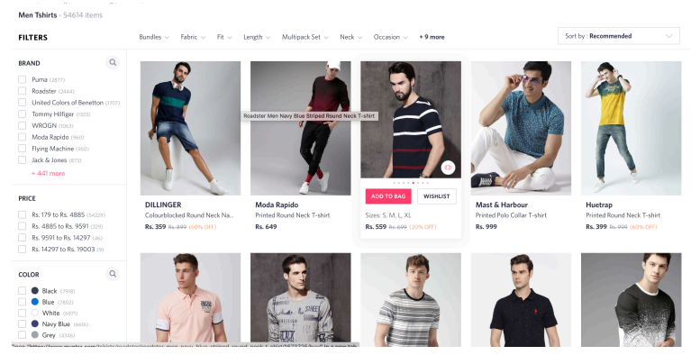 | 30.9.2019 to 5.10.2019 | 11 | HTML5, CSS and Bootstrap, Java Script | Modal | 30.9.2019 | 3 | Create div with bootstrap row and cols | Create base layout for product list page using bootstrap row and cols with container | IV,V | 30.9.2019 | bootstrap grid | 1 | Adding event listeners, adding and removing elements, animation | 1
 |  |  |  |  |  | 1.10.2019 | 3 | Create div with product list | Create product list with images, add to cart button using bootstrap cols |  | 1.10.2019 | bootstrap button | 1 | Switch cases | 1
 |  |  |  |  |  | 3.10.2019 | 3 | Create filters cols | Create filter section with check box from bootstrap |  | 3.10.2019 | bootstrap check box | 2 | Repeatition Statements | 1
 |  |  |  |  |  | 4.10.2019 | 1 | Add filter drop down at top | Use bootstrap drop down button to make drop down filter |  | 4.10.2019 | bootstrap drop down | 2 | Arrays | 1
 |  |  |  |  |  | 5.10.2019 | 1 | Hover to show add to cart button | Use Java Script and manipulate CSS for product shadow and show add cart button |  | 5.10.2019 | CSS Background, height and width | 1 | Filter and button display on hover | 2

