Automation
Technologies | Java
 | Selenium
 | TestNG
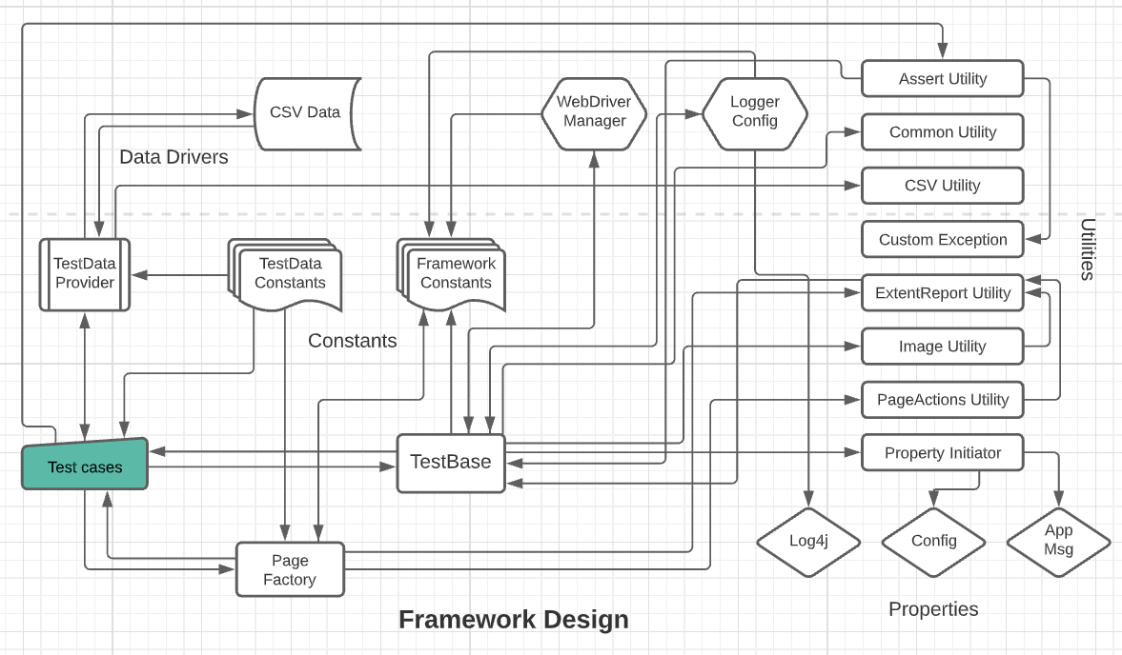
 | Log4J (Safe Version - 2.17.1)
 | Extent Reports
 | Open CSV
 | WebDriver Manager
 | ImageIO

Features Implemented | Synopsis (as List) | Purpose
 | Implemented WebDriver manager to break the limitation of keeping & updating the OS/Browser specific drivers. | One can just clone & run this code in any machine (ex: mac/windows) Note: For this application - url of index.html has to be updated in config.
 | Implemented data drivers using CSV Reader from Open CSV along with data provider from TestNG. And its customized to read & supply the testdata respective to the testcase that is in execution. | Why csv? Why not xlsx? Because xlsx cannot be tracked by version control system but csv is a plain text file that can be tracked by vcs like any other java file. So it helps in maintaining the data within a team of multiple contributors
 | Implemented logging mechanism using Log4J & its properties. Note: The lastest safe version is used to avoid the recent vulnerability. | All the logs have been printed console & also saved in a separate log file under the custom report folder. It can also removed systematically based on config params.
 | Implemented extent reports by using relevant codes libraries. | All the steps, data, error, screenshot, gifs have been captured in the report & displayed at the end of the execution.
 | Implemented screenshot function by using inbuilt selenium libraries & file utils. | It takes screenshots dynamically based on the config params for the steps carried out on the application. It will be attached in the report as well.
 | Implemented Gif creation function at the end of each testcase. | It creates an animated gif with all the available screenshots from a test & delete/keep the screenshot based on config params. It will be attached to the report as well as Recap.
 | Implemented few functions as pre-requisite to clear the custom reports folder. | It removes the existing or n-1 report items such as logs, reports, gif, screnshots based on the flags given in config params.
 | Implemented page factory to store all the page objects & common page functions | The page is loaded before every testcase in order to avoid few issues like stale element exception.
 | Implemented page actions utility class which will be inherited by page class in order to use its common functions. | Holds all the common functions like click, getText, sendKeys with generic logging in order to reuse it everywhere.
 | Implemented custom assertion in order to have a generic & customized logging. | Incorporated multiple conditions & error logging as part of custom assertion.
 | Implemented custom exception to support custom assertion | Stops from throwing generic & exposed exception.

Config - Flags Explained | Property Key | If True | If False
 | screenshots.remove.post.gif | Screenshots of passed steps will be removed after creating gif | Screenshots of passed steps will be kept along with gif file
 | screenshot.capture.all.steps | All steps will be taken as screenshots and also it will be attached in report. | Only Failed screenshots will be taken & the same will be attached in report
 | screenshots.gifs.reports.remove.before.run | Custom report items except logs will be removed. | All the custom report items will be kept untouched.
 | logs.remove.before.run | All the logs from previous runs will be removed | All the existing logs will be kept.
 | gif.recap.create | Creates a .gif file out of the available screenshots. All the steps will be taken as screenshots even if the flag "screenshot.capture.all.steps" is kept as true. | Gif file will not be created and the flag "screenshot.capture.all.steps" takes precedence.

