Mind Map
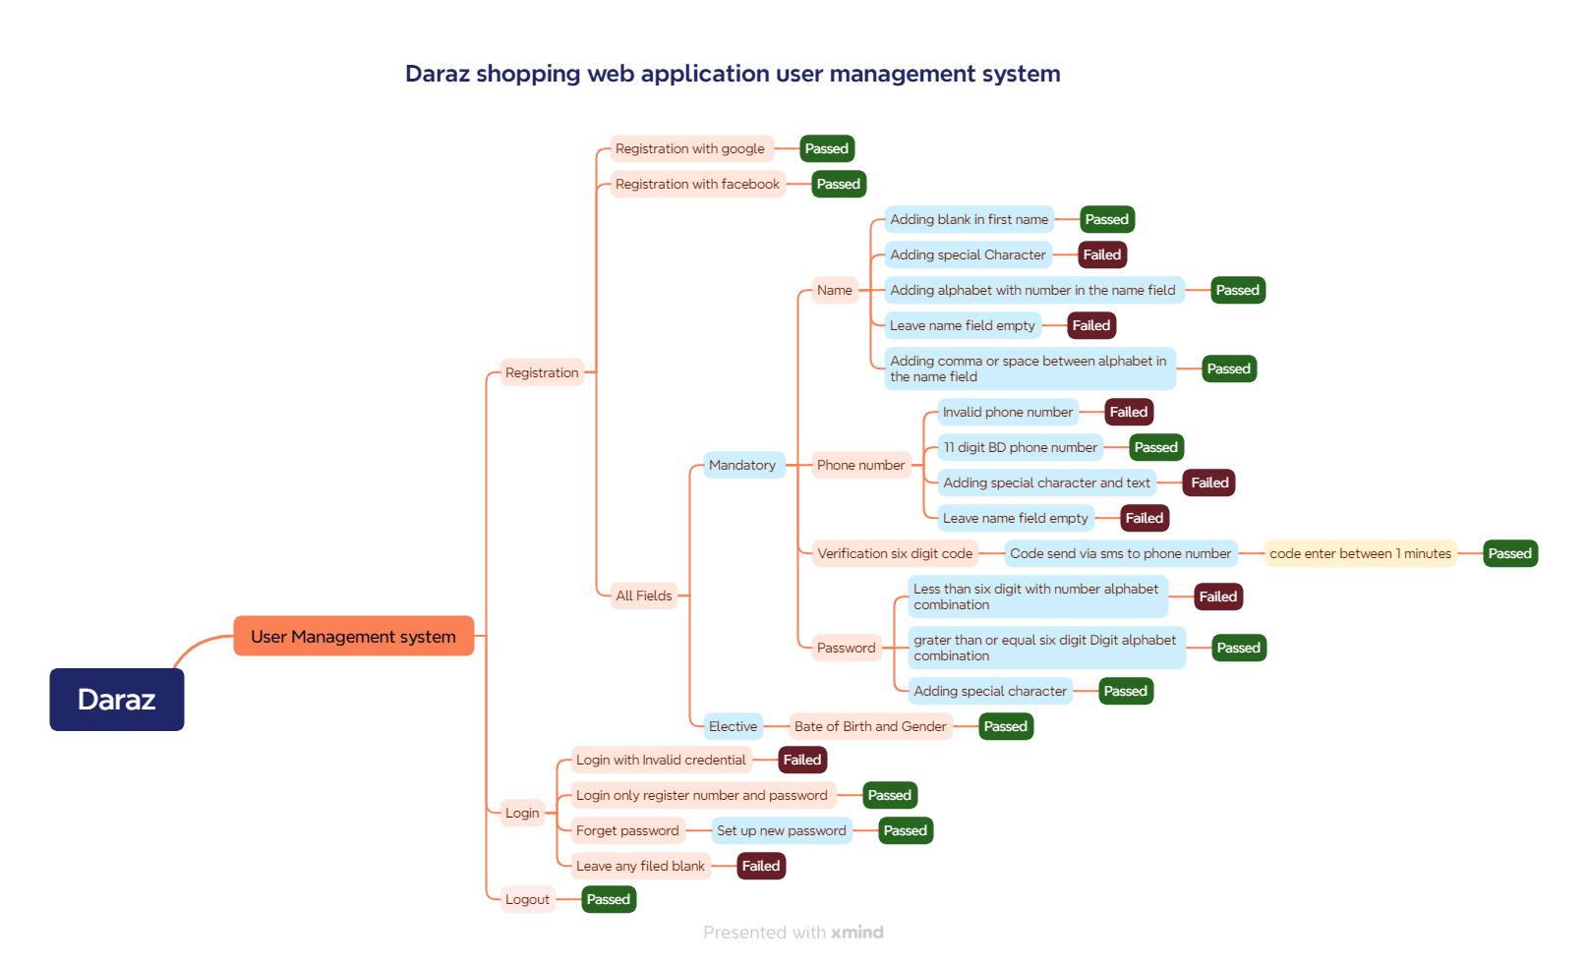
Daraz Web Application Mind Map

Report
Daraz app test report
Test Case Report
Project Name | https://www.daraz.com.bd/
Module Name | Registration & Log in
Test Case Version | 1
Written By | Sabbyosachy Chakraborty
Executed By | Sabbyosachy Chakraborty
Reviewed By | Sabbyosachy Chakraborty
TEST EXECUTION REPORT

Test Case | PASS | FAIL | Not Executed | Out Of Scope | Total TC
 | 45 | 6 | 0 | 0 | 51
Grand Total | 45 | 6 | 0 | 0 | 51

