Upside
 | Change | First open | Last close | Notes
BTCUSD | 39% | 33,617.30 | 46,806.83 | Bitcoin did have more upside over 2021 with a 39% overall increase compared to the S&P's 27%.
SP500 | 27% | 3,764.61 | 4,766.18

Percent Increase During 2021

Spread
 | BTCUSD | SP500 |  | BTCUSD | SP500 | Notes
High | 69,000 | 4,809 | High | 100% | 100% | Bitcoin had a larger range than the S&P. The lowest value for Bitcoin over the year was less than half of its highest value. The lowest value for S&P was a full three-quarters of its highest value. Note that the spread for Bitcoin is at least this big: due to missing data, it is possible for it to be even larger.
Low | 27,632 | 3,663 | Low | 40% | 76%

Lowest Value as a Percentage of Highest Value

Daily High
Daily High over Time
 | BTCUSD | SP500
4-Jan | 33669 | 3769.99
5-Jan | 34536.29 | 3737.83
6-Jan | 37824.48 | 3783.04
7-Jan | 40396 | 3811.55
8-Jan | 41999.99 | 3826.69
9-Jan | 41470.21
10-Jan | 41196.62
11-Jan | 36323.25 | 3817.86
12-Jan | 36651.34 | 3810.78
13-Jan | 38188.33 | 3820.96
14-Jan | 40112.79 | 3823.6
15-Jan | 38849.96 | 3788.73
16-Jan | 37949.71
17-Jan | 36840.11
18-Jan | 37469.21
19-Jan | 37934.2 | 3804.53
20-Jan | 35964.95 | 3859.75
21-Jan | 35000 | 3861.45
22-Jan | 33880 | 3852.31
23-Jan | 33479.49
24-Jan | 33672.18
25-Jan | 34885.56 | 3859.23
26-Jan | 32951 | 3870.9
27-Jan | 32059.73 | 3836.83
28-Jan | 34671.77 | 3830.5
29-Jan | 38665.71 | 3778.05
30-Jan | 34805.65
31-Jan | 34205
1-Feb | 34700 | 3784.32
2-Feb | 36545.05 | 3843.09
3-Feb | 38375 | 3847.51
4-Feb | 38785.99 | 3872.42
5-Feb | 39700 | 3894.56
6-Feb | 41000
7-Feb | 39748.96
8-Feb | 47519.31 | 3915.77
9-Feb | 48201.23 | 3918.35
10-Feb | 47367.17 | 3931.5
11-Feb | 48975 | 3925.99
12-Feb | 48246.6 | 3937.23
13-Feb | 48027.3
14-Feb | 49700
15-Feb | 49600
16-Feb | 50602.34 | 3950.43
17-Feb | 52668.45 | 3933.61
18-Feb | 52344 | 3921.98
19-Feb | 56605.6 | 3930.41
20-Feb | 57500
21-Feb | 58481.6
22-Feb | 56651.47 | 3902.92
...
Sum of High | Column Labels
Row Labels | BTCUSD | SP500 | Grand Total | Notes
4-Jan | 33669 | 3769.99 | 37438.99 | The fluctuation of Bitcoin is also pronounced on a daily basis, frequently increasing and then losing all of that increase within a few weeks.
5-Jan | 34536.29 | 3737.83 | 38274.12
6-Jan | 37824.48 | 3783.04 | 41607.52
7-Jan | 40396 | 3811.55 | 44207.55
8-Jan | 41999.99 | 3826.69 | 45826.68
9-Jan | 41470.21 |  | 41470.21
10-Jan | 41196.62 |  | 41196.62
11-Jan | 36323.25 | 3817.86 | 40141.11
12-Jan | 36651.34 | 3810.78 | 40462.12
13-Jan | 38188.33 | 3820.96 | 42009.29
14-Jan | 40112.79 | 3823.6 | 43936.39
15-Jan | 38849.96 | 3788.73 | 42638.69
16-Jan | 37949.71 |  | 37949.71
17-Jan | 36840.11 |  | 36840.11
18-Jan | 37469.21 |  | 37469.21
19-Jan | 37934.2 | 3804.53 | 41738.73
20-Jan | 35964.95 | 3859.75 | 39824.7
21-Jan | 35000 | 3861.45 | 38861.45
22-Jan | 33880 | 3852.31 | 37732.31
23-Jan | 33479.49 |  | 33479.49
24-Jan | 33672.18 |  | 33672.18
25-Jan | 34885.56 | 3859.23 | 38744.79
26-Jan | 32951 | 3870.9 | 36821.9
27-Jan | 32059.73 | 3836.83 | 35896.56
28-Jan | 34671.77 | 3830.5 | 38502.27
29-Jan | 38665.71 | 3778.05 | 42443.76
30-Jan | 34805.65 |  | 34805.65
31-Jan | 34205 |  | 34205
1-Feb | 34700 | 3784.32 | 38484.32
2-Feb | 36545.05 | 3843.09 | 40388.14
3-Feb | 38375 | 3847.51 | 42222.51
4-Feb | 38785.99 | 3872.42 | 42658.41
5-Feb | 39700 | 3894.56 | 43594.56
6-Feb | 41000 |  | 41000
7-Feb | 39748.96 |  | 39748.96
8-Feb | 47519.31 | 3915.77 | 51435.08
9-Feb | 48201.23 | 3918.35 | 52119.58
10-Feb | 47367.17 | 3931.5 | 51298.67
11-Feb | 48975 | 3925.99 | 52900.99
12-Feb | 48246.6 | 3937.23 | 52183.83
13-Feb | 48027.3 |  | 48027.3
14-Feb | 49700 |  | 49700
15-Feb | 49600 |  | 49600
16-Feb | 50602.34 | 3950.43 | 54552.77
17-Feb | 52668.45 | 3933.61 | 56602.06
18-Feb | 52344 | 3921.98 | 56265.98
19-Feb | 56605.6 | 3930.41 | 60536.01
20-Feb | 57500 |  | 57500
21-Feb | 58481.6 |  | 58481.6
22-Feb | 56651.47 | 3902.92 | 60554.39
23-Feb | 52294.87 | 3895.98 | 56190.85
24-Feb | 51442.01 | 3928.65 | 55370.66
25-Feb | 52074 | 3925.02 | 55999.02
26-Feb | 48472.08 | 3861.08 | 52333.16
27-Feb | 48380.14 |  | 48380.14
28-Feb | 46920 |  | 46920
1-Mar |  | 3914.5 | 3914.5
2-Mar | 49757.22 | 3906.41 | 53663.63
3-Mar | 52737.2 | 3874.47 | 56611.67
4-Mar | 50754.39 | 3843.67 | 54598.06
5-Mar | 49455.61 | 3851.69 | 53307.3
6-Mar | 49915.73 |  | 49915.73
7-Mar | 51832.15 |  | 51832.15
8-Mar | 54126 | 3881.06 | 58007.06
9-Mar | 55847.68 | 3903.76 | 59751.44
10-Mar | 57400 | 3917.35 | 61317.35
11-Mar | 58120 | 3960.27 | 62080.27
12-Mar | 57959.22 | 3944.99 | 61904.21
13-Mar | 61785 |  | 61785
14-Mar | 61500.82 |  | 61500.82
15-Mar | 60561.59 | 3970.08 | 64531.67
16-Mar | 57185.78 | 3981.04 | 61166.82
17-Mar | 59567.59 | 3983.87 | 63551.46
18-Mar | 60099.99 | 3969.62 | 64069.61
19-Mar | 59448.39 | 3930.12 | 63378.51
20-Mar | 59880 |  | 59880
21-Mar | 58164.58 |  | 58164.58
22-Mar | 58445.36 | 3955.31 | 62400.67
23-Mar | 55903.62 | 3949.13 | 59852.75
24-Mar | 57245 | 3942.08 | 61187.08
25-Mar | 53234.52 | 3919.54 | 57154.06
26-Mar | 55627.21 | 3978.19 | 59605.4
27-Mar | 56624.33 |  | 56624.33
28-Mar | 56576.23 |  | 56576.23
29-Mar | 58430.77 | 3981.83 | 62412.6
30-Mar | 59385 | 3968.01 | 63353.01
31-Mar | 59800 | 3994.41 | 63794.41
1-Apr | 60100 | 4020.63 | 64120.63
2-Apr | 59950 |  | 59950
3-Apr | 59851.52 |  | 59851.52
4-Apr | 58500.94 |  | 58500.94
5-Apr | 59468.95 | 4083.42 | 63552.37
6-Apr | 59028.19 | 4086.23 | 63114.42
7-Apr | 58675.79 | 4083.13 | 62758.92
8-Apr | 58400 | 4098.19 | 62498.19
9-Apr | 59170 | 4129.48 | 63299.48
10-Apr | 61180 |  | 61180
11-Apr | 60416.42 |  | 60416.42
12-Apr | 61197.09 | 4131.76 | 65328.85
13-Apr | 63880 | 4148 | 68028
14-Apr | 64900 | 4151.69 | 69051.69
15-Apr | 63855.12 | 4173.49 | 68028.61
16-Apr | 62998.68 | 4191.31 | 67189.99
17-Apr | 62545.78 |  | 62545.78
18-Apr | 57404.04 |  | 57404.04
19-Apr | 57624.66 | 4180.81 | 61805.47
20-Apr | 57145.34 | 4159.18 | 61304.52
21-Apr | 56373 | 4175.02 | 60548.02
22-Apr | 55499.99 | 4179.57 | 59679.56
23-Apr | 51380.03 | 4194.17 | 55574.2
24-Apr | 51150.01 |  | 51150.01
25-Apr | 52567.77 |  | 52567.77
26-Apr | 54419.57 | 4194.19 | 58613.76
27-Apr | 55800 | 4193.35 | 59993.35
28-Apr | 56474.72 | 4201.53 | 60676.25
29-Apr | 54755.36 | 4218.78 | 58974.14
30-Apr | 58553.71 | 4198.1 | 62751.81
1-May
2-May | 58293.35 |  | 58293.35
3-May | 58988.52 | 4209.39 | 63197.91
4-May | 56659.5 | 4179.04 | 60838.54
5-May | 57974.07 | 4187.72 | 62161.79
6-May | 58465.93 | 4202.7 | 62668.63
7-May | 58750 | 4238.04 | 62988.04
8-May | 59560 |  | 59560
9-May | 59481.34 |  | 59481.34
10-May | 59584.99 | 4236.39 | 63821.38
11-May | 57898 | 4162.04 | 62060.04
12-May | 57998.26 | 4134.73 | 62132.99
13-May | 51389.95 | 4131.58 | 55521.53
14-May | 51575.16 | 4183.13 | 55758.29
15-May | 49900 |  | 49900
16-May | 49790 |  | 49790
17-May | 45833.48 | 4171.92 | 50005.4
18-May | 45860.17 | 4169.15 | 50029.32
19-May | 40867.4 | 4116.93 | 44984.33
20-May | 42625.43 | 4172.8 | 46798.23
21-May | 41796.74 | 4188.72 | 45985.46
22-May | 38861.15 |  | 38861.15
23-May | 37484.18 |  | 37484.18
24-May | 39953.65 | 4209.52 | 44163.17
25-May | 39760.96 | 4213.42 | 43974.38
26-May | 40861.2 | 4202.61 | 45063.81
27-May | 40432.4 | 4213.38 | 44645.78
28-May | 38271.59 | 4218.36 | 42489.95
29-May | 37320 |  | 37320
30-May | 36523.24 |  | 36523.24
31-May | 37912.87 |  | 37912.87
1-Jun | 37448.02 | 4234.12 | 41682.14
2-Jun | 38256.4 | 4217.37 | 42473.77
3-Jun | 39487.91 | 4204.39 | 43692.3
4-Jun | 37963.61 | 4233.45 | 42197.06
5-Jun | 37918.57 |  | 37918.57
6-Jun | 36812.09 |  | 36812.09
7-Jun | 36798.03 | 4232.34 | 41030.37
8-Jun | 33841.46 | 4236.74 | 38078.2
9-Jun | 37676.6 | 4237.09 | 41913.69
10-Jun | 38437.02 | 4249.74 | 42686.76
11-Jun | 37690 | 4248.38 | 41938.38
12-Jun | 36222.8 |  | 36222.8
13-Jun | 39816.72 |  | 39816.72
14-Jun | 41060.77 | 4255.59 | 45316.36
15-Jun | 41380.02 | 4257.16 | 45637.18
16-Jun | 40490.02 | 4251.89 | 44741.91
17-Jun | 39575.03 | 4232.29 | 43807.32
18-Jun | 38129.09 | 4204.78 | 42333.87
19-Jun | 36464.63 |  | 36464.63
20-Jun | 36128.13 |  | 36128.13
21-Jun | 34702.68 | 4226.24 | 38928.92
22-Jun | 34392.05 | 4255.84 | 38647.89
23-Jun | 34851.2 | 4256.6 | 39107.8
24-Jun | 35274.9 | 4271.28 | 39546.18
25-Jun | 35100 | 4286.12 | 39386.12
26-Jun | 33209.59 |  | 33209.59
27-Jun | 34983.42 |  | 34983.42
28-Jun | 35286.03 | 4292.14 | 39578.17
29-Jun | 36661.8 | 4300.52 | 40962.32
30-Jun | 35333.25 | 4302.43 | 39635.68
1-Jul | 34475.55 | 4320.66 | 38796.21
2-Jul | 33926.45 | 4355.43 | 38281.88
3-Jul | 34942.56 |  | 34942.56
4-Jul | 35985.71 |  | 35985.71
5-Jul | 34559.72 |  | 34559.72
6-Jul | 35114.32 | 4356.46 | 39470.78
7-Jul | 35098.28 | 4361.88 | 39460.16
8-Jul | 33493.24 | 4330.88 | 37824.12
9-Jul | 34262.53 | 4371.6 | 38634.13
10-Jul | 34195.26 |  | 34195.26
11-Jul | 34602 |  | 34602
12-Jul | 34670.21 | 4386.68 | 39056.89
13-Jul | 33334.71 | 4392.37 | 37727.08
14-Jul | 33189.99 | 4393.68 | 37583.67
15-Jul | 32691.72 | 4369.02 | 37060.74
16-Jul | 32252.21 | 4375.09 | 36627.3
17-Jul | 32437.07 |  | 32437.07
18-Jul | 32200.55 |  | 32200.55
19-Jul | 31890.59 | 4296.4 | 36186.99
20-Jul | 30005.72 | 4336.84 | 34342.56
21-Jul | 32950 | 4359.7 | 37309.7
22-Jul | 32806.46 | 4369.87 | 37176.33
23-Jul | 33800 | 4415.18 | 38215.18
24-Jul | 34525.5 |  | 34525.5
25-Jul | 39782.93 |  | 39782.93
26-Jul | 40572.45 | 4422.73 | 44995.18
27-Jul | 40366.57 | 4416.38 | 44782.95
28-Jul | 40928.46 | 4415.47 | 45343.93
29-Jul | 40639.14 | 4429.97 | 45069.11
30-Jul | 42400 | 4412.25 | 46812.25
31-Jul | 42600 |  | 42600
1-Aug | 42475.28 |  | 42475.28
2-Aug | 40446.58 | 4422.18 | 44868.76
3-Aug | 38824.81 | 4423.79 | 43248.6
4-Aug | 39973.96 | 4416.17 | 44390.13
5-Aug | 41431.18 | 4429.76 | 45860.94
6-Aug | 43792.42 | 4440.82 | 48233.24
7-Aug | 44837.59 |  | 44837.59
8-Aug | 45386.81 |  | 45386.81
9-Aug | 46729.86 | 4439.39 | 51169.25
10-Aug | 46183.47 | 4445.21 | 50628.68
11-Aug | 46775 | 4449.44 | 51224.44
12-Aug | 46023.08 | 4461.77 | 50484.85
13-Aug | 47900 | 4468.37 | 52368.37
14-Aug | 48181.51 |  | 48181.51
15-Aug | 48044.25 |  | 48044.25
16-Aug | 47744.5 | 4480.26 | 52224.76
17-Aug | 47162.94 | 4462.12 | 51625.06
18-Aug | 46031 | 4454.32 | 50485.32
19-Aug | 47424.13 | 4418.61 | 51842.74
20-Aug | 49400 | 4444.35 | 53844.35
21-Aug | 49812.54 |  | 49812.54
22-Aug | 50540.19 |  | 50540.19
23-Aug | 50517.99 | 4489.88 | 55007.87
24-Aug | 49867.71 | 4492.81 | 54360.52
25-Aug | 49365.42 | 4501.71 | 53867.13
26-Aug | 48053.14 | 4495.9 | 52549.04
27-Aug | 49313.26 | 4513.33 | 53826.59
28-Aug | 49650 |  | 49650
29-Aug | 49408.07 |  | 49408.07
30-Aug | 48735.71 | 4537.36 | 53273.07
31-Aug | 48261.59 | 4531.39 | 52792.98
1-Sep | 49935.09 | 4537.11 | 54472.2
2-Sep | 50412 | 4545.85 | 54957.85
3-Sep | 51046.11 | 4541.45 | 55587.56
4-Sep | 50545.41 |  | 50545.41
5-Sep | 51962.68 |  | 51962.68
6-Sep | 52938.78 |  | 52938.78
7-Sep | 52744.48 | 4535.38 | 57279.86
8-Sep | 46885.38 | 4521.79 | 51407.17
9-Sep | 47396.38 | 4529.9 | 51926.28
10-Sep | 46812.87 | 4520.47 | 51333.34
11-Sep | 46001.33 |  | 46001.33
12-Sep | 46504.62 |  | 46504.62
13-Sep | 46897 | 4492.99 | 51389.99
14-Sep | 47498.54 | 4485.68 | 51984.22
15-Sep | 48455.16 | 4486.87 | 52942.03
16-Sep | 48500 | 4485.87 | 52985.87
17-Sep | 48165.96 | 4471.52 | 52637.48
18-Sep | 48808.97 |  | 48808.97
19-Sep | 48333.32 |  | 48333.32
20-Sep | 45837.9 | 4402.95 | 50240.85
21-Sep | 43655.53 | 4394.87 | 48050.4
22-Sep | 44231.92 | 4416.75 | 48648.67
23-Sep | 45062.97 | 4465.4 | 49528.37
24-Sep | 45157.81 | 4463.12 | 49620.93
25-Sep | 42985.06 |  | 42985.06
26-Sep | 44350 |  | 44350
27-Sep | 44250.76 | 4457.3 | 48708.06
28-Sep | 42771.12 | 4419.54 | 47190.66
29-Sep | 43726.63 | 4385.57 | 48112.2
30-Sep | 44097.7 | 4382.55 | 48480.25
1-Oct | 48495.68 | 4375.19 | 52870.87
2-Oct | 48346.7 |  | 48346.7
3-Oct | 49259.3 |  | 49259.3
4-Oct | 49789.33 | 4355.51 | 54144.84
5-Oct | 51927.83 | 4369.23 | 56297.06
6-Oct | 55800 | 4365.57 | 60165.57
7-Oct | 55231.53 | 4429.97 | 59661.5
8-Oct | 56150.58 | 4412.02 | 60562.6
9-Oct | 55486.87 |  | 55486.87
10-Oct | 56759.01 |  | 56759.01
11-Oct | 58000 | 4415.88 | 62415.88
12-Oct | 57688.88 | 4374.89 | 62063.77
13-Oct | 58500.02 | 4372.87 | 62872.89
14-Oct | 59450 | 4439.73 | 63889.73
15-Oct | 62898 | 4475.82 | 67373.82
16-Oct | 62366.08 |  | 62366.08
17-Oct | 62552.73 |  | 62552.73
18-Oct | 62973.38 | 4488.75 | 67462.13
19-Oct | 64498.12 | 4520.4 | 69018.52
20-Oct | 66994.72 | 4540.87 | 71535.59
21-Oct | 66643.14 | 4551.44 | 71194.58
22-Oct | 63745.62 | 4559.67 | 68305.29
23-Oct | 61743.51 |  | 61743.51
24-Oct | 62223.14 |  | 62223.14
25-Oct | 63703.3 | 4572.62 | 68275.92
26-Oct | 63102.8 | 4598.53 | 67701.33
27-Oct | 61500 | 4584.57 | 66084.57
28-Oct | 62508.87 | 4597.55 | 67106.42
29-Oct | 62978 | 4608.08 | 67586.08
30-Oct | 62487.97 |  | 62487.97
31-Oct | 61768 |  | 61768
1-Nov | 62490 | 4620.34 | 67110.34
2-Nov | 64319 | 4635.15 | 68954.15
3-Nov | 63547.54 | 4663.46 | 68211
4-Nov | 62858.83 | 4683 | 67541.83
5-Nov | 64000 | 4718.5 | 68718.5
6-Nov | 62338.16 |  | 62338.16
7-Nov | 65680 |  | 65680
8-Nov | 68534.11 | 4714.92 | 73249.03
9-Nov | 68529.52 | 4708.53 | 73238.05
10-Nov | 69000 | 4684.85 | 73684.85
11-Nov | 65587 | 4664.55 | 70251.55
12-Nov | 65071.49 | 4688.47 | 69759.96
13-Nov | 65338.87 |  | 65338.87
14-Nov | 66200 |  | 66200
15-Nov | 66340.74 | 4697.42 | 71038.16
16-Nov | 61558.53 | 4714.95 | 66273.48
17-Nov | 60976.25 | 4701.5 | 65677.75
18-Nov | 60106.3 | 4708.8 | 64815.1
19-Nov | 59042 | 4717.75 | 63759.75
20-Nov | 59886.11 |  | 59886.11
21-Nov | 60061.89 |  | 60061.89
22-Nov | 59581.52 | 4743.83 | 64325.35
23-Nov | 57882.26 | 4699.39 | 62581.65
24-Nov | 58276.58 | 4702.87 | 62979.45
25-Nov | 59476.65 |  | 59476.65
26-Nov | 58043.76 | 4664.63 | 62708.39
27-Nov | 55320.8 |  | 55320.8
28-Nov | 58265.2 |  | 58265.2
29-Nov | 58903.31 | 4672.95 | 63576.26
30-Nov | 59226.98 | 4646.02 | 63873
1-Dec | 59105.91 | 4652.94 | 63758.85
2-Dec | 57277.92 | 4595.46 | 61873.38
3-Dec | 57673.58 | 4608.03 | 62281.61
4-Dec | 52644.42 |  | 52644.42
5-Dec | 49786.95 |  | 49786.95
6-Dec | 51481.04 | 4612.6 | 56093.64
7-Dec | 51982.66 | 4694.04 | 56676.7
8-Dec | 51269.82 | 4705.06 | 55974.88
9-Dec | 50362.35 | 4695.26 | 55057.61
10-Dec | 49243 | 4713.57 | 53956.57
11-Dec | 49699.99 |  | 49699.99
12-Dec | 50808.48 |  | 50808.48
13-Dec | 49348.69 | 4710.3 | 54058.99
14-Dec | 48784.28 | 4660.47 | 53444.75
15-Dec | 49500 | 4712.6 | 54212.6
16-Dec | 49466.29 | 4731.99 | 54198.28
17-Dec | 48194.13 | 4666.7 | 52860.83
18-Dec | 47980.93 |  | 47980.93
19-Dec | 48306.22 |  | 48306.22
20-Dec | 48082.61 | 4587.9 | 52670.51
21-Dec | 49598.11 | 4651.14 | 54249.25
22-Dec | 49548.86 | 4697.67 | 54246.53
23-Dec | 51533.71 | 4740.74 | 56274.45
24-Dec | 51866.86 |  | 51866.86
25-Dec | 51156.95 |  | 51156.95
26-Dec | 51294.26 |  | 51294.26
27-Dec | 52104.93 | 4791.49 | 56896.42
28-Dec | 49834.68 | 4807.02 | 54641.7
29-Dec | 48075.97 | 4804.06 | 52880.03
30-Dec | 47949.3 | 4808.93 | 52758.23
31-Dec | 48578.35 | 4786.83 | 53365.18
Grand Total | 17612806.86 | 1081553.15 | 18694360.01

Final Recommendation
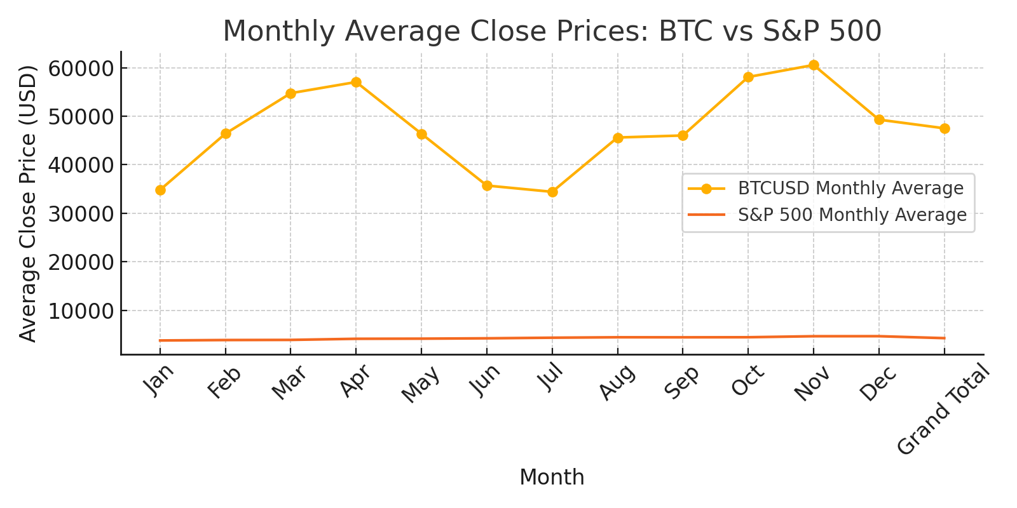
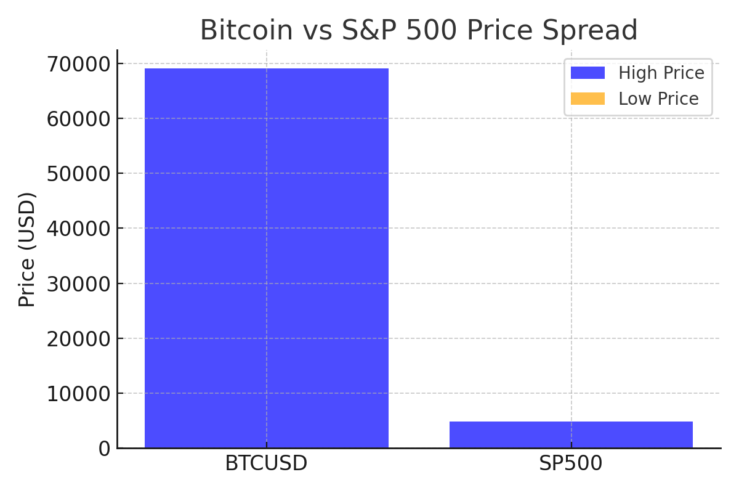
Notes
From a 2024 perspective, Bitcoin has emerged as a global asset with its price generally increasing each year, albeit with significant fluctuations. In contrast, the S&P 500 has shown steady growth over time. While Bitcoin experienced remarkable growth in 2021, its volatility means that poorly timed trades can lead to substantial losses.

