Dashboard
AMAZON INDIA | SALES & BUSINESS PERFORMANCE DASHBOARD
Dataset period: 01 Jan 2024 – 30 Aug 2026 | Source: Amazon Sales Data India.xlsx

TOTAL SALES | TOTAL PROFIT | TOTAL ORDERS | UNITS SOLD
₹155,789,894 | ₹33,167,008 | 10,000 | 24,926

AVG ORDER VALUE | PROFIT MARGIN | RETURN RATE | CANCELLATION RATE
₹15,579 | 21.3% | 4.9% | 5.0%

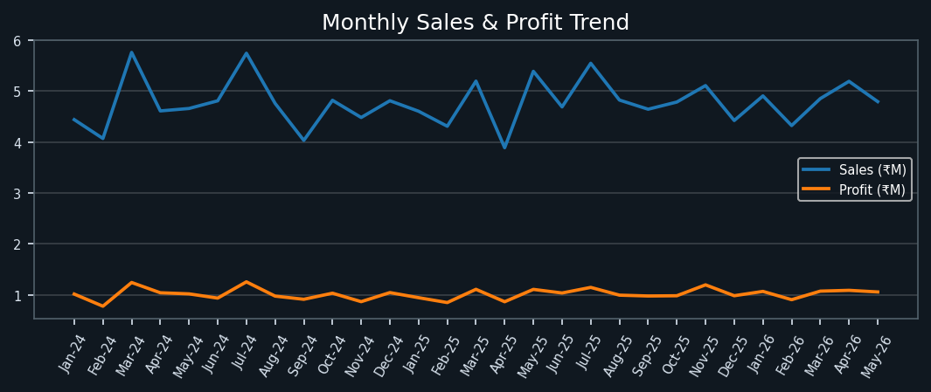
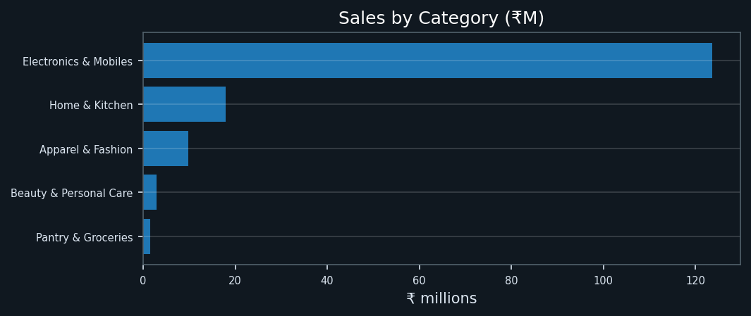

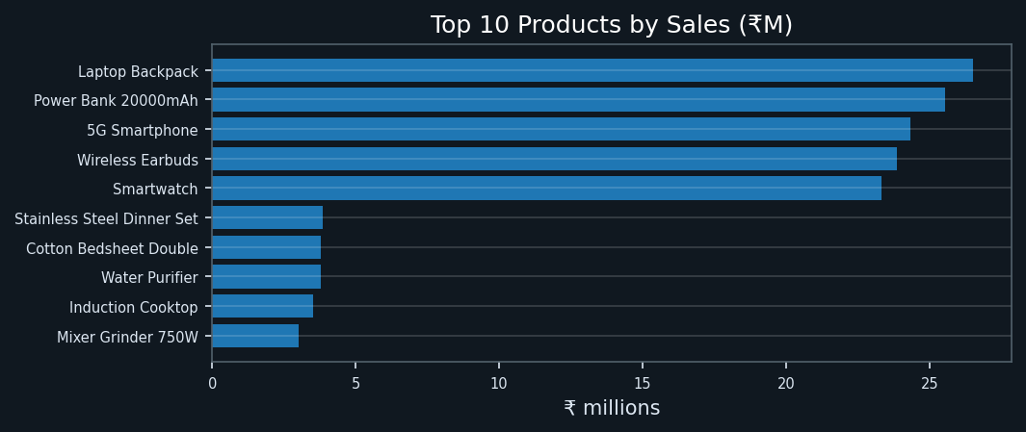
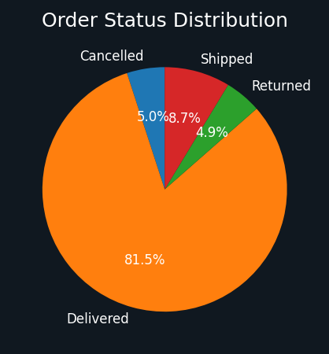

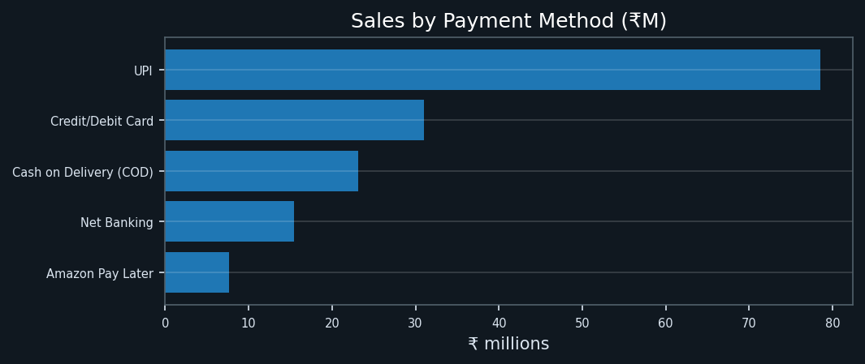
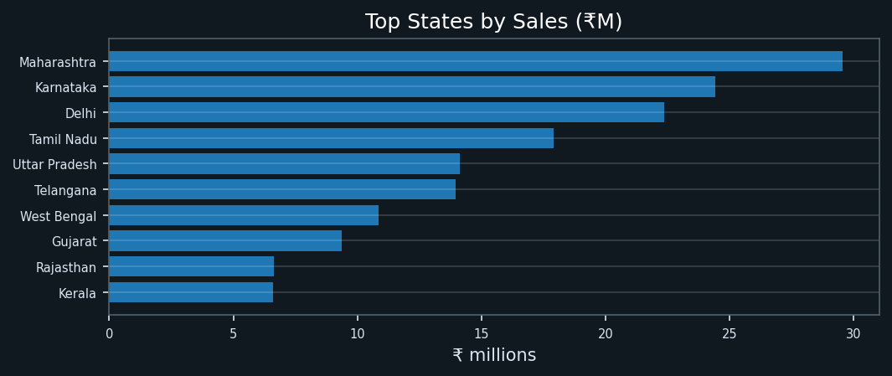

KEY TAKEAWAYS & NOTES
The dashboard KPIs and charts are calculated from the supplied dataset. Use the Data sheet to inspect individual records and the Analysis sheet to review the chart source summaries.
Data note: Return rate = returned orders / all unique orders; cancellation rate = cancelled orders / all unique orders. Sales/profit by status are source-reported values, not an independently estimated future revenue loss.

